Instructions
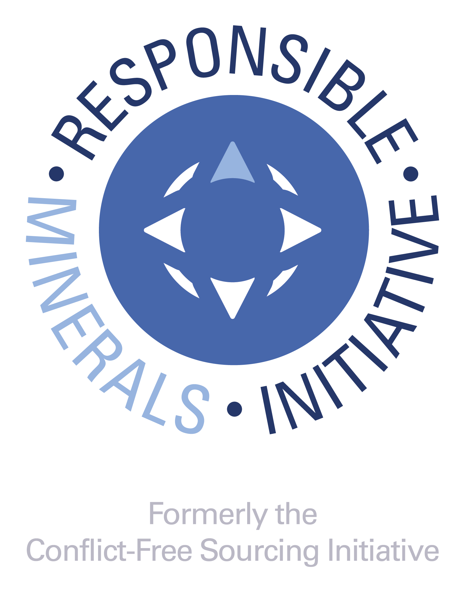 RMI:www.responsiblemineralsinitiative.org/
Introduction
This Extended Mineral Reporting Template (EMRT) is a free, standardized reporting template created by the Responsible Minerals Initiative® (RMI®). The Template facilitates the transfer of information through the supply chain regarding mineral country of origin and smelters, refiners and processors being utilized and supports the exercise of due diligence in accordance with the OECD Due Diligence Guidance for Responsible Supply Chains of Minerals from Conflict-Affected and High-Risk Areas. The template also facilitates the identification of new smelters and refiners to potentially undergo an audit via the Responsible Minerals Assurance Process. The EMRT was designed for downstream companies to disclose information about their supply chains up to but not including the smelter. If you are a smelter or refiner, we recommend you enter your own name in the smelter list tab. When filling out the form, none of the cell entries should start with "=" or "#."

Instructions for completing Company Information questions (rows 7 - 26). Provide comments in ENGLISH only
Note: Entries with (*) are mandatory fields.
1. Insert your company's Legal Name. Please do not use abbreviations. In this field you have the option to add other commercial names, DBAs, etc. This field is mandatory.
2. Select your company's Declaration Scope. The options for scope are: A. Company-wide B. Product (or List of Products) C. User-Defined For "Company-wide", the declaration encompasses the entirety of a company's products or product substances produced by the parent company. Therefore if the user is reporting specified mineral data at the company level, they will be reporting data on all products they manufacture. For Scope selection of Product (or List of Products), a link to the worksheet tab for Product List will be displayed. If this scope is chosen, it is mandatory to list the Responder's Product Number of the products covered under the Scope of this Declaration in Column B of the Product List worksheet. It is optional to list the Responder's Product Name in Column C of the Product List worksheet. For Scope selection of "User Defined", it is mandatory that the user describes the scope to which the specified minerals disclosure is applicable. The scope of this class shall be defined in a text field by the supplier and should be easily understood by customers or the receivers of the document. As an example, companies may provide a link to clarifying information. This field is mandatory.
3. The requesting company is required to select all minerals that are in scope of the declaration. These fields are pre-populated with the six EMRT minerals. To remove a mineral from the declaration, the user selects "Delete [Mineral]". Minerals are automatically populated in alphabetical order for Questions 1 and 2. This field is mandatory.
4. Insert your company’s unique identifier number or code (DUNS number, VAT number, customer-specific identifier, etc.)
5. Insert the source for the unique identifier number or code ("DUNS", "VAT", "Customer", etc).
6. Insert your full company address (street, city, state, country, postal code). This field is optional.
7. Insert the name of the person to contact regarding the contents of the declaration information. This field is mandatory.
8. Insert the email address of the contact person. If an email address is not available, state "not available" or "n/a". A blank field may cause an error in form implementation. This field is mandatory.
9. Insert the telephone number for the contact. This field is mandatory.
10. Insert the name of the person who is responsible for the contents of the declaration information. The authorizer may be a different individual than the contact person. It is not correct to use the words ‘‘same’’ or similar identification to provide the name of the authorizer. This field is mandatory.
11. Insert the title for the Authorizing person. This field is optional.
12. Insert the email address of the Authorizing person. If an email address is not available, state ‘‘not available’’ or ‘‘n/a.’’ A blank field may cause an error in form implementation. This field is mandatory.
13. Insert the telephone number for the Authorizing person. This field is optional.
14. Please enter the Date of Completion for this form using the format DD-MMM-YYYY. This field is mandatory.
15. As an example, the user may save the file name as: companyname-date.xlsx (date as YYYY-MM-DD).

Instructions for completing the seven Declaration of Scope Questions (rows 28 - 107). Provide answers in ENGLISH only
These seven questions define the usage, origination and sourcing identification for each of the specified minerals. The questions are designed to collect information about the use of the specified mineral in the company’s product(s) and the completeness of reporting. Responses to these questions shall represent the ‘Declaration Scope’ selected in the company information section.
Provide comments in the Comment sections as required to clarify your responses.
Provide an answer using the pull down menu selections. If the response for the specified mineral to question 1 and 2 is positive, then all questions shall be completed for that mineral and the following due diligence questions (A to G) shall be completed about the company’s overall due diligence program.
1. This question is used to determine whether the specified mineral is within the scope of the reporting requirement. The response to this question serves to exclude any trace-level contaminants or naturally-occurring by-products. This question asks if any of the specified mineral is used as raw material, component or additive in a product that you manufacture, including compounds. Impurities from raw materials, components, additives, abrasives, and cutting tools are outside the scope of the survey. The answer to this question shall be either "yes" "no" "unknown" or "not declaring". This question is mandatory.
Some companies may require substantiation for a "No" answer that should be entered into the Comment Field.
2. This question shall be answered for the specified minerals for which the answer to question 1 is "yes." This is the second of two questions for which the response is used to determine whether the specified mineral is within the scope of this reporting template. This question is dependent upon the question and response to Question 1. This question is intended to identify the specified mineral which is intentionally added or included in the manufacturing process of a product where some amount of the specified mineral remains in the finished product. This includes any specified mineral which may not have been intended to become part of the final product and may not be necessary to the functionality of the product but are only present as residuals of the manufacturing process. In many cases, the manufacturer may have attempted to remove or facilitate consumption of the specified mineral during the manufacturing process, however, some amount of the specified mineral remains. Should the specified mineral, which is added or included during the manufacturing process, be completely removed such that none of the specified mineral remains upon the completion of that process, the response to this question would be no. This question shall be answered for the specified minerals. Valid answers to this question are either "yes", "no", or "unknown". This question is mandatory.
3. This is a declaration that any portion of the specified mineral contained in a product or multiple products originates from a conflict-affected and high-risk area (CAHRA). The answer to this question should be "yes" if any smelter in the supply chain sources from CAHRAs, regardless of whether such a smelter has been independently audited or not. The answers to this question for the specified mineral shall be "yes," "no," or "unknown,". Substantiate a "Yes" answer in the comments section. An answer of "unknown" is an acceptable response. This question is mandatory for the specified mineral if the response to Question 1 and 2 is "Yes."
4. This is a declaration that identifies whether the specified mineral contained in the product(s) originate exclusively from recycled or scrap sources. The answer to this question shall be "yes", "no", or "unknown". A "Yes" answer means that 100% of the specified mineral comes from recycled or scrap sources. A "No" answer means that some of the raw material does not come from recycled or scrap sources. An "Unknown" answer means that the user does not know whether or not 100% of the raw material comes from recycled or scrap sources. This question is mandatory for the specified mineral if the response to Question 1 and 2 is "Yes."
5. This is a question to determine whether a company has received disclosures from all direct suppliers reasonably believed to be providing the specified mineral contained in the products covered by the scope of this declaration. Permissible responses to this question are: ­ 100% ­ Greater than 90% ­ Greater than 75% - Greater than 50% - 50% or less - None - Did not survey This question is mandatory for the specified mineral if the response to Question 1 and 2 is "Yes."
6. This question verifies if the supplier has reason to believe they have identified all of the smelters providing the specified mineral in the products covered by this declaration. The answer to this question shall be "Yes" "No" or "unknown", along with a comment in certain cases, e.g. list of smelters. This question is mandatory for the specified mineral if the response to Question 1 and 2 is "Yes."
7. This question verifies that all of the smelters or processors identified to be providing any of the raw materials contained in the products covered by the scope of this declaration have been reported in this declaration. The answer to this question shall be "yes," "no," or "unknown" along with a comment in certain cases e.g. list of smelters. This question is mandatory for the specified mineral if the response to Question 1 and 2 is "Yes."

Instructions for completing Questions A. – G. (rows 113 - 137). Questions A through G are mandatory if the response to Question 1 and Question 2 is "Yes" for the specified mineral. Provide answers in ENGLISH only.
The OECD Due Diligence Guidance for Responsible Supply Chains of Minerals from Conflict-affected and High-risk Areas (OECD Guidance) defines “Due Diligence” as “an on-going, proactive and reactive process through which companies can ensure that they respect human rights and do not contribute to conflict”. More information is available at http://www.responsiblemineralsinitiative.org/training-and-resources/conflict-affected-and-high-risk-areas/. Questions A. through G are designed to assess your company’s responsible minerals sourcing due diligence activities. Responses to these questions shall represent the full scope of your company’s activities and shall not be limited to the ‘Declaration Scope’ selected in the company information section.
A. This is a declaration to disclose whether a company has a responsible minerals sourcing policy. The answer to this question shall be "yes" or "no". This field is mandatory.
B. This is a declaration to disclose whether a company's responsible minerals sourcing policy is available on the company website. The answer to this question shall be "yes" or "no." If "yes," add the URL in the comments field. This field is mandatory.
C. This is a declaration to determine whether a company requires their direct suppliers to source the specified minerals from independently validated smelters and processors. The answer to this question shall be "yes," "yes, when more processors are validated," or "no." Comments should be captured in a question comment field. This field is mandatory.
D. This is a question to disclose whether a company has implemented responsible minerals sourcing due diligence measures. This question is not intended to provide details of a company's due diligence measures. The aspects of acceptable due diligence measures shall be determined by the requestor and supplier. The answer to this question shall be "yes" or "no." If "yes," the user shall describe the due diligence measures implemented in the question comment field (e.g. OECD Due Diligence Framework).
E. This is a question to disclose whether a company requests their supplier to fill out an extended mineral reporting template. Acceptable answers are listed below, in certain cases further explanation may be required, i.e., to provide the format used for collecting information. If the answer is "Yes, using other format" the user shall provide a comment in a question comment field. Permissible responses to this question are: - Yes, in conformance with IPC-1755 (e.g. EMRT) - Yes, using other format (describe) - No This field is mandatory.
F. Please answer “Yes” or “No”. In the comments section, you can provide additional information on your approach. Examples could be: “3rd party audit” - on-site audits of your suppliers conducted by independent third parties. “Documentation review only” - a review of supplier submitted records and documentation conducted by independent third parties and, or your company personnel. “Internal audit” - on-site audits of your suppliers conducted by your company personnel. This field is mandatory.
G. This is a question to disclose whether a company’s review process includes corrective action management. The answer to this question shall be "yes" or "no." Comments shall be captured in a question comment field. This field is mandatory.

Instructions for completing the Smelter List Tab. Provide answers in ENGLISH only Note: Columns with (*) are mandatory fields
This template allows for the identification of smelters, refiners, or processors using the Smelter Look-up. Columns B, and C must be completed in order from left to right to utilize the Smelter Look-up feature. Use a separate line for each metal/smelter/country combination.
1. Smelter Identification Input Column - If you know the Smelter Identification Number, input the number in Column A (columns B, C, D, E, F, G, I, and J will auto-populate). Column A does not autopopulate
2. Metal (*) - Use the pull down menu to select the metal for which you are entering smelter information. Metals appear only if Declaration Questions 1 and 2 are answered "Yes" for those metals. This field is mandatory.
3. Smelter Look-up (*) - Select from dropdown. This is the list of known smelters as of template release date. If smelter is not listed select 'Smelter Not Listed'. This will allow you to enter the name of the smelter in Column D. If you do not know the name or location of the smelter, select 'Smelter Not Yet Identified.' For this option, columns D and E will autopopulate to say, 'unknown.' This field is mandatory.
4. Smelter Name (1) - Fill in smelter name if you selected "Smelter Not Listed" in column C. This field will auto-populate when a smelter name in selected in Column C. This field is mandatory.
5. Smelter Country (*) – This field will auto-populate when a smelter name is selected in column C. If you selected "Smelter Not Listed" in column C, use the pull down menu to select the country location of the smelter. This field is mandatory.
6. Smelter Identification - This is a unique identifier assigned to a smelter or refiner according to an established smelter and refinery identification system. It is expected that multiple names or aliases could be used to describe a single smelter or refiner and therefore multiple names or aliases could be associated to a single ‘Smelter ID’.
7. Source of Smelter Identification Number - This is the source of the Smelter Identification Number entered in Column F. If a smelter name was selected in Column C using the dropdown box, this field will auto-populate.
8. Smelter Street - Provide the street name on which the smelter is located. This field is optional.
9. Smelter City – Provide the city name of where the smelter is located. This field is optional.
10. Smelter Location: State/Province, if applicable – Provide the state or province where the smelter is located. This field is optional.
11. Smelter Contact Name – The Extended Mineral Reporting Template (EMRT) is circulated among companies in the requesting company's supply chain to exercise due diligence in accordance with the OECD Due Diligence Guidance for Responsible Supply Chains of Minerals from Conflict-Affected and High-Risk. If the template is circulated in a country where laws protecting personal information exist, sharing personal contact information in the EMRT may violate related regulations. Therefore, it is recommended that the requesting company take precautions such as obtaining the contact person's permission to share the information with other companies in the supply chain when completing "Smelter Contact Name" and the "Smelter Contact Email" columns. If you have permission to share this information, please fill in the name of the Smelter Facility Contact person who you worked with.
12. Smelter Contact Email – Fill in the email address of the Smelter Facility contact person who was identified as the Smelter Contact Name. Example: John.Smith@SmelterXXX.com. Please review the instructions for Smelter Contact Name before completing this field.
13. Name of Mine(s) - This field allows a company to define the actual mines being used by the smelter. Please enter the actual mine names if known. If 100% of the smelter’s feedstock originates from recycled or scrap sources, enter "Recycled" or "Scrap" in place of the name of the mine and answer "Yes" in Column P.
14. Location (Country) of Mine(s) - This is a free form text field that allows a company to define the location of the mines being used by the smelter. Please enter the country of the mine(s). If the country of origin is not known, enter "Unknown". If 100% of the smelter’s feedstock originates from recycled or scrap sources, enter "Recycled" or "Scrap" in place of the country of origin. This field is optional.
15. Indicates whether the smelter solely obtains inputs for its smelting process(es) from recycled or scrap sources. This question is optional. Permissible responses to this question are: - Yes - No - Unknown
16. Comments – free form text field to enter any comments concerning the smelter. Example: smelter is being acquired by Company YYY

Instructions for completing the Mine List Tab. Provide answers in ENGLISH only
1. Metal - Use the pull down menu to select the metal for which you are entering mine facility information. Metals appear only if Declaration Questions 1 and 2 are answered "Yes" for those metals.
2. Name of Smelter(s) sourcing from this Mine Facility - When possible, fill in the name of the smelter(s) that is sourcing from the listed mine facility.
3. Mine Facility (Site) Name - Fill in the mine facility name as you know it.
4. Mine Identification - This is a unique identifier assigned to a mine facility according to an established mine facility identification system. It is expected that multiple names or aliases could be used to describe a single mine facility and therefore multiple names or aliases could be associated to a single ‘Facility ID’.
5. Source of Mine Identification Number - This is the source of the Mine Identification Number entered in Column D.
6. Mine Facility (Site) Country - Select from dropdown, the country where the mine facility is located.
7. Mine Facility Street - Provide the street name on which the mine is located. This field is optional.
8. Mine Facility City – Provide the city name of where the mine facility is located.
9. Mine Facility Location: State/Province, if applicable – Provide the state or province where the mine facility is located.
10. Mine Facility Contact Name – If the template is circulated in a country where laws protecting personal information exist, sharing personal contact information in the AMRT may violate related regulations. Therefore, it is recommended that the requesting company take precautions such as obtaining the contact person's permission to share the information with other companies in the supply chain when completing "Mine Facility Contact Name" and the "Mine Facility Contact Email" columns. If you have permission to share this information, please fill in the name of the Mine Facility Contact person who you worked with.
11. Mine Facility Contact Email – Fill in the email address of the Mine Facility contact person who was identified as the Mine Facility Contact Name. Example: John.Smith@MineXXX.com. Please review the instructions for Mine Facility Contact Name before completing this field.
12. Proposed next steps - This is a comments area, which allows the company to specify the next steps to manage mine facilities. These are the actions you may take with the mine if the facility is not listed on the Responsible Minerals Initiative (RMI) Conformant Facility List. Example: request mine facility to undergo an RMI assessment, remove from preferred supplier list, etc.
13. Comments – free form text field to enter any comments concerning the mine facility. Example: mine is being acquired by Company YYY

The Checker worksheet is used to verify if all the required information in the Template has been completed. It is updated real-time and can be reviewed at any time while using the Template. It is used to verify completion. To use this sheet, verify if all required fields have been completed (completed fields will be highlighted in green). If not, look for the red field(s) and review the "Notes" in Column C for required actions. You may use the URL in Column D to directly access the field for completion.

TERMS AND CONDITIONS
The Responsible Minerals Initiative Smelter List (the "List") and Program templates and tools, including, without limitation, the Extended Mineral Reporting Template (collectively “Tools”), including, without limitation, all information provided therein, are provided for informational purposes only and are current as of the date set forth therein. Any inaccuracy or omission in the List or any Tool is not the responsibility of the Responsible Business Alliance, Incorporated, a Delaware non-stock corporation ("RBA"). Determination of whether and/or how to use all or any portion of the List or any Tool is to be made in the User’s sole and absolute discretion. Prior to using the List or any Tool, you should review it with your own legal counsel. No part of the List or any Tool constitutes legal advice. Use of the List or any Tool is voluntary.
RBA does not make any representations or warranties with respect to the List or any Tool. The List and Tools are provided on an "AS IS" and on an "AS AVAILABLE" basis. RBA hereby disclaim all warranties of any nature, express, implied or otherwise, or arising from trade or custom, including, without limitation, any implied warranties of merchantability, non-infringement, quality, title, fitness for a particular purpose, completeness or accuracy.
To the fullest extent permitted by applicable laws, RBA renounces any liability for any losses, expenses or damages of any nature, including, without limitation, special, incidental, punitive, direct, indirect or consequential damages or lost income or profits, resulting from or arising out of the User’s use of the List or any Tool, whether arising in tort, contract, statute, or otherwise, even if shown that they were advised of the possibility of such damages.
In consideration for access and use of the List and/or any Tool, THE USER hereby agrees to and does (a) release and forever discharge RBA as well as its officers, directors, agents, employees, volunteers, representatives, contractors, successors, and assigns, from any and all claims, actions, losses, suits, damages, judgments, levies, and executions, which the User has ever had, has, or ever can, shall, or may have or claim to have against RBA , as well as its officers, directors, agents, employees, volunteers, representatives, contractors, successors, and assigns, resulting from or arising out of the List or any Tool or use thereof, and agrees to (b) indemnify, defend and hold harmless RBA, as well as its officers, directors, agents, employees, volunteers, representatives, contractors, successors, and assigns, from any and all claims, actions, losses, suits, damages, judgments, levies, and executions resulting from or arising out of the USER'S use of the List or any Tool.
If any part of any provision of these Terms and Conditions shall be invalid or unenforceable under applicable law, said part shall be deemed ineffective to the extent of such invalidity or unenforceability only, without in any way affecting the remaining parts of said provision or the remaining provisions of these Terms and Conditions.
By accessing and using the List or any Tool, and in consideration thereof, the User agrees to the foregoing.
© 2025 Responsible Minerals Initiative. All rights reserved.
Return to declaration tab
Revision 2.0 April 25, 2025

Mine List
 | TO BEGIN:
 | Step 1. Select Metal in column A Step 2. Enter Name of Smelter(s) sourcing from this Mine facility in column B Step 3. Enter Mine Facility (Site) Name in column C Step 4. Enter Mine Identification (e.g. CID) and Source of Identification in columns D and E, if available Step 5. Select Country in column F Step 6. Enter all available smelter information in columns G through M |  |  |  © 2025 Responsible Minerals Initiative. All rights reserved. |  |  |  |  |  |  |  | Revision 2.0 April 25, 2025
Metal | Name of Smelter(s) sourcing from this Mine Facility | Mine Facility (Site) Name | Mine Identification (e.g. CID) | Source of Mine Facility Identification Number | Mine Facility Country | Mine Facility Street | Mine Facility City | Mine Facility Location: State / Province | Mine Facility Contact Name | Mine Facility Contact Email | Proposed next steps | Comments
...

