Dasboard
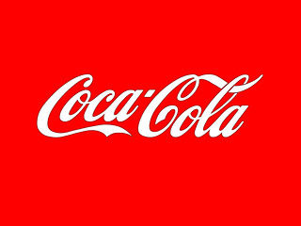
COCA COLA USA Retailer Dashboard Figures in USD

Total Sales
Units Sold
Average Price
Total Operating Profit
9,592,932
20,165,120
$0.44
3,820,946

Sales by Beverage Brand |  |  |  |  | Sales by Retailer
 | Brand | Sales 2022 | Sales 2023 | Variance |  | Retailer | Sales 2022 | Sales 2023 | Variance
 | Coca-Cola | 2,268,975 | 2,268,975 | 0 |  | Amazon | 1,009,699 | 1,009,699 | 0
 | Dasani Water | 1,917,828 | 1,917,828 | 0 |  | BevCo | 2,327,607 | 2,327,607 | 0
 | Diet Coke | 1,633,959 | 1,633,959 | 0 |  | FizzyCo | 2,262,827 | 2,262,827 | 0
 | Fanta | 1,116,063 | 1,116,063 | 0 |  | Target | 1,341,995 | 1,341,995 | 0
 | Powerade | 1,302,529 | 1,302,529 | 0 |  | Walmart | 580,211 | 580,211 | 0
 | Sprite | 1,353,578 | 1,353,578 | 0 |  | West Soda | 2,070,594 | 2,070,594 | 0
 | Total | 9,592,933 | 9,592,933 | 0 |  | Total | 9,592,933 | 9,592,933 | 0

Sales and Operating Profit Margin by Quarter

Sales and Operating Profit Margin by Quarter
 | Sales | Operating Profit Margin
Qtr1 | 1877584.3 | 0.4165704501
Qtr2 | 2379424.8 | 0.42755819477
Qtr3 | 2805752.5 | 0.43470170455
Qtr4 | 2530170.9 | 0.42483932854
0 | 9592932.5 | 0.42599568656
0 | 0 | 0
0 | 0 | 0
0 | 0 | 0

