IDS (60)
`
 | IDS (60 Mins)
 | An Issue is a challenge, inconsistency, problem, idea, opportunity, or question.
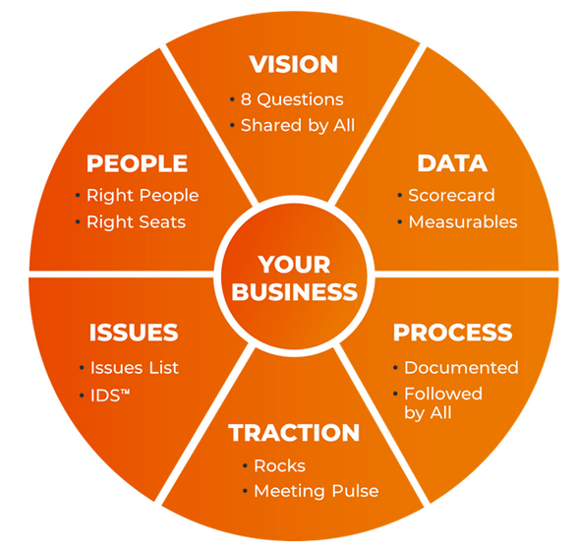
 | It can also be something to review with the team (e.g., I completed a To Do and want the team to look at the result).

 | Pick 3 at a time to prioritize. Use IDS (Identify, Discuss, Solve)
 | I (Identify) - spend as much time here as possible to find the root cause.
 | D (Discuss) - Once I is agreed, everyone goes around the room and says that they think the solution is.
 | S (Solve) usually results in a To Do.

 |  | Issue | Raised By | Top 3
 | 1 | Achieve 99.5% inventory sync accuracy between Odoo and Shopify by the end of August | Amos | 1
 | 2 | Facilitate the Companywide SOP review - coordinate departmental SOP updates, review & sign-off | Franckie | 2
 | 3 | Stocky closure update | Amos | 3
 | 4 | Items being returned from Stores to the Warehouse | Mary | 4
 | 5
 | 6
 | 7
 | 8
 | 9
 | 10
 | 11
 | 12
 | 13
 | 14
 | 15

 |  | Discussed / Raised / Resolved Issues | Raised By | Top 3
 | 1 | Goods Delivered to Warehouse | Jared | 4
 | 2 | Document 5 Key UPSTREAM Processes within my department, starting with the most Important (3 by Mid Feb, 2 by end-Feb) | Stephen | 1
 | 3 | Create a ticketing system for store manaitenance issues | Jeffrey | 2
 | 4 | Cascade EOS to the rest of the team members by end of Week 1, February. | Stephen | 3
 | 5 | Production Pipeline at Cutting | Jared | 2
 | 6 | Printing Pipeline | Patrick | 3
 | 7 | Cascade EOS to the rest of the team members | Bedan | 1
 | 8 | Update on the Maintanance ticketing process on Zoho | Jeffrey | 4
 | 9 | Complete CFG by Mid-February | Bedan | 1
 | 10 | Emergency / Expedited PO Rate | Jeffrey | 2
 | 11 | ERP GO Live in all modules across all Markets | Albanus | 3
 | 12 | Production Pipeline at Cutting | Jared | 4
 | 13 | Printing Pipeline | Patrick | 5
 | 14 | Goods Produced at the factory | Jared | 2
 | 15 | Weekly production units are sent for washing or remediation due to oil, stains, or contamination & To segregate the stains issue and identify the stains pick up location | Mary | 3
 | 16 | Odoo going live on 1st of March 2026 | Albanus | 1
 | 17 | Basic Products (NOOS) Cover | Amos | 1
 | 18 | Fabric Printed & Printing Pipeline | Patrick | 2
 | 19 | Monthly units require rework from Table 1 & Table 2 to production | Mary | 3
 | 20 | Goods Produced at the factory | Jared | 1
 | 21 | Basic Products (NOOS) Cover | Amos | 2
 | 22 | Cash Coverage (Weeks of Runway) | Rose | 3
 | 23 | Fabric Printed | Patrick | 3
 | 24 | Unfullfilled because of Inventory Inaccuracy (Online) | Amos | 2
 | 25 | Cash Coverage (Weeks of Runway) | Rose | 3
 | 26 | Inventory in Odoo and its challenges | Albanus | 1
 | 27 | Inventory Accuracy (%) — Finished Goods | Amos | 1
 | 28 | Q2 Reports Level 10 | Lizzie | 2
 | 29 | Cash Coverage (Weeks of Runway) | Rose | 3
 | 30 | Goods Produced at the factory | Jared | 2
 | 31 | Fabric Printed | Patrick | 1
 | 32 | Procure-to-Pay (P2P) Cycle Time (Requisition → PO issued → goods received) | Jeffrey | 3
 | 33 | Goods Produced at the factory | Jared | 1
 | 34 | Inventory Accuracy (%) — Finished Goods | Amos | 2
 | 35 | Cash Forecast Accuracy (%) — weekly horizon | Rose | 3
 |  | Goods Produced at the factory | Jared
 |  | Inventory Accuracy (%) — Finished Goods | Amos
 |  | Cash Forecast Accuracy (%) — weekly horizon | Rose
 |  | Accessories and Styles alignment before production set sampling | Bedan
 |  | Goods Produced at the factory | Jared
 |  | Fabric Printed | Stephen
 |  | Inventory Accuracy Rate - weekly cycle counts | Amos
 |  | Achieve 99.5% inventory sync accuracy between Odoo and Shopify by the end of August | Amos | 2
 |  | Facilitate the Companywide SOP review - coordinate departmental SOP updates, review & sign-off | Franckie | 3
 |  | New Security Company | Franckie | 1
 |  | Customer complains from the stores should be ≤1 | Mary | 4

