IDS (60)
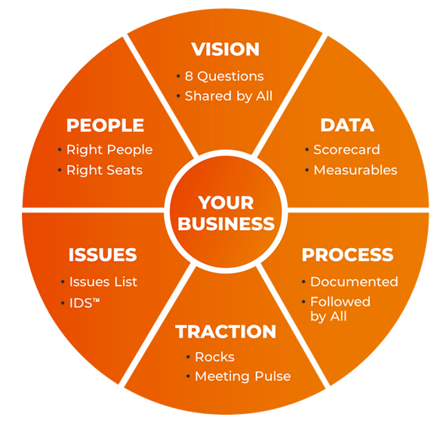
An Issue is a challenge, inconsistency, problem, idea, opportunity, or question. It can also be something to review with the team
(e.g., I completed a To Do and want the team to look at the result). Pick 3 at a time to prioritize. Use IDS (Identify, Discuss, Solve).
I (Identify) - spend as much time here as possible to find the root cause.
D (Discuss) - Once I is agreed, everyone goes around the room and says what they think the solution is.
S (Solve) usually results in a To Do.
 | Issue | Raised / Owned By
1 | Growth in returning customer numbers vs Same Week LY
2 | Departments within acceptable hours lost
3 | Implement CRM + central management of Whatsapp broadcasts for stores
4 | Loyalty programme launched

 | Discussed / Raised / Resolved Issues
 | Vivo Net Online Revenue (Targets: 1,800,000 )
 | Kenya Retail Revenue
 | Uganda Retail Revenue
 | Loyalty programme launched
 | Complete store upgrades for Vivo Sarit, MNS, M-Avenue, Yaya stores
 | Partnerships - Java, Lintons, Women In Health
 | Vivo Net Online Revenue (Targets: 1,800,000 ) | Allan
 | Kenya Retail Revenue | Richard
 | Uganda Retail Revenue | Richard
 | Complete store upgrades for Vivo Sarit, MNS, M-Avenue, Yaya stores | Isabelle
 | Mid year Sale | Sharon
 | 3 Month SOR on New Styles | Wandia
 | Uganda Store Footfall Weekly | Sharon
 | Online Customer Service Vivo Sales (60% of CEX team target) | Allan
 | Uganda Retail Revenue | Richard
 | SZ Revenue from Social Commerce Sales | Allan
 | Launch Vivo online website by end Q2. | Sharon
 | Moi Avenue | Wandia
 | Safari by Vivo & Zoya by Vivo | Stephen
 | Review CEX structure | Isabelle
 | Cash cover (weeks of operating outflow) | Stephen
 | Kenya New Store Customers | Sharon
 | Growth in Kenya Retail Rev vs. Same Week Prior Year | Richard
 | Internal fraud cases | Joyce
 | Complete 1 Staff Wellness Iniative per month | Joyce
 | CEX role | Joyce
 | Kenya New Store Customers | Sharon
 | Uganda Retail Revenue | Richard
 | Growth in Kenya Retail Rev vs. Same Week Prior Year | Richard
 | Growth in returning customer numbers | Isabelle
 | No of customer complaints | Isabelle
 | Staff using marketing vouchers | Wandia
 | 15 year anniversary / Junction launch date. Merch & ? for staff | Wandia
 | 15 Year Annivesary date | Wandia

