Sheet1
Question 4
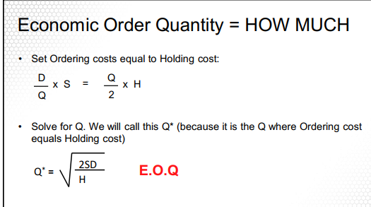
annual demand D |  | 1000
order/setup cost S |  | 10
holding cost H |  | 0.5

E.O.Q |  | 200

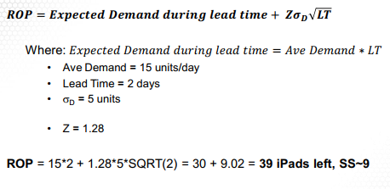
question 5

average demand |  | 15
sigma D |  | 5
Lead time |  | 2 | days
stock policy | 10% | 90%
Z score |  | 1.28

ROP |  | 39.050966799

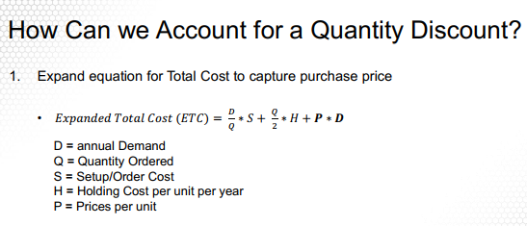

annual demand D |  | 1400
Price Per Unit P |  | $400
Carrying cost per Unit H |  | 20% | $80
Ordering cost S |  | $25
300> P |  | 5% | $380

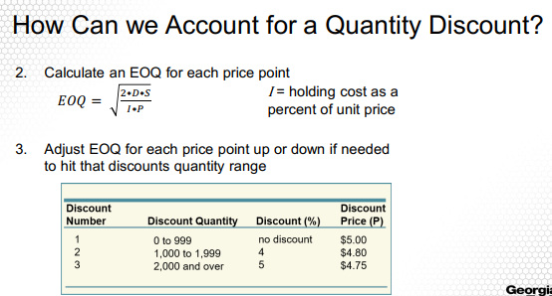

E.O.Q |  | 29.580398915
E.O.Q |  | 300

ETC |  | $562,366.43
ETC2 |  | $544,116.67

Your P changes by discount and that shows in the ETC calculation
that 5% shows in the P directly.

total days |  | 250
total tires in day |  | 1000
lead time |  | 2
sigma |  | 100
z |  | 1.88

ROP |  | 2265.8721497
safety stock |  | 265.87214973

total days |  | 300
annual demand D |  | 6000
Order cost S |  | $30
holding cost H |  | $10
Lead time |  | 4 | days

E.O.Q |  | 189.73665961
ROP |  | 80

