Sheet1
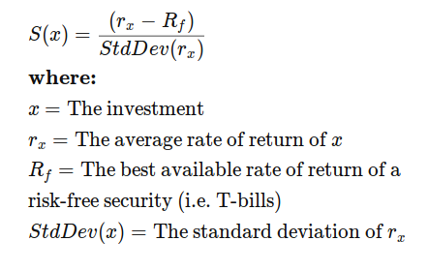
Q2
risk free return | 4%

Fund | Average Return | Standard Deviation |  | sharp ration
Fund A | 18% | 38% | 41.176470588235300% | 36.842105263157900%
Fund B | 15% | 27% | 47.826086956521700% | 40.740740740740700%
Fund C | 11% | 24% | 35.000000000000000% | 29.166666666666700%
S&P 500 | 10% | 22% | 33.333333333333300% | 27.272727272727300%

Q2
 | 2.5 % | 97.5 %
(Intercept) | 2.32376228 | 3.55401646 | 1.23025418
TV | 0.04301371 | 0.04851558 | 0.00550187
Radio | 0.17154745 | 0.20551259 | 0.03396514
Newspaper | -0.01261595 | 0.01054097 | 0.02315692

