Sheet1
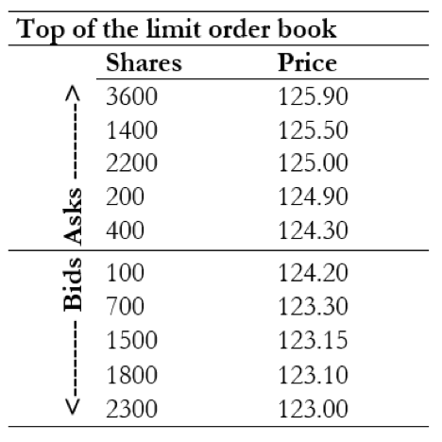
Q2 | https://fadi.el-eter.com/what-is-the-average-fill-price.html

 | average fill price:
 |  | 124.7

Q3
 | total investing money |  | 10000
 | The value when I buy |  | 9940
 | Value when I sell |  | 10735.2
 | sell expense |  | 10649.3184
 | net return |  | 0.06493184

