Sheet1
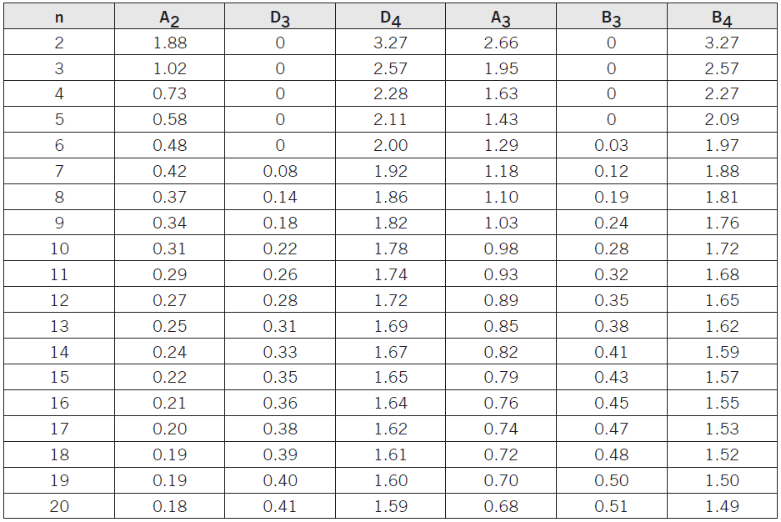
Day | Mean (mm) | Range (mm) |  | R bar | 4.48
1 | 156.9 | 4.2 |  | D4 | 1.78
2 | 153.2 | 4.6 |  | D3 | 0.22
3 | 153.6 | 4.1
4 | 155.5 | 5 |  | UCLr | 7.9744
5 | 156.6 | 4.5 |  | LCLr | 0.9856

 |  |  |  | A2 | 0.31
 |  |  |  | X bar bar | 155.16
 |  |  |  | UCLx bar | 156.5488
 |  |  |  | LCLx bar | 153.7712

 | Weight

Sample | Bar #1 | Bar #2 | Bar #3 | Bar #4 |  | Xbar | Range
1 | 6.3 | 6 | 5.9 | 5.8 |  | 6 | 0.5
2 | 6 | 6 | 6.3 | 5.8 |  | 6.025 | 0.5
3 | 6.3 | 5.1 | 6.1 | 5.9 |  | 5.85 | 1.2
4 | 6.3 | 6.6 | 6.2 | 5.9 |  | 6.25 | 0.7
5 | 6.5 | 6 | 6.5 | 6.9 |  | 6.475 | 0.9

x bar bar | 6.12
R bar | 0.76

UCLr | 1.14
LCLr | 0
UCLx | 6.56
LCLx | 5.84

process mean |  |  | 18 | ounces
standard deviation |  |  | 2.5

17.5 +- 2.5 |  |  | ? |  | CPK
upper specification |  |  | 20 |  | 0.26666666667
lower specification |  |  | 15 |  | 0.4

average life |  |  | 1800
standard deviation |  |  | 100
 |  |  |  |  | CPK
upper specification |  |  | 4200 |  | 8
lower specification |  |  | 600 |  | 4

