Sheet1
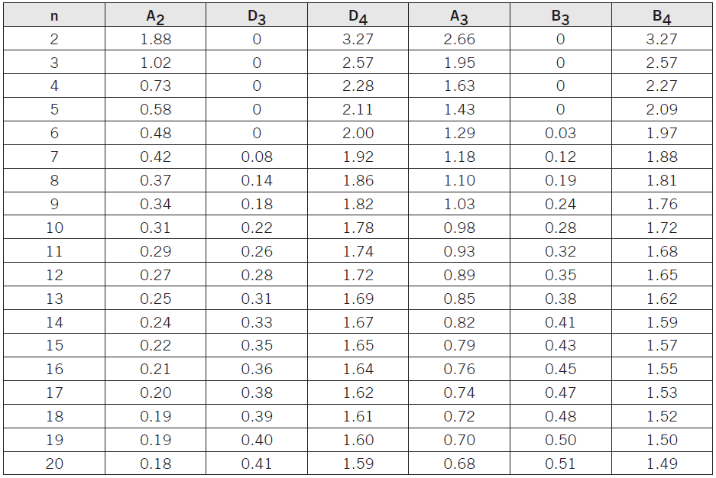
 | Sample Number | Rod lengths (mm)
 |  | (i) | (ii) | (iii) | (iv) |  | mean | range
 | 1 | 144 | 146 | 154 | 146 |  | 147.5 | 10
 | 2 | 151 | 150 | 134 | 153 |  | 147 | 19
 | 3 | 145 | 139 | 143 | 152 |  | 144.75 | 13
 | 4 | 154 | 146 | 152 | 148 |  | 150 | 8
 | 5 | 157 | 153 | 155 | 157 |  | 155.5 | 4
 | 6 | 157 | 150 | 145 | 147 |  | 149.75 | 12
 | 7 | 149 | 144 | 137 | 155 |  | 146.25 | 18
 | 8 | 141 | 147 | 149 | 155 |  | 148 | 14
 | 9 | 158 | 150 | 149 | 156 |  | 153.25 | 9
 | 10 | 145 | 148 | 152 | 154 |  | 149.75 | 9

 |  | A3 | 0.73
 |  | D3 | 0 |  | UCLr | 26.448
 |  | D4 | 2.28 |  | LCLr | 0
 |  | R bar | 11.6 |  | UCLx | 157.643
 |  | x bar | 149.175 |  | LCLx | 140.707

sigma |  | 2
mean |  | 40
 |  |  |  |  | cpk
upper specification |  | 49 |  | cpk | 1.5
lower specification |  | 38 |  |  | 0.33333333333

