Missing Cookie Name
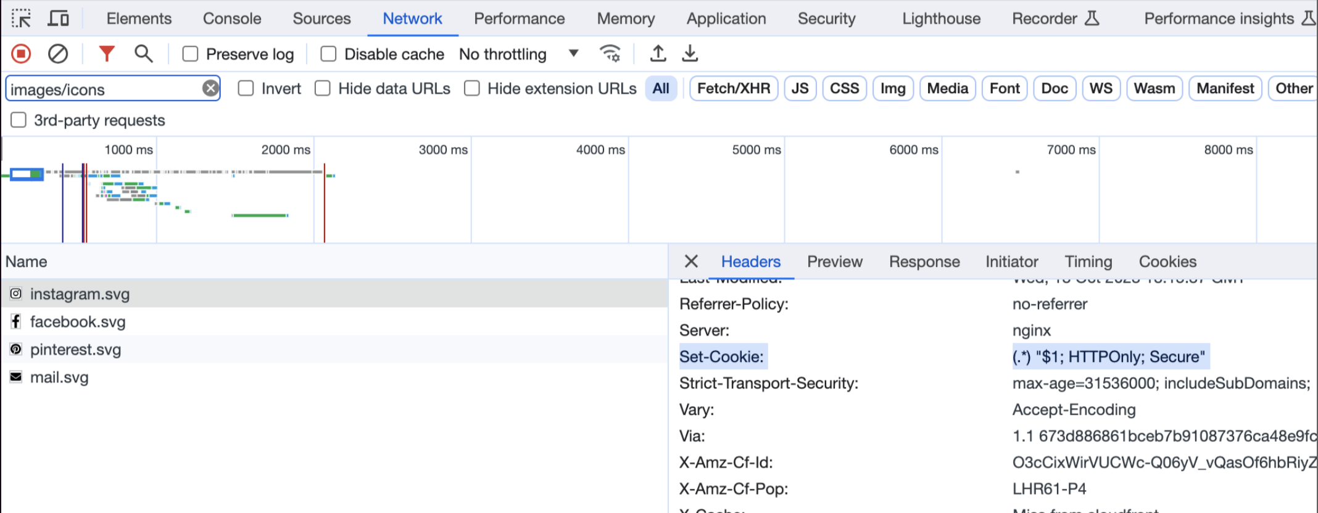
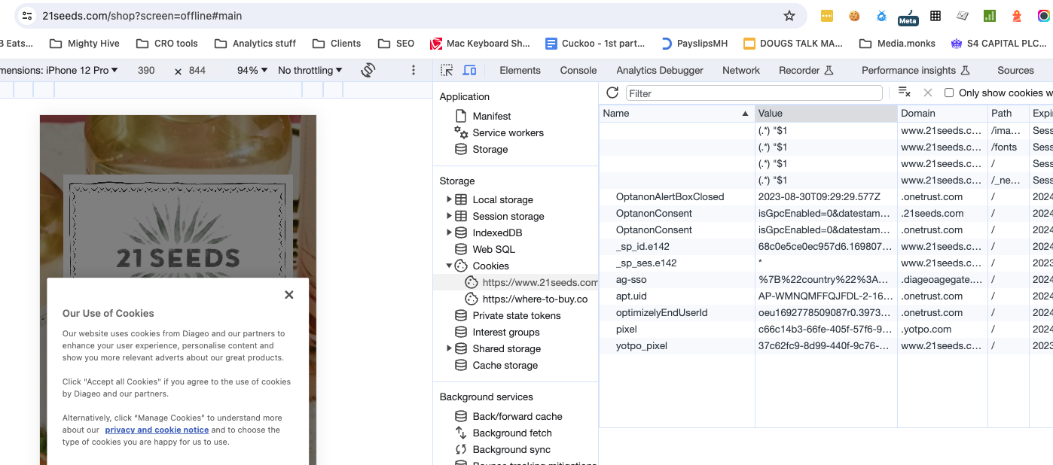
Cookie Name | Cookie ID | Hostname | FOUND ON | AGENCY / COMMENT | LEAD | CONTACT | COMMENTS
 | 02d78eb2-244d-425a-84e1-ab53d38723f1 | www.copperdogwhisky.com | https://www.copperdogwhisky.com/en-row/recipes/berry-rascal/ | Thorium Digital | Chiu Willie | willie.chiu@thoriumdigital.com
 | 8f280ab5-90af-488f-8212-bd2427ddfba0 | www.diageocanadaccupload.com | No longer found on scan - removed from OT | Thorium Digital | Chiu Willie | willie.chiu@thoriumdigital.com | No longer found on scan - removed from OT
 | 1e6593be-4051-4dde-951d-3fceed4db1c2 | www.21seeds.com | https://www.21seeds.com/shop?screen=offline#main | Unclear |  |  | Cookies with no name can be seen on landing on the page (see example from 21seed below 1st screen shot below table) Second screen shot shows that some of these are set server side - the value looks like a regex replacement pattern which indicates that something is wrong with the way this is set up The 3rd screen shot shows the paths of these unnamed cookies (where the resrouces setting the cookie can be found) - they are coming from fonts, images and icons as well as some configuration files and the HTML page itself.
 | 3a63d57a-36e8-4af1-ad9c-75341cc4c655 | www.astraltequila.com | https://www.astraltequila.com/sustainability https://www.astraltequila.com/recipes https://www.astraltequila.com/recipes/strawberry-moon https://www.astraltequila.com/our-process https://www.astraltequila.com/news | Thorium Digital | Chiu Willie | willie.chiu@thoriumdigital.com
 | 4e93ce8e-0bf8-48d7-9ae1-eeffae37edfb | www.casamigos.com | https://www.casamigos.com/en-us/our-tequilas/reposado https://www.casamigos.com/en-us/our-tequilas | Thorium Digital | Chiu Willie | willie.chiu@thoriumdigital.com
 | 02041463-440f-4140-b738-b4224d295359 | www.diageorareandexceptional.com | No longer found on scan - removed from OT | Thorium Digital | Chiu Willie | willie.chiu@thoriumdigital.com
 | eae13290-f6be-4762-820f-f5c9898f1fa1 | www.georgedickel.com | No longer found on scan - removed from OT | Thorium Digital | Chiu Willie | willie.chiu@thoriumdigital.com
 | 36b8b9eb-fc71-4f3b-b468-e8a48b0dd01b | www.donjulio.com | https://www.donjulio.com/where-to-buy?tab=online https://www.donjulio.com/tequila-drinks/the-curtain-call | Thorium Digital | Chiu Willie | willie.chiu@thoriumdigital.com
 | 43ae8b5d-400e-4859-a32b-07827177ed42 | www.guinnessbrewerychicago.co | https://www.guinnessbrewerychicago.co/ | Unsure - Looks like Thorium
 | 8d5f9b5d-d971-4376-ba33-9e03534abea1 | www.mrblack.co | https://www.mrblack.co/us/where-to-buy-single-origin-ethiopia https://www.mrblack.co/us/thingstoknow | Unclear
 | e637eb2c-6db6-4861-aa26-d0ac5eebc088 | www.stitzelwellerdistillery.com | https://www.stitzelwellerdistillery.com/whiskey | Thorium Digital | Chiu Willie | willie.chiu@thoriumdigital.com
 | b41df71d-5847-4fed-a35c-d00761d96af8 | www.zacaparum.com | https://www.zacaparum.com/en-us?agp=true https://www.zacaparum.com/en-us/where-to-buy/shop-online | Unclear

