BugReport
SAS SNDP YOGAM COLLEGE
OS: WINDOWS10 |  |  |  | DATE: 1/1/2023
VERIFIED BY: RAKHI |  |  |  | TESTED BY: ANANDHU MANOHARAN

BUG ID | TEST ID | BUG DESCRIPTION | STEPS TO REPRODUCE | SCREENSHOT | SEVERITY | PRIORITY | STATUS
BUG_SAS_H_01 | SAS_H_01 | Clicking on 'CALL US' button does not direct to call | 1.Click on the link : https://sascollegekonni.in/ 2.Click on "Call Us at 0468 - 2960090, 8281419820, 8547009820" |  | Major | Waiting for developer | NEW
BUG_SAS_H_02 | SAS_H_02 | Clicking on 'Email' button does not direct to mail | 1.Click on the link : https://sascollegekonni.in/ 2.Click on " sassndpyogamcollegekonni@gmail.com" |  | Major | Waiting for developer | NEW
BUG_SAS_H_03 | SAS_H_03 | ' Tc' and 'Conduct certificate'under 'Apply' option is not functional | 1.Click on the link : https://sascollegekonni.in/ 2.Click on "Apply" 3.Click on "TC" and "Conduct Certificate" |  | CRITICAL | Waiting for developer | NEW
BUG_SAS_H_04 | SAS_H_04 | Rather than displaying the latest event the oldest event is displaying first | 1.Click on the link : https://sascollegekonni.in/ 2.Click on "Events" 3.Scroll Down | 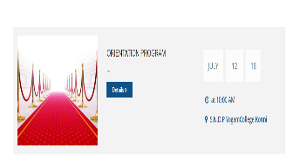 | Major | Waiting for developer | NEW
BUG_SAS_H_05 | SAS_H_05 | There exist some broken pics | 1.Click on the link : https://sascollegekonni.in/ 2.Click on "Events" 3.Scroll Down | 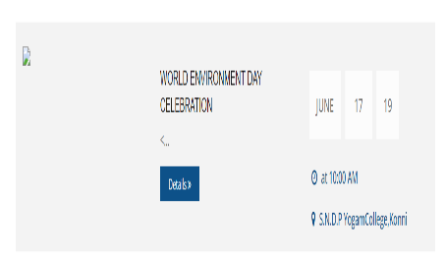 | Minor | Waiting for developer | NEW
BUG_SAS_H_06 | SAS_H_08 | "faculties"Button is broken | 1.Open https://sascollegekonni.in/ 2.Click on Course 3.Click on Msc physics | 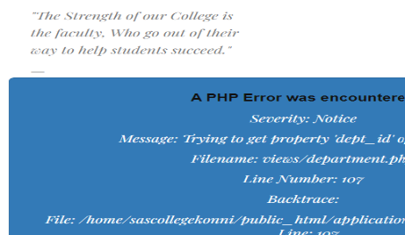 | Major | Waiting for developer | NEW
BUG_SAS_H_07 | SAS_H_10 | Details of the upcoming and previous exams are not available | 1.Click on the link : https://sascollegekonni.in/ 2.Click on "Examination" |  | Major | Waiting for developer | NEW
BUG_SAS_H_08 | SAS_H_13 | There is no validation for phone number | 1.Open https://sascollegekonni.in/ 2.Click on "contact us" option 3. Alternately empty each field and fill the rest of the fields 4.Click on "Send your message button" |  | Major | Waiting for developer | NEW
BUG_SAS_H_09 | SAS_H_14 | Unable to send message through "Contact us" form | 1.Click on the link : https://sascollegekonni.in/ 2.Click on "Contact us" 3.Fill the form 4.Click on "send your message" button |  | Major | Waiting for developer | NEW
BUG_SAS_H_10 | SAS_H_17 | social media icons present in the 'contact page' will not redirecting to the corresponding platform | 1.Click on the link : https://sascollegekonni.in/ 2.Click on "Contact us" 3.Scroll down 4.Click on the social media icons |  | Minor | Waiting for developer | NEW
BUG_SAS_H_11 | SAS_H_21 | No alert for invalid mail id | 1.Click on the link : https://sascollegekonni.in/ 2.Click on "LOGIN" 3.3.Enter mail id 4.Enter password 5.Click submit button |  | CRITICAL | Waiting for developer | NEW
BUG_SAS_H_12 | SAS_H_22 | Login is not functionable | 1.Click on the link : https://sascollegekonni.in/ 2.Click on "LOGIN" 3.3.Enter mail id 4.Enter password 5.Click submit button |  | CRITICAL | Waiting for developer | NEW
BUG_SAS_H_13 | SAS_H_23 | Teaching staff' options under 'staff' contains spelling mistake | 1.Openhttps://sascollegekonni.in/ 2.Click on 'staff' 3.Click on 'teaching staff' 4.Click on 'view' Button under Bindhu prabha 5.Scroll down 6.Read through each and every line |  | Trivial | Waiting for developer | NEW
BUG_SAS_H_14 | SAS_H_24 | Some major details about some of the teaching staff's is missing | 1.Openhttps://sascollegekonni.in/ 2.Click on 'staff' 3.Click on 'teaching staff' 4.Click on 'view' Button under Anusree Anil |  | Major | Waiting for developer | NEW
BUG_SAS_H_15 | SAS_H_25 | Tc,Conduct certificate are not functionable | 1.Openhttps://sascollegekonni.in/ 2.Click on 'Apply' 3.Click on 'Tc' 4.Click on 'conduct certificate' |  | CRITICAL | Waiting for developer | NEW
BUG_SAS_H_16 | SAS_B_11 | Some sub-options under the 'Departments'are not visible in 1920*1080 resolution | 1.Click on the link : https://sascollegekonni.in/ 2.Hover on 'Departments' |  | Minor | Waiting for developer | NEW
BUG_SAS_H_17 | SAS_B_13 | All photos under the 'Department' section are incorrectly alligned | 1.Click on the link : https://sascollegekonni.in/ 2.Hover on 'Departments' 3.Hover on Laboratories 4.Click on Computerlab1 | 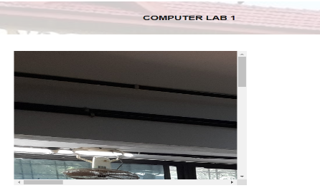 | Trivial | Waiting for developer | NEW
BUG_SAS_H_18 | SAS_B_14 | Basketball court'category under the 'Department' contains image of home page | 1.Open https://sascollegekonni.in/ 2.Hover on Departments 3.Hover on Sports and cultural facilities 4.Click on the second 'Basket ball court' |  | Trivial | Waiting for developer | NEW
BUG_SAS_H_19 | SAS_B_15 | Basket ball court' option is repeated twice | 1.Open https://sascollegekonni.in/ 2.Hover on Departments 3.Hover on Sports and cultural facilities | 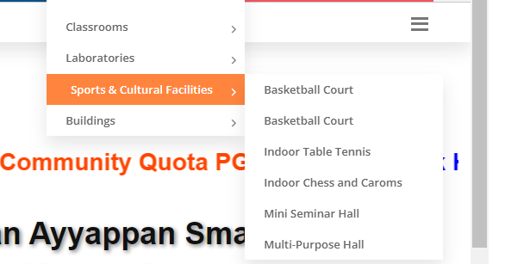 | Minor | Waiting for developer | NEW
BUG_SAS_H_20 | SAS_B_17 | Research projects page ,seminar and Achivements page under 'research and publications' doesn't contains any data | 1.Open https://sascollegekonni.in/ 2.Hover on "research and publicatons" 3.Click on 'Research projects" 4.Click on 'Achievements' |  | Major | Waiting for developer | NEW
BUG_SAS_H_21 | SAS_B_19 | Student Scholarships page under 'student support' is blank | 1.Open https://sascollegekonni.in/ 2.Click on 'student scholarships' under "Student support" |  | Major | Waiting for developer | NEW
BUG_SAS_H_22 | SAS_B_20 | Not able to see all the options in the list under "Student support' in 1920*1080 resolution | 1.Open https://sascollegekonni.in/ 2.Hover on "Student support" |  | Minor | Waiting for developer | NEW
BUG_SAS_H_23 | SAS_B_21 | 'Student support section''s suboption contains incorrectly aligned images | 1.Open https://sascollegekonni.in/ 2.Hover on "Student support" 3.Hover on 'facilities' 4.Click on 'Chief examiners room' |  | Trivial | Waiting for developer | NEW
BUG_SAS_H_24 | SAS_B_25 | some sub-options under 'naac' doesnot contains any data | 1.Openhttps://sascollegekonni.in/ 2.Click on each sub options under "NAAC" |  | Major | Waiting for developer | NEW
BUG_SAS_H_25 | SAS_B_27 | Mission and vision have a broke image | 1.Openhttps://sascollegekonni.in/ 2.Hover on "about" 3.click on "mission and vision" |  | Minor | Waiting for developer | NEW
BUG_SAS_H_26 | SAS_B_28 | Some of the departments under "departments" doesnot contain head person's details | 1.Openhttps://sascollegekonni.in/ 2.Hover on "departments 3.click on physics/Hindi |  | Minor | Waiting for developer | NEW
BUG_SAS_H_27 | SAS_B_29 | "Self finance" is written as "Sef finance" | 1.Openhttps://sascollegekonni.in/ 2.Hover on "departments 3.click on physics |  | Trivial | Waiting for developer | NEW
BUG_SAS_H_28 | SAS_B_30 | Orange selection is not switching | 1.Openhttps://sascollegekonni.in/ 2.Hover on departments 3.Click on Business administartion |  | Enhancement | Waiting for developer | NEW
BUG_SAS_H_29 | SAS_B_31 | There exist unnecessary right dropdowns | 1.Openhttps://sascollegekonni.in/ 2.Hover on research and publications 3.Hover on "research promotion council" |  | Enhancement | Waiting for developer | NEW
BUG_SAS_H_30 | SAS_B_32 | There exist some error in academics | 1.Openhttps://sascollegekonni.in/ 2.Hover on "Academics" 3.Hover on "Feedback" 4.Click on "Student statisfaction survey" 5.Hover on "Academics" |  | Major | Waiting for developer | NEW

Defect distribution
DEFECT DISTRIBUTION

 | SECTION NAME | DEFECT DISTRIBUTION
 | Head section | 15
 | Body Section | 15
DEFECT DISTRIBUTION CHART

