problem
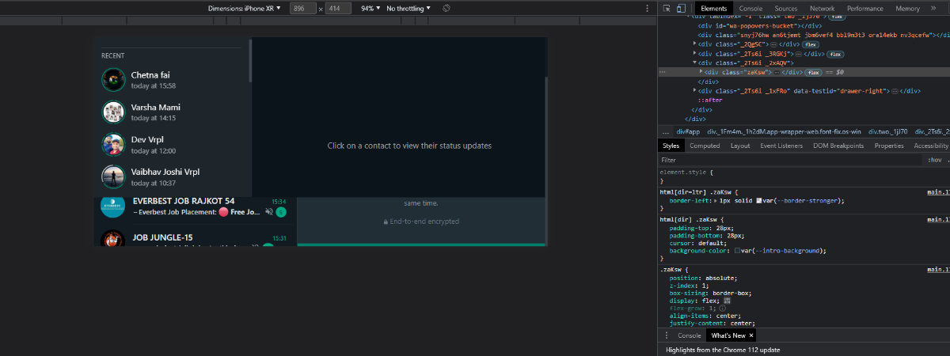
Checking the responsive testing for whatsapp web , defect occuring while using it. It clearly shows the problem in integration of two module (1) chat page and (2) status page

Defect-report
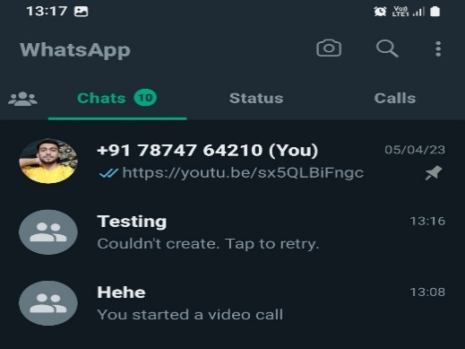
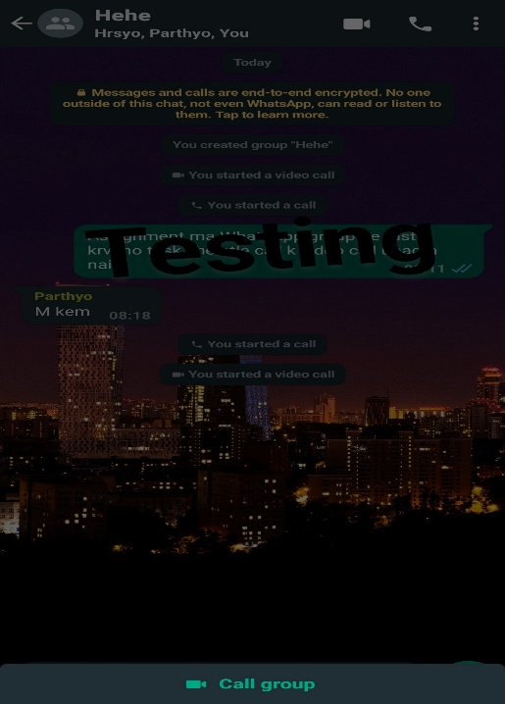
Defect ID | Defect Summary | Reproduced Step | testdata | Defect Types | Defect Severity | Defect Priority | expected result | actual result
1 | Check new group generate functionality without internet | 1) turn off internet 2) open whatsapp account 3) create new group |  | functionality | Low | Low | it should create group | new group does not create | 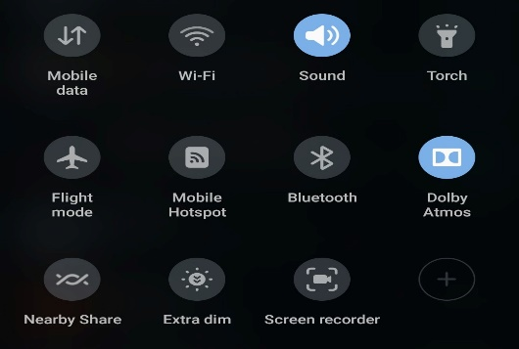
2 | Check the maximum limit of add member in group | 1) open whatsapp account 2) create new group 3) add 1024th member in group |  | functionality | High | Low | it should add member in group | it does not add more members
3 | Check the functionality of voice call to selected member of group | 1) open whatsapp account 2) open group 3) select voice call |  | functionality | High | medium | it should show select member option for voice call | cant do voice call to selected member of group
4 | Check the functionality of video call to selected member of group | 1) open whatsapp account 2) open group 3) select video call |  | functionality | High | medium | it should show select member option for video call | cant do video call to selected member of group
5 | Check the quality select option of video call functionality | 1) open whatsapp account 2) open group 3) start video call |  | functionality | moderate | low | it should show option of quality selection | there is no option of select quality of video call

