Dashboard
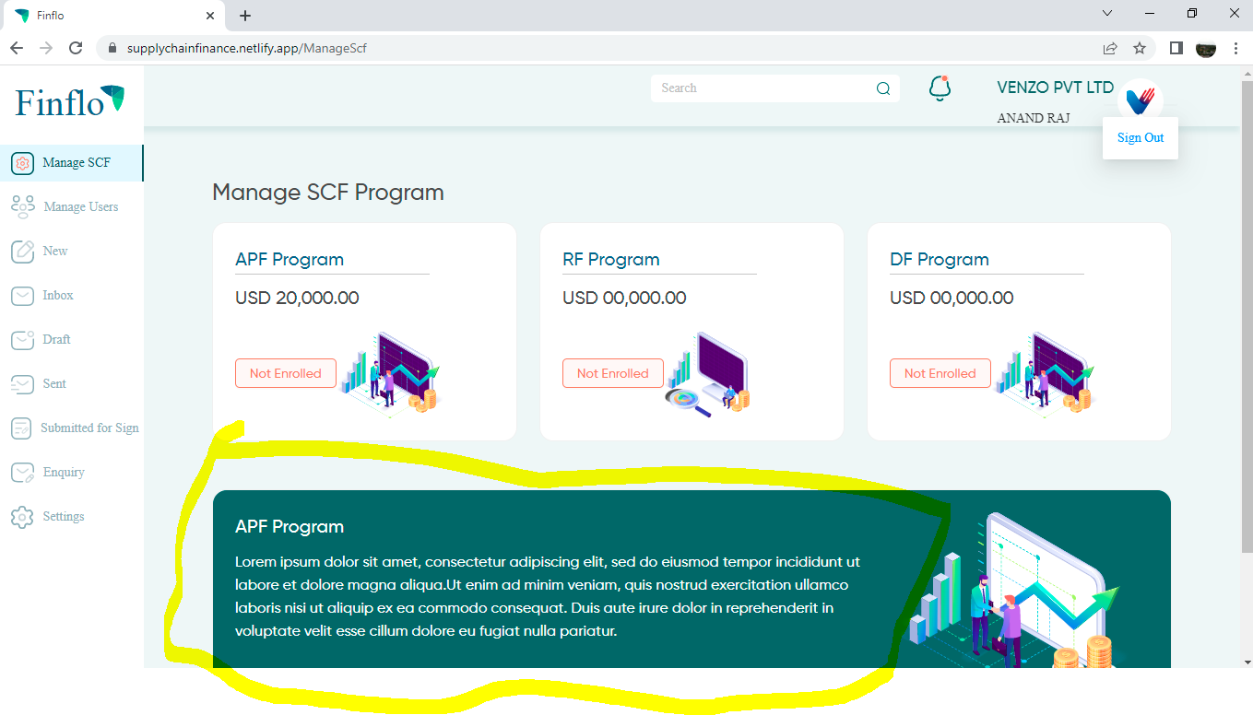

1.The program narration is appearing in a foreign language how is it controlled?

Field Validations
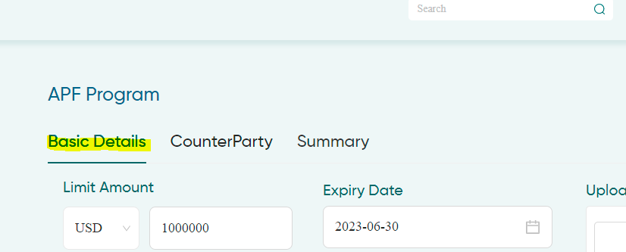

Can rename Basic details into Limit Details

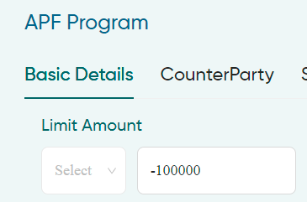
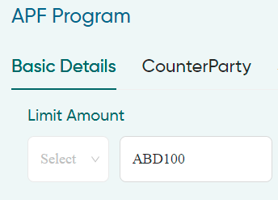
Limit Amount - mandatory

It Should be numberic field and negative value should not be accepted

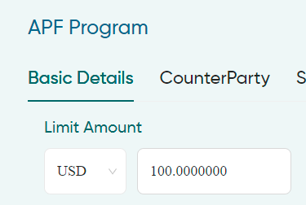
CURR and AMOUNT - Mandatory
Below is nice to have feature since we are allowing all currency input else we can cotroll it at the time of implementation
Except for KWD and JPY the decimal should only be 2 digits

For JPY,CVE,GNF,IDR,KMF,KRW,PYG,RWF,UGX,VND,VUV,XAF,XOF,XPF no decimal should be allowed
For KWD,BHD,IQD,JOD,LYD,OMR,TND it should be 3 decimals

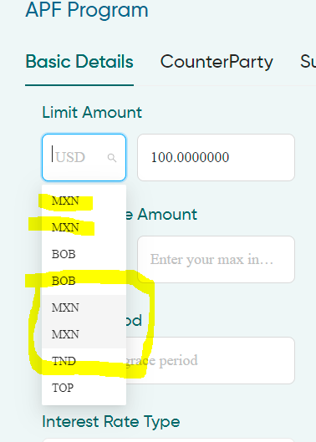
I have key in USD intially and wanted to change it hence I have deleted
after deletion I am seeing duplication in the dropdown and MXN is appearing
as selected which should be USD

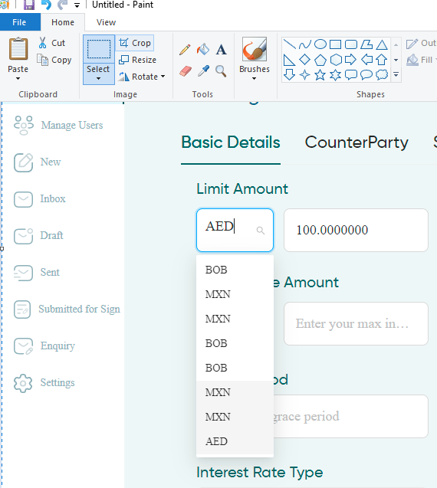
I have entered AED and the record is selected but when I tab out it is
defaulting to USD again
System is expecting user to select the CURR from the dropdown
When a curr is entered and selected upon tap out it should be picked

The sign out option is not disappearing when I click on any other field or
anywhere on the screen

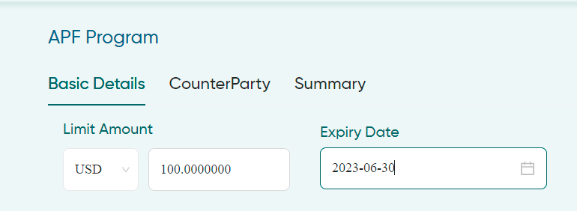
Expiry Date - Mandatory
System should not allow the user to enter past date
How the date format is decided and why by default it is apppearing in this format
Standard preferred whould be DD-MM-YYYY and can be controlled by user
preference option

It will be nice if we show the date format to be entered here YYYY-MM-DD
instead of select date

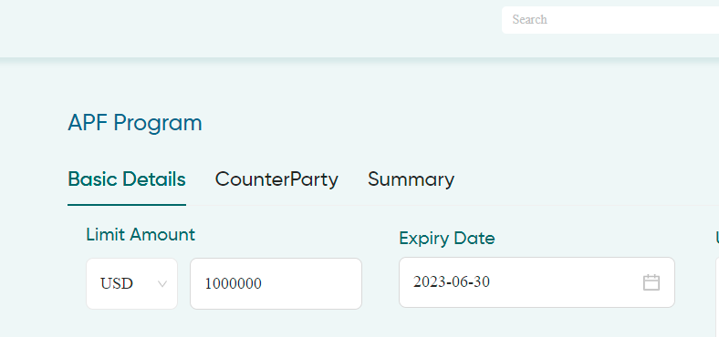
When tap out the amount to show the amount in 1,000,000.00 based on CURR or
user preference

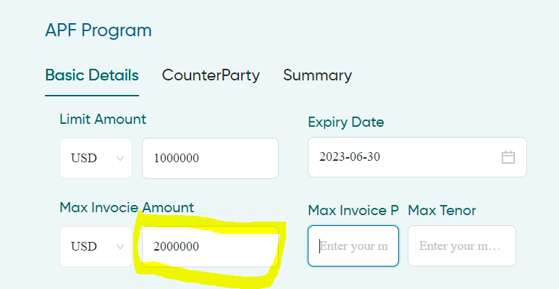
Max Invoice Amount - optional
Field should be numeric and not allow negative value
System should not allow the user to enter max invoice amount greater than
limit amount

Limit amount and invoice curr should be same if we do not going to allow the user to
select other CURR and maintain exchange rate

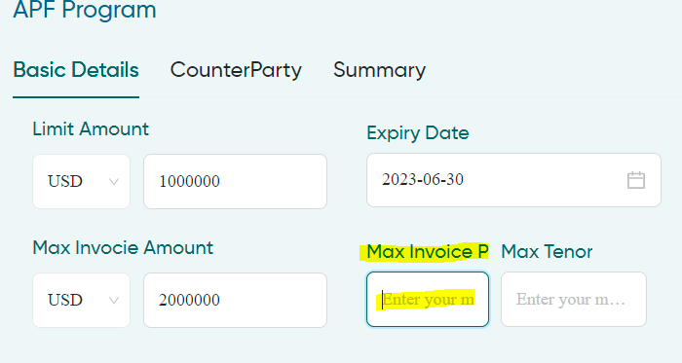
Optional
Max Invoice PCT should appear or Max Inv. PCT. Or Max Invoice %

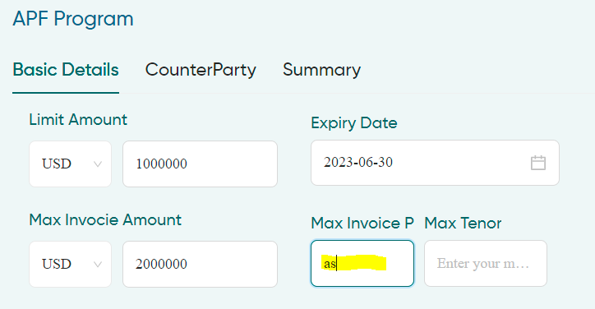
Optional
Max Invoice PCT should be numberic

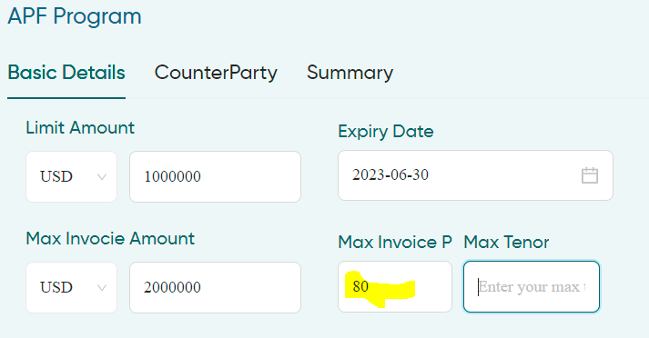
Nice if it is appearing as 80%

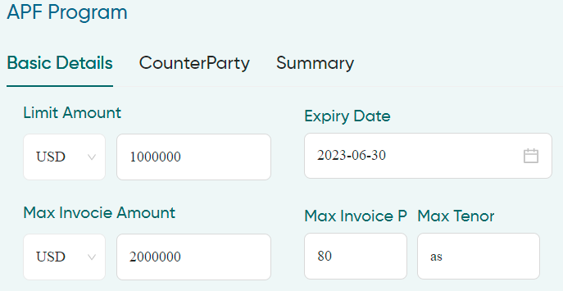
Mandatory
Max tenor should be numeric and should not allow negative value

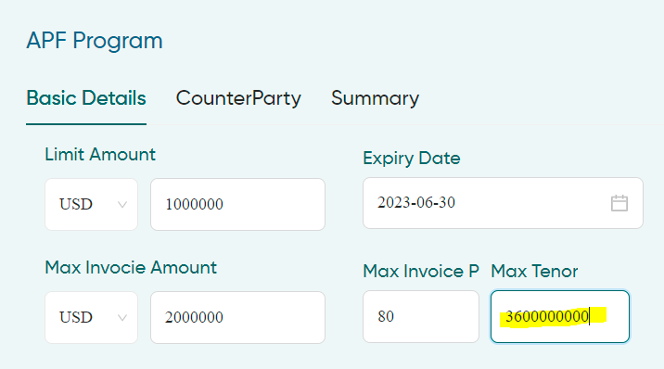
Restrict it to 3 digits

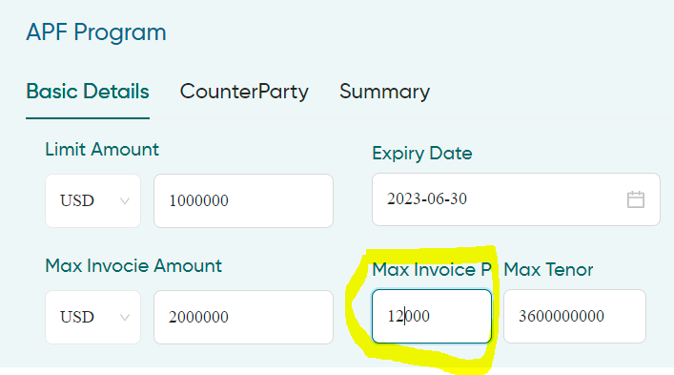
Restrict it to 3 digits and should allow to enter more than 100

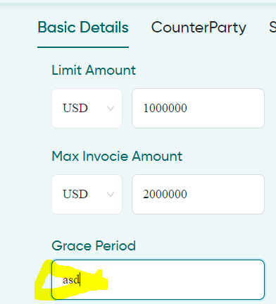
mandatory
Grace Period Should be numeric field and restrict it to 2 digits

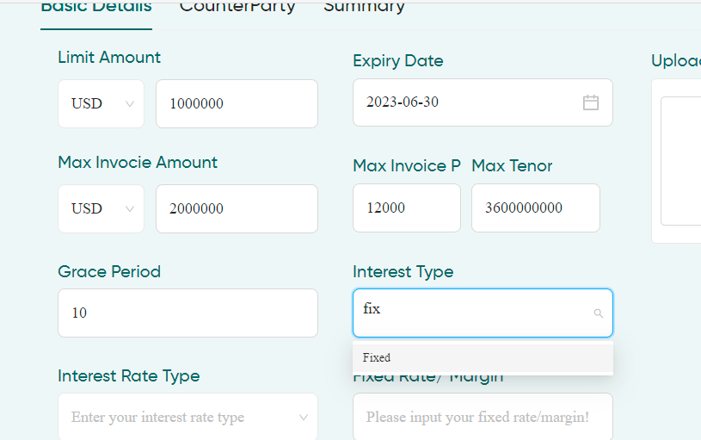
mandatory
Interest type when fix is entered and tapped out fixed should be appear
System expects the user to select fixed

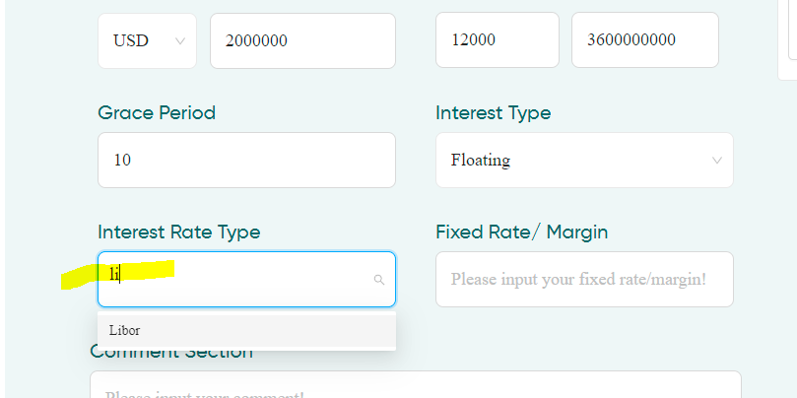
mandatory if floating is selected
Interest Rate type when LI is entered and tapped out Libor should be appear
System expects the user to select Libor

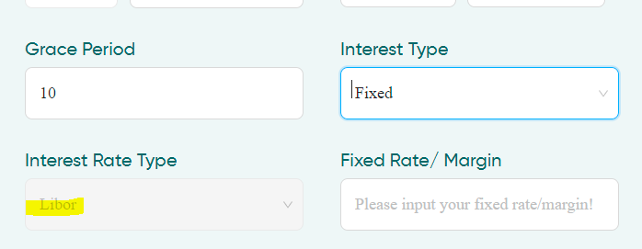
I have selected Floating erlier and changed it to Fixed system shows libor in
Interest Rate type

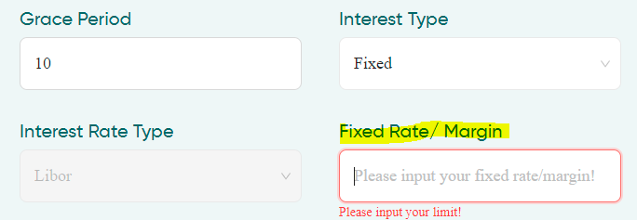
Fixed Rate/Margin - Mandatory
We may have 2 fields here
1.For entering the Fixed rate
2.For entering Libor margin which will be mention in BPS
otherwise we have intruct to enter Margin in decimals E.g. 30 BPS to be entered as
0.3
Why it say Please input your limit here

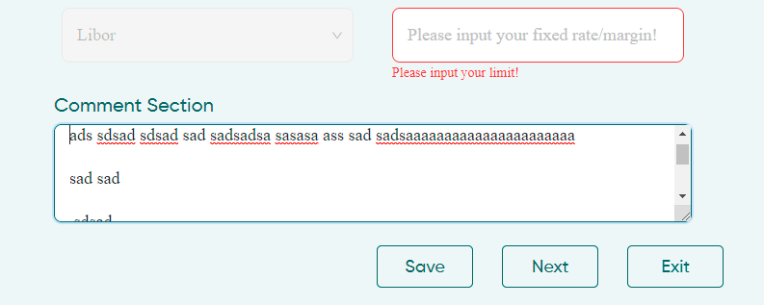
Comments Section Optional
Entered text to appear in next line without single line spacing

07Jun22
Basic details
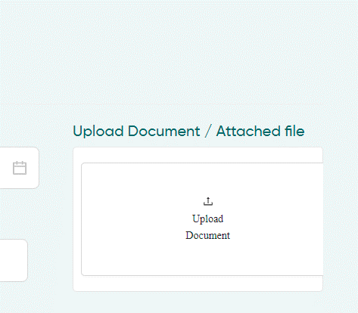
I am not able to upload documents
Once I upload system is not giving any indication of whether it is uploaded or not

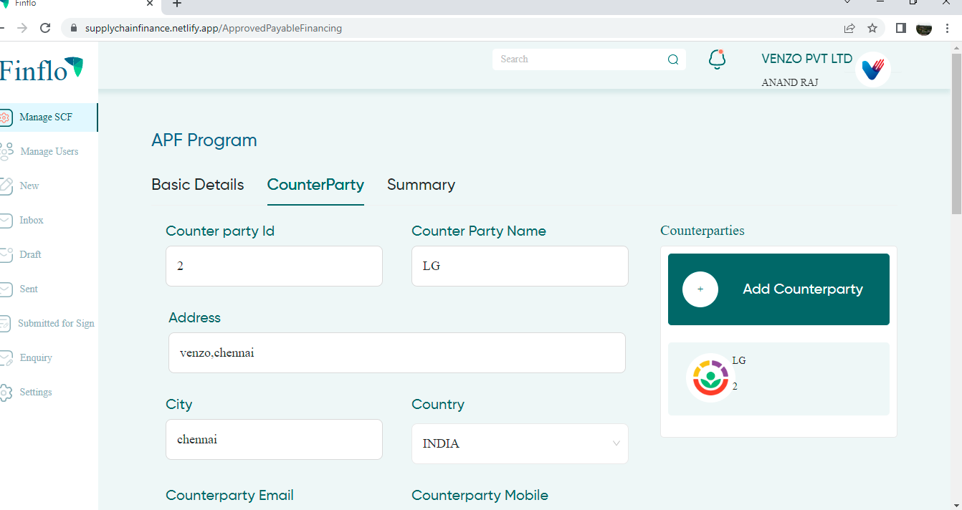

Counter Party

When I clicked on the existing counter party it shows the details of the party but
I am not able to clear the fields to add another party

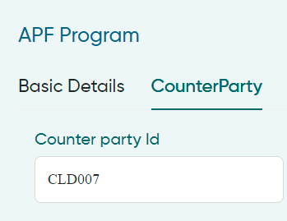
Counter party ID Optional
This field should be optional field and allow alphanumeric value

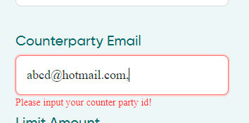
CP email - Optional
When a seperateor , is entered system throws error please enter ur counter party id.
Either it should allow the user to use , as separator or to suggest the accepatble separator

The field length is only 86 characters which may not sufficient to enter 3 to 4 email IDs

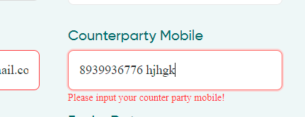
CP Mobile Optional
Field should be numeric
will better if it defaults the country code based on country selection and validate the mobile number digits
Eg For India +91 10 digits of mob no.

Option to enter more than 1 mobile number with separator

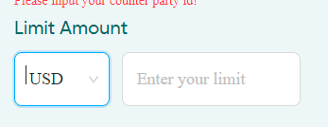
Limit amount mandatory
Should allow the currecny of limit in Basic details unless exchange rate option is maintained for
customer module

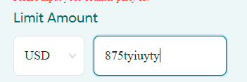
Limit Amount
It Should be numberic field and negative value should not be accepted

Expiry date Optional
Should not allow past date

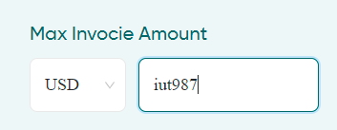
max invoice amount - Optional
Should not excced limit amount and numberic field

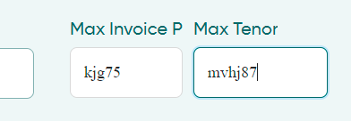
max inv % Max tenor - Optional
Should not exceed overall max invoice and tenor in basic details and should be numberic

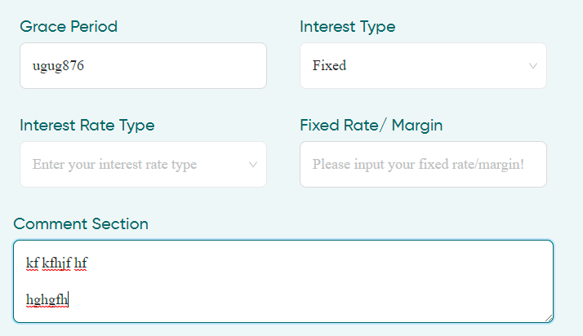
Grace period Optional
For the fields please follow instruction in Basic details
Int type Optional
Int Rate type conditional based on interest rate type
Fixed rate.margin conditional based on Interest type

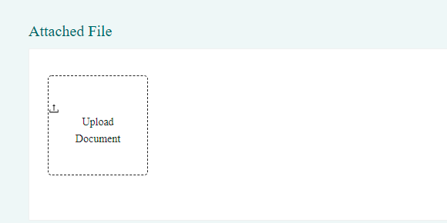
Unable to upload files and does not give any status update
The uploaded file details to appear in a list below

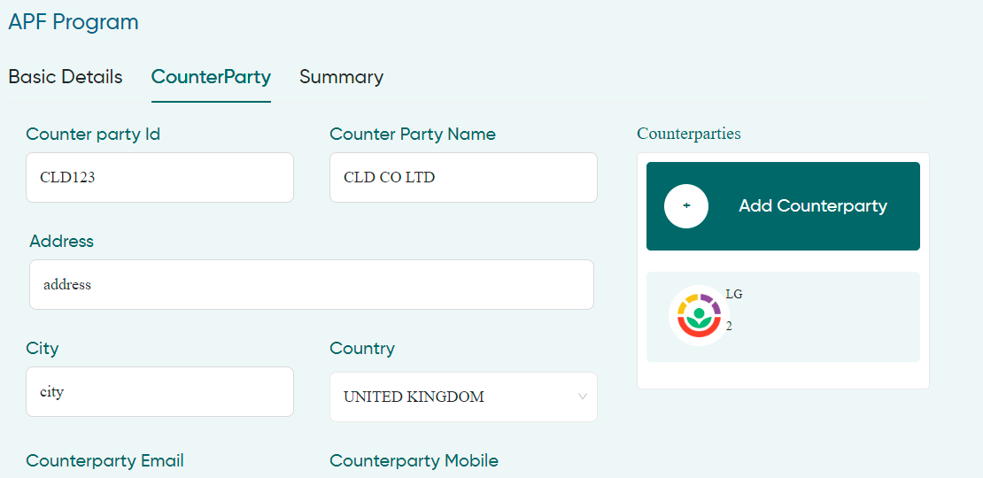
After entering the details I clicked on add system is not responding and adding the party

Summary

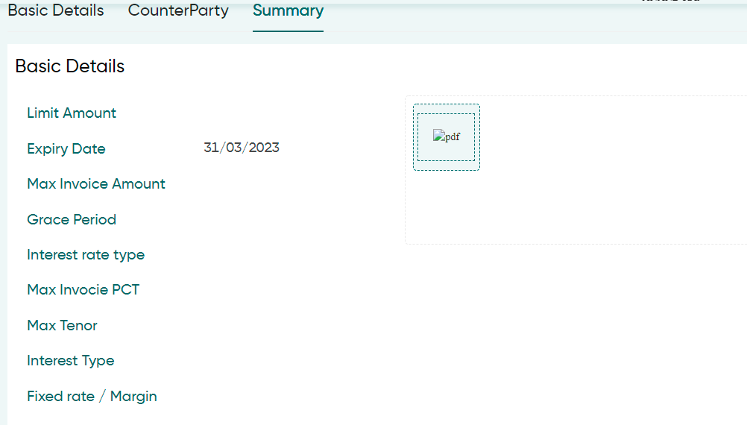
details entered in Basic details should appear here and list of docs attached to appear in PDF column

added Counter party details not appearing

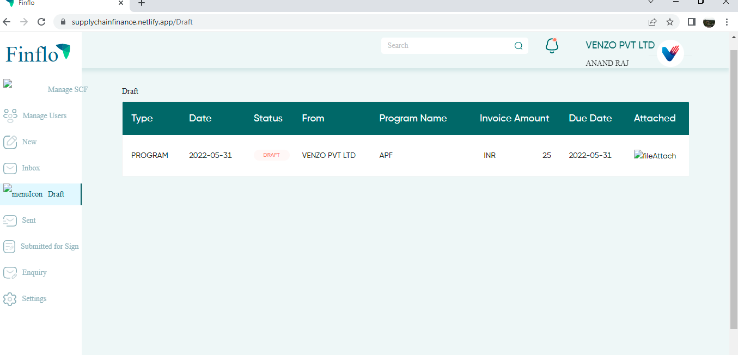
When I clicked on Drafts the page menu is not appearing correctly
I have saved my data entered bt it is not appearing in the list

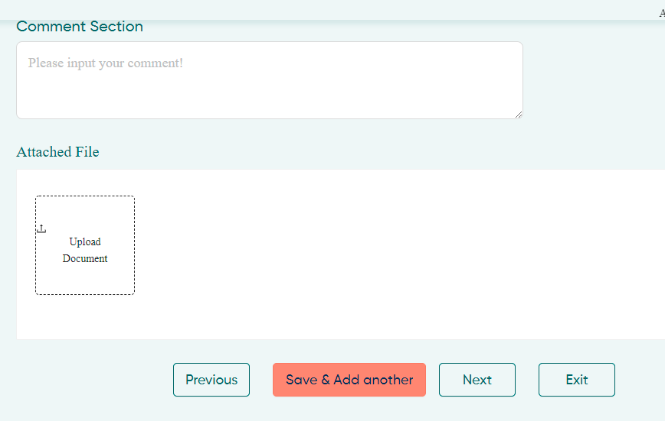
Save and add another is not working

