Sheet9
https://ap-southeast-1.quicksight.aws.amazon.com/sn/account/pocketfm/dashboards/3542d13a-5320-4528-b89b-b6fb382f2de1/views/78e37541-7db5-4810-966d-ac2d8ee91c28

PRoduction status automate
ER Targets

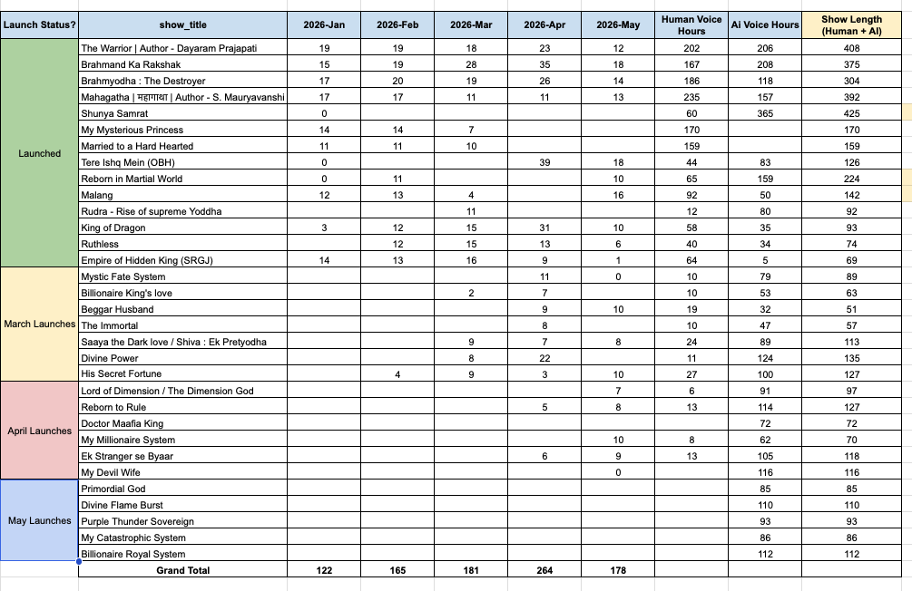

 |  | Scripting Dates
 |  | Release Dates
 |  |  |  | 267
 |  | Show ID | Final Ep (Tues) | Ep Count |  |  | P0
 |  | 5066c0736f9e9444f2b4da840d6860b1f7f47d11 | 788 | 37
 |  | b9727274f880f47671ad54caad4904a491fad9c7 | 843 | 42
 |  | 5baf4c80faf4b2d4eb9401a1d0081872e0158e89 | 814 | 24
 |  | 96f1f89e4494e06fb7f9e3c4645563fa62ef9320 | 215 | 16
 |  | 641b6f77fd211e92df35a3bcbab67e6879e19a66 | 1050 | 30
 |  | bb6f447c782519839d8793fda0d35f90bad4421a | 186 | 15
 |  | 394d109f7b50d9a46fb591dbaaba2d0aac90a696 | 244 | 1
 |  | 7ea3277f02ef13c60cfa72336d009bf7ee6c17e8 | 98 | 20
 |  | aab7b2fa6301b585dcebf9ec60cf4371307ad469 | 241 | 29
 |  | 017fddbaa7617afdd8289be5c433df09dcde1da2 | 139 | 23
 |  | 54847eda0794e861da74c1034ace021b4643357b
 |  | 5a7d21f6ad9df12be70cd9439dd850c36627991d | 56 | 10
 |  | 9afaea00813dcb4fc57a46df70a2e3e1066af919 | 34 | 20
 |  |  |  | 0

Remarks in scripts er prod
Deck view for monthly numbers |  |  | toggle | Scripts | ER | Prodcution
 |  |  | Columns months
 |  |  | Rows show
 |  |  | Show launch date

Weekly | https://ap-southeast-1.quicksight.aws.amazon.com/sn/account/pocketfm/dashboards/3542d13a-5320-4528-b89b-b6fb382f2de1/views/26bfe208-56ee-4aeb-8018-4166cf00bb08

