play_tennis
day | outlook | temp | humidity | wind | play | Problem statement
D4 | Rain | Mild | High | Weak | Yes | Outlook, temp, humidity, wind are independent variables
D5 | Rain | Cool | Normal | Weak | Yes
D6 | Rain | Cool | Normal | Strong | No
D10 | Rain | Mild | Normal | Weak | Yes
D14 | Rain | Mild | High | Strong | No
 |  |  |  |  |  | ID3:
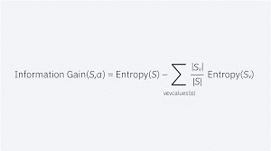
 |  |  |  |  |  | 2 formulas: 1. Entropy & 2. Information Gain

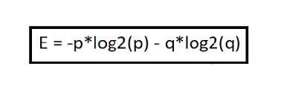
D15 | Sunny | Hot | Normal | Weak | Yes/ No

