sales_Dashboard
Revenue by Product Category
Revenue by Gender
 |  | ONLINE RETAIL SALES ANALYTICS DASHBOARD
Product Category Sales |  |  | Gender-wise Sales

Row Labels | Sum of Total_Amount |  | Row Labels | Sum of Total_Amount
Clothing | 21800 |  | Female | 98000
Electronics | 127000 |  | Male | 55800
Groceries | 5000 |  | Grand Total | 153800
Grand Total | 153800

Monthly Revenue Trend
Top Performing Customers
Monthly Sales Trend |  |  | Top Customers

Row Labels | Sum of Total_Amount |  | Row Labels | Sum of Total_Amount
Jan | 17400 |  | 107 | 72000
Feb | 23400 |  | 104 | 40000
Mar | 7000 |  | 101 | 15000
Apr | 60000 |  | 105 | 9000
May | 4500 |  | 108 | 8000
Jun | 1500 |  | 102 | 4800
Jul | 36000 |  | 106 | 3000
Aug | 4000 |  | 103 | 2000
Grand Total | 153800 |  | Grand Total | 153800

SQL_Queries
ONLINE RETAIL SALES ANALYSIS – SQL QUERIES
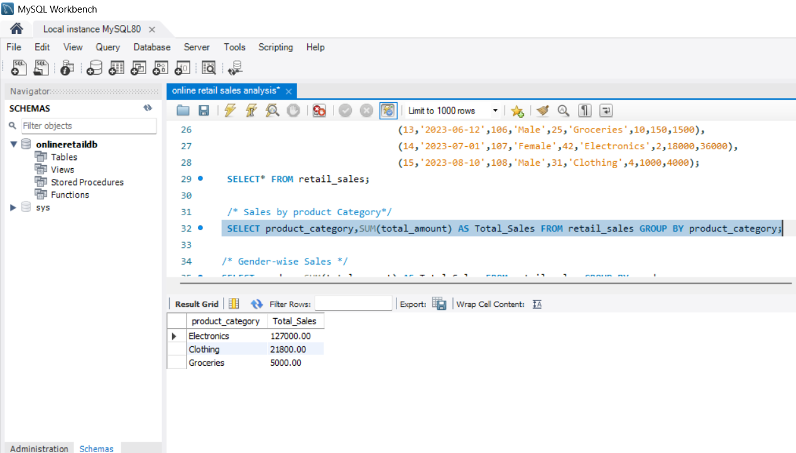
Query Purpose | SQL Query | Output Description
Product-wise Revenue | SELECT Product_Category, SUM(Total_Amount) AS Revenue FROM retail_sales GROUP BY Product_Category; | Determines which product categories generate the highest revenue.

Monthly Sales | SELECT MONTH(Order_Date) AS Month, SUM(Total_Amount) AS Monthly_Revenue FROM retail_sales GROUP BY MONTH(Order_Date); | Analyzes month-wise sales revenue to identify sales trends over time. | 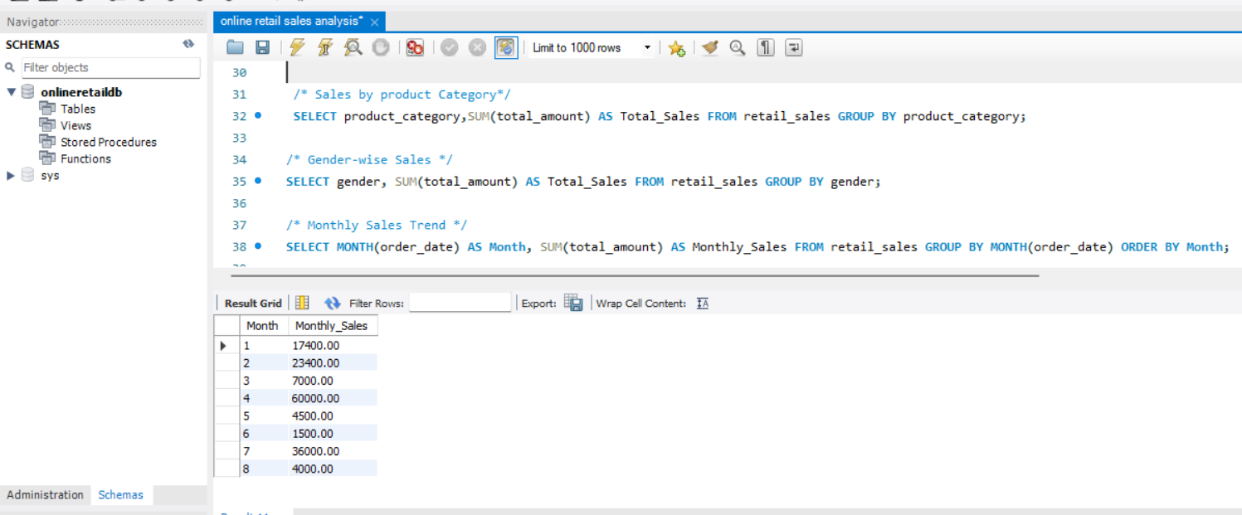

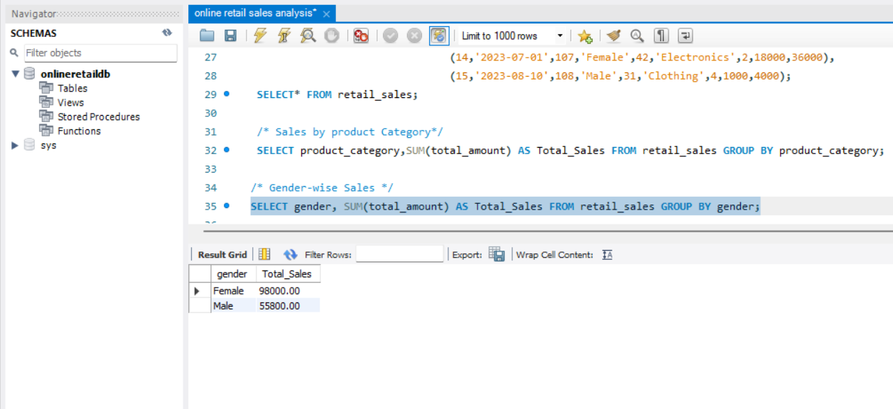
Gender-wise Sales | SELECT Gender, SUM(Total_Amount) AS Revenue FROM retail_sales GROUP BY Gender; | Compares revenue contribution based on customer gender.

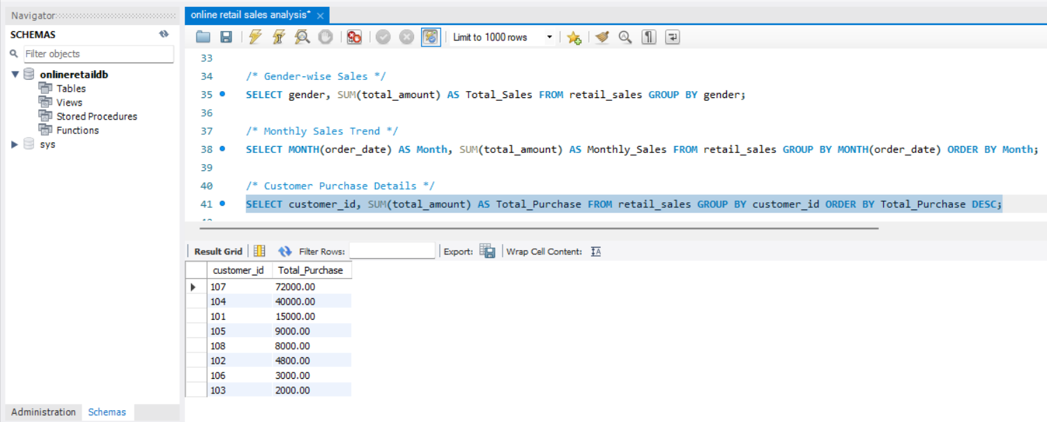
Top Customers | SELECT Customer_ID, SUM(Total_Amount) AS Total_Spent FROM retail_sales GROUP BY Customer_ID ORDER BY Total_Spent DESC; | Identifies customers who spent the highest amount on purchases.

