Charts
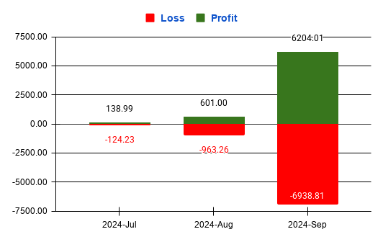
Actual Funds
Monthly Profit
 | Gain | Loss

