Memory_Mapping
PP4G Mainstream (S12Z) |  |  | PP4G Extended (S32K144 - 48k RAM)

@ | Memory | Size | @ | Memory | Size (kB)
 | FLASH |  | PROGRAM FLASH (or CODE FLASH)
0x00FD 0000 | SW Application | 192k | 0x0000 1000 | E2P Param / NVFlex | 4 |  | 520

0x00FF 6FFF |  |  | 0x0000 1FFF
0x00FF 7000 | Calibration |  | 0x0000 2000 | Calibration | 4

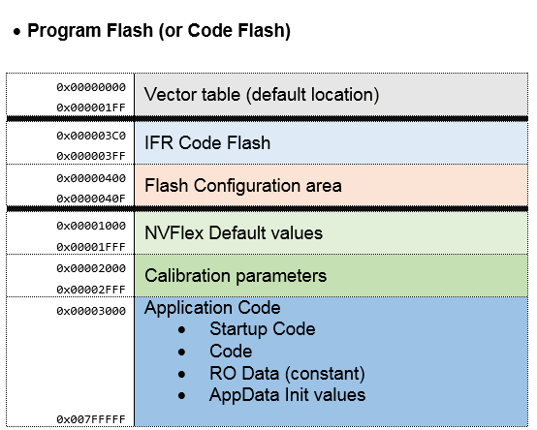
0x00FF 77FF |  |  | 0x0000 2FFF |  |  |  |  | Steering Wheel (S32K144 - 48k RAM)
0x00FF 7800 | E2P Param |  | 0x0000 3000 | SW Application | 512

0x00FF 7FFF |  |  | 0x0007 FFFF
 | RAM
0x1000 | E2P RAM Mirror | 12 k | DATA Flash / EEPROM-FEE
 |  |  | 0x1000 0000 | ClusterGroup 0 | 32 |  | 64
0x17FF |  |  |  | (calib, logistic, serial loc, dynamic E2P)
0x1800 | RAM appli ↓ |  |  | CLUSTER 0
 |  |  | 0x1000 7FFF
 |  |  | 0x1000 8000 | ClusterGroup 0 | 32
0x2F00 | Stack ↑ |  |  | (calib, logistic, serial loc, dynamic E2P)
0x2FC4 | RAM NO INIT
 |  |  |  | CLUSTER 1
0x2FFF |  |  | 0x1000 FFFF
0x3000 | RAM NOT USED due to design choice

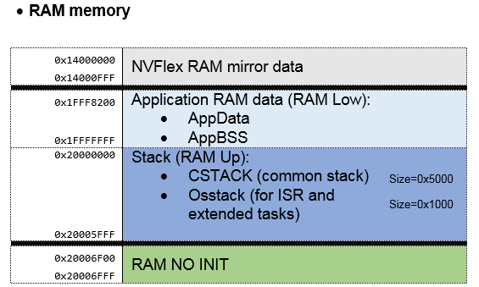
0x3FFF |  |  | RAM
 |  |  | 0x1400 0000 | E2P RAM Mirror / NVFlex RAM | 4 | 32 | 48
0x0010 7000 | Dynamic E2P
0x0010 7FFF |  |  | 0x1400 0FFF |  |  |  |  |  |  |  | 4 | k
 |  |  | 0x1FFF 9000 | Application RAM data (RAM Low) ↓ | 28
 |  |  |  |  |  |  |  |  |  |  | 31 | k
 |  |  | 0x1FFF FFFF
 |  |  | 0x2000 0000 | * Cstack (Size = 0x2300) |  | 16
 |  |  |  | * Os stack (Size = 0x0D00) |  |  |  |  |  |  |  | k
 |  |  |  |  | 12 |  |  |  |  |  | 24
 |  |  | 0x2000 2FFF | Stack (RAM Up) ↑
 |  |  | 0x2000 3F00 | RAM NO INIT | 256 bytes |  |  |  |  |  |  |  | 28 k

 |  |  | 0x2000 3FFF |  |  |  |  |  |  |  | 256 bytes
 |  |  |  |  | 47

 |  |  | RAM appli up @ = 0x1FFF FFFF - 6FFF (28k) = 0x1FFF 9000 |  |  |  | 28 k = 28*1024 = 28672 = 0x7000 |  | between ram no init und Stack RAM : 0x6F00 - 0x5FFF = 0xF01 | 59

 |  |  | RAM No init up = 0x2000 0000 + 3FFF (16k) = 0x2000 3FFF |  |  |  | 16k = 16*1024 = 16384 = 0x4000
 |  |  | RAM No init low = 0x2000 3FFF - FF (256bytes) = 0x2000 3F00

 |  |  | Stack RAM up = 0x2000 3F00 - F01 = 0x2000 2FFF

 |  |  | STACK configuration (Stack size = 0x3000 = 12 kB)
 |  |  | Os stack (Isr cat II + extended task - ISR Cat I) :
 |  |  | 2 ADC Isr
 |  |  | 4 CAN Isr
 |  |  | 1 TIMER Isr
 |  |  | 1 extended task
 |  |  | Os stack size: | 3200
 |  |  |  | 0xC80
 |  |  | round up: | = 0xD00
 |  |  | C stack size | 0x3000 - 0xD00
 |  |  |  | = 0x2300

NVM-FEE_Clusters
NVM Blocks Configuration |  |  |  |  |  | FEE Blocks Configuration
 |  |  |  |  |  | 64 kB FEE = 32 sectors of 2 kB |  |  |  | Minimal FEE Block Size = 16 bytes --> FEE block size is aligned on 16 bytes |  |  |  |  |  | E2P Start address: |  | 0x 1000 | 0000
 |  |  |  |  |  |  |  |  |  |  |  |  |  |  |  | E2P End address: |  | 0x 1000 | FFFF
Index | NVM | BlockID / BlockBaseNumber |  | NvM Block Size (bytes) | PP4G Mainstream subclusters | Index | FEE | FEE Block Number | FEE Block Size (bytes) | New Clusters configuration
0 | NvMBlock_ConfigID | 1 | 0x01 | 2 | not in the NVP_Layout | 0 | FEE_BLOCK_CONFIG_ID_CALIB_1 | 0x10 | 16 |  |  | Dec | Hex @
1 | NVM_BLOCK_DEM_DEFAULT | 2 | 0x02 | 372 |  | 1 | FEE_BLOCK_CONFIG_ID_CALIB_2 | 0x11 | 16 | Cluster Group 0 | cluster group 0 | 0 | 0x 1000 | 0000 | Cluster 0 | Sector 0 | 32 kB
2 | NVM_BLOCK_FBL_PROG_REQ_FLAG | 3 | 0x03 | 1 | Subcluster 1: Persistent data (never change in term of size and layout) Parameters that resist to flash: Bootloader data / Manufacturing data / logistic / etc … | 2 | FEE_BLOCK_DEM_DEFAULT | 0x020 | 384 |  |  |  |  |  |  | Sector 1
3 | NVM_BLOCK_FBL_RST_RESP_FLAG | 4 | 0x04 | 1 |  | 3 | FEE_BLOCK_FBL_PROG_REQ_FLAG | 0x030 | 16 |  | calibration |  |  |  |  |  |  |  | TRESOS Configuration
4 | NVM_BLOCK_FBL_VALIDITY_FLAGS | 5 | 0x05 | 1 |  | 4 | FEE_BLOCK_FBL_RST_RESP_FLAG | 0x040 | 16 |  | logistic |  |  |  |  |  |  |  | Cluster groups | Clusters | Sectors
5 | NVM_BLOCK_FBL_APPL_VALIDITY | 6 | 0x06 | 1 |  | 5 | FEE_BLOCK_FBL_VALIDITY_FLAGS | 0x050 | 16 |  | serial location |  |  |  |  |  |  |  | FeeClusterGroup_0 | FeeCluster_0 | FeeSector_0
6 | NVM_BLOCK_FBL_SEC_ACCESS_DELAY_FLAG | 7 | 0x07 | 1 |  | 6 | FEE_BLOCK_FBL_APPL_VALIDITY | 0x060 | 16 |  |  |  |  |  |  |  |  |  |  |  | FeeSector_1
7 | NVM_BLOCK_FBL_SEC_ACCESS_INVALID_COUNT | 8 | 0x08 | 1 |  | 7 | FEE_BLOCK_FBL_SEC_ACCESS_DELAY_FLAG | 0x070 | 16 |  | dynamic |  |  |  |  |  |  |  |  |  | […]
8 | NVM_BLOCK_FBL_FINGERPRINT_0 | 9 | 0x09 | 9 |  | 8 | FEE_BLOCK_FBL_SEC_ACCESS_INVALID_COUNT | 0x080 | 16 |  | EEPROM | 32767 | 0x 1000 | 7FFF |  | Sector 16 |  |  |  |  | FeeSector_15
9 | NVM_BLOCK_FBL_PROGCOUNTER_0 | 10 | 0x0A | 2 |  | 9 | FEE_BLOCK_FBL_FINGERPRINT_0 | 0x090 | 16 |  |  | 32768 | 0x 1000 | 8000 | Cluster 1 | Sector 17 | 32kB |  |  | FeeCluster_1 | FeeSector_0
10 | NVM_BLOCK_FBL_PROGATTEMPTS_0 | 11 | 0x0B | 2 |  | 10 | FEE_BLOCK_FBL_PROGCOUNTER_0 | 0x0A0 | 16 |  |  |  |  |  |  |  |  |  |  |  | FeeSector_1
11 | NVM_BLOCK_FBL_FINGERPRINT_1 | 12 | 0x0C | 9 |  | 11 | FEE_BLOCK_FBL_PROGATTEMPTS_0 | 0x0B0 | 16 |  |  |  |  |  |  |  |  |  |  |  | […]
12 | NVM_BLOCK_FBL_PROGCOUNTER_1 | 13 | 0x0D | 2 |  | 12 | FEE_BLOCK_FBL_FINGERPRINT_1 | 0x0C0 | 16 |  |  |  |  |  |  |  |  |  |  |  | FeeSector_15
13 | NVM_BLOCK_FBL_PROGATTEMPTS_1 | 14 | 0x0E | 2 |  | 13 | FEE_BLOCK_FBL_PROGCOUNTER_1 | 0x0D0 | 16
14 | NVM_BLOCK_FBL_FINGERPRINT_2 | 15 | 0xF | 9 |  | 14 | FEE_BLOCK_FBL_PROGATTEMPTS_1 | 0x0E0 | 16
15 | NVM_BLOCK_FBL_PROGCOUNTER_2 | 16 | 0x10 | 2 |  | 15 | FEE_BLOCK_FBL_FINGERPRINT_2 | 0xF0 | 16
16 | NVM_BLOCK_FBL_PROGATTEMPTS_2 | 17 | 0x11 | 2 |  | 16 | FEE_BLOCK_FBL_PROGCOUNTER_2 | 0x100 | 16 |  |  | 65535 | 0x 1000 | FFFF |  | Sector 31
17 | NVM_BLOCK_ECU_LOCATION | 18 | 0x12 | 1 |  | 17 | FEE_BLOCK_FBL_PROGATTEMPTS_2 | 0x110 | 16 |  |  | 65536 |  | 0x00010000
18 | NVM_BLOCK_ECU_LOCATION_MIRROR | 19 | 0x13 | 1 |  | 18 | FEE_BLOCK_ECU_LOCATION | 0x120 | 16
19 | NVM_BLOCK_BELT_ASSEMBLY_MANUF_DATE_AND_SN | 20 | 0x14 | 13 |  | 19 | FEE_BLOCK_ECU_LOCATION_MIRROR | 0x130 | 16
20 | NVM_BLOCK_HB_CALIBRATION | 21 | 0x15 | 40 |  | 20 | FEE_BLOCK_BELT_ASSEMBLY_MANUF_DATE_AND_SN | 0x140 | 16
21 | NVM_BLOCK_ECU_UNLOCK | 22 | 0x16 | 2 |  | 21 | FEE_BLOCK_HB_CALIBRATION | 0x150 | 48 |  | Link between NvM Block Number and FEE Block Number:
22 | NVM_BLOCK_PROCESS_MODE | 23 | 0x17 | 1 |  | 22 | FEE_BLOCK_ECU_UNLOCK | 0x160 | 16
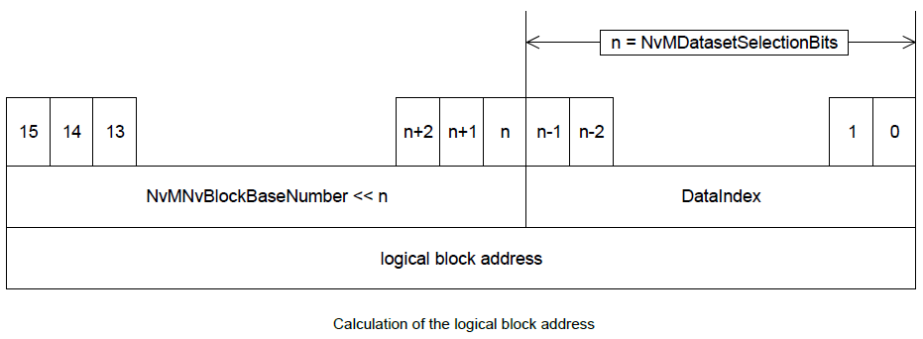
23 | NVM_BLOCK_HW_PART_NUMBER | 24 | 0x18 | 10 |  | 23 | FEE_BLOCK_PROCESS_MODE | 0x170 | 16
24 | NVM_BLOCK_AEE_TRACEABILITY | 25 | 0x19 | 12 |  | 24 | FEE_BLOCK_HW_PART_NUMBER | 0x180 | 16
25 | NVM_BLOCK_ECLK | 26 | 0x1A | 1 |  | 25 | FEE_BLOCK_AEE_TRACEABILITY | 0x190 | 16 |  |  |  |  |  |  |  |  |  | Number of Data Selection Bits: n = 4
26 | NVM_BLOCK_ECC_COUNTERS | 27 | 0x1B | 16 | Subcluster 2: data/parameters that will be only erased if there is a difference with the Major Version | 26 | FEE_BLOCK_ECLK | 0x1A0 | 16 |  |  |  |  |  |  |  |  |  | = Number of least significant bits which shall be used to address a certain dataset of a NVRAM block
27 | NVM_BLOCK_WARM_RESET | 28 | 0x1C | 8 |  | 27 | FEE_BLOCK_ECC_COUNTERS | 0x1B0 | 16
28 | NVM_BLOCK_SYSTEM_CONTEXT_0 | 29 | 0x1D | 12 |  | 28 | FEE_BLOCK_WARM_RESET | 0x1C0 | 16 |  |  |  |  |  |  |  |  |  | Ex:
29 | NVM_BLOCK_SYSTEM_CONTEXT_1 | 30 | 0x1E | 12 |  | 29 | FEE_BLOCK_SYSTEM_CONTEXT_0 | 0x1D0 | 16 |  |  |  |  |  |  |  |  |  | NvM DEM Block Base Number: m = 0x02
30 | NVM_BLOCK_SYSTEM_CONTEXT_2 | 31 | 0x1F | 12 |  | 30 | FEE_BLOCK_SYSTEM_CONTEXT_1 | 0x1E0 | 16 |  |  |  |  |  |  |  |  |  | FEE DEM Block Number = m << n = ( 0x02 << 4) = 0x20
31 | NVM_BLOCK_EXECUTION_COUNTERS | 32 | 0x20 | 28 |  | 31 | FEE_BLOCK_SYSTEM_CONTEXT_2 | 0x1F0 | 16
32 | NVM_BLOCK_EXECUTION_COUNTERS_1 | 33 | 0x21 | 28 |  | 32 | FEE_BLOCK_EXECUTION_COUNTERS | 0x200 | 32
33 | NVM_BLOCK_MEASUREMENT_FRAME_12_CONFIG | 34 | 0x22 | 5 | Subcluster 3: dedicated to data/parameters that will be erased if there is a difference with the major and/or Minor versions | 33 | FEE_BLOCK_EXECUTION_COUNTERS_1 | 0x210 | 32
34 | NVM_BLOCK_MEASUREMENT_FRAME_CONFIG | 35 | 0x23 | 4 |  | 34 | FEE_BLOCK_MEASUREMENT_FRAME_12_CONFIG | 0x220 | 16
35 | NVM_BLOCK_ECU_DYNAMIC_PROPERTIES | 36 | 0x24 | 2 |  | 35 | FEE_BLOCK_MEASUREMENT_FRAME_CONFIG | 0x230 | 16
36 | NVM_BLOCK_TESTS_PARAM | 37 | 0x25 | 113 |  | 36 | FEE_BLOCK_ECU_DYNAMIC_PROPERTIES | 0x240 | 16
37 | NVM_BLOCK_BPA_PARAM | 38 | 0x26 | 42 |  | 37 | FEE_BLOCK_TESTS_PARAM | 0x250 | 128
38 | NVM_BLOCK_BSR_PARAM | 39 | 0x27 | 11 |  | 38 | FEE_BLOCK_BPA_PARAM | 0x260 | 48
39 | NVM_BLOCK_BELT_FUNCTIONS_ENABLE | 40 | 0x28 | 4 |  | 39 | FEE_BLOCK_BSR_PARAM | 0x270 | 16
40 | NVM_BLOCK_SFR_PARAM | 41 | 0x29 | 2 |  | 40 | FEE_BLOCK_BELT_FUNCTIONS_ENABLE | 0x280 | 16
41 | NVM_BLOCK_VDA | 42 | 0x2A | 15 |  | 41 | FEE_BLOCK_SFR_PARAM | 0x290 | 16
42 | NVM_BLOCK_ATM_ENABLE_PARAM | 43 | 0x2B | 42 |  | 42 | FEE_BLOCK_VDA | 0x2A0 | 16
43 | NVM_BLOCK_CYCLE_0 | 44 | 0x2C | 12 |  | 43 | FEE_BLOCK_ATM_ENABLE_PARAM | 0x2B0 | 48
44 | NVM_BLOCK_CYCLE_1 | 45 | 0x2D | 12 |  | 44 | FEE_BLOCK_CYCLE_0 | 0x2C0 | 16
45 | NVM_BLOCK_CYCLE_2 | 46 | 0x2E | 12 |  | 45 | FEE_BLOCK_CYCLE_1 | 0x2D0 | 16
46 | NVM_BLOCK_CYCLE_3 | 47 | 0x2F | 12 |  | 46 | FEE_BLOCK_CYCLE_2 | 0x2E0 | 16
47 | NVM_BLOCK_CYCLE_4 | 48 | 0x30 | 12 |  | 47 | FEE_BLOCK_CYCLE_3 | 0x2F0 | 16
48 | NVM_BLOCK_CYCLE_5 | 49 | 0x31 | 12 |  | 48 | FEE_BLOCK_CYCLE_4 | 0x300 | 16
49 | NVM_BLOCK_CYCLE_6 | 50 | 0x32 | 12 |  | 49 | FEE_BLOCK_CYCLE_5 | 0x310 | 16
50 | NVM_BLOCK_CYCLE_7 | 51 | 0x33 | 12 |  | 50 | FEE_BLOCK_CYCLE_6 | 0x320 | 16
51 | NVM_BLOCK_CYCLE_8 | 52 | 0x34 | 12 |  | 51 | FEE_BLOCK_CYCLE_7 | 0x330 | 16
52 | NVM_BLOCK_CYCLE_9 | 53 | 0x35 | 12 |  | 52 | FEE_BLOCK_CYCLE_8 | 0x340 | 16
53 | NVM_BLOCK_CYCLE_10 | 54 | 0x36 | 12 |  | 53 | FEE_BLOCK_CYCLE_9 | 0x350 | 16
54 | NVM_BLOCK_CYCLE_11 | 55 | 0x37 | 12 |  | 54 | FEE_BLOCK_CYCLE_10 | 0x360 | 16
55 | NVM_BLOCK_CYCLE_12 | 56 | 0x38 | 12 |  | 55 | FEE_BLOCK_CYCLE_11 | 0x370 | 16
56 | NVM_BLOCK_CYCLE_13 | 57 | 0x39 | 12 |  | 56 | FEE_BLOCK_CYCLE_12 | 0x380 | 16
57 | NVM_BLOCK_CYCLE_14 | 58 | 0x3A | 12 |  | 57 | FEE_BLOCK_CYCLE_13 | 0x390 | 16
58 | NVM_BLOCK_CYCLE_15 | 59 | 0x3B | 12 |  | 58 | FEE_BLOCK_CYCLE_14 | 0x3A0 | 16
59 | NVM_BLOCK_CYCLE_16 | 60 | 0x3C | 12 |  | 59 | FEE_BLOCK_CYCLE_15 | 0x3B0 | 16
60 | NVM_BLOCK_CYCLE_17 | 61 | 0x3D | 12 |  | 60 | FEE_BLOCK_CYCLE_16 | 0x3C0 | 16
61 | NVM_BLOCK_CYCLE_18 | 62 | 0x3E | 12 |  | 61 | FEE_BLOCK_CYCLE_17 | 0x3D0 | 16
62 | NVM_BLOCK_CYCLE_19 | 63 | 0x3F | 12 |  | 62 | FEE_BLOCK_CYCLE_18 | 0x3E0 | 16
63 | NVM_BLOCK_CYCLE_20 | 64 | 0x40 | 12 |  | 63 | FEE_BLOCK_CYCLE_19 | 0x3F0 | 16
64 | NVM_BLOCK_STEP_0 | 65 | 0x41 | 8 |  | 64 | FEE_BLOCK_CYCLE_20 | 0x400 | 16
65 | NVM_BLOCK_STEP_1 | 66 | 0x42 | 8 |  | 65 | FEE_BLOCK_STEP_0 | 0x410 | 16
66 | NVM_BLOCK_STEP_2 | 67 | 0x43 | 8 |  | 66 | FEE_BLOCK_STEP_1 | 0x420 | 16
67 | NVM_BLOCK_STEP_3 | 68 | 0x44 | 8 |  | 67 | FEE_BLOCK_STEP_2 | 0x430 | 16
68 | NVM_BLOCK_STEP_4 | 69 | 0x45 | 8 |  | 68 | FEE_BLOCK_STEP_3 | 0x440 | 16
69 | NVM_BLOCK_STEP_5 | 70 | 0x46 | 8 |  | 69 | FEE_BLOCK_STEP_4 | 0x450 | 16
70 | NVM_BLOCK_STEP_6 | 71 | 0x47 | 8 |  | 70 | FEE_BLOCK_STEP_5 | 0x460 | 16
71 | NVM_BLOCK_STEP_7 | 72 | 0x48 | 8 |  | 71 | FEE_BLOCK_STEP_6 | 0x470 | 16
72 | NVM_BLOCK_STEP_8 | 73 | 0x49 | 8 |  | 72 | FEE_BLOCK_STEP_7 | 0x480 | 16
73 | NVM_BLOCK_STEP_9 | 74 | 0x4A | 8 |  | 73 | FEE_BLOCK_STEP_8 | 0x490 | 16
74 | NVM_BLOCK_STEP_10 | 75 | 0x4B | 8 |  | 74 | FEE_BLOCK_STEP_9 | 0x4A0 | 16
75 | NVM_BLOCK_STEP_11 | 76 | 0x4C | 8 |  | 75 | FEE_BLOCK_STEP_10 | 0x4B0 | 16
76 | NVM_BLOCK_STEP_12 | 77 | 0x4D | 8 |  | 76 | FEE_BLOCK_STEP_11 | 0x4C0 | 16
77 | NVM_BLOCK_STEP_13 | 78 | 0x4E | 8 |  | 77 | FEE_BLOCK_STEP_12 | 0x4D0 | 16
78 | NVM_BLOCK_STEP_14 | 79 | 0x4F | 8 |  | 78 | FEE_BLOCK_STEP_13 | 0x4E0 | 16
79 | NVM_BLOCK_STEP_15 | 80 | 0x50 | 8 |  | 79 | FEE_BLOCK_STEP_14 | 0x4F0 | 16
80 | NVM_BLOCK_STEP_16 | 81 | 0x51 | 8 |  | 80 | FEE_BLOCK_STEP_15 | 0x500 | 16
81 | NVM_BLOCK_STEP_17 | 82 | 0x52 | 8 |  | 81 | FEE_BLOCK_STEP_16 | 0x510 | 16
82 | NVM_BLOCK_STEP_18 | 83 | 0x53 | 8 |  | 82 | FEE_BLOCK_STEP_17 | 0x520 | 16
83 | NVM_BLOCK_STEP_19 | 84 | 0x54 | 8 |  | 83 | FEE_BLOCK_STEP_18 | 0x530 | 16
84 | NVM_BLOCK_STEP_20 | 85 | 0x55 | 8 |  | 84 | FEE_BLOCK_STEP_19 | 0x540 | 16
85 | NVM_BLOCK_STEP_21 | 86 | 0x56 | 8 |  | 85 | FEE_BLOCK_STEP_20 | 0x550 | 16
86 | NVM_BLOCK_STEP_22 | 87 | 0x57 | 8 |  | 86 | FEE_BLOCK_STEP_21 | 0x560 | 16
87 | NVM_BLOCK_STEP_23 | 88 | 0x58 | 8 |  | 87 | FEE_BLOCK_STEP_22 | 0x570 | 16
88 | NVM_BLOCK_STEP_24 | 89 | 0x59 | 8 |  | 88 | FEE_BLOCK_STEP_23 | 0x580 | 16
89 | NVM_BLOCK_STEP_25 | 90 | 0x5A | 8 |  | 89 | FEE_BLOCK_STEP_24 | 0x590 | 16
90 | NVM_BLOCK_STEP_26 | 91 | 0x5B | 8 |  | 90 | FEE_BLOCK_STEP_25 | 0x5A0 | 16
91 | NVM_BLOCK_STEP_27 | 92 | 0x5C | 8 |  | 91 | FEE_BLOCK_STEP_26 | 0x5B0 | 16
92 | NVM_BLOCK_STEP_28 | 93 | 0x5D | 8 |  | 92 | FEE_BLOCK_STEP_27 | 0x5C0 | 16
93 | NVM_BLOCK_STEP_29 | 94 | 0x5E | 8 |  | 93 | FEE_BLOCK_STEP_28 | 0x5D0 | 16
94 | NVM_BLOCK_STEP_30 | 95 | 0x5F | 8 |  | 94 | FEE_BLOCK_STEP_29 | 0x5E0 | 16
95 | NVM_BLOCK_STEP_31 | 96 | 0x60 | 8 |  | 95 | FEE_BLOCK_STEP_30 | 0x5F0 | 16
96 | NVM_BLOCK_STEP_32 | 97 | 0x61 | 8 |  | 96 | FEE_BLOCK_STEP_31 | 0x600 | 16
97 | NVM_BLOCK_STEP_33 | 98 | 0x62 | 8 |  | 97 | FEE_BLOCK_STEP_32 | 0x610 | 16
98 | NVM_BLOCK_STEP_34 | 99 | 0x63 | 8 |  | 98 | FEE_BLOCK_STEP_33 | 0x620 | 16
99 | NVM_BLOCK_STEP_35 | 100 | 0x64 | 8 |  | 99 | FEE_BLOCK_STEP_34 | 0x630 | 16
100 | NVM_BLOCK_STEP_36 | 101 | 0x65 | 8 |  | 100 | FEE_BLOCK_STEP_35 | 0x640 | 16
101 | NVM_BLOCK_STEP_37 | 102 | 0x66 | 8 |  | 101 | FEE_BLOCK_STEP_36 | 0x650 | 16
102 | NVM_BLOCK_STEP_38 | 103 | 0x67 | 8 |  | 102 | FEE_BLOCK_STEP_37 | 0x660 | 16
103 | NVM_BLOCK_STEP_39 | 104 | 0x68 | 8 |  | 103 | FEE_BLOCK_STEP_38 | 0x670 | 16
104 | NVM_BLOCK_STEP_40 | 105 | 0x69 | 8 |  | 104 | FEE_BLOCK_STEP_39 | 0x680 | 16
105 | NVM_BLOCK_STEP_41 | 106 | 0x6A | 8 |  | 105 | FEE_BLOCK_STEP_40 | 0x690 | 16
106 | NVM_BLOCK_STEP_42 | 107 | 0x6B | 8 |  | 106 | FEE_BLOCK_STEP_41 | 0x6A0 | 16
107 | NVM_BLOCK_STEP_43 | 108 | 0x6C | 8 |  | 107 | FEE_BLOCK_STEP_42 | 0x6B0 | 16
108 | NVM_BLOCK_STEP_44 | 109 | 0x6D | 8 |  | 108 | FEE_BLOCK_STEP_43 | 0x6C0 | 16
109 | NVM_BLOCK_STEP_45 | 110 | 0x6E | 8 |  | 109 | FEE_BLOCK_STEP_44 | 0x6D0 | 16
110 | NVM_BLOCK_STEP_46 | 111 | 0x6F | 8 |  | 110 | FEE_BLOCK_STEP_45 | 0x6E0 | 16
111 | NVM_BLOCK_STEP_47 | 112 | 0x70 | 8 |  | 111 | FEE_BLOCK_STEP_46 | 0x6F0 | 16
112 | NVM_BLOCK_STEP_48 | 113 | 0x71 | 8 |  | 112 | FEE_BLOCK_STEP_47 | 0x700 | 16
113 | NVM_BLOCK_STEP_49 | 114 | 0x72 | 8 |  | 113 | FEE_BLOCK_STEP_48 | 0x710 | 16
114 | NVM_BLOCK_STEP_50 | 115 | 0x73 | 8 |  | 114 | FEE_BLOCK_STEP_49 | 0x720 | 16
115 | NVM_BLOCK_STEP_51 | 116 | 0x74 | 8 |  | 115 | FEE_BLOCK_STEP_50 | 0x730 | 16
116 | NVM_BLOCK_STEP_52 | 117 | 0x75 | 8 |  | 116 | FEE_BLOCK_STEP_51 | 0x740 | 16
117 | NVM_BLOCK_STEP_53 | 118 | 0x76 | 8 |  | 117 | FEE_BLOCK_STEP_52 | 0x750 | 16
118 | NVM_BLOCK_STEP_54 | 119 | 0x77 | 8 |  | 118 | FEE_BLOCK_STEP_53 | 0x760 | 16
119 | NVM_BLOCK_STEP_55 | 120 | 0x78 | 8 |  | 119 | FEE_BLOCK_STEP_54 | 0x770 | 16
120 | NVM_BLOCK_STEP_56 | 121 | 0x79 | 8 |  | 120 | FEE_BLOCK_STEP_55 | 0x780 | 16
121 | NVM_BLOCK_STEP_57 | 122 | 0x7A | 8 |  | 121 | FEE_BLOCK_STEP_56 | 0x790 | 16
122 | NVM_BLOCK_STEP_58 | 123 | 0x7B | 8 |  | 122 | FEE_BLOCK_STEP_57 | 0x7A0 | 16
123 | NVM_BLOCK_STEP_59 | 124 | 0x7C | 8 |  | 123 | FEE_BLOCK_STEP_58 | 0x7B0 | 16
124 | NVM_BLOCK_STEP_60 | 125 | 0x7D | 8 |  | 124 | FEE_BLOCK_STEP_59 | 0x7C0 | 16
125 | NVM_BLOCK_STEP_61 | 126 | 0x7E | 8 |  | 125 | FEE_BLOCK_STEP_60 | 0x7D0 | 16
126 | NVM_BLOCK_STEP_62 | 127 | 0x7F | 8 |  | 126 | FEE_BLOCK_STEP_61 | 0x7E0 | 16
127 | NVM_BLOCK_STEP_63 | 128 | 0x80 | 8 |  | 127 | FEE_BLOCK_STEP_62 | 0x7F0 | 16
128 | NVM_BLOCK_STEP_64 | 129 | 0x81 | 8 |  | 128 | FEE_BLOCK_STEP_63 | 0x800 | 16
129 | NVM_BLOCK_STEP_65 | 130 | 0x82 | 8 |  | 129 | FEE_BLOCK_STEP_64 | 0x810 | 16
130 | NVM_BLOCK_STEP_66 | 131 | 0x83 | 8 |  | 130 | FEE_BLOCK_STEP_65 | 0x820 | 16
131 | NVM_BLOCK_STEP_67 | 132 | 0x84 | 8 |  | 131 | FEE_BLOCK_STEP_66 | 0x830 | 16
132 | NVM_BLOCK_STEP_68 | 133 | 0x85 | 8 |  | 132 | FEE_BLOCK_STEP_67 | 0x840 | 16
133 | NVM_BLOCK_STEP_69 | 134 | 0x86 | 8 |  | 133 | FEE_BLOCK_STEP_68 | 0x850 | 16
134 | NVM_BLOCK_STEP_70 | 135 | 0x87 | 8 |  | 134 | FEE_BLOCK_STEP_69 | 0x860 | 16
135 | NVM_BLOCK_STEP_71 | 136 | 0x88 | 8 |  | 135 | FEE_BLOCK_STEP_70 | 0x870 | 16
136 | NVM_BLOCK_STEP_72 | 137 | 0x89 | 8 |  | 136 | FEE_BLOCK_STEP_71 | 0x880 | 16
137 | NVM_BLOCK_STEP_73 | 138 | 0x8A | 8 |  | 137 | FEE_BLOCK_STEP_72 | 0x890 | 16
138 | NVM_BLOCK_STEP_74 | 139 | 0x8B | 8 |  | 138 | FEE_BLOCK_STEP_73 | 0x8A0 | 16
139 | NVM_BLOCK_STEP_75 | 140 | 0x8C | 8 |  | 139 | FEE_BLOCK_STEP_74 | 0x8B0 | 16
140 | NVM_BLOCK_STEP_76 | 141 | 0x8D | 8 |  | 140 | FEE_BLOCK_STEP_75 | 0x8C0 | 16
141 | NVM_BLOCK_STEP_77 | 142 | 0x8E | 8 |  | 141 | FEE_BLOCK_STEP_76 | 0x8D0 | 16
142 | NVM_BLOCK_STEP_78 | 143 | 0x8F | 8 |  | 142 | FEE_BLOCK_STEP_77 | 0x8E0 | 16
143 | NVM_BLOCK_STEP_79 | 144 | 0x90 | 8 |  | 143 | FEE_BLOCK_STEP_78 | 0x8F0 | 16
 |  |  |  |  |  | 144 | FEE_BLOCK_STEP_79 | 0x900 | 16

 | NVM_BLOCK_PROCESS_CKS
 | NVM_BLOCK_AUTOLIV_CAL_CKS
 | NVM_BLOCK_CAR_MAKER_CAL_CKS
 | NVM_BLOCK_CAR_MAKER_CAL_CKS

Data_Organization_details
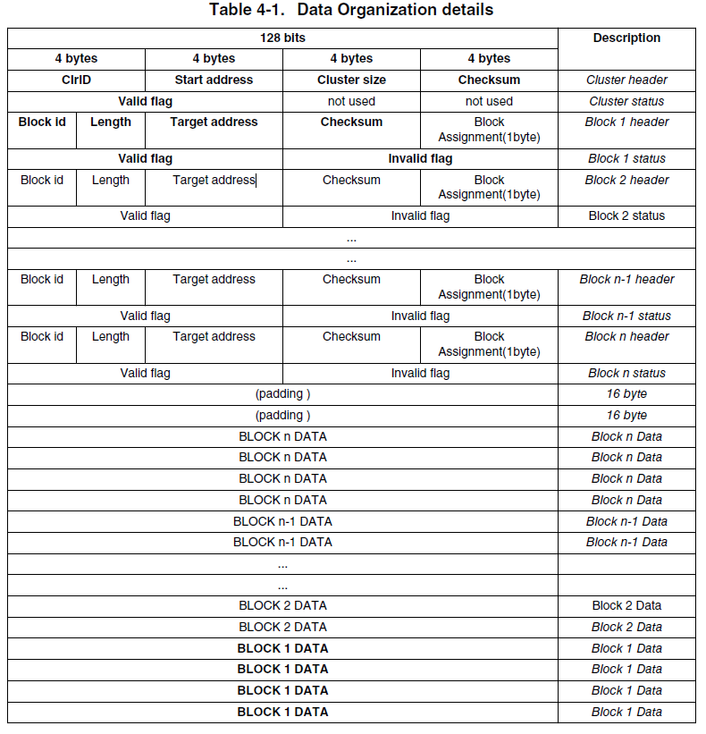
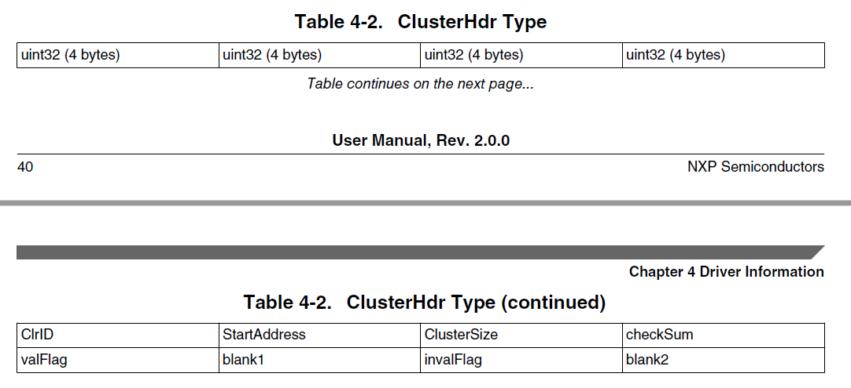
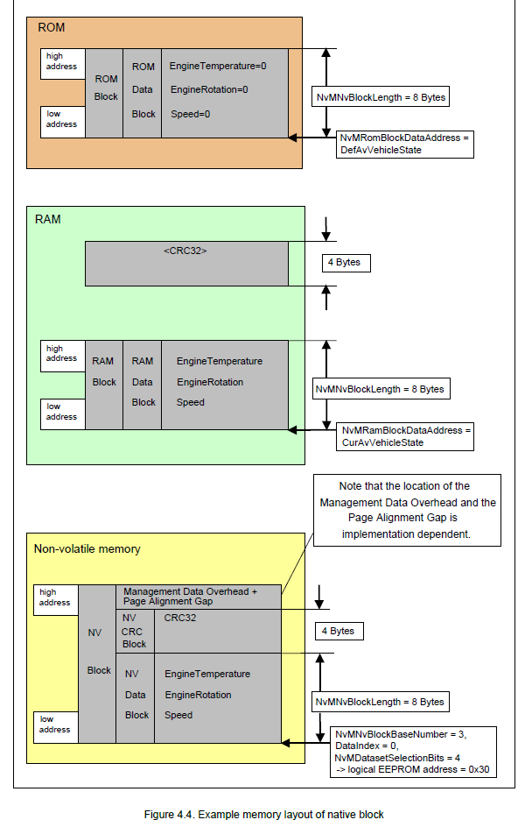
Each Cluster/Block has: | > an header : 16 byte Headers + 16 bytes status | S:\Tools\NXP_MCAL\Workspace\eclipse\plugins\Fee_TS_T40D2M10I0R0\doc
 | > data | AUTOSAR_MCAL_FEE_UM.pdf | page 40

