Microcut_10us
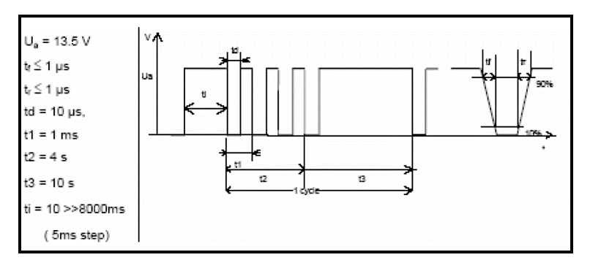
Scenario | Status Frame FL | AECs FL | DTCs FL | Last Reset Cause FL | Test errors FL | Status Frame FR | AECs FR | DTCs FR | Last Reset Cause FR | Test errors FR
- | - | - | - | - | - | - | - | - | - | -

Microcut_100us
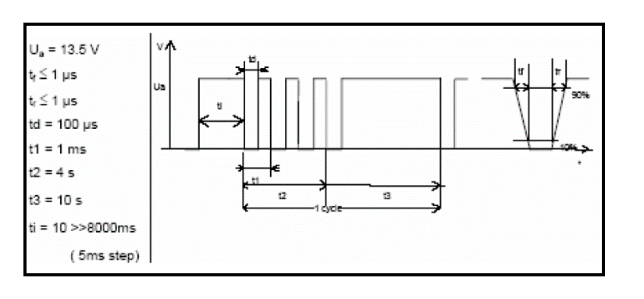
Scenario | Status Frame FL | AECs FL | DTCs FL | Last Reset Cause FL | Test errors FL | Status Frame FR | AECs FR | DTCs FR | Last Reset Cause FR | Test errors FR
- | - | - | - | - | - | - | - | - | - | -

Microcut_5ms
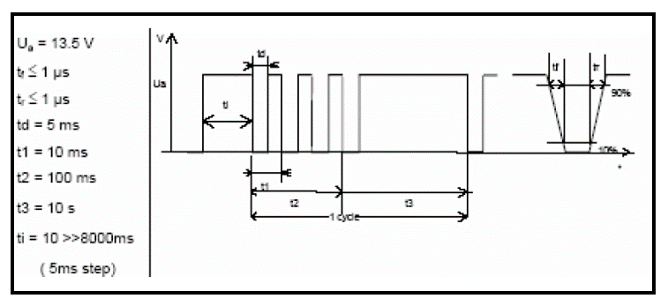
Scenario | Status Frame FL | AECs FL | DTCs FL | Last Reset Cause FL | Test errors FL | Status Frame FR | AECs FR | DTCs FR | Last Reset Cause FR | Test errors FR
- | - | - | - | - | - | - | - | - | - | -

Microcut_50ms
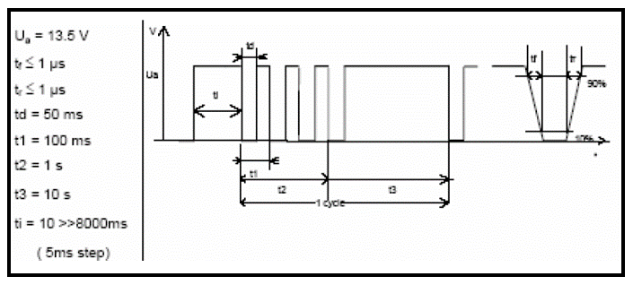
Scenario | Status Frame FL | AECs FL | DTCs FL | Last Reset Cause FL | Test errors FL | Status Frame FR | AECs FR | DTCs FR | Last Reset Cause FR | Test errors FR
- | - | - | - | - | - | - | - | - | - | -

Microcut_Profile_E
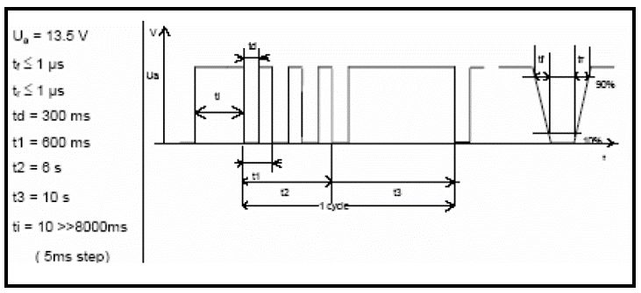
Scenario | Status Frame FL | AECs FL | DTCs FL | Last Reset Cause FL | Test errors FL | Status Frame FR | AECs FR | DTCs FR | Last Reset Cause FR | Test errors FR
- | - | - | - | - | - | - | - | - | - | -

Microcut_Profile_F1
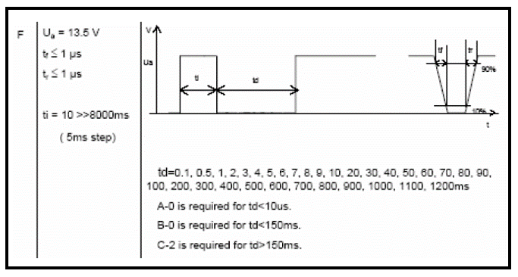
Scenario | Status Frame FL | AECs FL | DTCs FL | Last Reset Cause FL | Test errors FL | Status Frame FR | AECs FR | DTCs FR | Last Reset Cause FR | Test errors FR
- | - | - | - | - | - | - | - | - | - | -

Microcut_Profile_G
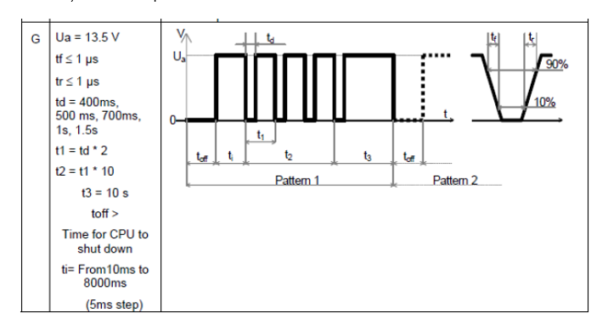
Scenario | Status Frame FL | AECs FL | DTCs FL | Last Reset Cause FL | Test errors FL | Status Frame FR | AECs FR | DTCs FR | Last Reset Cause FR | Test errors FR
- | - | - | - | - | - | - | - | - | - | -

