CITY_WISE_SALE
City-wise_Sales
Row Labels | Sum of Sales
Bangalore | 1112037.15
Delhi | 1149655.63
Hyderabad | 941311.71
Lucknow | 1117182.69
Mumbai | 707070.65
Pune | 1088478.18
Varanasi | 940406.26
Grand Total | 7056142.27

DASHBOARD
Retail Sales Dashboard

Insighs
Orders_Data
 | Total Sales | Total Profit | Total Orders | Total Quantity
 | ₹ 7,056,142.27 | ₹ 3,141,215.00 | 1000 | 5581
CITY-WISE SALES
 | Total
Bangalore | 1112037.15
Delhi | 1149655.63
Hyderabad | 941311.71
Lucknow | 1117182.69
Mumbai | 707070.65
Pune | 1088478.18
Varanasi | 940406.26
 | Total
Jan | 597987
Feb | 687531.26
Mar | 627197.15
Apr | 603625
May | 457890.61
Jun | 667167.92
Jul | 515862.57
Aug | 399341.87
Sep | 706249
Oct | 482422.43
Nov | 564393.94
Dec | 746473.52
Monthly_wise_Sale
 | Total
Jan | 597987
Feb | 687531.26
Mar | 627197.15
Apr | 603625
May | 457890.61
Jun | 667167.92
Jul | 515862.57
Aug | 399341.87
Sep | 706249
Oct | 482422.43
Nov | 564393.94
Dec | 746473.52
Category_wise_Sales
 | Total
Furniture | 7056142.27

CATEGORY WISE SALES
 | Total
Furniture | 7056142.27
Office Supplies | 5553776.06
 | Total
Jan | 597987
Feb | 687531.26
Mar | 627197.15
Apr | 603625
May | 457890.61
Jun | 667167.92
Jul | 515862.57
Aug | 399341.87
Sep | 706249
Oct | 482422.43
Nov | 564393.94
Dec | 746473.52

Conclusion
Category_wise_sale
City_wise_sale
Monthly_sales

MONTHLY_SALES
Category_wise_Sale
Row Labels | Sum of Sales | 7056142.27
Jan | 597987
Feb | 687531.26
Mar | 627197.15
Apr | 603625
May | 457890.61
Jun | 667167.92
Jul | 515862.57
Aug | 399341.87
Sep | 706249
Oct | 482422.43
Nov | 564393.94
Dec | 746473.52
Grand Total | 7056142.27

CATEGORY_WISE_SALE
7056142.27
7056142.27
Row Labels | Sum of Sales
Furniture | 7056142.27
Category_wise_Sales
Grand Total | 7056142.27

INSIGHT
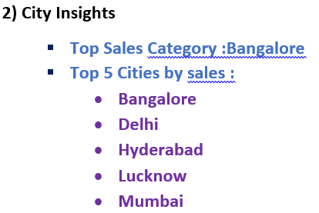
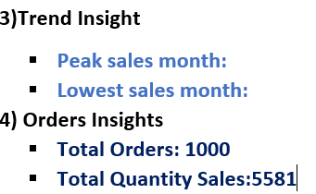
Retail Insights

