Lifestyle Dashboard

 | Lifestyle & Screen Time Premium Dashboard

 | Analytics Dashboard Based on a Sample Dataset of 400 Individuals of 2025

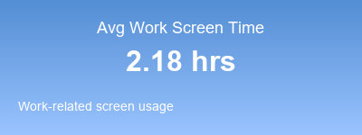
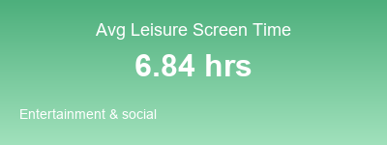
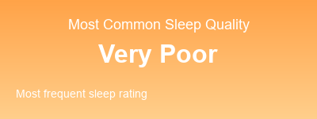
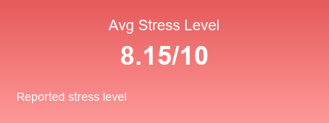
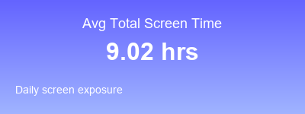

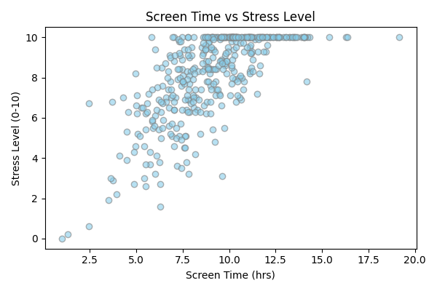
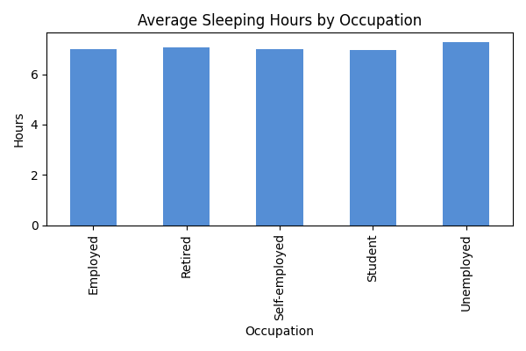

 | This graph shows that average sleeping hours are almost the same across all occupations. Unemployed people sleep slightly more, while employed, retired, and students have nearly equal sleep durations — around 7 hours per day. |  | This graph shows a positive relationship between screen time and stress level. As screen time increases, stress levels also tend to rise — suggesting that spending more hours on screens may lead to higher stress.

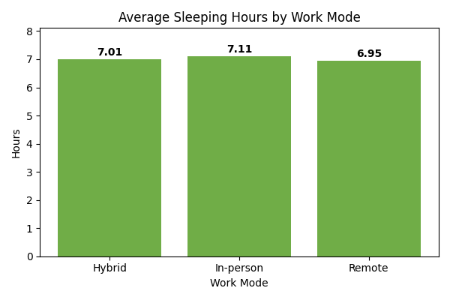
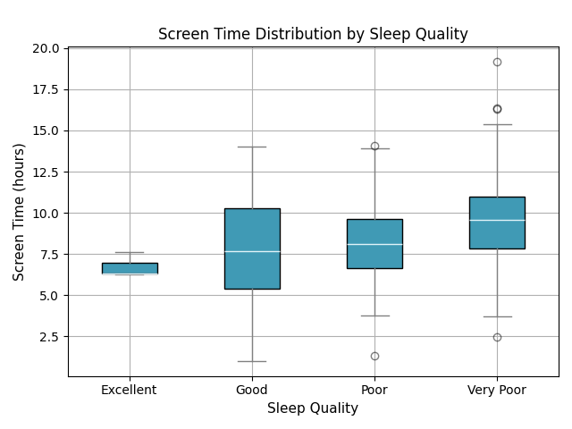

 | This graph shows that average sleeping hours are quite similar across all work modes. People working in-person sleep slightly more (about 7.1 hours), while remote workers sleep a bit less (around 6.9 hours). Overall, work mode has only a small effect on sleep duration. |  | This graph shows that people with excellent sleep quality tend to have lower and more consistent screen time, while those with poor or very poor sleep quality have higher and more varied screen time. In short, more screen time is linked with poorer sleep quality.

Data Reference |  | https://www.kaggle.com/datasets/adharshinikumar/screentime-vs-mentalwellness-survey-2025

Analytics Work Reference |  | https://github.com/anasshahzad0175/dashboard_screen_time

Worked By:
 | Anas Shahzad (BSDA-24-30)
 | Waqar Nishat (BSDA-24-04)

