Lifestyle Dashboard

 | Lifestyle & Screen Time Premium Dashboard

 | Analytics Dashboard Based on a Sample Dataset of 400 Individuals of 2025

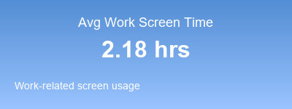
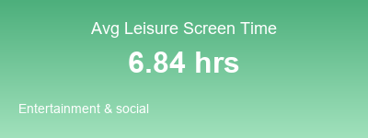
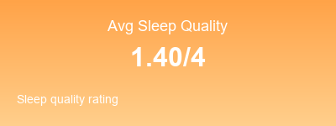
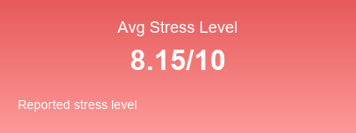
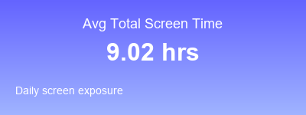

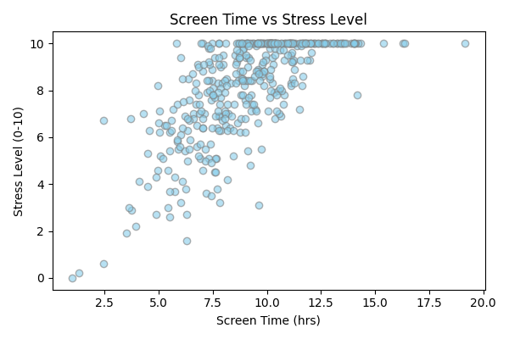
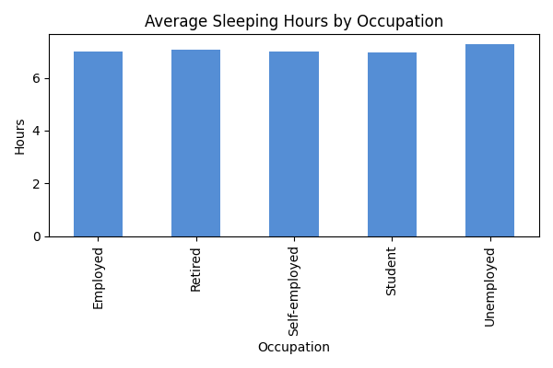

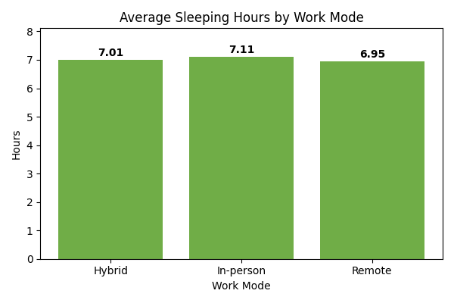
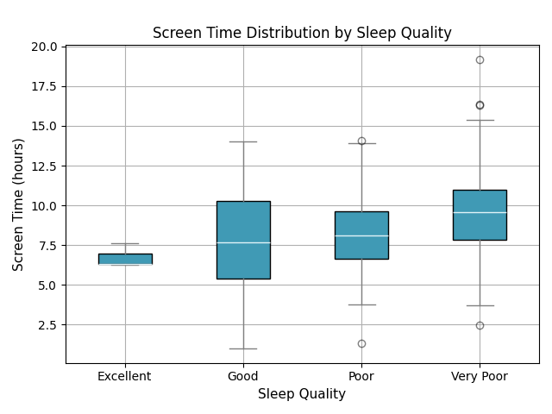

Data Reference |  | https://www.kaggle.com/datasets/adharshinikumar/screentime-vs-mentalwellness-survey-2025

Analytics Work Reference |  | https://github.com/anasshahzad0175/dashboard_screen_time

Worked By:
 | Anas Shahzad (BSDA-24-30)
 | Waqar Nishat (BSDA-24-04)

