Bug Reports
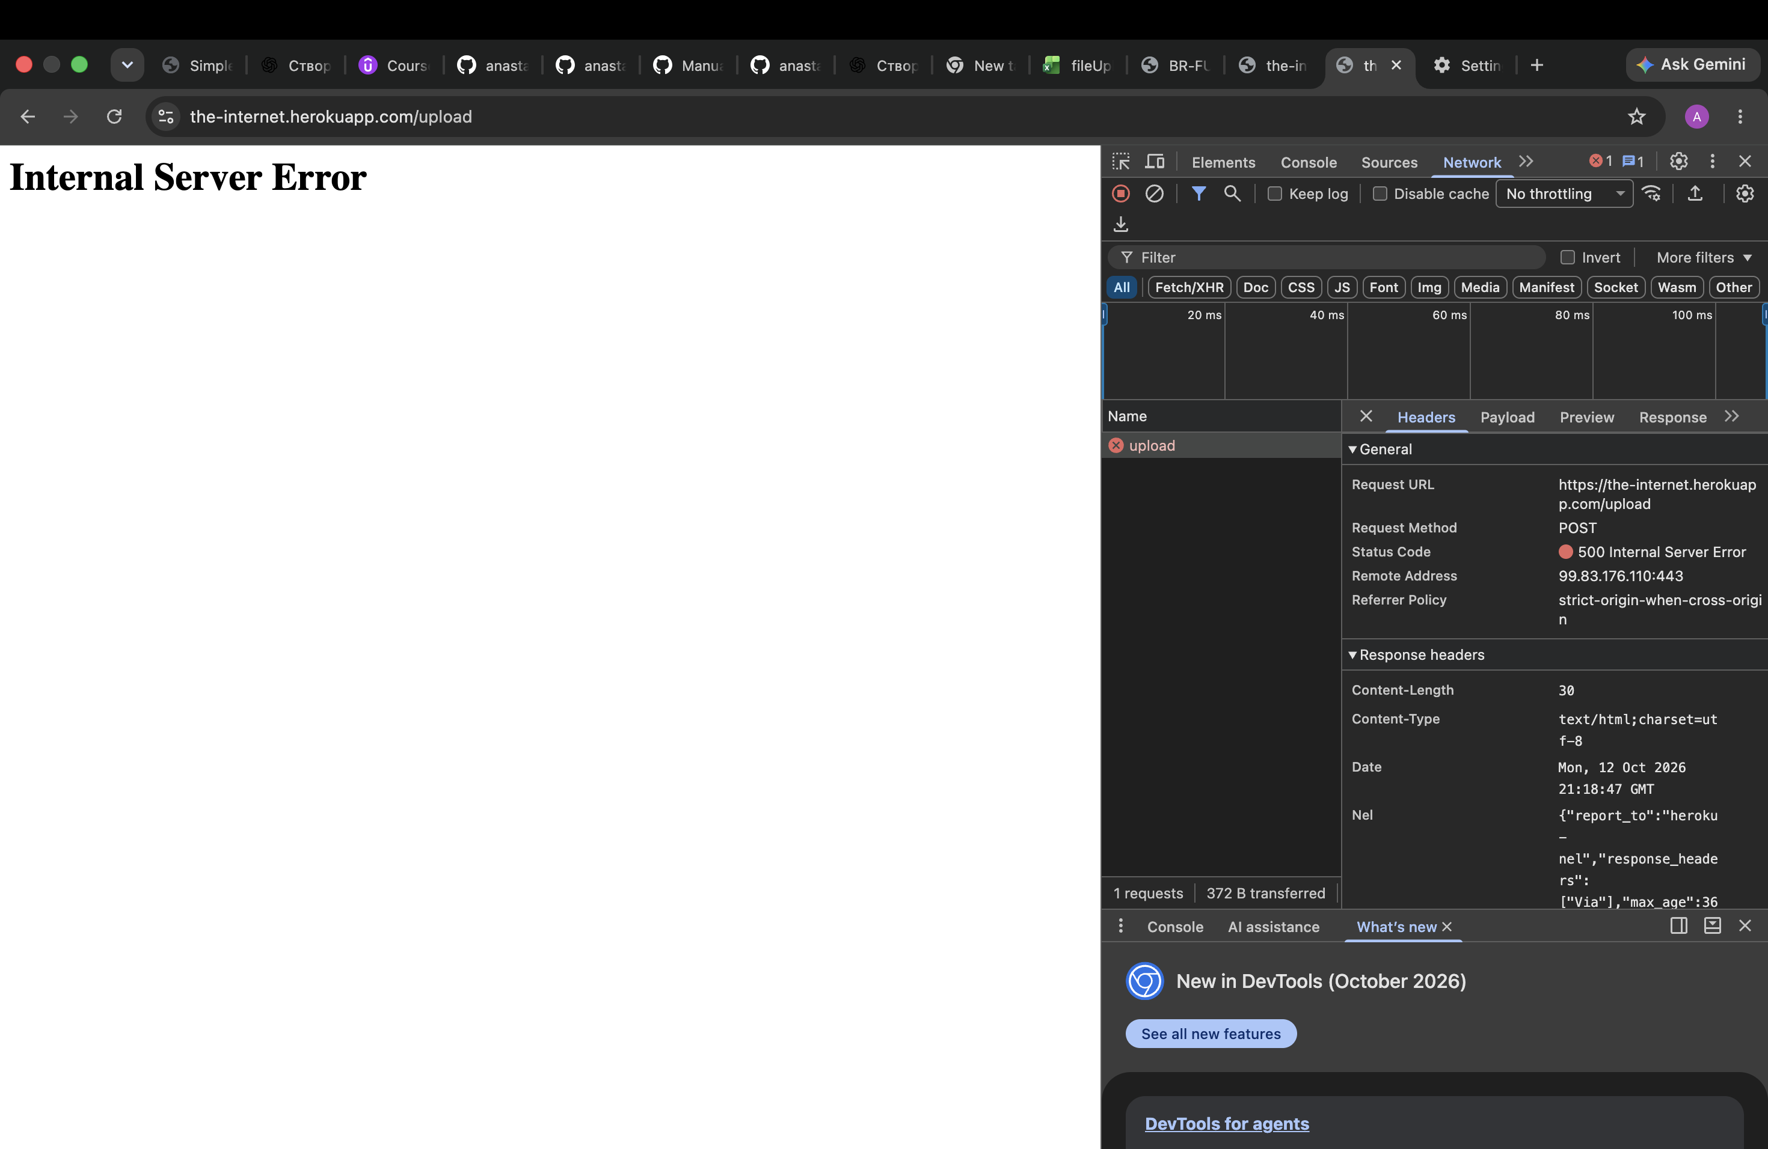
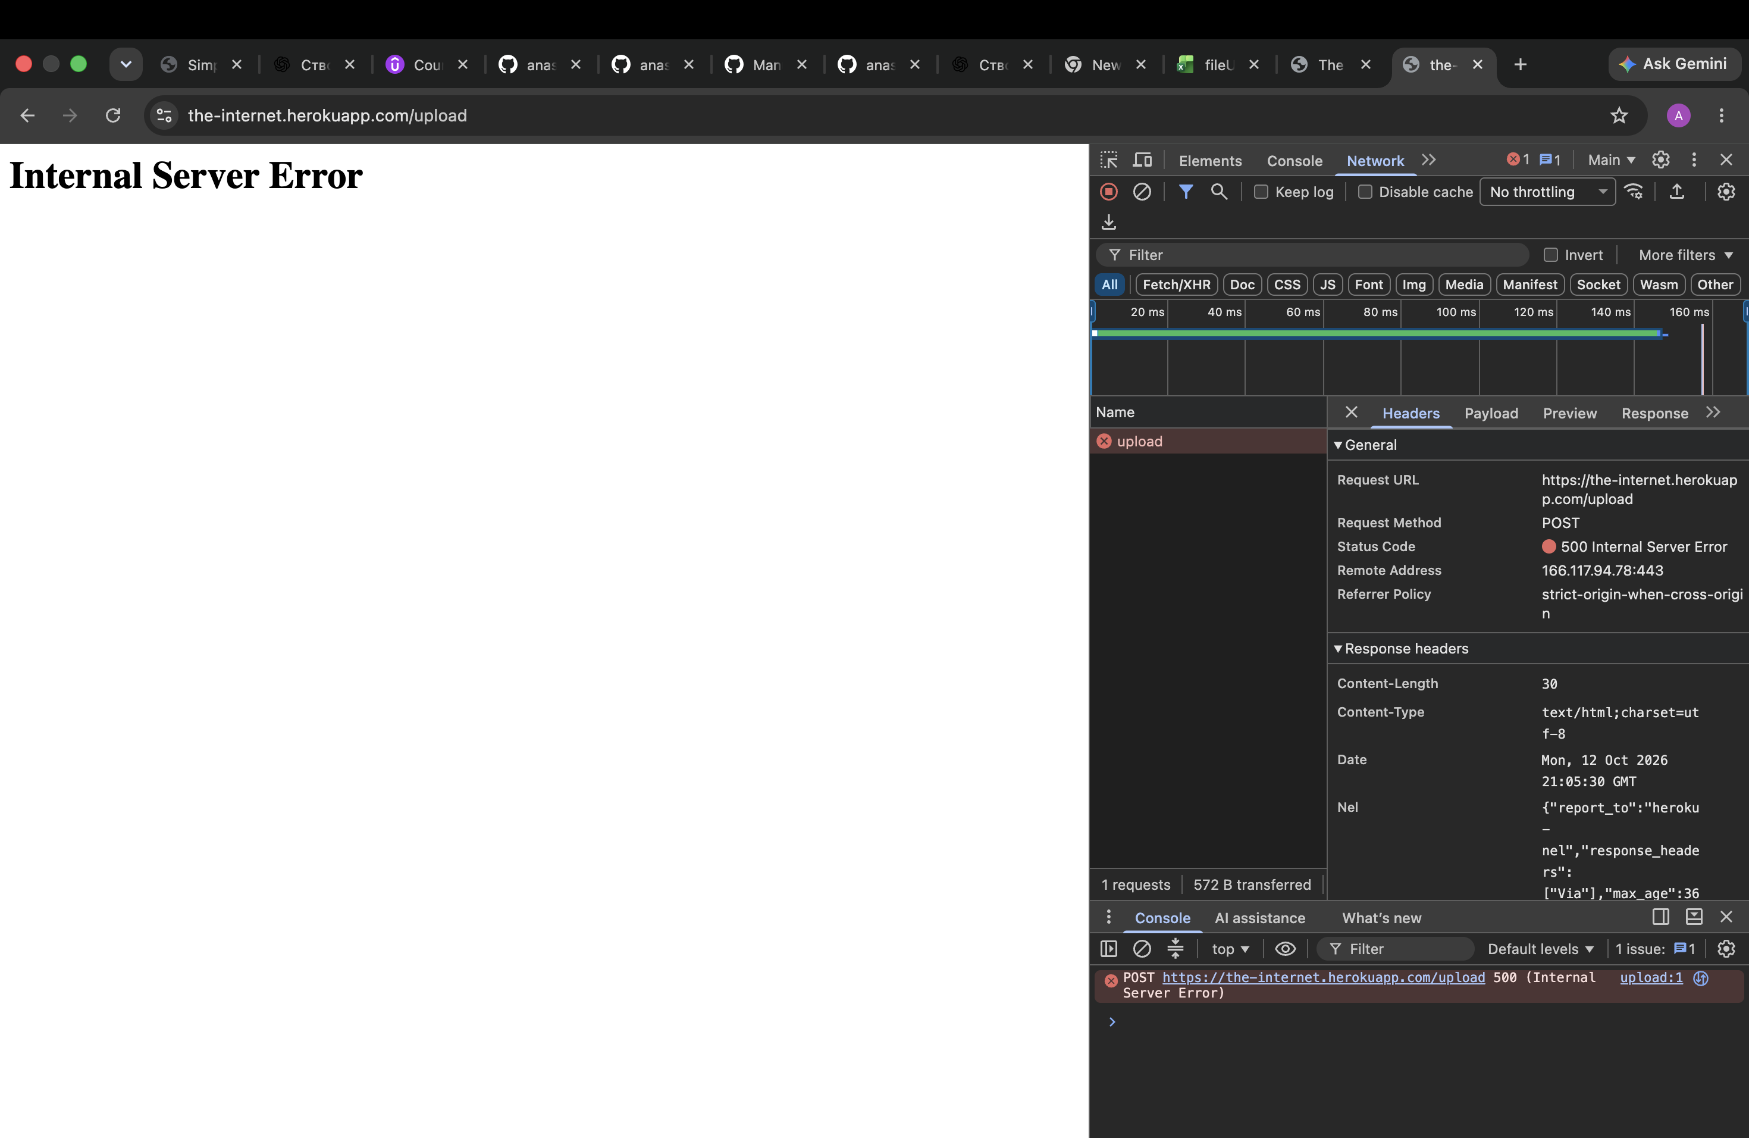

ID: | BR-FU01 | BR-FU02 | BR-FU03

Title: | Internal Server Error occurs when uploading a file selected via the upload area | Internal Server Error occurs when uploading a file selected via drag-and-drop | Internal Server Error occurs when Upload is clicked without selecting a file
Preconditions | The File Uploader page is open. | The File Uploader page is open and a test file is available on the desktop. | The File Uploader page is open and no file is selected.
Reproduction steps: | 1. Click inside the drag-and-drop upload area. | 1.Drag a file from the desktop. | 1. Do not select a file.
 | 2. Select a file from the file selection dialog. | 2.Drop the file into the drag-and-drop upload area. | 2.Click the Upload button.
 | 3. Click the Upload button. | 3. Click the Upload button.
Expected result: | The selected file is uploaded successfully and the uploaded file name is displayed. | The selected file is uploaded successfully and the uploaded file name is displayed. | The system should handle the upload attempt gracefully without displaying a server error.
Actual result: | An Internal Server Error is displayed instead of successfully uploading the selected file. | An Internal Server Error is displayed instead of successfully uploading the selected file. | An Internal Server Error is displayed.
Priority | High | High | Medium
Severity | Major | Major | Major
Environment | OS: macOS 26.5.1 (25F80) | OS: macOS 26.5.1 (25F80) | OS: macOS 26.5.1 (25F80)
 | Browser: Chrome Version 154.0.8037.98 (Official Build) (arm64) | Chrome Version 154.0.8037.98 (Official Build) (arm64) | Chrome Version 154.0.8037.98 (Official Build) (arm64)
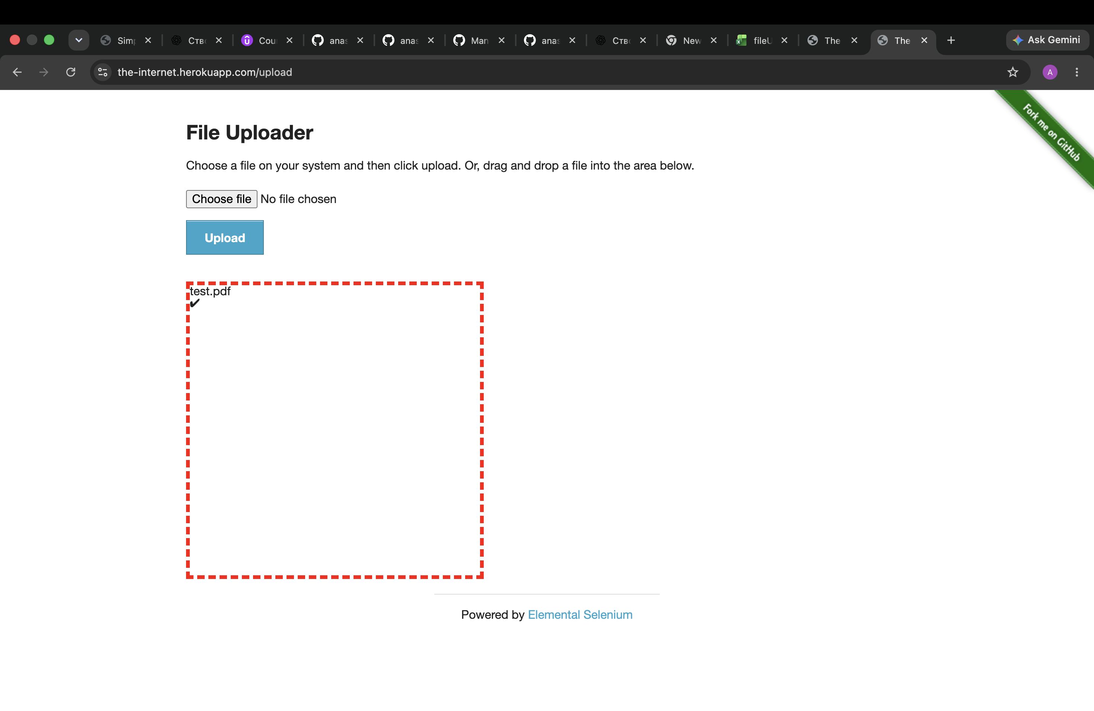
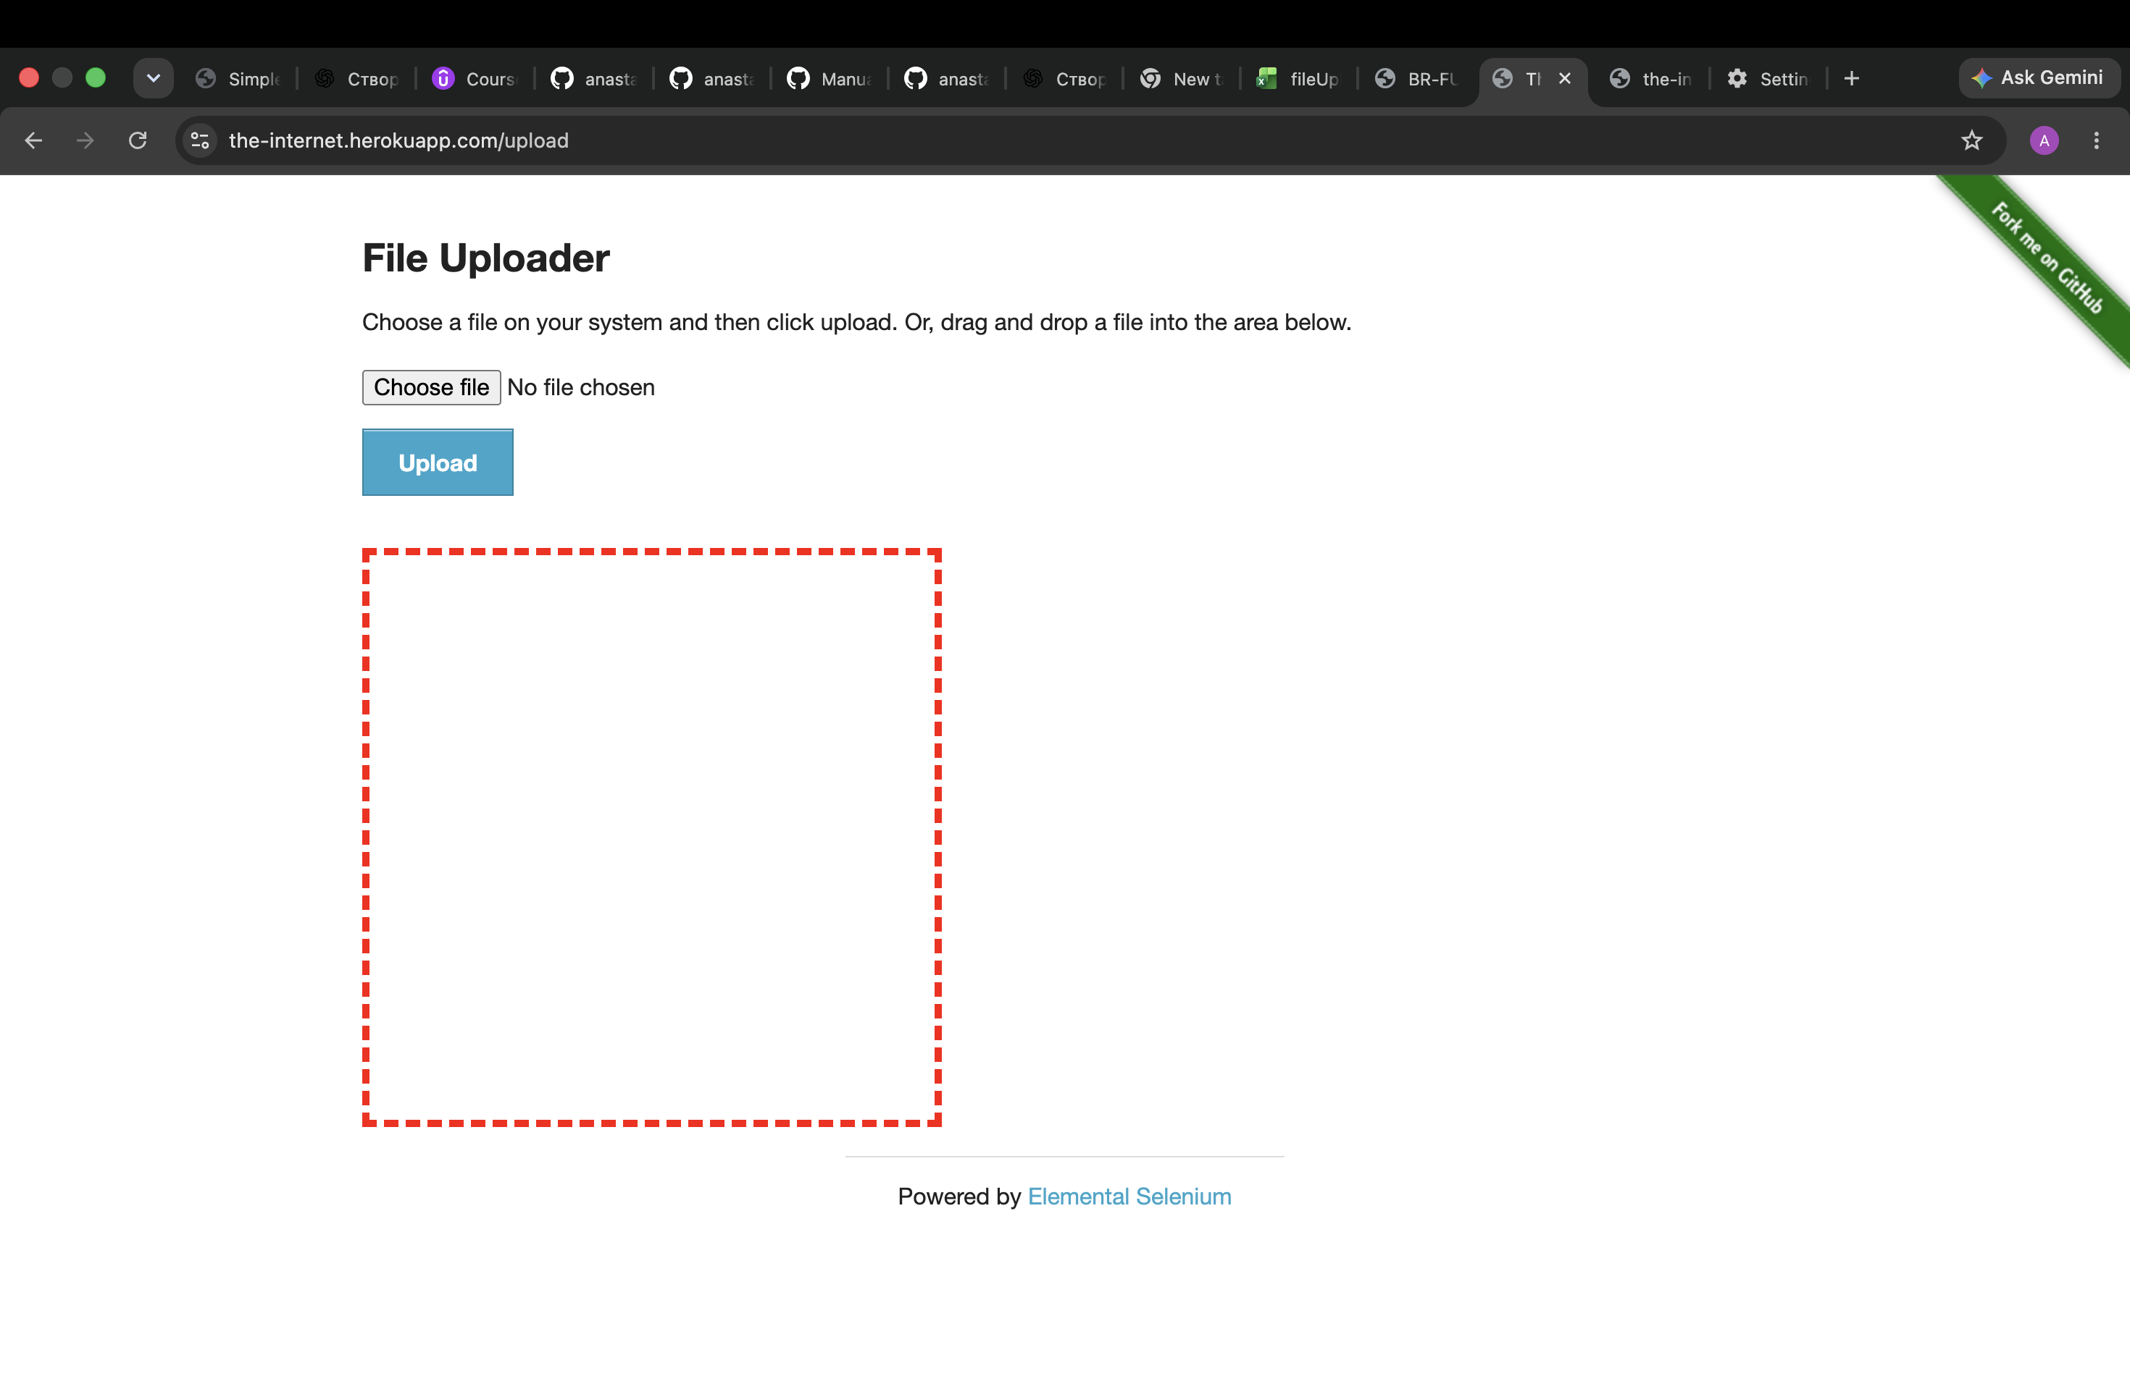
Attachments:

