Sheet1
AudioNo. | Sl. No. | Timestamp (ms) | Speaker (C/HA/VA) | ContextBefore(TS) | ContextAfter(TS) | Category | Prosody Pattern
10-H-H | 5 | 87 | C | HA confirms the las date of payment is midnight next day | C seems relieved and also indicates end of conversation saying"That’s all needed to know" | AEC-Acknowledgement of the info., end of conversation | 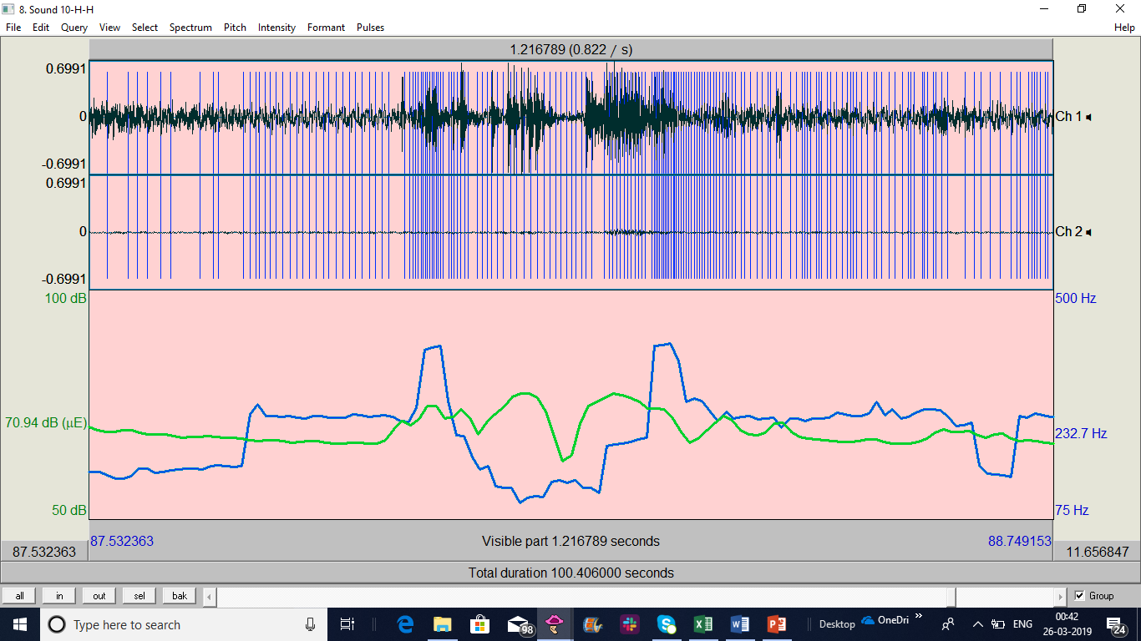
15-S-H | 5 | 67 | C | HA says the payment has been processed | C acknowledges it, also indicates end of conversation. | AEC | 