Sheet1
AudioNo. | Sl. No. | Timestamp (ms) | Speaker (C/HA/VA) | ContextBefore(TS) | ContextAfter(TS) | Category | Prosody Pattern
1-S-H | 3 | 34 | C | HA asks for zipcode to confirm identity | C says the zipcode | AR-Acknowledgement of question, Info. given/ replies to question | 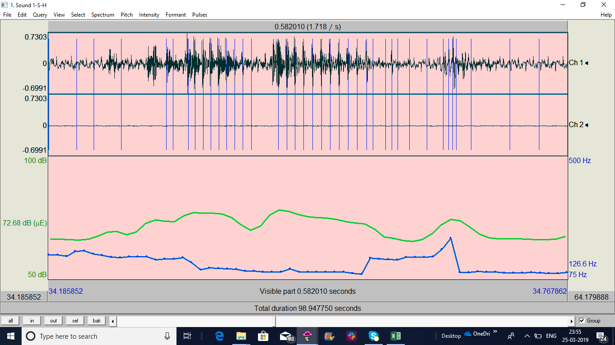
 | 4 | 96.06 | HA | After C says yes to finding out his cheque no. | HA "Your last cheque" | AR-Acknowledgement, Info. Given after question confirmed,replies to question
4-H-H | 3 | 94 | HA | C asks for some transactions | HA replies, provides the info. | AR-Acknowledgement, Info. Given after question confirmed,replies to question
5-H-H | 1 | 47.63 | HA | C asks for some transactions | HA replies, provides the info. | AR-Acknowledgement, Info. Given after question confirmed,replies to question
12-H-H | 4 | 26 | C | HA asks for account number | C gives it. | AR-Acknowledging the question, replying, providing required info.
13-S-H | 1 | 50 | HA | C asks info. on specific transactions | HA gives the info. | AR-Acknowledgement, Info. Given after question confirmed,replies to question | 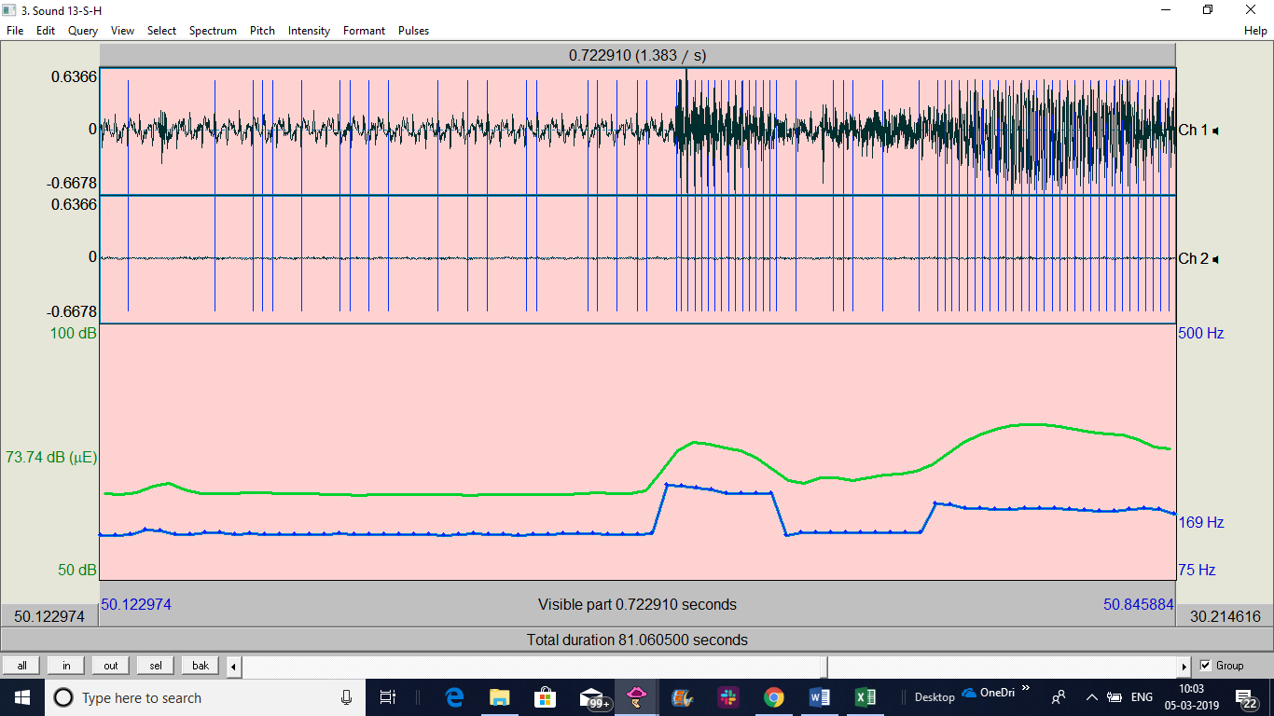
14-H-H | 3 | 113.39 | HA | C asks for some transactions | HA replies, provides the info. | AR-Acknowledgement, Info. Given after question confirmed,replies to question | 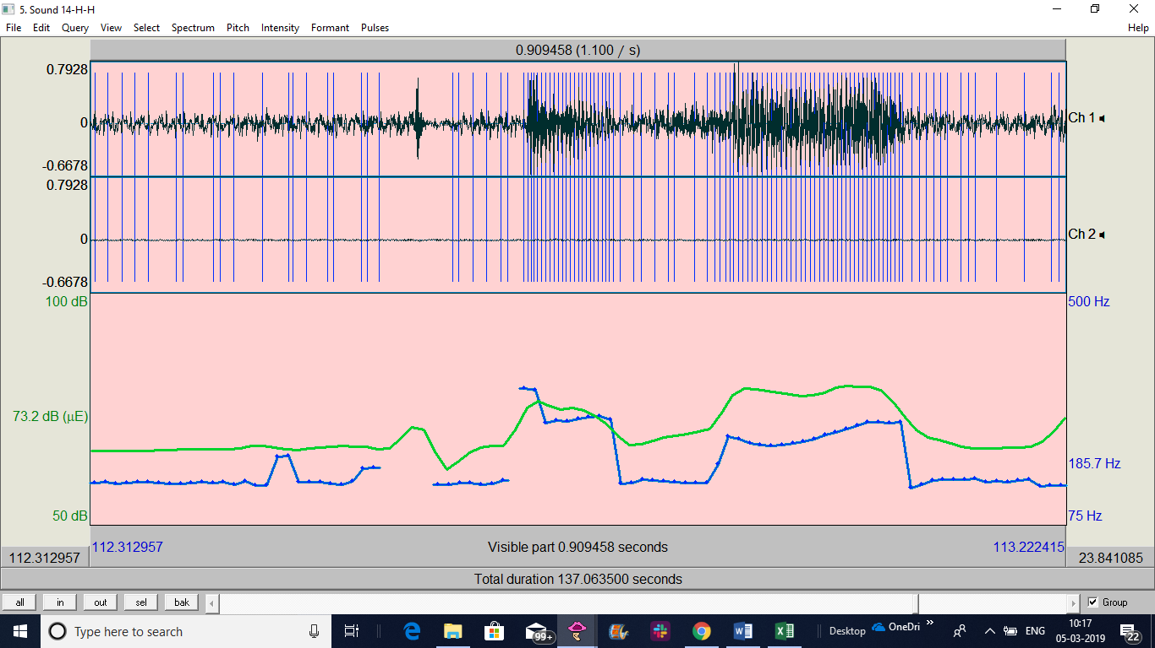
16-H-H | 3 | 135.9 | HA | When customer is not sure which cheque no to use,HA offers to look up for the last cheque no. used. | HA provides last cheque used | AR-Acknowledgement, Info. Given after question confirmed,replies to question | 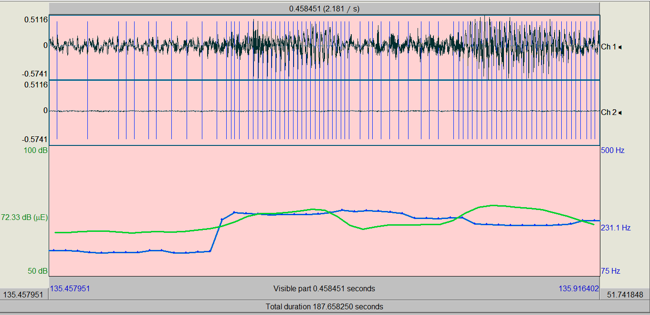
16-H-H | 8 | 40 | C | HA asks for zipcode to confirm identity | C unsure what is it, repeats to himself"zipcode", then finds and "okay it is…" | AR-Acknowledgement, Info. Given after question confirmed,replies to question
16-H-H | 9 | 72 | C | HA asks for routing number | C unsure what is it, repeats to himself, then finds and "okay it is…" | AR-Acknowledgement, Info. Given after question confirmed,replies to question
18-H-H | 6 | 149 | HA | C confirms what he seeks 'yes' | HA provides info on past transactions | AR
19-S-H | 4 | 114.99 | HA | When customer is not sure which cheque no to use,HA offers to look up for the last cheque no. used. | HA provides last cheque used | AR-Acknowledgement, Info. Given after question confirmed,replies to question
20-H-H | 4 | 94 | HA | When customer is not sure which cheque no to use,HA offers to look up for the last cheque no. used. | HA provides last cheque used | AR-Acknowledgement, Info. Given after question confirmed,replies to question

