Sheet1
AudioNo. | Sl. No. | Timestamp (ms) | Speaker (C/HA/VA) | ContextBefore(TS) | ContextAfter(TS) | Category | Prosody Pattern
1-S-H | 2 | 72.15 | HA | C says what he wants to do | HA repeats the same | ASC-Acknowledgement, SeeksConfirmation | 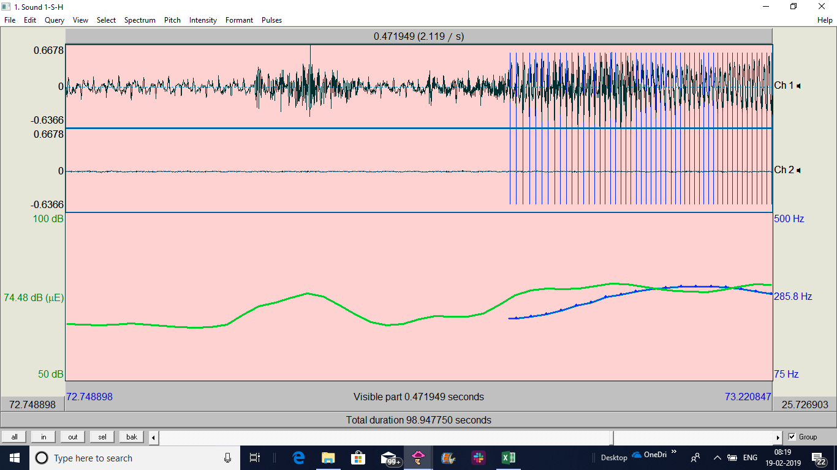
 | 5 | 106 | HA | HA asks "How much you would like to pay?" | HA repeats the transaction amount | ASC-Acknowledgement, SeeksConfirmation
5-H-H | 5 | 108.89 | HA | C corrects the cheque no. | HA repeats the entire thing again | ASC-Acknowledgement, SeeksConfirmation
10-H-H | 1 | 58.53 | HA | C asks a long question | HA repeats, summarizes and seeks confirmation of what he wants | ASC-Acknowledgement, SeeksConfirmation
10-H-H | 3 | 72 | C | HA gives all the past transactions information | C is confused and asks whether they were all debit | 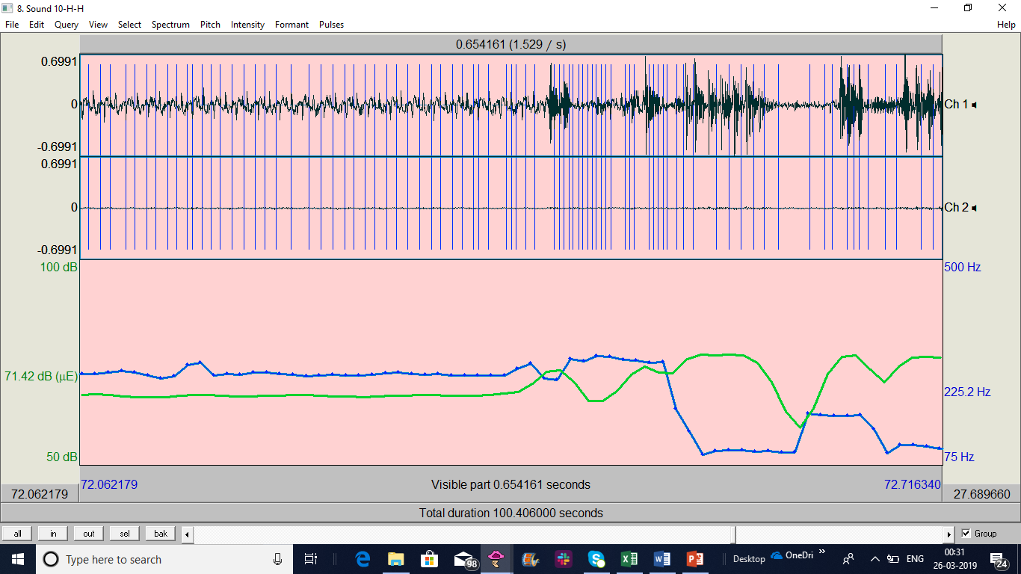 ASC-Acknowledgement, SeeksConfirmation
11-S-H | 3 | 95.3 | HA | C asks to pay certain amount | HA repeats the transaction amount to confirm | ASC-Acknowledgement, SeeksConfirmation | 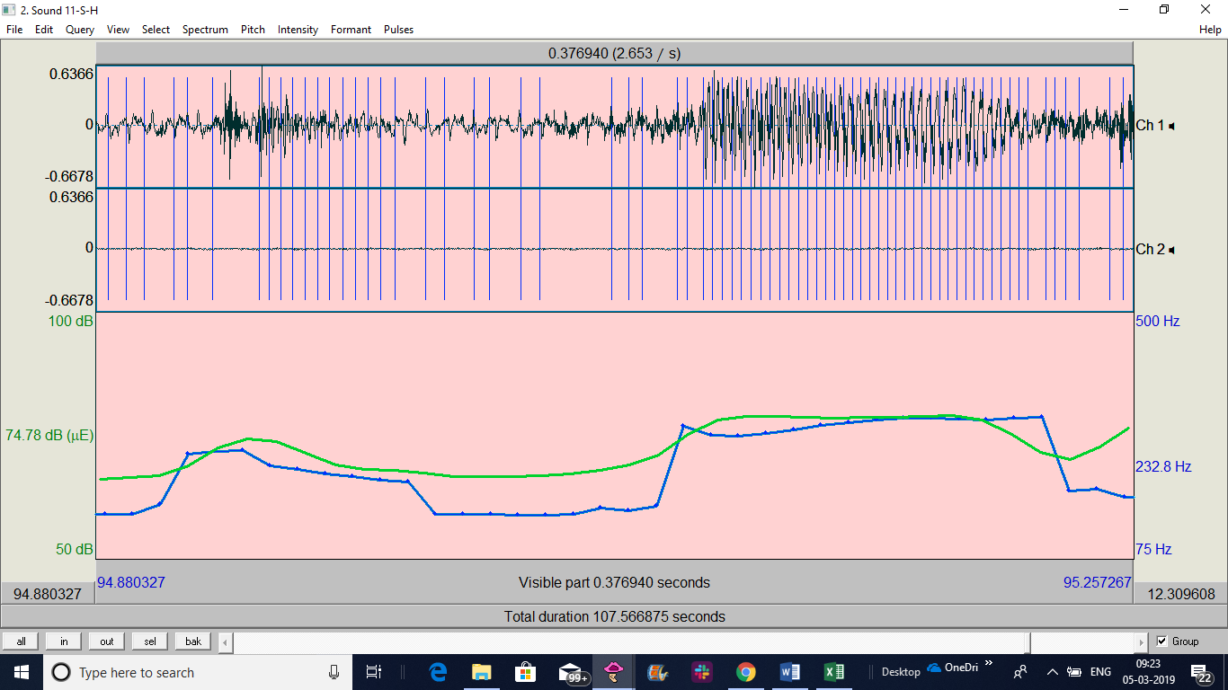
15-S-H | 3 | 59.6 | HA | C asks to pay certain amount | HA repeats the transaction amount to confirm | ASC-Acknowledgement, SeeksConfirmation | 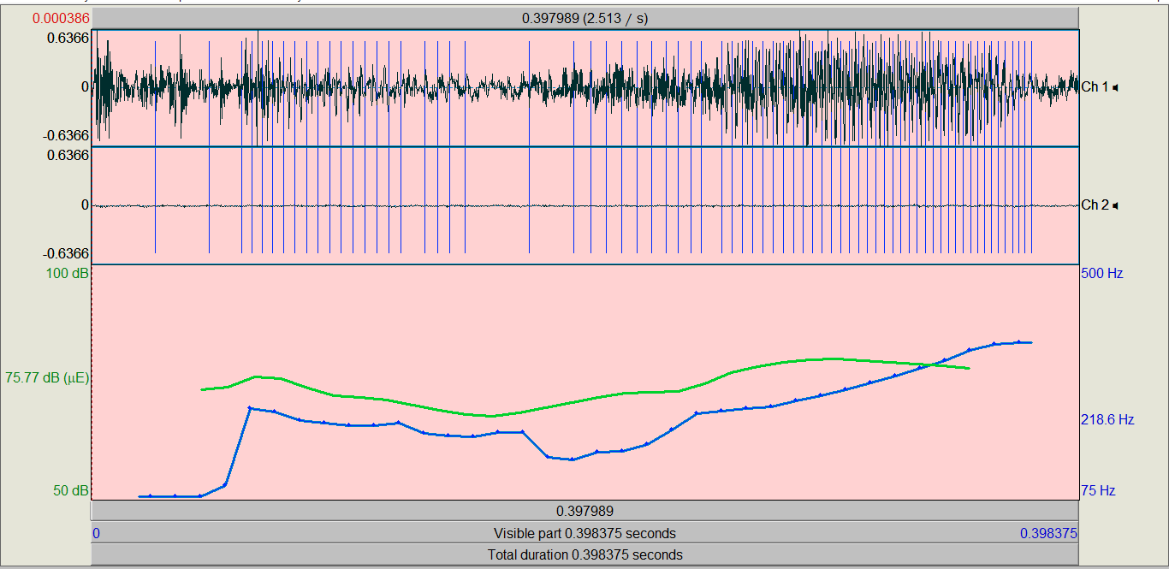
16-H-H | 4 | 159.9 | HA | HA asks "How much you would like to pay?" C says the amount | HA asks again to confirm | ASC-Acknowledgement, SeeksConfirmation
16-H-H | 5 | 167 | HA | C repeats last part of amount | HA repeats the whole transaction to confirm | ASC-Acknowledgement, SeeksConfirmation | 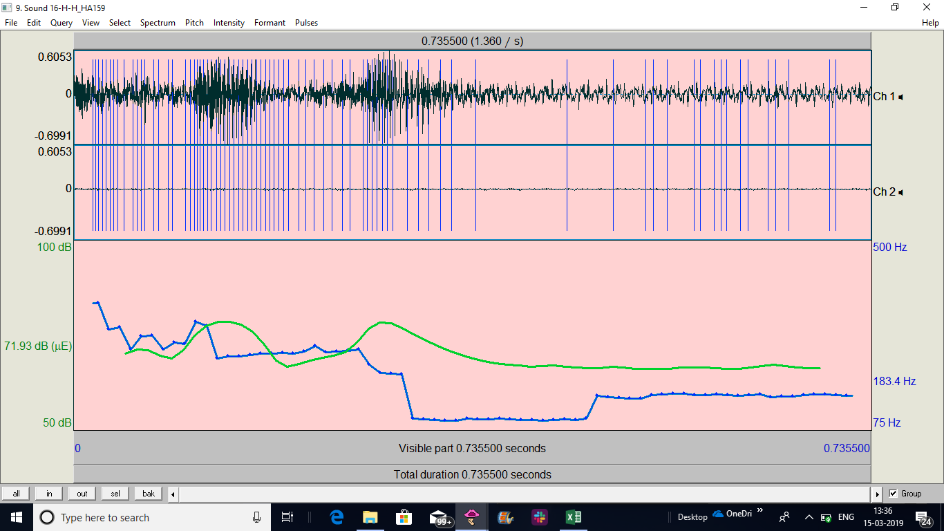
17-H-S | 3 | 73.58 | HA | C says to HA how much he would like to pay, minimal amount | HA repeats the amount to confirm payment | ASC-Acknowledgement, SeeksConfirmation | 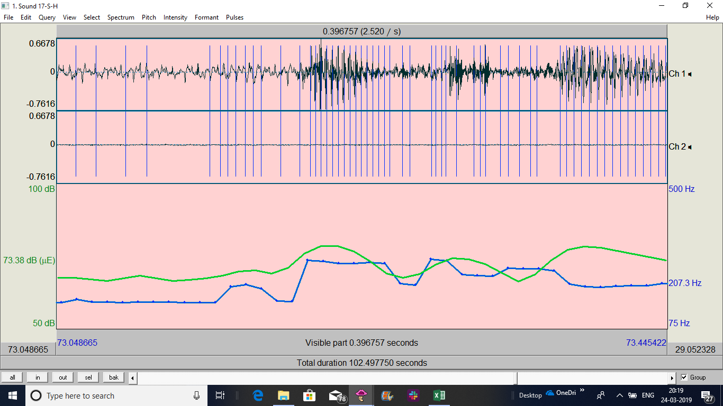
18-H-H | 4 | 128 | HA | C says the amount he likes to pay | HA repeats the amount to confirm | ASC
18-H-H | 5 | 142 | HA | C seeks info. on past transactions, another task | HA confirms the task | ASC
19-S-H | 5 | 128 | HA | C says the amount he likes to pay | HA repeats the amount to confirm | ASC
20-H-H | 5 | 106 | HA | C says the amount he likes to pay | HA repeats the amount to confirm | ASC

