Sheet1
AudioNo. | Sl. No. | Timestamp (ms) | Speaker (C/HA/VA) | ContextBefore(TS) | ContextAfter(TS) | Category | Prosody Pattern
 | 3 | 66.7 | HA | C says routing no. | HA asks for C's bank checking no. | AST
4-H-H | 1 | 53.5 | HA | C confirms bank name | HA asks for A/C. No. | AST-Acknowledgement,seeks more info. on same topic | 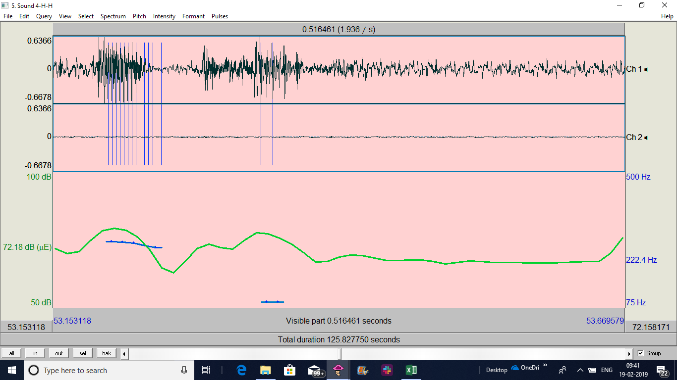
5-H-H | 3 | 77.8 | HA | C confirms bank name | HA asks for bank's checking A/C No. | AST-Acknowledgement,seeks more info. on same topic
11-S-H | 1 | 16.64 | HA | C gives other info. on his credit card A/C | HA asks the A/C no | AST-Acknowledgement,seeks more info. on same topic | 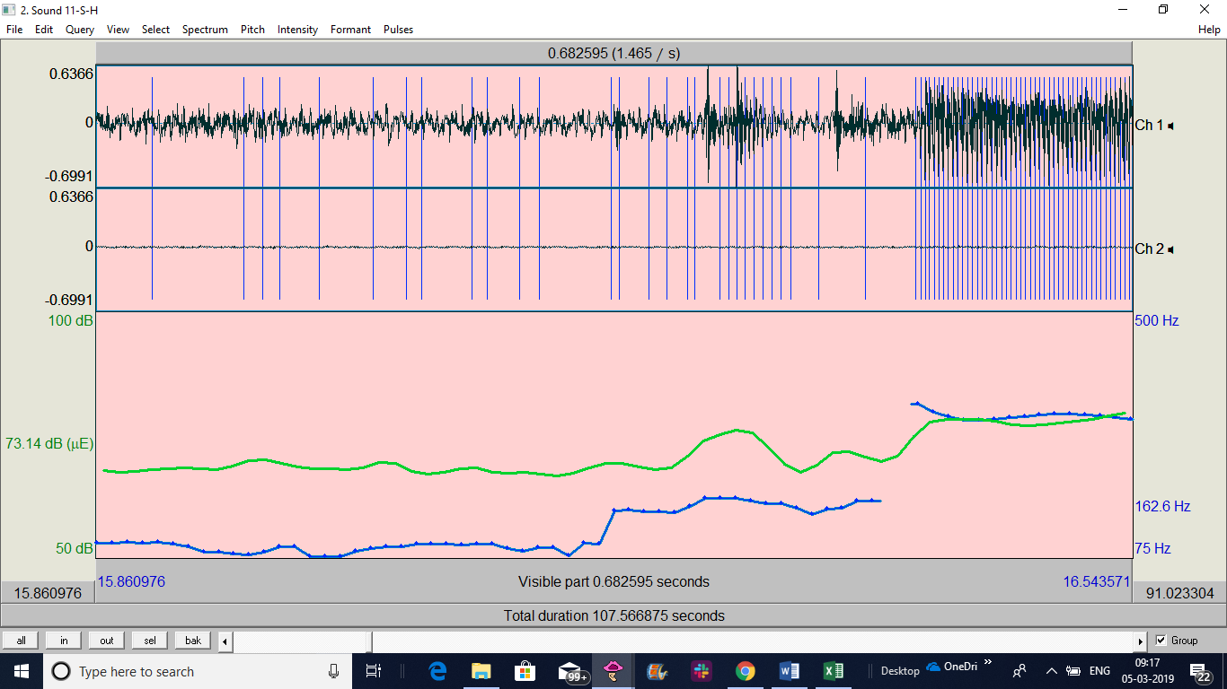
11-S-H | 2 | 80.8 | HA | C confirms bank name | HA asks for the checking number | AST-Acknowledgement,seeks more info. on same topic | 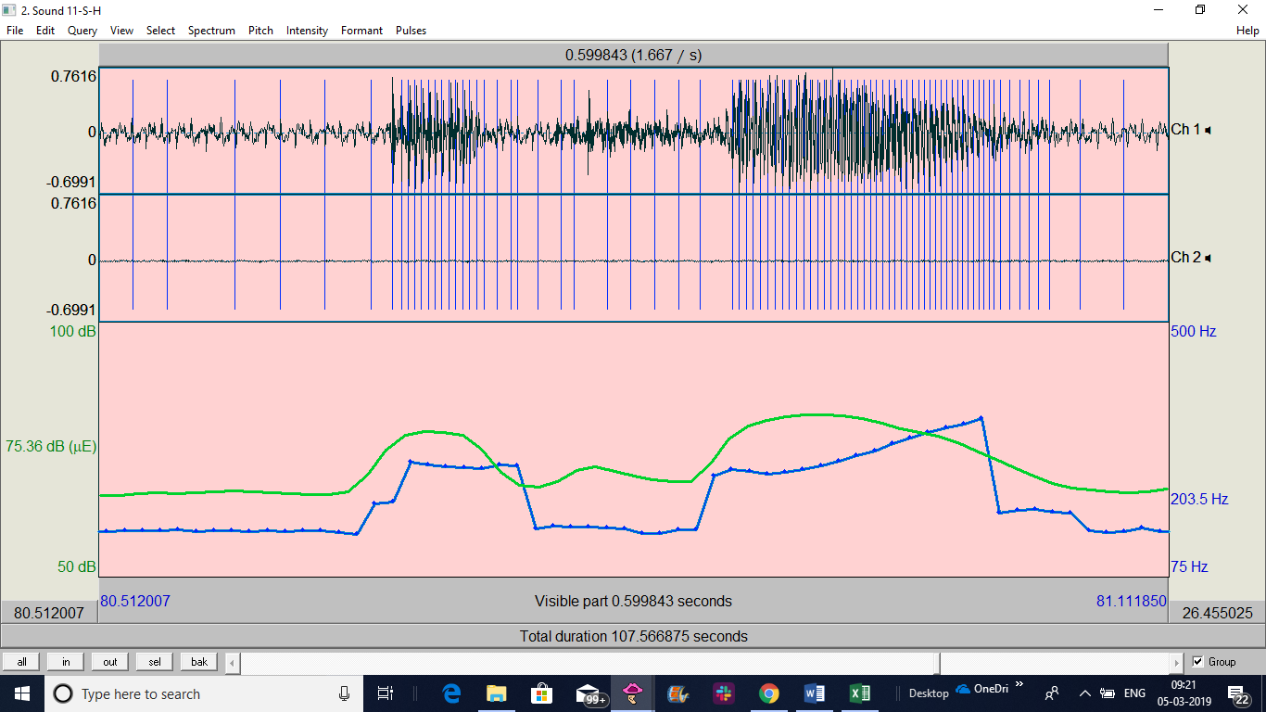
11-S-H | 5 | 32 | C | HA asks "How may I help you?" | C says "okay I need to…" states the task | AST-Acknowledges, gives more info on same topic
12-H-H | 1 | 75.123 | HA | C confirms bank name | HA asks for checking A/C no. | AST-Acknowledgement,seeks more info. on same topic | 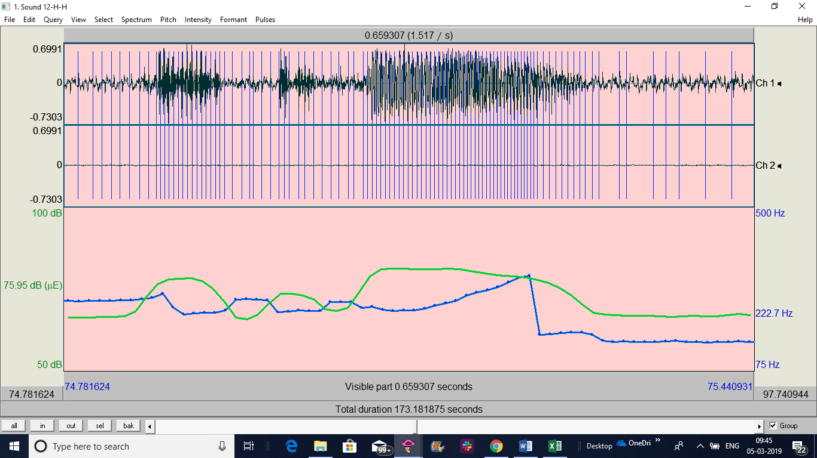
12-H-H | 7 | 160 | C | HA confirms one question about a certain transaction | C acknowledges the info. But goes on to ask some another question regarding the same transaction "and to which company?" | AST-Acknowledgement,seeks more info. on same topic
12-H-H | 8 | 163 | C | HA confirms one question about a certain transaction | C acknowledges the info. But goes on to ask some another question regarding the same transaction "and on what date?" | AST-Acknowledgement,seeks more info. on same topic
14-H-H | 1 | 47.77 | HA | C says "I need to make payment" | HA asks for bank routing No. | AST-Acknowledgement,seeks more info. on same topic | 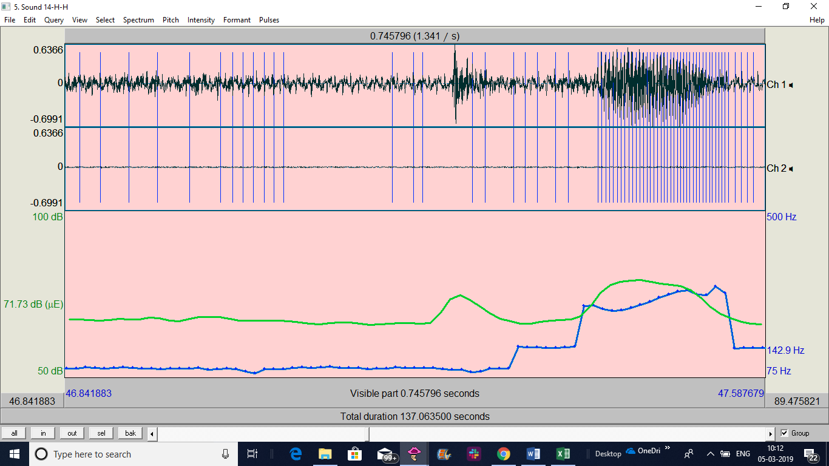
14-H-H | 2 | 59 | HA | C confirms bank name | HA asks for checking A/C. No. | AST-Acknowledgement,seeks more info. on same topic
15-S-H | 1 | 45.39 | HA | C confirms bank name | HA asks for checking A/C. No. | AST-Acknowledgement,seeks more info. on same topic | 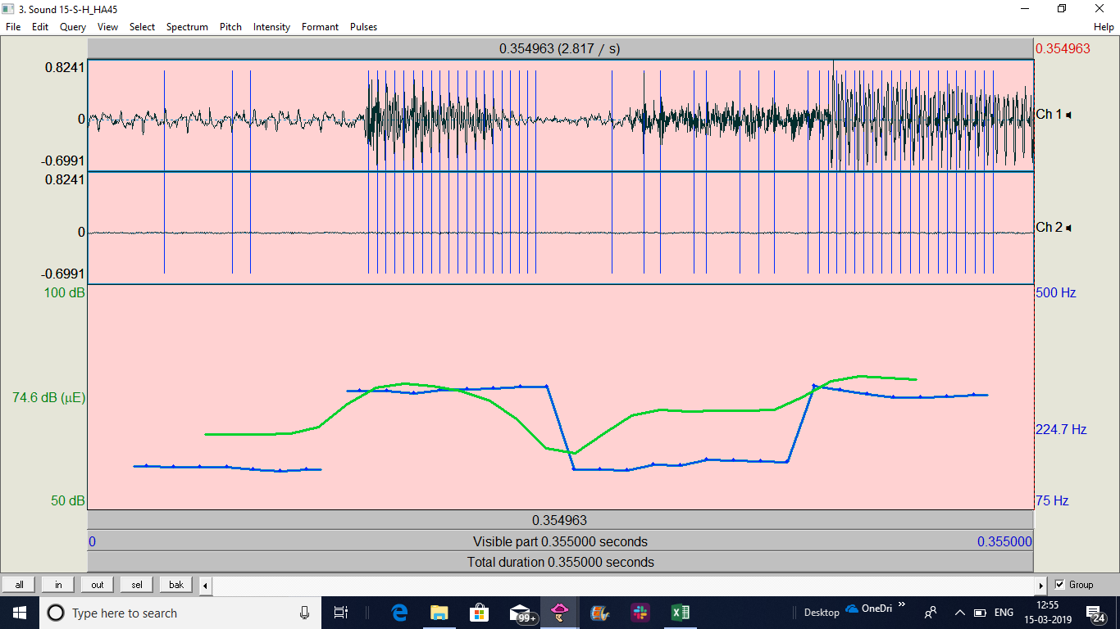
16-H-H | 2 | 81 | HA | C confirms bank name | HA asks for checking A/C. No. | AST-Acknowledgement,seeks more info. on same topic | 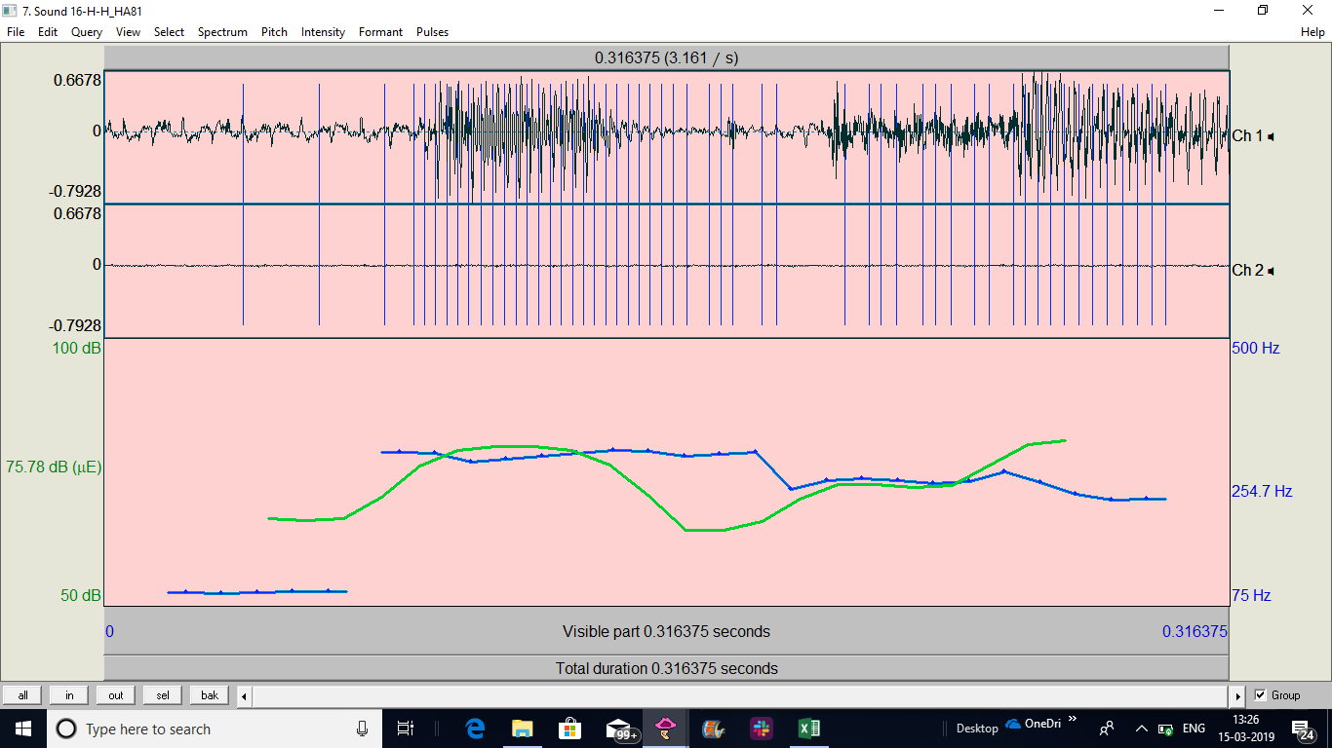
17-H-S | 1 | 46.5 | HA | C says "I need to make payment" | HA asks for bank's routing No. | AST-Acknowledgement,seeks more info. on same topic | 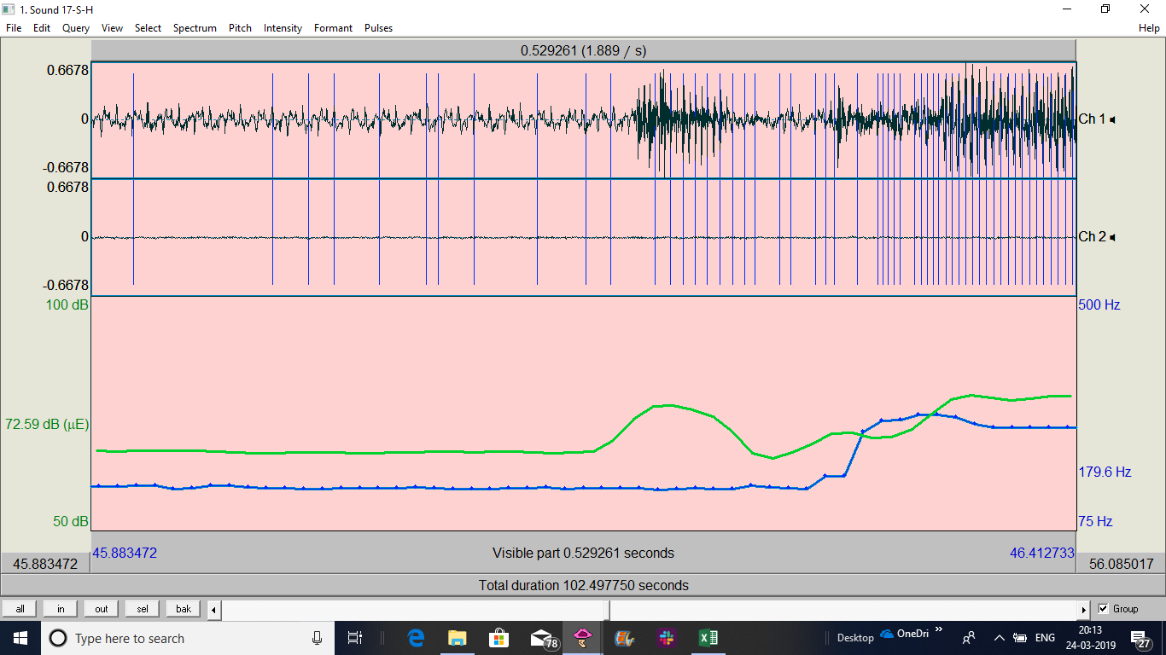
17-H-S | 2 | 56.139 | HA | C confirms bank name | HA asks for the checking A/C number | AST-Acknowledgement,seeks more info. on same topic
18-H-H | 2 | 101 | HA | C confirms bank name | HA asks for the checking A/C number | AST-Acknowledgement,seeks more info. on same topic
19-S-H | 3 | 79.12 | HA | C confirms bank name | HA asks for the checking A/C number | AST-Acknowledgement,seeks more info. on same topic
20-H-H | 3 | 67 | HA | C confirms bank name | HA asks for the checking A/C number | AST-Acknowledgement,seeks more info. on same topic

