Sheet1
AudioNo. | Sl. No. | Timestamp (ms) | Speaker (C/HA/VA) | ContextBefore(TS) | ContextAfter(TS) | Category | Prosody Pattern
1-S-H | 1 | 37.14 | HA | C says his CC A/C no. | HA:"What can I help you with?" | ATS-Acknowledgment, Topic Shift
2-H-H | 1 | 20.17 | HA | C says "I need to make payment" | HA asks for A/C. No. | ATS-Acknowledgment, Topic Shift
 | 2 | 53.66 | HA | C repeats same answer to same question of HA, double confirmation | HA asks for C's bank routing no. | ATS
4-H-H | 2 | 65.5 | HA | C gives A/C no. | HA asks "How much you would like to pay?" | ATS-Acknowledgment, Topic Shift
5-H-H | 2 | 67.83 | HA | C needs to make payment | HA asks for bank's routing No. | ATS-Acknowledgment, Topic Shift
 | 4 | 95.38 | HA | C says requires to pay all of it | HA asks for checking no. | ATS-Acknowledgment, Topic Shift
11-S-H | 6 | 43 | C | HA confirms, says yes to C 's question if that is the balance in his account as said by HA before. | C acknowledges the info but says " I need.." some other info on another task | ATS-Acknowledgment, Topic Shift
12-H-H | 5 | 108 | C | HA says payment has been processed | C acknowledges the info. But goes on to ask some another rinfo. | ATS
12-H-H | 6 | 155 | C | HA confirms one transaction amount at Wamart | C acknowledges the info. But goes on to ask some another question to confirm some other transaction info. "and ..amount?" | ATS | 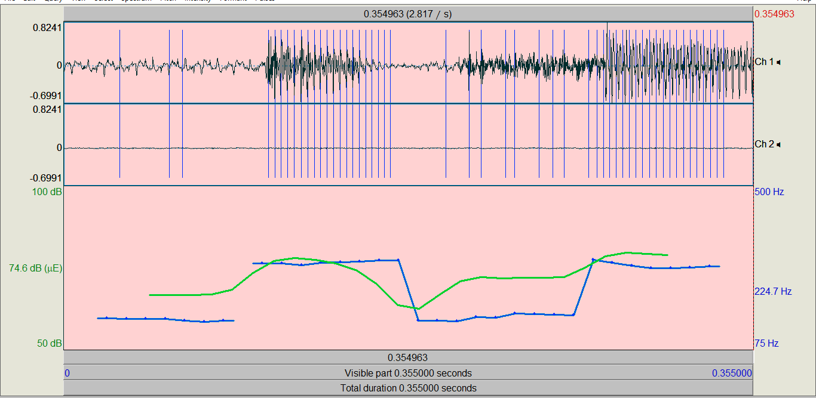
15-S-H | 2 | 56.57 | HA | C gives cheque no. | HA asks "How much you would like to pay?" | ATS-Acknowledgment, Topic Shift | 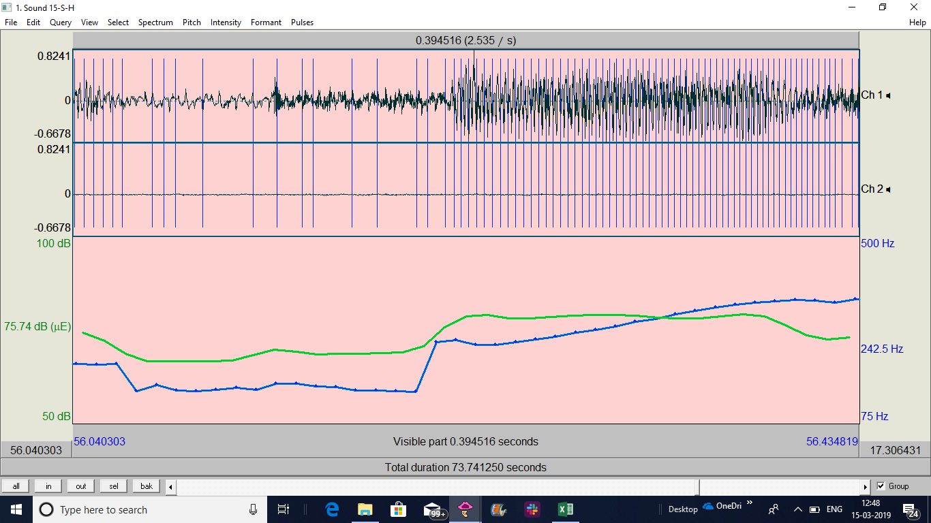
16-H-H | 1 | 56 | HA | C needs to make payment | HA asks for bank's routing No. | ATS-Acknowledgment, Topic Shift | 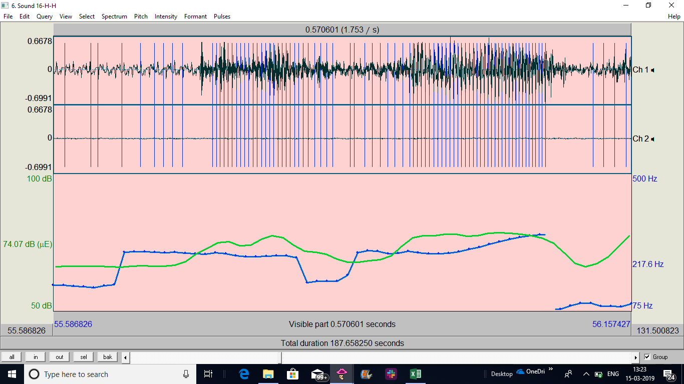
18-H-H | 1 | 88.83 | HA | C says "I need to make payment" | HA asks bank's routing no. | ATS | 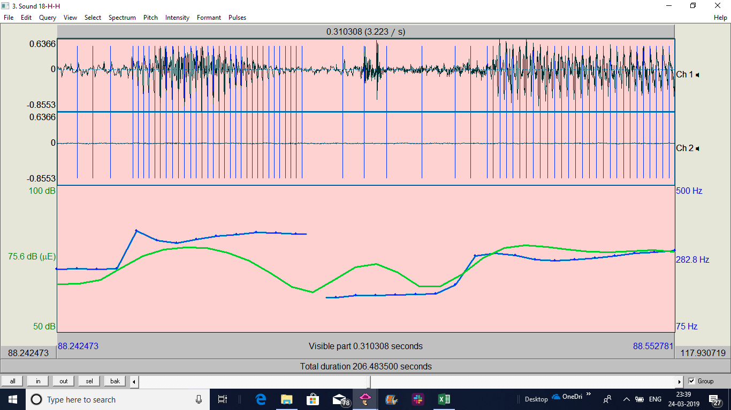
18-H-H | 3 | 117 | HA | C provides any cheque no. | HA asks 'how much you will like to pay?' | ATS
19-S-H | 1 | 30.59 | HA | C says "I need to make payment" | HA asks credit card A/C no. | ATS
19-S-H | 2 | 61.98 | HA | C repeats what he wants to do, make payment, on being asked again by the HA | HA asks for bank's routing no. | ATS
20-H-H | 1 | 19 | HA | C says "I need to make payment" | HA asks credit card A/C no. | ATS
20-H-H | 2 | 52 | HA | C repeats what he wants to do, make payment, on being asked again by the HA | HA asks for bank's routing no. | ATS

