Sheet1
AudioNo. | Sl. No. | Timestamp (ms) | Speaker (C/HA/VA) | ContextBefore(TS) | ContextAfter(TS) | Category | Prosody Pattern
1-S-H | 5 | 92 | C | Ha says the transactions, the second task C asks to do | C acknowledges the help and ends the conversation with Thank you very much. | EC-End Conversation | 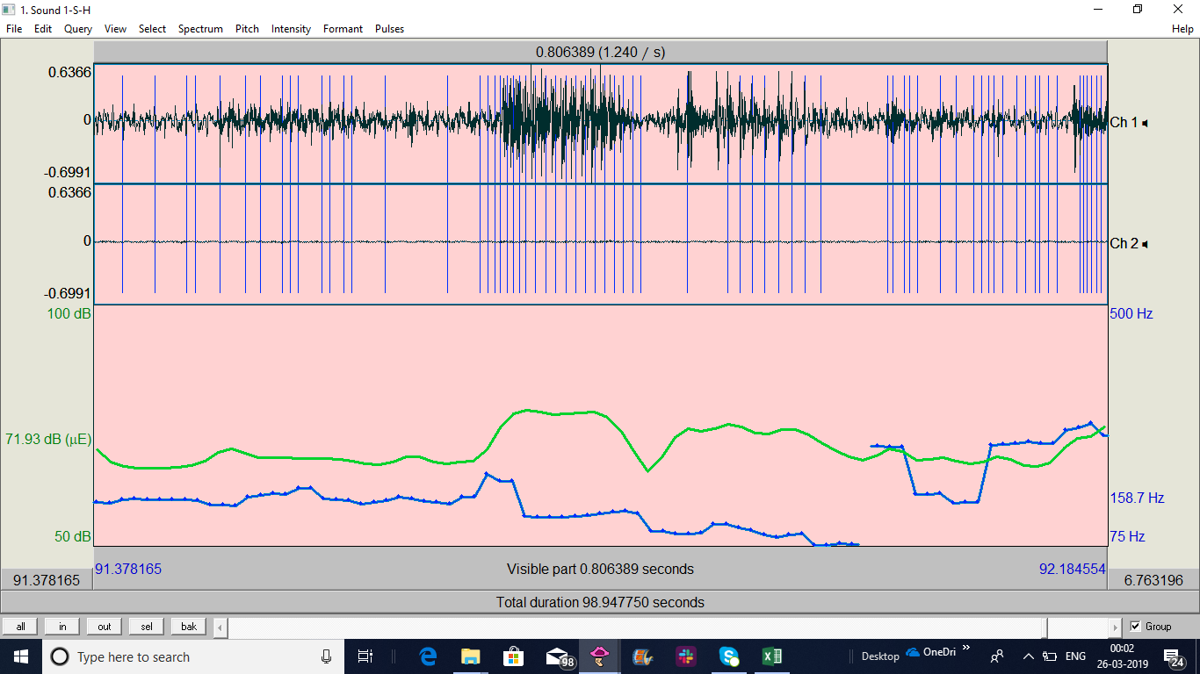
 | 6 | 140 | HA | HA asks"Is there anything else I can help you with ?" C says"NO" | HA " Thank you for calling" | EC-End of Conversation
4-H-H | 4 | 121 | HA | HA asks"Is there anything else I can help you with ?" C says"NO" | HA " Thank you for calling" | EC-End of Conversation
5-H-H | 6 | 121.28 | HA | C ends | HA says bye bye | EC-End of Conversation
10-H-H | 2 | 90.5 | HA | C says 'that’s all' | HA says 'Bye' | EC-End of Conversation
11-S-H | 4 | 104 | HA | C says 'no, that's all' | HA says 'thanks' | EC-End of Conversation | 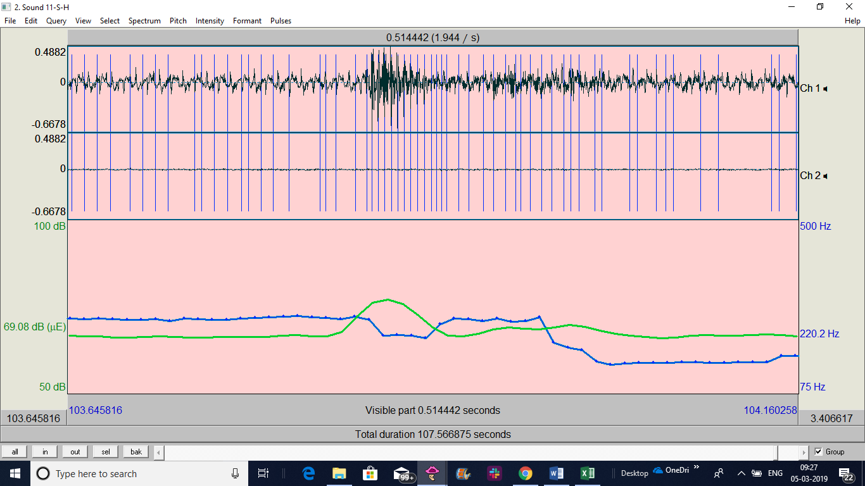
12-H-H | 3 | 166 | HA | C says' that’s all' | HA says 'bye' | EC-End of Conversation | 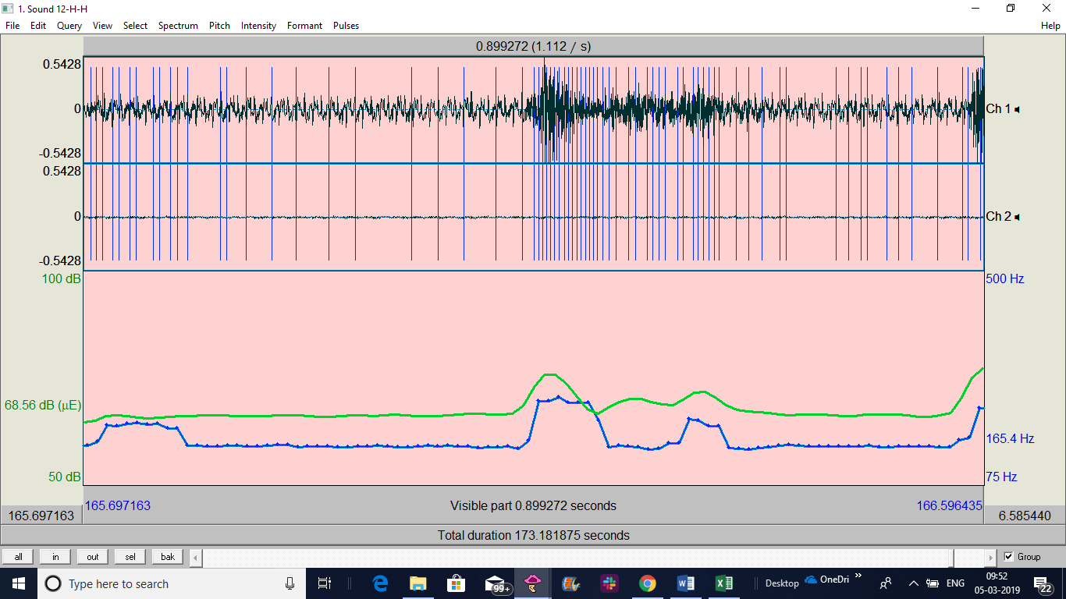
13-S-H | 2 | 76.12 | HA | C says 'no, that’s all' | HA says 'bye' | EC- End of Conversation | 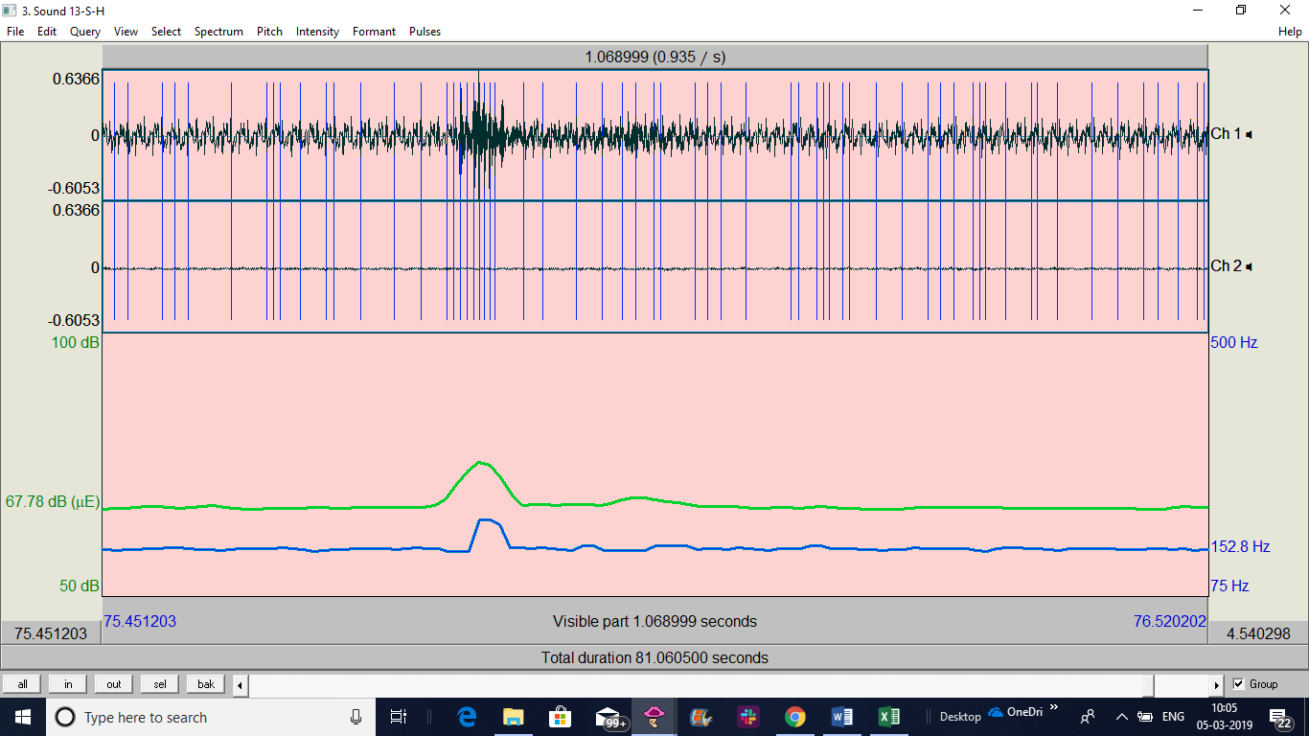
14-H-H | 4 | 131 | HA | C says 'no, that’s all' | HA says 'bye' | EC- End of Conversation
15-S-H | 4 | 70.5 | HA | C says 'no, that’s all' | HA says 'bye' | EC- End of Conversation
16-H-H | 7 | 178 | HA | C says 'no, that’s all' | HA says 'Thanks for calling' | EC- End of Conversation | 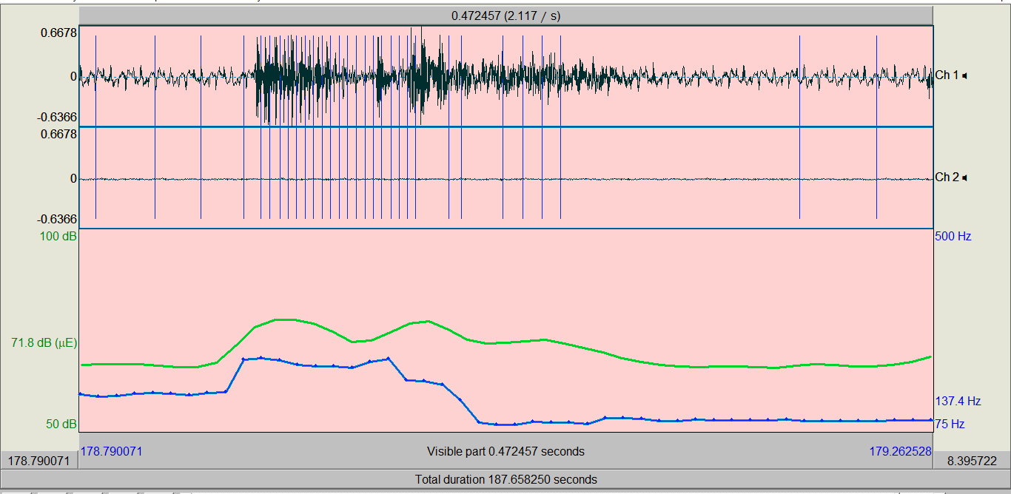
16-H-H | 10 | 180 | C | HA says okay Thankyou | C says okay | EC- End of Conversation
17-H-S | 4 | 97.33 | HA | C says 'no, that’s all' | HA says 'thank you for calling' | EC- End of Conversation
18-H-H | 7 | 200.7 | HA | C says okay after he gets his info; says 'that's all' | HA 'thanks for calling' | EC
19-S-H | 6 | 181 | HA | C says okay after he gets his info; says 'that's all' | HA 'thanks for calling' | EC | 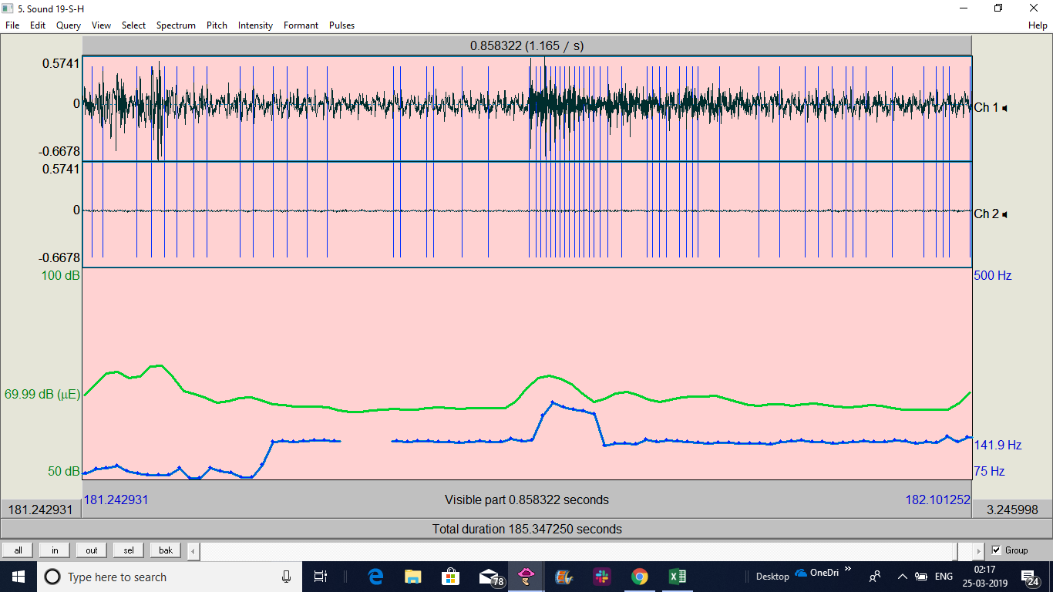
19-S-H | 8 | 181 | C | HA asks if there's anything else | C says "no its okay" | EC
20-H-H | 6 | 141 | HA | C says okay after he gets his info; says 'that's all' | HA 'thanks for calling' | EC

