Fac. Log
UIC:
Building Name | Building Number | Square Feet | CAT CODE | Facility Class: | Address | Year Built | Used For
AVTD, MTD, SCIF | 91002 | 36867 | 31920-LAB/TST GP |  | 533 W HEADQUARTERS AVE | 1969 | ADMIN/MTD/AVTD/SCIF
Westech Admin | 91024 | 4093 | 31920-LAB/TST GP |  | 388 W HEADQUARTERS AVE | 2007 | ADMIN- PM TSC
Gardner Shop/Maintenance | 91059 | 4086 | 21885- MNT GP | Multi-use bldg: 21885 (Main. Gen.)1345 sq. ft. 31920 lab/test 2741 sq. ft. | 424 MUSTANG RD | 1969 | A/C REPAIR/ LAB LAB/TST-TSC
Wash Station | 91064 | 1 | 14955- WASH PLAT ORG |  | Wash platform @ 91065 | 1969 | WASHRACK- FAC DIV.
Old Gardner Shop | 91065 | 1003 | 31410- GND TRAN EQP |  | 320 MUSTANG RD | 1969 | GROUNDS SHOP- FAC DIV.
Bunker | 92161 | 2857 | 31720- DETECT EQ |  | 1241 SUPPLY RD | 1969 | STORAGE BUNKER
Motor Pool | 94010 | 16452 | 31410- GND TRAN EQP |  | 439 OUTER FENCE RD | 1995 | GND TRAN EQP-TSC
Motor Pool | 94012 | 36 | 14113- ACCESS CNT |  | 439 OUTER FENCE RD | 1995 | GUARDHOUSE- TSC
Motor Pool | 94014 | 356 | 44228- HAZ MAT STR INS |  | 439 OUTER FENCE RD | 1995 | HAZMAT STORAGE- TSC
Motor Pool | 94015 | 26055 | 21885- MNT GP |  | 439 OUTER FENCE RD | 1995 | INST/ELEC WAREHOUSE-TSC
Motor Pool | 94016 | 1 | 89520-POLL CATCH BAS |  | Paved parking @ 94010 | 1995 | USED ANTIFREEZE BAS-TSC
Motor Pool | 94017 | 1 | 89520-POLL CATCH BAS |  | Pollutant catch basin @ 94010 | 1995 | USED OIL BASE- TSC
Motor Pool | 94020 | 23936 | 44220- STORAGE GP INST |  | 439 OUTER FENCE RD | 1995 | TSC WAREHOUSE- TSC
Motor Pool Storage | 94035 | 3526 | 44220- STORAGE GP INST |  | 439 OUTER FENCE RD | 2001 | INSTR INSTALL YARD-TSC
 | Aprox.Total Square Footage of Real Property (RP) | 119270

 |  | 238540

WFH Footprint
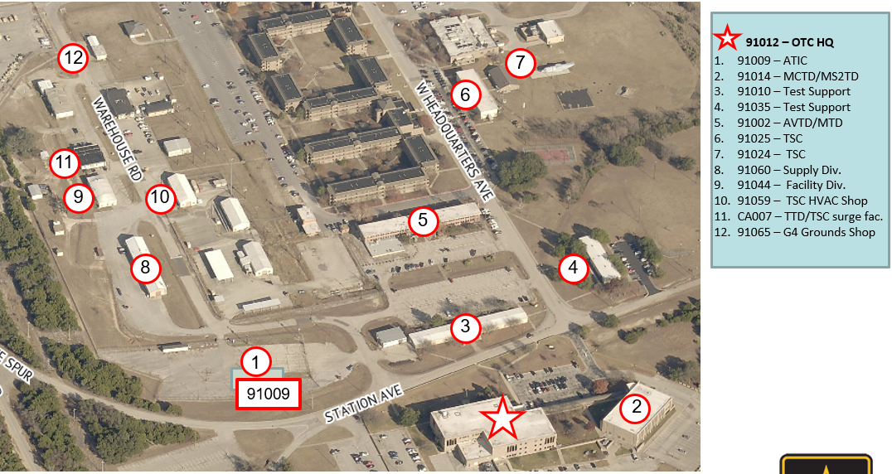
91012-OEC HQ

TSC_Motor Pool
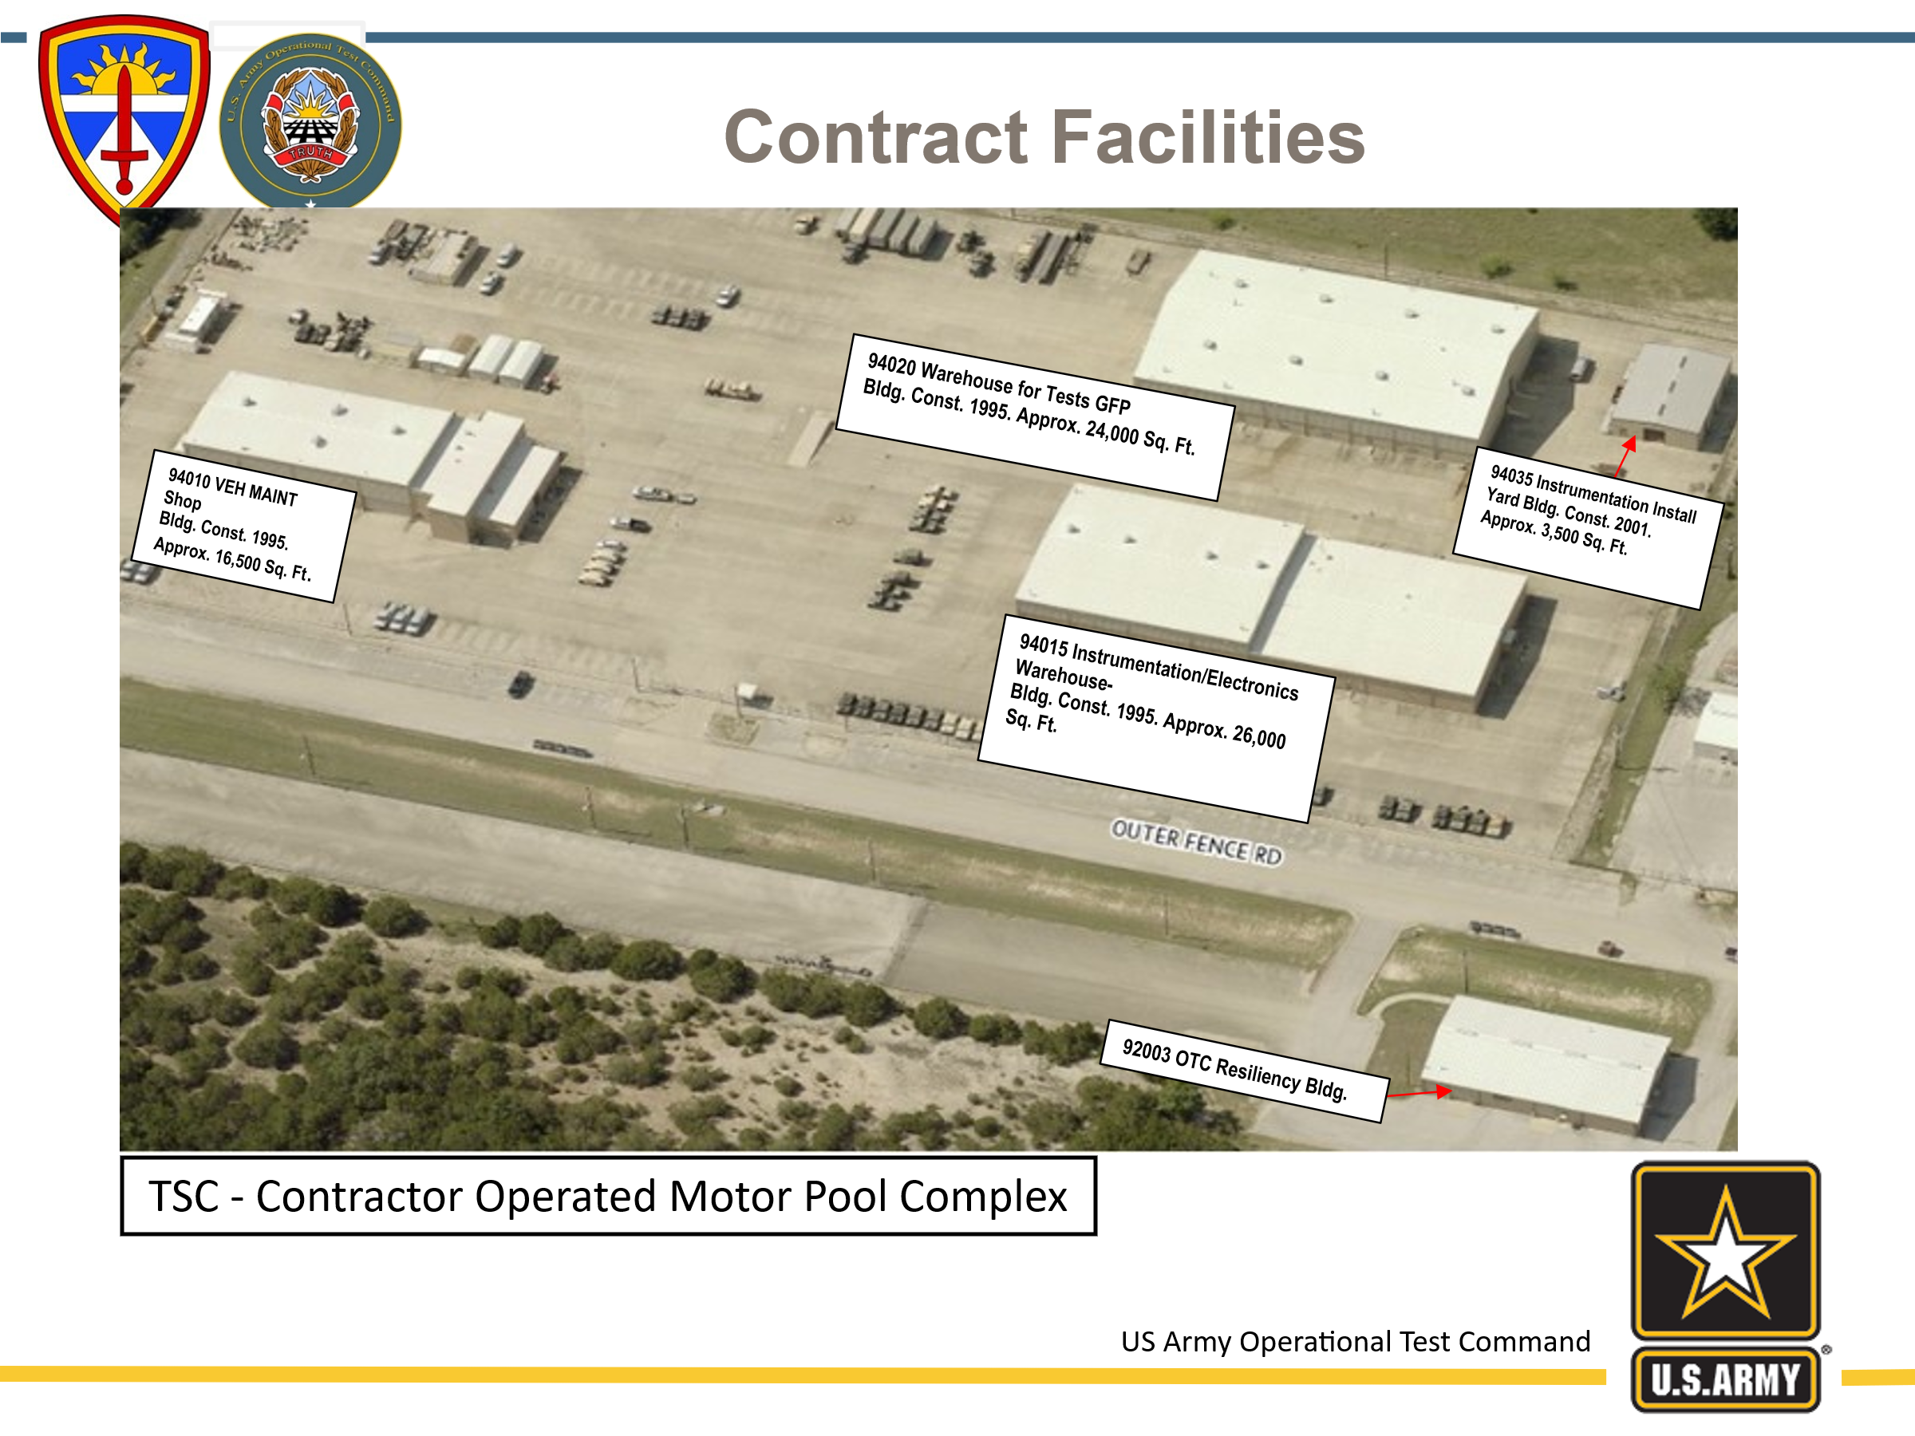

92003 OEC Resilency Building

Radio Hill
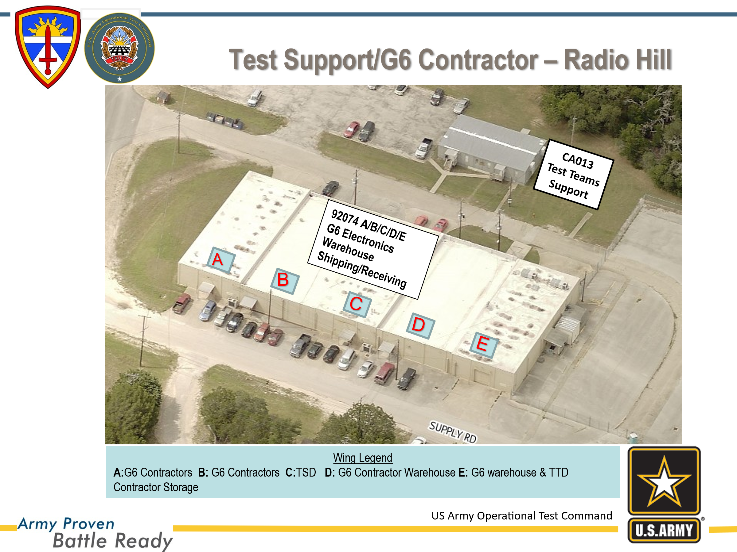

TURNED-IN

FTC
