PPI Submission Form
Pre-Proposal Inquiry Submission Form N4008526R0105 Q-58 Data Concentrator Shed Restoration, NSN, Norfolk, VA
Submitted By | Date Submitted | LEAVE BLANK | Reference |  |  | Question | Answer
 |  |  | Page | Section | Paragraph
 | 2026-03-20 |  | 5 | SOW |  | In Executable Scope of Work document, the section Steel Ladder and Associated Safety Hardware states for the ladder to be hot-dip galvanized; however, the Fixed Metal Ladder Notes on S-001 state for the ladder components to be stainless steel. Please confirm that all ladder components are to be stainless steel. | All steel components required to be hot-dipped galvanized. Any reference to stainless steel will be removed from scope of work and drawings for clarity in a forthcoming design revision.
 | 2026-03-20 |  |  |  |  | 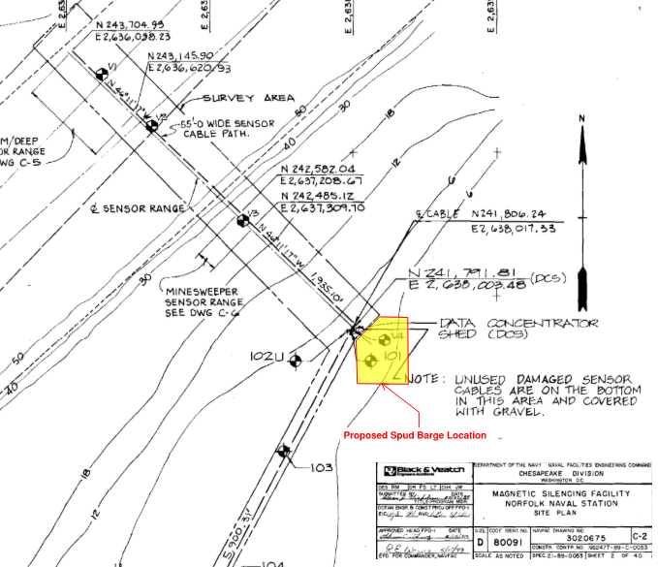 On the Q58 As Built reference drawings provided, NAVFAC drawing no. 3020675 depicts the submarine cable path in relation to the Q58 Shed. Can you please confirm that there is no cabling in the highlighted area as shown in this image, southeast of the Q58 shed, and that the contractor can spud down in this area? If this area is not acceptable, please identify an area in which contractor can safely spud to complete the work. | 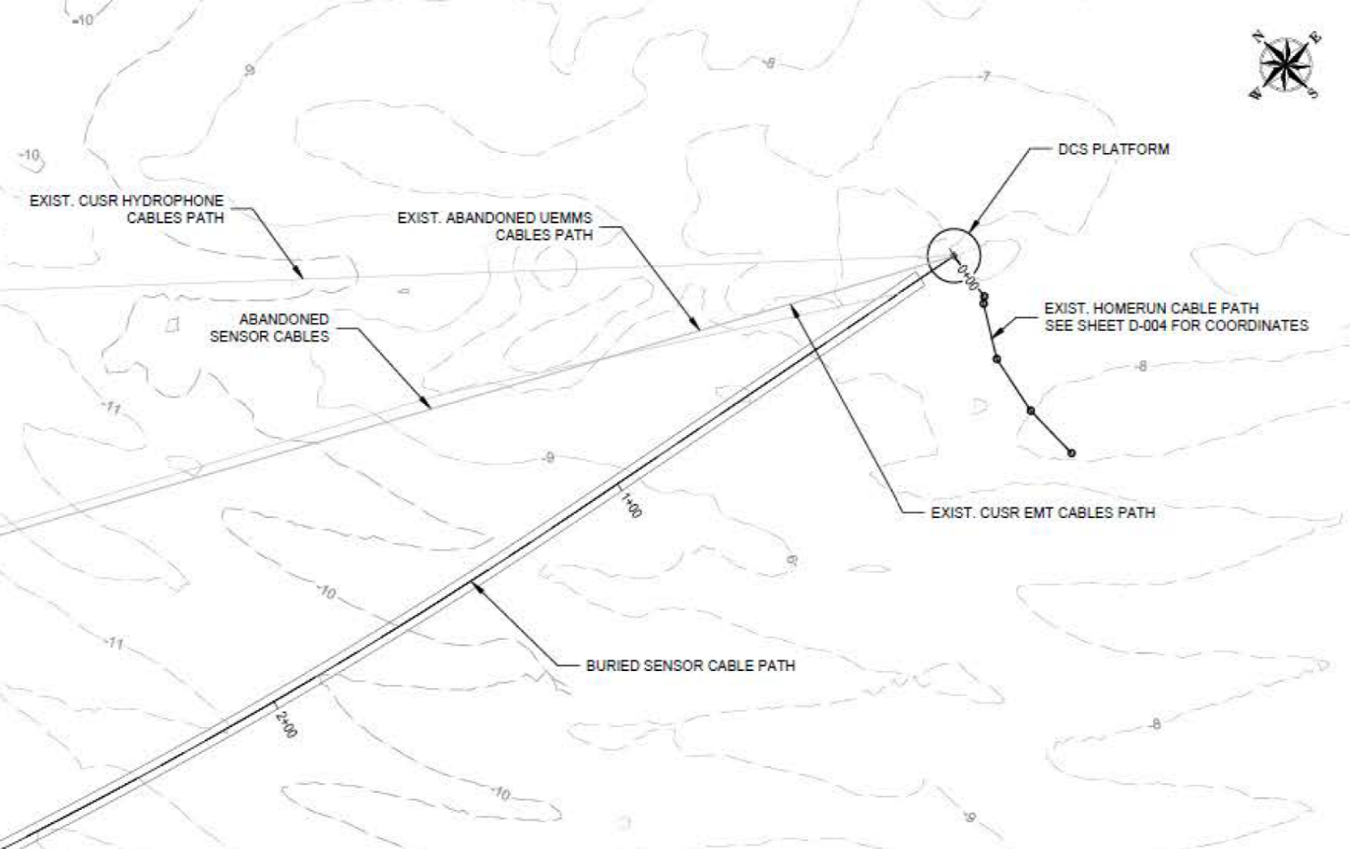 Refer to (2) snipits from Port Ops. Cables located North, South, and West of DCS. Ideal location appears to be due East of DCS. An attachment showing where to spud down will be included in a forthcoming deisgn revision. Further discussion to occur with NAVFAC construction manager at precon meeting. | 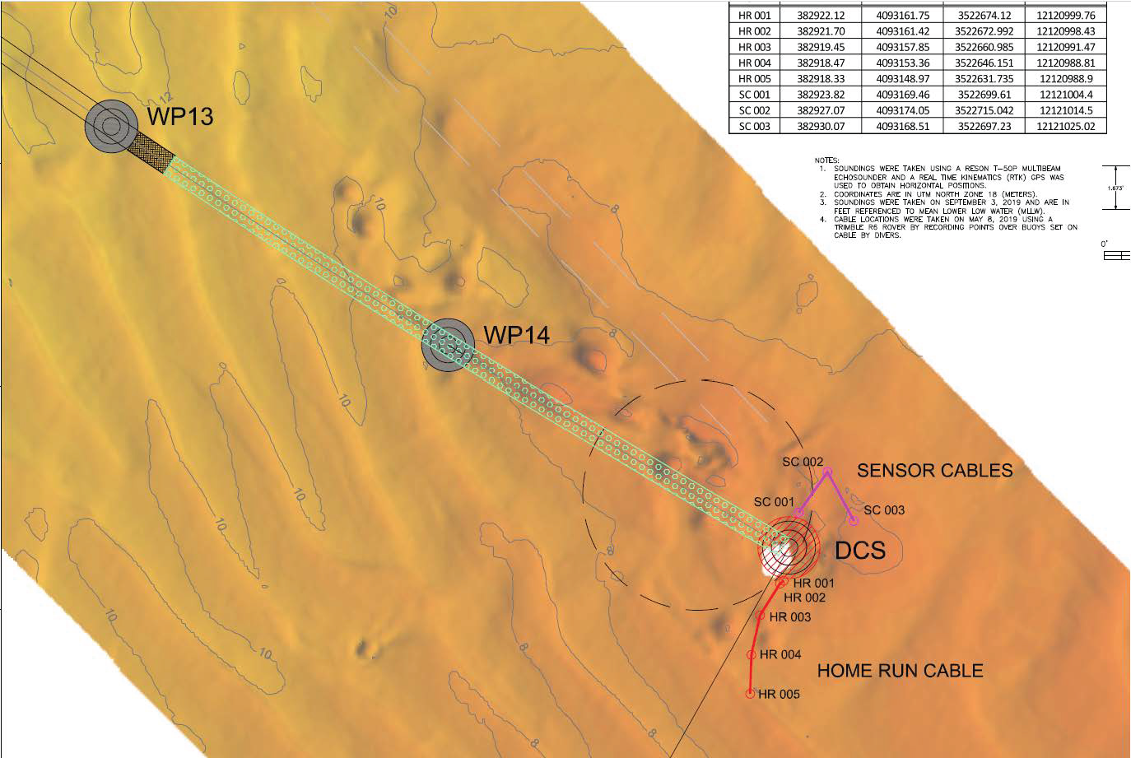
 | 2026-03-20 |  |  |  |  | Please provide any photos of the condition of the roof of the Q58 shed in order to determine the extent of hazardous material. | Photos NAVFAC has willl be provided (via DOD SAFE)
 | 2026-03-20 |  |  |  |  | Attachment I_Supplementary Instructions to Offerors, CLIN 0001AC. This CLIN is pricing for additional, unidentified collection and disposal of debris and guano not previously identified in accordance with the drawings and the following schedule. The drawings identify cleaning, but there is no quantity for basis of bid. Please confirm that all cleaning efforts related to debris and guano on the roof of the Q58 shed will be paid under this CLIN, or please provide a quantity that should be considered for the base bid. | Assume 5 cubic yards for base bid of clean up of bird guano and other waste material per keynote 8 on S-102. CLIN 0001AC is for 3 cubic yards of additional waste beyond what is called for in base bid. The quantity for base bid will be added to the drawings in forthcoming Design Revision.
 | 2026-03-20 |  |  |  |  | The SOW document Contractor Requirements #12a refers to a CLIN associated with "Removal and disposal of unidentified lead containing paint from surfaces to be disturbed during construction." There is no CLIN for this item on the Supplementary Instructions to Offerors. Please confirm contractor is to assume painted surfaces do not contain lead and if the presence of lead is encountered, it will be considered a changed condition. | Item 12a will be removed from the EXSOW as part of a fothcoming design revision. Bid on CLINs in bid schedule only. Assume surfaces do not contain lead. Concur a change conditon will occur if lead encountered.
 | 2026-03-20 |  |  |  |  | The SOW document Contractor Requirements #12b refers to a CLIN associated with "Work stoppage required due to naval operations or other un-related naval construction." There is no CLIN for this item on the Supplementary Instructions to Offerors. Please provide this CLIN. | Item 12b will be removed from the EXSOW as part of a fothcoming design revision. Bid on CLINs in bid schedule only.
 | 2026-03-20 |  |  |  |  | The SOW document Contractor Requirements #12d refers to a CLIN associated with "Additional steel for repairing miscellaneous corrosion on handrails, plates, and w-plates. Assume 20 SF 1/4" thick hot rolled galvanized steel." There is no CLIN for this item on the Supplementary Instructions to Offerors. Please confirm that this is not a project requirement. | Item 12d will be removed from the EXSOW as part of a fothcoming design revision. Bid on CLINs in bid schedule only. Refer to CLIN 0001AF in bid schedule instead.
 | 2026-03-20 |  |  |  |  | Please confirm that the Steel Bollard cleaning decription in the SOW document (page 5) should be removed, as the steel bollards are to be demolished and replaced with new. | Concur. Verbiage regarding steel bollard cleaning on page 5 will be removed as part of forthcoming Design Revision.
 | 2026-03-20 |  | S-001 |  |  | Per S-001, Structural Steel Notes, the W-Shapes, other rolled/plate shapes, and pipes are specified to be galvanized and the hardware is specified to be stainless steel. There is a concern with dissimilar metals. Please clarify. | All steel components required to be hot-dipped galvanized. Any reference to stainless steel will be removed from scope of work and drawings for clarity in a forthcoming design revision.
 | 2026-03-20 |  |  |  |  | SOW & drawings call for a "foam rubrail wing-type fender". Are these intended to be rubber? Can EPDM rubber be used in lieu of foam? | EPDM rubber material can be used. Submit product data for final government approval during consturction.
 | 2026-03-20 |  | S-101 |  |  | Keynote 2 references utilizing clip angles to attach the C6x10.5 channel to the W6x20 beam, but no dimensions are detailed on the drawing. Can you please provide the dimensions of the clip angle? | Use 4" long L3x3x3/8 clip angles. A detail will be provided in a forthcoming Design Revision.
 | 2026-03-20 |  | S-001 |  |  | The ASTM specifications in the drawing set for the bolts, nuts, and washers are different from the ASTM specifications listed on page 6 of the SOW document. Please confirm which is correct. | Use ASTM specifications on page 6 of SOW. ASTM A307 grade A for bolts, ASTM A563 for nuts, and ASTM F844 for washers. All steel components required to be hot-dipped galvanized. Any reference to stainless steel will be removed from scope of work and drawings for clarity in a forthcoming design revision.
 | 2026-03-20 |  | S-301 | Detail A1 | Keynote 10 | Please provide the size of weld required for the ladder anchorage angle to the DCS shell. | Provide 5/16" fillet weld.
 | 2026-03-24 |  |  |  |  | Supplementary Instructions to Offerors: CLIN0001AF states, "Price for additional, unidentified 42" tall, 1.5" diameter schedule 40 steel pipe handrail system…" There is no work described in the scope of work or depicted on the drawings related to existing handrail. Should the contractor include demolishing 20 LF of existing handrail in pricing for this CLIN? Please advise. | Yes, include demolition of 20 LF of existing handrail in pricing for CLIN 0001AF.
 | 2026-03-24 |  |  |  |  | Supplementary Instructions to Offerors: CLIN0001AF states, "Price for additional, unidentified 42" tall, 1.5" diameter schedule 40 steel pipe handrail system…" Please confirm that the handrail is to be galvanized with no additional coating. | Yes, handrail to be hot dipped galvanzied.
 | 2026-03-24 |  | S-301 |  | Keynote 2 | Please specify the finish of the metal self-closing swing gate, i.e. stainless steel, galvanized, powder coated. | All steel components required to be hot-dipped galvanized. Any reference to stainless steel will be removed from scope of work and drawings for clarity in a forthcoming design revision.
 | 2026-03-24 |  | S-001 |  |  | Steel Deck Notes specify the grating to be stainless steel 316. There is a concern with dissimilar metals, as the support beams are galvanized. Can the grating be galvanized in lieu of stainless steel? | All steel components required to be hot-dipped galvanized. Any reference to stainless steel will be removed from scope of work and drawings for clarity in a forthcoming design revision.
 | 2026-03-24 |  |  |  |  | CLIN 0001AB & CLIN 0001AD: Please confirm that any additional power tool cleaning of steel and application of primer/paint would be above the tidal zone area. | Yes, all work to occur above tidal zone.
 | 2026-03-25 |  |  |  |  | In the tidal area around the structure there is heavy marine and organic growth. Per typical industry standards, is it acceptable to remove this growth by means of pressure washing prior to power tool cleaning the exposed surface? | Yes, this is acceptable.
 | 2026-03-25 |  | SOW, p. 6 | 9 |  | The paint specified in the SOW can not be applied to a damp/wet base. To prevent paint failure in the tidal zone, the contractor proposes utilizing SOMAY / Underwater Technologies HYCOTE 151 Polyamine Epoxy Coating, which is an approved coaring to be applied underwater on US Naval vessels. This would be in lieu of the specified three coats, but only in the tidal zone. The remaining steel members to be coated will be coated as specificed in the SOW. Please confirm. | Yes, this is acceptable. Submit product type to government for review during construction.
 | 2026-03-25 |  |  |  |  | Would NAVFAC consider quantifying the amount of coating to be repaired in square foot? | Bid based on information provided in contract drawings.
 | 2026-03-25 |  |  |  |  | Does NAVFAC have any paint sample testing results showing levels of contaminents? | No.
 | 2026-03-26 |  | 1 | SOW |  | The Executable SOW, Contractor Requirements, Item #3 says to "perform a thorough site visit before preparing a bid. During the site visit, the option to board the platform was not provided. Therefore, bids will have to be based on the dimensions on the drawings and any substantial differences discovered during the field investigations for the development of steel shop drawings should be considered a changed condition. Does NAVFAC agree? | The option was availible at the discresion of the KTRs. KTRs elected to not board the platform. Non-concur.
 | 2026-03-26 |  | 1 | SOW |  | The Executable SOW, Contractor Requirements, Item #4 states an escort to the remote job may be required daily. If so, is there a cost associated with a daily escort for the Prime Contractor to absorb? | Not expected.
 | 2026-03-26 |  | 1 | SOW |  | The Executable SOW, Contractor Requirements, for Item #5 the use of a barge as a laydown area will be provided in our bid. Is there a distance requirement as to how far away the barge must be placed adjacent to the Data Concentrator Shed and will the barge be allowed to be left in place for the project duration? | Exact location will be discussed and covered at the preconstruction meeting with the NAVFAC construction manager and engineering technician after award. Assume barge can be left in place during duration of project.
 | 2026-03-26 |  | NA |  |  | To transport workers to the project site on a daily basis, can the MWR Norfolk Naval Sailing Center Marina be used for worker parking and a commercial marine transport vessel (boat) to pickup and transport the workers to and from the project site and the "boat" be moored each night in a slip in the marina? | A waterfront area slip will be provided for overnight mooring of a boat from transporting workers to and from the site. This will be discussed and covered more at the preconstruction meeting with the NAVFAC construction manager and engineering technician after award.
 | 2026-03-26 |  | NA |  |  | The RFP documents including the Executable SOW does not reference or provide the typical Division 01 Specifications such as 01 20 00 "Price and Payment Procedures", 01 30 00 "Adminstrative Requirements", 01 31 23.13 20 eCMS, 01 32 01.00 10 "Project Schedule", 01 32 17.00 20 "Cost-Loaded NAS", 01 35 26 "Governmental Safety Requirements", 01 45 00 "Quality Control", 01 45 35 "Special Inspections", 01 57 19 "Temporary Environmental Controls", 01 74 19 "Construction Waste Management and Disposal" and 01 78 00 "Closeout Submittals". Therefore we have the following questions: 1. What is the project Administrative Requirements for the prime contractor for project supervision? Will a single person be allowed to serve as the project Superintendent, project QC, and project SSHO? If one or more are required to fill these supervisory roles, what are the required qualifications for each position of Superintendent, QC, and SSHO? 2. Will this project be required to utilize eCMS for project documentation such as Submittals, Daily Production and QC Reports, RFI's, etc per typical Spec Section 01 31 23.13 20? 3. Is a typical NAVFAC Schedule of Values to be provided as the basis of invoicing for monthly progress payments? 4. What type of Project Schedule required for the project such as a Cost Loaded NAS or a Non-Cost Loaded Schedule and is a Primavera P6 Schedule required either cost-loaded or non-cost loaded? 5. The Solicitation RFP "General Requirements", paragraph entitled "Record Shop Drawings" states "In accordance with FAR 52.236-21 Specifications and Drawings for Construction, record shop drawings are required. Reproducible copies of these record drawings are not required." Is this defined as Red-Lined As-Builts of the original contract plans or will ACADD As-Bult Drawings be required? Will a copy of all record Submittals and As-Built Shop Drawings also be required? 6. Will there be any other "Closeout Submittals" required? | Original intent was for 01 front end specs for MACC contract to be used. Until recently this was the case, so 01 front end specs were not provided; however, NAVFAC's new protocol is for each individual TO on MACC to have own 01 front end specs. 01 Front end specifications will be provided as part of forthcoming design revision. Standby.
 | 2026-03-26 |  | NA |  |  | During the March 19, 2026 Site Visit, it was mentioned that the Government will be taking photos of the existing roof structure. When are these photos expected to be provided to all bidders? | Photos will be provided via the contract specialist.
 | 2026-03-26 |  | 5 | SOW |  | In Executable Scope of Work document, the section Steel Ladder and Associated Safety Hardware states for the ladder to be hot-dip galvanized; however, the Fixed Metal Ladder Notes on S-001 state for the ladder components to be stainless steel. Please confirm that all ladder components are to be stainless steel. | All steel components required to be hot-dipped galvanized. Any reference to stainless steel will be removed from scope of work and drawings for clarity in a forthcoming design revision.
 | 2026-03-26 |  |  |  |  | On the Q58 As Built reference drawings provided, NAVFAC drawing no. 3020675 depicts the submarine cable path in relation to the Q58 Shed. Can you please confirm that there is no cabling in the highlighted area as shown in this image, southeast of the Q58 shed, and that the contractor can spud down in this area? If this area is not acceptable, please identify an area in which contractor can safely spud to complete the work. | Exact location will be discussed and covered at the preconstruction meeting with the NAVFAC construction manager and engineering technician after award. Assume barge can be left in place during duration of project.
 | 2026-03-26 |  |  |  |  | Please provide any photos of the condition of the roof of the Q58 shed in order to determine the extent of hazardous material. | Photos will be provided via the contract specialist.
 | 2026-03-26 |  |  |  |  | Attachment I_Supplementary Instructions to Offerors, CLIN 0001AC. This CLIN is pricing for additional, unidentified collection and disposal of debris and guano not previously identified in accordance with the drawings and the following schedule. The drawings identify cleaning, but there is no quantity for basis of bid. Please confirm that all cleaning efforts related to debris and guano on the roof of the Q58 shed will be paid under this CLIN, or please provide a quantity that should be considered for the base bid. | Assume 5 cubic yards for base bid of clean up of bird guano and other waste material per keynote 8 on S-102. CLIN 0001AC is for 3 cubic yards of additional waste beyond what is called for in base bid. The quantity for base bid will be added to the drawings in forthcoming Design Revision.
 | 2026-03-26 |  |  |  |  | The SOW document Contractor Requirements #12a refers to a CLIN associated with "Removal and disposal of unidentified lead containing paint from surfaces to be disturbed during construction." There is no CLIN for this item on the Supplementary Instructions to Offerors. Please confirm contractor is to assume painted surfaces do not contain lead and if the presence of lead is encountered, it will be considered a changed condition. | Item 12a will be removed from the EXSOW as part of a fothcoming design revision. Bid on CLINs in bid schedule only. Assume surfaces do not contain lead. Concur a change conditon will occur if lead encountered.
 | 2026-03-26 |  |  |  |  | The SOW document Contractor Requirements #12b refers to a CLIN associated with "Work stoppage required due to naval operations or other un-related naval construction." There is no CLIN for this item on the Supplementary Instructions to Offerors. Please provide this CLIN. | Item 12b will be removed from the EXSOW as part of a fothcoming design revision. Bid on CLINs in bid schedule only.
 | 2026-03-26 |  |  |  |  | The SOW document Contractor Requirements #12d refers to a CLIN associated with "Additional steel for repairing miscellaneous corrosion on handrails, plates, and w-plates. Assume 20 SF 1/4" thick hot rolled galvanized steel." There is no CLIN for this item on the Supplementary Instructions to Offerors. Please confirm that this is not a project requirement. | Item 12d will be removed from the EXSOW as part of a fothcoming design revision. Bid on CLINs in bid schedule only. Refer to CLIN 0001AF in bid schedule instead.
 | 2026-03-26 |  |  |  |  | Please confirm that the Steel Bollard cleaning decription in the SOW document (page 5) should be removed, as the steel bollards are to be demolished and replaced with new. | Concur. Verbiage regarding steel bollard cleaning on page 5 will be removed as part of forthcoming Design Revision.
 | 2026-03-26 |  | S-001 |  |  | Per S-001, Structural Steel Notes, the W-Shapes, other rolled/plate shapes, and pipes are specified to be galvanized and the hardware is specified to be stainless steel. There is a concern with dissimilar metals. Please clarify. | All steel components required to be hot-dipped galvanized. Any reference to stainless steel will be removed from scope of work and drawings for clarity in a forthcoming design revision.
 | 2026-03-26 |  |  |  |  | SOW & drawings call for a "foam rubrail wing-type fender". Are these intended to be rubber? Can EPDM rubber be used in lieu of foam? | EPDM rubber material can be used. Submit product data for final government approval during consturction.
 | 2026-03-26 |  | S-101 |  |  | Keynote 2 references utilizing clip angles to attach the C6x10.5 channel to the W6x20 beam, but no dimensions are detailed on the drawing. Can you please provide the dimensions of the clip angle? | Use 4" long L3x3x3/8 clip angles. A detail will be provided in a forthcoming Design Revision.
 | 2026-03-26 |  | S-001 |  |  | The ASTM specifications in the drawing set for the bolts, nuts, and washers are different from the ASTM specifications listed on page 6 of the SOW document. Please confirm which is correct. | Use ASTM specifications on page 6 of SOW. ASTM A307 grade A for bolts, ASTM A563 for nuts, and ASTM F844 for washers. All steel components required to be hot-dipped galvanized. Any reference to stainless steel will be removed from scope of work and drawings for clarity in a forthcoming design revision.
 | 2026-03-26 |  | S-301 | Detail A1 | Keynote 10 | Please provide the size of weld required for the ladder anchorage angle to the DCS shell. | Provide 5/16" fillet weld.
 | 2026-03-26 |  |  |  |  | Supplementary Instructions to Offerors: CLIN0001AF states, "Price for additional, unidentified 42" tall, 1.5" diameter schedule 40 steel pipe handrail system…" There is no work described in the scope of work or depicted on the drawings related to existing handrail. Should the contractor include demolishing 20 LF of existing handrail in pricing for this CLIN? Please advise. | Yes, include demolition of 20 LF of existing handrail in pricing for CLIN 0001AF.
 | 2026-03-26 |  |  |  |  | Supplementary Instructions to Offerors: CLIN0001AF states, "Price for additional, unidentified 42" tall, 1.5" diameter schedule 40 steel pipe handrail system…" Please confirm that the handrail is to be galvanized with no additional coating. | Concur. Additional handrail to be hot dipped galvanized. Price for coating not to be incldued in this CLIN.
 | 2026-03-26 |  | S-301 |  | Keynote 2 | Please specify the finish of the metal self-closing swing gate, i.e. stainless steel, galvanized, powder coated. | All steel components required to be hot-dipped galvanized. Any reference to stainless steel will be removed from scope of work and drawings for clarity in a forthcoming design revision.
 | 2026-03-26 |  | S-001 |  |  | Steel Deck Notes specify the grating to be stainless steel 316. There is a concern with dissimilar metals, as the support beams are galvanized. Can the grating be galvanized in lieu of stainless steel? | All steel components required to be hot-dipped galvanized. Any reference to stainless steel will be removed from scope of work and drawings for clarity in a forthcoming design revision.
 | 2026-03-26 |  |  |  |  | CLIN 0001AB & CLIN 0001AD: Please confirm that any additional power tool cleaning of steel and application of primer/paint would be above the tidal zone area. | Correct. All cleaning would be above the tidal zone.
 | 2026-03-26 |  |  |  |  | In the tidal area around the structure there is heavy marine and organic growth. Per typical industry standards, is it acceptable to remove this growth by means of pressure washing prior to power tool cleaning the exposed surface? | Yes, this is acceptable.
 | 2026-03-26 |  | SOW, p. 6 | 9 |  | The paint specified in the SOW can not be applied to a damp/wet base. To prevent paint failure in the tidal zone, the contractor proposes utilizing SOMAY / Underwater Technologies HYCOTE 151 Polyamine Epoxy Coating, which is an approved coaring to be applied underwater on US Naval vessels. This would be in lieu of the specified three coats, but only in the tidal zone. The remaining steel members to be coated will be coated as specificed in the SOW. Please confirm. | Yes, this is acceptable. Submit product type to government for review during construction.
 | 2026-03-26 |  | 1 | ESOW | 5 | Contractor anticipates use of barges for laydown area and cranes. Will contractor barges be permitted to remain at the job site throughout the duration of construction? If contractor is allowed to maintain barges at the job site, are there any restrictions in terms of location, footprint, size, etc. of the barge(s)? | Assume barges will be permitted to remain at jobsite throughout construction. Exact location, footprint, size, etc. will be coordinated with the NAVFAC construction manager and engineering technican at the preconstruction meeting.
 | 2026-03-26 |  |  |  |  | Can the government provide a site plan with the location of submarine cabling identified? | See response in row 5 this spreadsheet for location of cables.
 | 2026-03-26 |  | 1 | ESOW | 4 | Are there any site specific security requirements applicable to this project? | No. Refer to 01 front end specifications in forthcoming design revision for more information.
 | 2026-03-26 |  | 4 | ESOW |  | "Docking Platform and Fender Frame" bullet 7 calls for (8) W6x12 beams welded to existing C12x30 channels. Sheet S-101 of the drawing Keynote #1 appears to be the same scope item but calls for W6x20 beams. Are these the same scope item? If so, should the drawings take precedence? | W6x20 is the correct size. Bullet 7 will be changed to reflect the same size as the drawings in a forthcoming design revision.
 | 2026-03-26 |  | S-102 | C1 |  | Is there any work scheduled for the upper steel platform of the DCS? Note: this platform is not identified on the drawings. | Base bid does not include work at this platform. CLINs may be exercised if needed.
 | 2026-03-26 |  | S-102 | C1 | 1 | Other than removing accumulated debris from the rooftop, please clarify if cleaning and/or painting of the DCS shell structure is included in this scope of work. | Base bid includes cleaning of bird guano and other miscellaneous debris from entire exterior DCS structure. Base bid does not include painting of exterior shell, only items noted in the SOW and drawings. Intent is for CLIN 0001AD to capture additional coating of exterior shell or other items if needed.
 | 2026-03-26 |  |  |  |  | During the site visit, the government representative indicated that photographs of the roof of the DCS are available. Can the government provide those photos to contractors to assess the condition of the roof ? | Photos will be provided via the contract specialist.

