RS
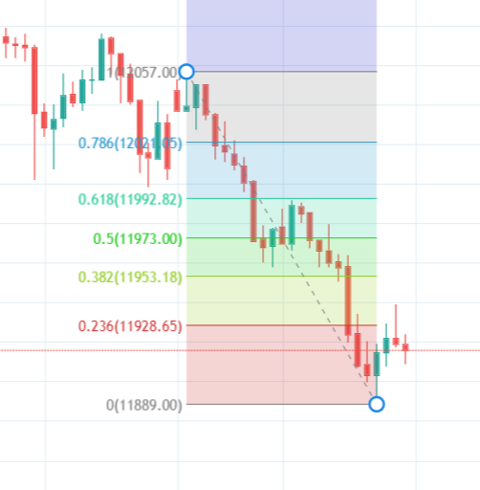
12151.15 | D
12056.05 | M
12043.20
11995-99-07 | D
11965.00
11945.00
11914~22 | M
11890.00
11875.00
11840.00
11820~24
11680.50 | M
11023.05 | M

