평균_분산_상관계수
 | x | y |  | x - x_mean | (x - x_mean)^2 | y - y_mean | (y - y_mean)^2 | (x-x_mean)*(y-y_mean)
 | Height (cm) | Weight (kg) |  | Height-avg(Height) | Height-avg(Height)^2 | Weight-avg(Weight) | Weight-avg(Weight)^2
 | 7.41 | 21.04 |  | (1.86) | 3.45 | 0.77 | 0.59 | (1.43)
 | 6.42 | 26.42 |  | (2.85) | 8.12 | 6.15 | 37.79 | (17.52)
 | 18.23 | 19.40 |  | 8.96 | 80.30 | (0.87) | 0.76 | (7.79)
 | 12.74 | 32.67 |  | 3.48 | 12.08 | 12.40 | 153.68 | 43.08
 | 15.57 | 32.95 |  | 6.30 | 39.71 | 12.68 | 160.86 | 79.92
 | 0.42 | 9.91 |  | (8.85) | 78.25 | (10.35) | 107.21 | 91.59
 | 10.18 | 15.01 |  | 0.91 | 0.83 | (5.25) | 27.60 | (4.79)
 | 25.19 | 27.43 |  | 15.92 | 253.39 | 7.16 | 51.24 | 113.94
 | 14.71 | 30.73 |  | 5.44 | 29.60 | 10.47 | 109.53 | 56.94
 | 8.86 | 21.58 |  | (0.41) | 0.17 | 1.31 | 1.72 | (0.54)
 | (0.62) | 1.58 |  | (9.89) | 97.88 | (18.69) | 349.17 | 184.87
 | 4.65 | 6.68 |  | (4.62) | 21.33 | (13.59) | 184.64 | 62.75
 | 2.67 | 15.11 |  | (6.60) | 43.54 | (5.16) | 26.63 | 34.05
 | 13.18 | 32.60 |  | 3.91 | 15.31 | 12.34 | 152.19 | 48.27
 | 6.77 | 23.52 |  | (2.50) | 6.25 | 3.25 | 10.55 | (8.12)
 | 7.37 | 16.12 |  | (1.90) | 3.62 | (4.15) | 17.19 | 7.89
 | 10.59 | 17.04 |  | 1.33 | 1.76 | (3.23) | 10.41 | (4.28)
 | 12.72 | 14.54 |  | 3.45 | 11.89 | (5.73) | 32.86 | (19.77)
 | 13.17 | 32.84 |  | 3.90 | 15.20 | 12.57 | 157.95 | 49.00
 | 1.60 | 2.16 |  | (7.66) | 58.75 | (18.11) | 327.94 | 138.80
 | 1.47 | 18.82 |  | (7.80) | 60.77 | (1.44) | 2.09 | 11.26
 | 14.22 | 27.04 |  | 4.95 | 24.52 | 6.77 | 45.88 | 33.54
 | 9.06 | 26.25 |  | (0.21) | 0.05 | 5.99 | 35.84 | (1.28)
 | 8.93 | 13.43 |  | (0.34) | 0.12 | (6.84) | 46.75 | 2.35
 | 6.22 | 21.83 |  | (3.05) | 9.31 | 1.57 | 2.45 | (4.78)

합계 | 231.72 | 506.71 |  | 0.00 | 876.19 | (0.00) | 2,053.52 | 887.98
데이터개수 | 25.00 | 25.00
평균_계산 | 9.27 | 20.27 | https://datatab.net/tutorial/location-parameter#mean
평균_excel | 9.27 | 20.27
분산_계산 | 36.51 | 85.56 | https://datatab.net/tutorial/dispersion-parameter
분산_excel | 36.51 | 85.56
표준편차_계산 | 6.04 | 9.25
표준편차_excel | 6.04 | 9.25
공분산(covariance)_계산 |  |  |  | 37.00
공분산(covariance)_excel |  |  |  | 37.00
상관계수(correlation)_계산 |  |  |  | 0.66
상관계수(correlation)_excel |  |  |  | 0.66

linear regression
Height vs Weight Example
 |  |  |  | https://www.youtube.com/watch?v=yZXNS5AxmIY
Height (cm) | Weight (kg) | Pearson correlation coefficient
Weight (kg) vs. Height (cm)
100 | 50.1 | 1
110 | 55.1
120 | 60.1
130 | 65.1
140 | 70.1
150 | 75.1
160 | 80.1
170 | 85.1
180 | 90.1
190 | 95.1
200 | 100.1
210 | 105.1
220 | 110.1
230 | 115.1
240 | 120.1
250 | 125.1
 |  |  |  | https://en.wikipedia.org/wiki/Linear_regression
B0 | B1 | Parameters
0.1 | 0.5 | Hyperparameter tuning manually

Height (cm) | Predicted Weight |  | Error | SQRE(Error)
100 | 50.1 |  | 0 | 0
110 | 55.1 |  | 0 | 0
120 | 60.1 |  | 0 | 0
130 | 65.1 |  | 0 | 0
140 | 70.1 |  | 0 | 0
150 | 75.1 |  | 0 | 0
160 | 80.1 |  | 0 | 0
170 | 85.1 |  | 0 | 0
180 | 90.1 |  | 0 | 0
190 | 95.1 |  | 0 | 0
200 | 100.1 |  | 0 | 0
210 | 105.1 |  | 0 | 0
220 | 110.1 |  | 0 | 0
230 | 115.1 |  | 0 | 0
240 | 120.1 |  | 0 | 0
250 | 125.1 |  | 0 | 0
 |  |  | Sum of SQRE(Error) | 0
 |  |  | Mean Sqare Erroe | 0 | Opimization

simple linear regression
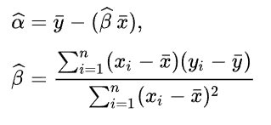
 | Simple Linear Regression
 | Dataset |  | mean centering |  |  |  |  |  |  | ERROR |  | Root Meansquared error
 | x | y | x - mean(x) | sqare(x - mean(x)) | y - mean(y) | covarianc(x, y) | b1 | b0 | Predicted Y | Predicted Y - y | squared error | RMSE
 | 1 | 1 | -2 | 4 | -1.8 | 3.6 |  |  | 1.2 | 0.2 | 0.04 | 0.2
 | 2 | 3 | -1 | 1 | 0.2 | -0.2 | 0.8 | 0.4 | 2 | -1 | 1 | 1
 | 4 | 3 | 1 | 1 | 0.2 | 0.2 |  |  | 3.6 | 0.6 | 0.36 | 0.6
 | 3 | 2 | 0 | 0 | -0.8 | 0 |  |  | 2.8 | 0.8 | 0.64 | 0.8
 | 5 | 5 | 2 | 4 | 2.2 | 4.4 |  |  | 4.4 | -0.6 | 0.36 | 0.6
mean | 3 | 2.8 | 0 | 2 | 0 |  |  |  |  |  | RMSE | 0.64
sum |  |  | 0 | 10 | 0 | 8 |  |  |  |  | 2.4

y vs. x

stochastic gradient regression
square(error) vs. Iterations
learning rate |  | Data |  | model = y = a+bx |  |  | y_hat - y
0.01 | Iterations | x | y | 절편 (α) | 기울기 (β) | y_hat | = error | square(error) | absolute error
1 epoch | 0 | 1 | 1 | 0.0000 | 0.0000 | 0.0000 | -1.0000 | 1.0000 | 1.0000
 | 1 | 2 | 3 | 0.0100 | 0.0100 | 0.0300 | -2.9700 | 8.8209 | 2.9700
 | 2 | 4 | 3 | 0.0397 | 0.0694 | 0.3173 | -2.6827 | 7.1969 | 2.6827
 | 3 | 3 | 2 | 0.0665 | 0.1767 | 0.5967 | -1.4033 | 1.9694 | 1.4033
 | 4 | 5 | 5 | 0.0806 | 0.2188 | 1.1746 | -3.8254 | 14.6337 | 3.8254
2 epoch | 5 | 1 | 1 | 0.1188 | 0.4101 | 0.5289 | -0.4711 | 0.2219 | 0.4711
 | 6 | 2 | 3 | 0.1235 | 0.4148 | 0.9531 | -2.0469 | 4.1898 | 2.0469
 | 7 | 4 | 3 | 0.1440 | 0.4557 | 1.9669 | -1.0331 | 1.0673 | 1.0331
 | 8 | 3 | 2 | 0.1543 | 0.4971 | 1.6455 | -0.3545 | 0.1257 | 0.3545
 | 9 | 5 | 5 | 0.1579 | 0.5077 | 2.6963 | -2.3037 | 5.3070 | 2.3037
3 epoch | 10 | 1 | 1 | 0.1809 | 0.6229 | 0.8038 | -0.1962 | 0.0385 | 0.1962
 | 11 | 2 | 3 | 0.1829 | 0.6248 | 1.4325 | -1.5675 | 2.4569 | 1.5675
 | 12 | 4 | 3 | 0.1985 | 0.6562 | 2.8233 | -0.1767 | 0.0312 | 0.1767
 | 13 | 3 | 2 | 0.2003 | 0.6633 | 2.1901 | 0.1901 | 0.0361 | 0.1901
 | 14 | 5 | 5 | 0.1984 | 0.6575 | 3.4862 | -1.5138 | 2.2917 | 1.5138
4 epoch | 15 | 1 | 1 | 0.2135 | 0.7332 | 0.9468 | -0.0532 | 0.0028 | 0.0532
square(error) vs. Iterations
 | y_hat - y
0 | 1.0000
1 | 8.8209
2 | 7.1969
3 | 1.9694
4 | 14.6337
5 | 0.2219
6 | 4.1898
7 | 1.0673
8 | 0.1257
9 | 5.3070
10 | 0.0385
11 | 2.4569
12 | 0.0312
13 | 0.0361
14 | 2.2917
15 | 0.0028
16 | 1.7381
17 | 0.0717
18 | 0.2236
19 | 1.2187
20 | 0.0005
21 | 1.4134
22 | 0.2486
23 | 0.3841
24 | 0.7944
25 | 0.0036
26 | 1.2576
27 | 0.3823
28 | 0.4846
29 | 0.6100
30 | 0.0065
31 | 1.1800
32 | 0.4630
33 | 0.5414
34 | 0.5241
35 | 0.0084
36 | 1.1402
37 | 0.5079
38 | 0.5723
39 | 0.4823
40 | 0.0096
41 | 1.1195
42 | 0.5320
43 | 0.5887
44 | 0.4615
 | 16 | 2 | 3 | 0.2141 | 0.7338 | 1.6816 | -1.3184 | 1.7381 | 1.3184
 | 17 | 4 | 3 | 0.2273 | 0.7601 | 3.2678 | 0.2678 | 0.0717 | 0.2678
 | 18 | 3 | 2 | 0.2246 | 0.7494 | 2.4729 | 0.4729 | 0.2236 | 0.4729
 | 19 | 5 | 5 | 0.2199 | 0.7352 | 3.8961 | -1.1039 | 1.2187 | 1.1039
5 epoch | 20 | 1 | 1 | 0.2309 | 0.7904 | 1.0213 | 0.0213 | 0.0005 | 0.0213
 | 21 | 2 | 3 | 0.2307 | 0.7902 | 1.8111 | -1.1889 | 1.4134 | 1.1889
 | 22 | 4 | 3 | 0.2426 | 0.8140 | 3.4986 | 0.4986 | 0.2486 | 0.4986
 | 23 | 3 | 2 | 0.2376 | 0.7941 | 2.6198 | 0.6198 | 0.3841 | 0.6198
 | 24 | 5 | 5 | 0.2314 | 0.7755 | 4.1087 | -0.8913 | 0.7944 | 0.8913
6 epoch | 25 | 1 | 1 | 0.2403 | 0.8200 | 1.0603 | 0.0603 | 0.0036 | 0.0603
 | 26 | 2 | 3 | 0.2397 | 0.8194 | 1.8786 | -1.1214 | 1.2576 | 1.1214
 | 27 | 4 | 3 | 0.2509 | 0.8419 | 3.6183 | 0.6183 | 0.3823 | 0.6183
 | 28 | 3 | 2 | 0.2447 | 0.8171 | 2.6961 | 0.6961 | 0.4846 | 0.6961
 | 29 | 5 | 5 | 0.2378 | 0.7962 | 4.2190 | -0.7810 | 0.6100 | 0.7810
7 epoch | 30 | 1 | 1 | 0.2456 | 0.8353 | 1.0809 | 0.0809 | 0.0065 | 0.0809
 | 31 | 2 | 3 | 0.2448 | 0.8345 | 1.9137 | -1.0863 | 1.1800 | 1.0863
 | 32 | 4 | 3 | 0.2556 | 0.8562 | 3.6805 | 0.6805 | 0.4630 | 0.6805
 | 33 | 3 | 2 | 0.2488 | 0.8290 | 2.7358 | 0.7358 | 0.5414 | 0.7358
 | 34 | 5 | 5 | 0.2415 | 0.8069 | 4.2760 | -0.7240 | 0.5241 | 0.7240
8 epoch | 35 | 1 | 1 | 0.2487 | 0.8431 | 1.0918 | 0.0918 | 0.0084 | 0.0918
 | 36 | 2 | 3 | 0.2478 | 0.8422 | 1.9322 | -1.0678 | 1.1402 | 1.0678
 | 37 | 4 | 3 | 0.2585 | 0.8636 | 3.7127 | 0.7127 | 0.5079 | 0.7127
 | 38 | 3 | 2 | 0.2513 | 0.8350 | 2.7565 | 0.7565 | 0.5723 | 0.7565
 | 39 | 5 | 5 | 0.2438 | 0.8123 | 4.3055 | -0.6945 | 0.4823 | 0.6945
9 epoch | 40 | 1 | 1 | 0.2507 | 0.8471 | 1.0978 | 0.0978 | 0.0096 | 0.0978
 | 41 | 2 | 3 | 0.2497 | 0.8461 | 1.9419 | -1.0581 | 1.1195 | 1.0581
 | 42 | 4 | 3 | 0.2603 | 0.8673 | 3.7294 | 0.7294 | 0.5320 | 0.7294
 | 43 | 3 | 2 | 0.2530 | 0.8381 | 2.7673 | 0.7673 | 0.5887 | 0.7673
 | 44 | 5 | 5 | 0.2454 | 0.8151 | 4.3207 | -0.6793 | 0.4615 | 0.6793

optimization_linear programing
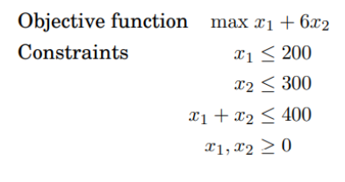
 | A simple Linear Programing Model

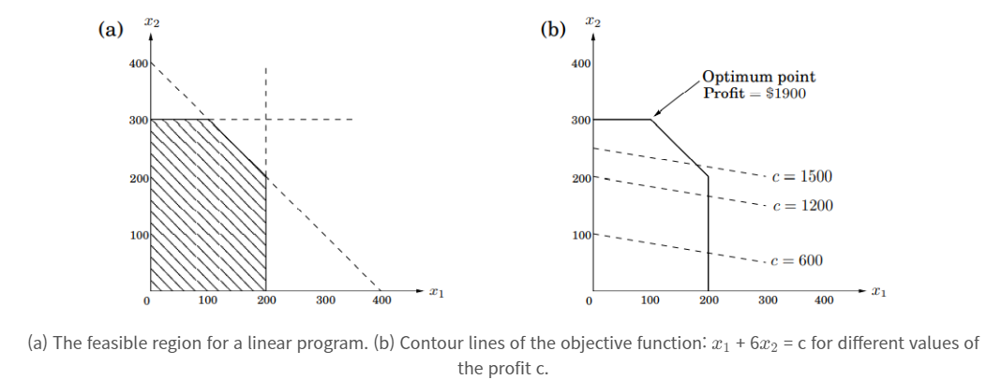
Variables Name | X1 | X2
Variables Values | 0 | 400
Object Maximize | 1 | 6 | 2400
st(Constrains) | 1 | 0 | 0 | <= | 200
 | 0 | 1 | 400 | <= | 300
 | 1 | 1 | 400 | <= | 400
 | 1 | 0 | 0 | >= | 0
 | 0 | 1 | 400 | >= | 0

bias_variance
Y vs. X
 | Y
0.00 | 89.00
100.00 | 29.60
200.00 | 1.99
300.00 | 61.96
400.00 | 88.88
500.00 | 90.06
600.00 | 37.98
700.00 | 98.14
800.00 | 71.60
900.00 | 73.33
1000.00 | 14.72
1100.00 | 89.72
1200.00 | 47.06
1300.00 | 100.41
1400.00 | 6.20
1500.00 | 81.84
에서 linear regression구글링
 | X | Y
 | 0.00 | 89.00
 | 100.00 | 29.60
 | 200.00 | 1.99
 | 300.00 | 61.96
 | 400.00 | 88.88
 | 500.00 | 90.06
 | 600.00 | 37.98
 | 700.00 | 98.14
 | 800.00 | 71.60
 | 900.00 | 73.33
 | 1000.00 | 14.72
 | 1100.00 | 89.72
 | 1200.00 | 47.06
 | 1300.00 | 100.41
 | 1400.00 | 6.20
 | 1500.00 | 81.84

Extensions Tab | 에서 linear regression구글링
단순선형회귀식 | XLMminer Analysis ToolPak
그림그리기 | Charts, Graphs, & Visualization

logistic function
 | Logistic Function

Logistic vs. Input
Derivative vs. Input
 | Input | Logistic | Derivative
 | -5 | 0.0066929 | 0.0066481
 | -4 | 0.0179862 | 0.0176627
 | -3 | 0.0474259 | 0.0451767
 | -2 | 0.1192029 | 0.1049936
 | -1 | 0.2689414 | 0.1966119
 | 0 | 0.5000000 | 0.2500000
 | 1 | 0.7310586 | 0.1966119
 | 2 | 0.8807971 | 0.1049936
 | 3 | 0.9525741 | 0.0451767
 | 4 | 0.9820138 | 0.0176627
 | 5 | 0.9933071 | 0.0066481

https://www.youtube.com/watch?v=fnwlz5ARpjo&list=PLRZZr7RFUUmXfON6dvwtkaaqf9oV_C1LF

logistic regression
Logistic Regression with Stochastic Gradient Descent

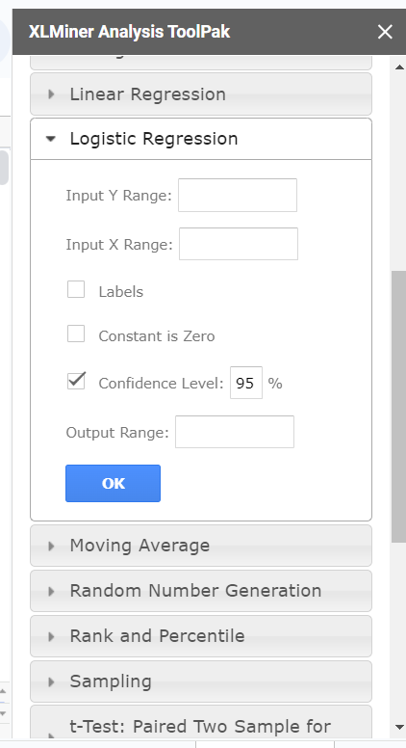
Dataset |  |  | B0 | B1 | B2 | Positive일 확률
X1 | X2 | Y | -29.0000 | 13.4393 | -10.8449 | P(Y=Positive) | Log Loss | Predcit Y | Accuracy
2.7811 | 2.5505 | 0.0000 | -29.0000 | 37.3760 | -27.6602 | 0.0000 | 0.0000 | 0.000 | 0.0000
1.4655 | 2.3621 | 0.0000 | -29.0000 | 19.6952 | -25.6169 | 0.0000 | 0.0000 | 0.000 | 0.0000
3.3966 | 4.4003 | 0.0000 | -29.0000 | 45.6476 | -47.7206 | 0.0000 | 0.0000 | 0.000 | 0.0000
1.3881 | 1.8502 | 0.0000 | -29.0000 | 18.6548 | -20.0654 | 0.0000 | 0.0000 | 0.000 | 0.0000
3.0641 | 3.0053 | 0.0000 | -29.0000 | 41.1791 | -32.5921 | 0.0000 | 0.0000 | 0.000 | 0.0000
7.6275 | 2.7593 | 1.0000 | -29.0000 | 102.5091 | -29.9238 | 1.0000 | 0.0000 | 1.000 | 0.0000
5.3324 | 2.0886 | 1.0000 | -29.0000 | 71.6645 | -22.6509 | 1.0000 | 0.0000 | 1.000 | 0.0000
6.9226 | 1.7711 | 1.0000 | -29.0000 | 93.0352 | -19.2070 | 1.0000 | 0.0000 | 1.000 | 0.0000
8.6754 | -0.2421 | 1.0000 | -29.0000 | 116.5920 | 2.6252 | 1.0000 | 0.0000 | 1.000 | 0.0000
7.6738 | 3.5086 | 1.0000 | -29.0000 | 103.1303 | -38.0499 | 1.0000 | 0.0000 | 1.000 | 0.0000
 |  |  |  |  |  |  | 0.0000 | Minimize

 | SUMMARY OUTPUT

 | Regression Statistics
 | Chi Square | 13.862943575
 | Residual Dev. | 3.6659335645E-08
 | # of iterations | 21
 | Observations | 10

 |  | Coefficients | Standard Error | P-value | Odd Ratio | Lower 95% | Upper 95% | Lower 95% | Upper 95%
 | Intercept | -29.548609218 | 159347.6438 | 0.99985204438 | 1.4696098993E-13 | 0 | infinity | 0 | infinity
 | X1 | 13.439349069 | 12195.419444 | 0.9991207316 | 686491.46342 | 0 | infinity | 0 | infinity
 | X2 | -10.844867723 | 47874.894454 | 0.99981925908 | 1.9504453712E-05 | 0 | infinity | 0 | infinity

 | SUMMARY OUTPUT

 | Regression Statistics
 | Chi Square | 13.862943575
 | Residual Dev. | 3.6659335645E-08
 | # of iterations | 21
 | Observations | 10

 |  | Coefficients | Standard Error | P-value | Odd Ratio | Lower 95% | Upper 95% | Lower 95% | Upper 95%
 | Intercept | -29.548609218 | 159347.6438 | 0.99985204438 | 1.4696098993E-13 | 0 | infinity | 0 | infinity
 | X Variable 1 | 13.439349069 | 12195.419444 | 0.9991207316 | 686491.46342 | 0 | infinity | 0 | infinity
 | X Variable 2 | -10.844867723 | 47874.894454 | 0.99981925908 | 1.9504453712E-05 | 0 | infinity | 0 | infinity

KNN_classification
K-Nearest Neighbors
Dataset |  |  |  |  |  |  |  |  |  | http://vision.stanford.edu/teaching/cs231n-demos/knn/
X1 | X2 | Y
3.394 | 2.331 | 0
3.110 | 1.782 | 0
1.344 | 3.368 | 0
3.582 | 4.679 | 0
2.280 | 2.867 | 0
7.423 | 4.697 | 1
5.745 | 3.534 | 1
9.172 | 2.511 | 1
7.793 | 3.424 | 1
7.940 | 0.792 | 1

Euclidean Distance
X1 | X2 | (X1-X1)^2 | (x2-X2)^2 | Sum | Distance
3.394 | 2.331 | 0.080 | 0.302 | 0.383 | 0.619
3.110 | 1.782

New Instance
X1 | X2 | Y
5.000 | 3.000 | ?

Prediction
Instance | X1 | X2 | Y | (X1-X1)^2 | (x2-X2)^2 | Sum | Distance | 3 Neighbours | Prediction | 5 Neighbours | Prediction
1 | 3.394 | 2.331 | 0 | 2.581 | 0.447 | 3.028 | 1.740 | YES | 0 | YES | 0
2 | 3.110 | 1.782 | 0 | 3.572 | 1.485 | 5.056 | 2.249 |  |  | YES
3 | 1.344 | 3.368 | 0 | 13.368 | 0.136 | 13.503 | 3.675
4 | 3.582 | 4.679 | 0 | 2.010 | 2.820 | 4.830 | 2.198 | YES |  | YES
5 | 2.280 | 2.867 | 0 | 7.396 | 0.018 | 7.414 | 2.723
6 | 7.423 | 4.697 | 1 | 5.873 | 2.878 | 8.751 | 2.958
7 | 5.745 | 3.534 | 1 | 0.555 | 0.285 | 0.840 | 0.917 | YES |  | YES
8 | 9.172 | 2.511 | 1 | 17.407 | 0.239 | 17.646 | 4.201
9 | 7.793 | 3.424 | 1 | 7.800 | 0.180 | 7.979 | 2.825 |  |  | YES
10 | 7.940 | 0.792 | 1 | 8.643 | 4.877 | 13.519 | 3.677

gini
Node | Node 1 | Node 2 | Node 3 | Node 4 | Node 5 | Node 6 | Node 7 | Node 8 | Node 9 | Node 10 | Node 11
Positive (비정상) 개수 | 10 | 9 | 8 | 7 | 6 | 5 | 4 | 3 | 2 | 1 | 0
Negative (정상) 개수 | 0 | 1 | 2 | 3 | 4 | 5 | 6 | 7 | 8 | 9 | 10
p = Probability(target=비정상) | 0 | 0.9 | 0.8 | 0.7 | 0.6 | 0.5 | 0.4 | 0.3 | 0.2 | 0.1 | 0
1-p =Probability(target=정상) | 1 | 0.1 | 0.2 | 0.3 | 0.4 | 0.5 | 0.6 | 0.7 | 0.8 | 0.9 | 1
p*(1-p) | 0 | 0.09 | 0.16 | 0.21 | 0.24 | 0.25 | 0.24 | 0.21 | 0.16 | 0.09 | 0
gini = 2*p*(1-p) | 0 | 0.18 | 0.32 | 0.42 | 0.48 | 0.5 | 0.48 | 0.42 | 0.32 | 0.18 | 0
entropy | #NUM! | 0.47 | 0.72 | 0.88 | 0.97 | 1.00 | 0.97 | 0.88 | 0.72 | 0.47 | #NUM!
miss clarification | 0 | 0.1 | 0.2 | 0.3 | 0.4 | 0.5 | 0.4 | 0.3 | 0.2 | 0.1 | 0

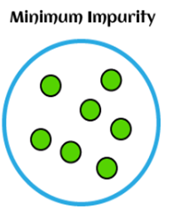
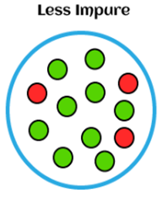
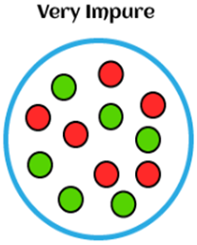
gini = 2*p*(1-p) vs. Node
p*(1-p), gini = 2*p*(1-p), entropy and miss clarification

Node | Node 1 | Node 2 | Node 3 | Node 4 | Node 5 | Node 6 | Node 7 | Node 8 | Node 9 | Node 10 | Node 11
Surprise의 크기
target=비정상 | #DIV/0! | 1.11 | 1.25 | 1.43 | 1.67 | 2.00 | 2.50 | 3.33 | 5.00 | 10.00 | #DIV/0!
target=정상 | 1.00 | 10.00 | 5.00 | 3.33 | 2.50 | 2.00 | 1.67 | 1.43 | 1.25 | 1.11 | 1.00

log loss plot
ID | y | p | y*log(p) | (1-y)*log(1-p) | y | p | y*log(p) | (1-y)*log(1-p)
01 | 1 | 0.86 | 0.15 | - | - | 0.65 | - | 1.05
02 | 1 | 0.89 | 0.11 | - | - | 0.83 | - | 1.76
03 | 0 | 0.50 | - | 0.70 | - | 0.45 | - | 0.59
04 | 0 | 0.39 | - | 0.50 | - | 0.90 | - | 2.35
05 | 0 | 0.67 | - | 1.11 | - | 0.74 | - | 1.33
06 | 0 | 0.10 | - | 0.10 | - | 0.14 | - | 0.15
07 | 1 | 0.67 | 0.41 | - | - | 0.62 | - | 0.97
08 | 0 | 0.78 | - | 1.50 | - | 0.81 | - | 1.68
09 | 1 | 0.74 | 0.31 | - | - | 0.49 | - | 0.68
10 | 1 | 0.32 | 1.14 | - | - | 0.75 | - | 1.40
11 | 0 | 0.40 | - | 0.51 | - | 0.95 | - | 2.94
12 | 0 | 0.43 | - | 0.56 | - | 0.88 | - | 2.10
13 | 0 | 0.94 | - | 2.78 | 1.00 | 0.59 | 0.52 | -
14 | 1 | 0.10 | 2.32 | - | 1.00 | 0.40 | 0.92 | -
15 | 0 | 0.39 | - | 0.49 | 1.00 | 0.99 | 0.01 | -
16 | 1 | 0.30 | 1.20 | - | 1.00 | 0.09 | 2.43 | -
17 | 0 | 0.58 | - | 0.86 | 1.00 | 0.85 | 0.16 | -
18 | 0 | 0.61 | - | 0.95 | 1.00 | 0.13 | 2.07 | -
19 | 1 | 0.87 | 0.14 | - | 1.00 | 0.08 | 2.54 | -
20 | 1 | 0.32 | 1.15 | - | 1.00 | 0.58 | 0.54 | -

Lift curve
무작위로 선택했을 때보다 얼마만큼 더 나은 모델 예측력이 있는 지를 평가(마케팅에서 유료 쿠폰 타켓팅에 사용)

A | B | C = B/총 응답고객수 | D = B/A | E = D/Base Lift*100 | C 를 누적
총 고객수 | 응답 고객수 | % captured response | %response | Lift | 누적응답비율
200 | 174 | 45.67% | 87.00% | 4.57% | 45.67%
200 | 110 | 28.87% | 55.00% | 2.89% | 74.54%
200 | 38 | 9.97% | 19.00% | 1.00% | 84.51%
200 | 14 | 3.67% | 7.00% | 0.37% | 88.19%
200 | 11 | 2.89% | 5.50% | 0.29% | 91.08%
200 | 10 | 2.62% | 5.00% | 0.26% | 93.70%
200 | 7 | 1.84% | 3.50% | 0.18% | 95.54%
200 | 10 | 2.62% | 5.00% | 0.26% | 98.16%
200 | 3 | 0.79% | 1.50% | 0.08% | 98.95%
200 | 4 | 1.05% | 2.00% | 0.10% | 100.00%
2,000 | 381
Lift
누적응답비율
Base Lift = | 19.05%

Association Rule_01
apriori-algorithm(연관관계분석)
time | 거래번호(transaction ID) | 거래 아이템 | (우유 ∩ 시리얼) | 우유 | 시리얼
2023-11-16-10 | 1 | 우유, 버터, 시리얼 | 1 | 1 | 1
2023-11-16-11 | 2 | 우유, 시리얼 | 1 | 1 | 1
2023-11-16-12 | 3 | 우유, 빵 |  | 1
2023-11-16-13 | 4 | 버터, 맥주, 오징어
total transanctions | 4 | frequency of items | 2 | 3 | 2
 |  |  | P(우유 ∩ 시리얼) | P(우유) | P(시리얼)
 |  |  | 0.50 | 0.75 | 0.50

 | 문1. (우유, 시리얼) 지지도 | P(우유 ∩ 시리얼) = (우유 ∩ 시리얼)/총 거래건수 | 0.50 | Support
 | 문2. (우유-> 시리얼) 신뢰도 | P(우유 ∩ 시리얼) /P(우유) | 0.67 | Confidence
 | 문3. (시리얼->우유) 신뢰도 | P(우유 ∩ 시리얼) /P(시리얼) | 1.00
 | 문4. lift(우유-> 시리얼) | P(시리얼/우유)/P(시리얼) = (2/3)/(2/4) | 1.33 | Lift | 1.33
 | 문5. lift(시리얼-> 우유) | P(우유/시리얼)/P(우유) = (2/2)/(3/4) | 1.33 |  | 1.33

 | 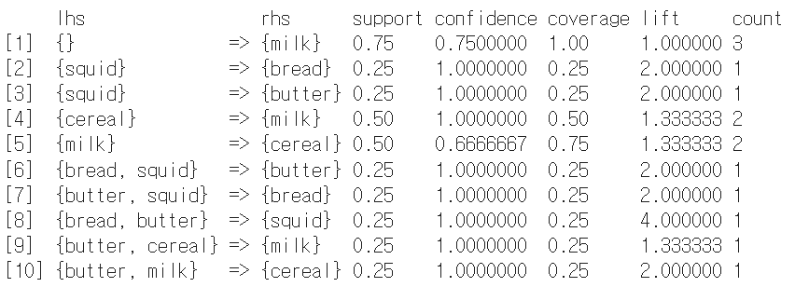

 | support: The support of a rule is the proportion of transactions in the dataset that contain both the antecedent and the consequent. It indicates how frequently the rule occurs.
 | confidence: The confidence of a rule is a measure of the reliability of the rule. It is the ratio of the support of both the antecedent and the consequent to the support of the antecedent. It indicates the likelihood that the rule holds true.
 | coverage: Coverage is the proportion of transactions that contain the antecedent. It gives an idea of how often the antecedent occurs in the dataset.
 | lift: Lift is a measure of how much more likely the consequent is given the antecedent compared to if they were independent. A lift value greater than 1 indicates that the presence of the antecedent increases the likelihood of the consequent.
 | count: The count is the number of transactions that satisfy both the antecedent and the consequent.

log
 | p(y)
 | 0.1
 | 0.2
 | 0.3
 | 0.4
 | 0.5
 | 0.6
 | 0.7
 | 0.8
 | 0.9
 | 1.0
x1 | 1 | 2 | 4 | 8 | 16 | 32 | 64 | 128 | 256 | 512 | 1024 | 2048 | 4096 | 8192 | 16384 | 32768 | 65536 | 131072 | 262144
log(x) | 0 | 0.69314718056 | 1.3862943611 | 2.0794415417 | 2.7725887222 | 3.4657359028 | 4.1588830834 | 4.8520302639 | 5.5451774445 | 6.238324625 | 6.9314718056 | 7.6246189862 | 8.3177661667 | 9.0109133473 | 9.7040605278 | 10.397207708 | 11.090354889 | 11.78350207 | 12.47664925
x2 | 1 | 10 | 100 | 1000 | 10000 | 100000 | 1000000 | 10000000 | 100000000 | 1000000000 | 10000000000 | 100000000000 | 1000000000000 | 10000000000000
log10(x) | 0 | 1 | 2 | 3 | 4 | 5 | 6 | 7 | 8
1/X2 | 1 | 0.1 | 0.01 | 0.001 | 0.0001 | 0.00001 | 0.000001 | 0.0000001 | 0.00000001
log10(1/x) | 0 | -1 | -2 | -3 | -4 | -5 | -6 | -7 | -8
root | 1 | 1.4142135624 | 2 | 2.8284271247 | 4 | 5.6568542495 | 8 | 11.313708499 | 16
 | y | p(y) | log(p) | 1-p(y)
 | 1 | 0.1 | 2.3 | 0.90
 | 1 | 0.2 | 1.6 | 0.80
 | 1 | 0.3 | 1.2 | 0.70
 | 1 | 0.4 | 0.9 | 0.60
 | 1 | 0.5 | 0.7 | 0.50
 | 1 | 0.6 | 0.5 | 0.40
 | log(p)
 | 2.3
 | 1.6
 | 1.2
 | 0.9
 | 0.7
 | 0.5
 | 0.4
 | 0.2
 | 0.1
 | 0.0
 | 1 | 0.7 | 0.4 | 0.30
 | 1 | 0.8 | 0.2 | 0.20
 | 1 | 0.9 | 0.1 | 0.10
 | 1 | 1.0 | 0.0 | -

