Sheet1
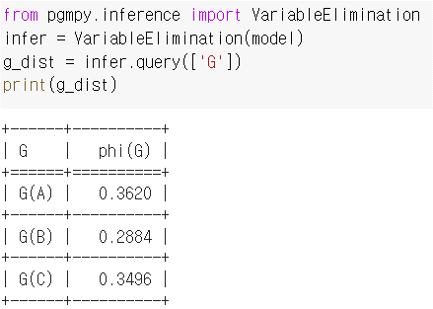
 | i |  | d
 | 0 | 1 | 0 | 1
 | 0.7 | 0.3 | 0.6 | 0.4 | Grade(G)
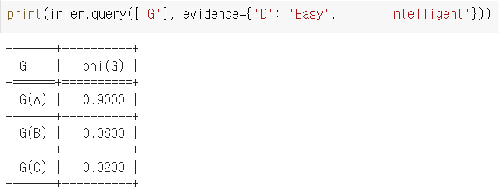
0.42 | 1 |  | 1 |  | 0.3 | 0.4 | 0.3
0.28 | 1 |  |  | 1 | 0.05 | 0.25 | 0.7
0.18 |  | 1 | 1 |  | 0.9 | 0.08 | 0.02
0.12 |  | 1 |  | 1 | 0.5 | 0.3 | 0.2
1.00 |  |  |  |  | 0.362 | 0.2884 | 0.3496 | 1.00
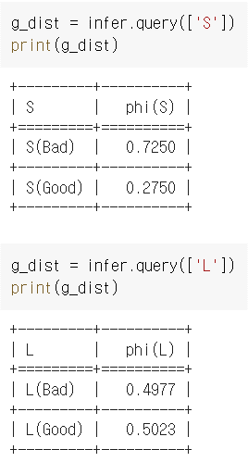

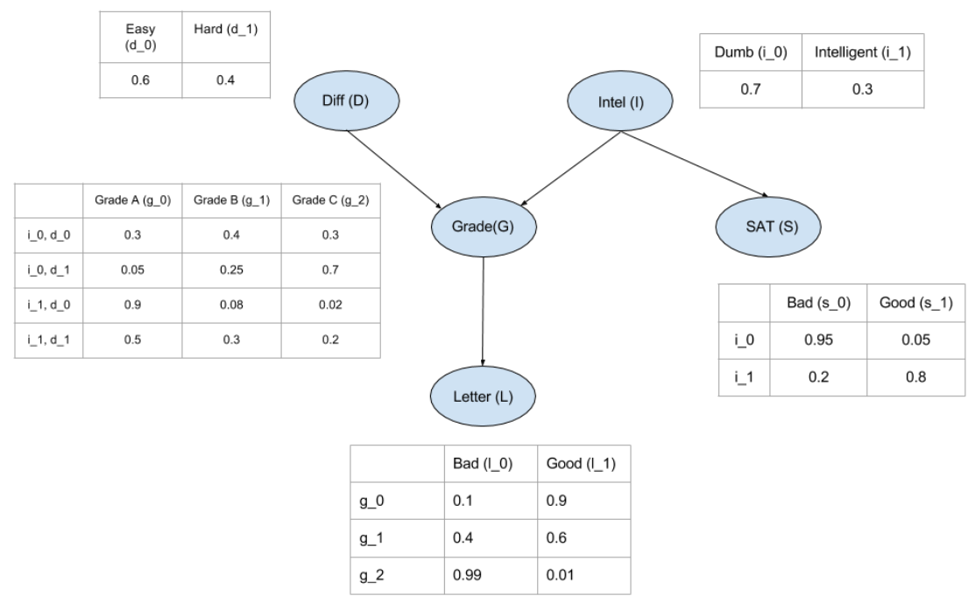
 |  |  |  |  | SAT(S)
 |  |  |  | 0.7 | 0.95 | 0.05
 |  |  |  | 0.3 | 0.2 | 0.8
 |  |  |  |  | 0.725 | 0.275 | 1.000

