Sheet1
Error with 9 epoch
learning rate |  | Data |  | model |  |  | y_hat - y
0.01 | Iterations | x | y | 절편 (α) | 기울기 (β) | y_hat | error | square(error)
1 epoch | 0 | 1 | 1 | 0.0000 | 0.0000 | 0.0000 | -1.0000 | 1.0000
 | 1 | 2 | 3 | 0.0100 | 0.0100 | 0.0300 | -2.9700 | 8.8209
 | 2 | 4 | 3 | 0.0397 | 0.0694 | 0.3173 | -2.6827 | 7.1969
 | 3 | 3 | 2 | 0.0665 | 0.1767 | 0.5967 | -1.4033 | 1.9694
 | 4 | 5 | 5 | 0.0806 | 0.2188 | 1.1746 | -3.8254 | 14.6337
2 epoch | 5 | 1 | 1 | 0.1188 | 0.4101 | 0.5289 | -0.4711 | 0.2219
 | 6 | 2 | 3 | 0.1235 | 0.4148 | 0.9531 | -2.0469 | 4.1898
 | 7 | 4 | 3 | 0.1440 | 0.4557 | 1.9669 | -1.0331 | 1.0673
 | 8 | 3 | 2 | 0.1543 | 0.4971 | 1.6455 | -0.3545 | 0.1257
 | 9 | 5 | 5 | 0.1579 | 0.5077 | 2.6963 | -2.3037 | 5.3070
3 epoch | 10 | 1 | 1 | 0.1809 | 0.6229 | 0.8038 | -0.1962 | 0.0385
square(error)
 | 11 | 2 | 3 | 0.1829 | 0.6248 | 1.4325 | -1.5675 | 2.4569
 | 12 | 4 | 3 | 0.1985 | 0.6562 | 2.8233 | -0.1767 | 0.0312
 | 13 | 3 | 2 | 0.2003 | 0.6633 | 2.1901 | 0.1901 | 0.0361
 | 14 | 5 | 5 | 0.1984 | 0.6575 | 3.4862 | -1.5138 | 2.2917
4 epoch | 15 | 1 | 1 | 0.2135 | 0.7332 | 0.9468 | -0.0532 | 0.0028
 | 16 | 2 | 3 | 0.2141 | 0.7338 | 1.6816 | -1.3184 | 1.7381
 | 17 | 4 | 3 | 0.2273 | 0.7601 | 3.2678 | 0.2678 | 0.0717
 | 18 | 3 | 2 | 0.2246 | 0.7494 | 2.4729 | 0.4729 | 0.2236
 | 19 | 5 | 5 | 0.2199 | 0.7352 | 3.8961 | -1.1039 | 1.2187
데이터와 예측 모델
5 epoch | 20 | 1 | 1 | 0.2309 | 0.7904 | 1.0213 | 0.0213 | 0.0005
 | 21 | 2 | 3 | 0.2307 | 0.7902 | 1.8111 | -1.1889 | 1.4134
 | 22 | 4 | 3 | 0.2426 | 0.8140 | 3.4986 | 0.4986 | 0.2486
 | 23 | 3 | 2 | 0.2376 | 0.7941 | 2.6198 | 0.6198 | 0.3841
 | 24 | 5 | 5 | 0.2314 | 0.7755 | 4.1087 | -0.8913 | 0.7944
6 epoch | 25 | 1 | 1 | 0.2403 | 0.8200 | 1.0603 | 0.0603 | 0.0036
 | 26 | 2 | 3 | 0.2397 | 0.8194 | 1.8786 | -1.1214 | 1.2576
 | 27 | 4 | 3 | 0.2509 | 0.8419 | 3.6183 | 0.6183 | 0.3823
 | 28 | 3 | 2 | 0.2447 | 0.8171 | 2.6961 | 0.6961 | 0.4846
 | 29 | 5 | 5 | 0.2378 | 0.7962 | 4.2190 | -0.7810 | 0.6100
7 epoch | 30 | 1 | 1 | 0.2456 | 0.8353 | 1.0809 | 0.0809 | 0.0065
 | 31 | 2 | 3 | 0.2448 | 0.8345 | 1.9137 | -1.0863 | 1.1800
 | 32 | 4 | 3 | 0.2556 | 0.8562 | 3.6805 | 0.6805 | 0.4630
 | 33 | 3 | 2 | 0.2488 | 0.8290 | 2.7358 | 0.7358 | 0.5414
 | 34 | 5 | 5 | 0.2415 | 0.8069 | 4.2760 | -0.7240 | 0.5241
8 epoch | 35 | 1 | 1 | 0.2487 | 0.8431 | 1.0918 | 0.0918 | 0.0084
 | 36 | 2 | 3 | 0.2478 | 0.8422 | 1.9322 | -1.0678 | 1.1402
 | 37 | 4 | 3 | 0.2585 | 0.8636 | 3.7127 | 0.7127 | 0.5079
 | 38 | 3 | 2 | 0.2513 | 0.8350 | 2.7565 | 0.7565 | 0.5723
 | 39 | 5 | 5 | 0.2438 | 0.8123 | 4.3055 | -0.6945 | 0.4823
9 epoch | 40 | 1 | 1 | 0.2507 | 0.8471 | 1.0978 | 0.0978 | 0.0096
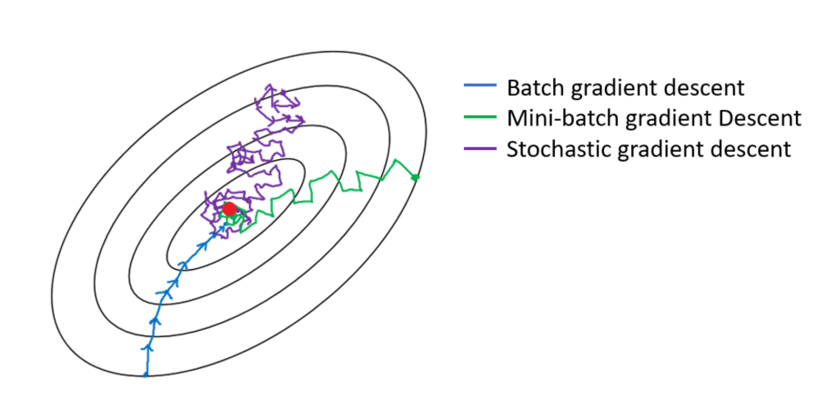
 | 41 | 2 | 3 | 0.2497 | 0.8461 | 1.9419 | -1.0581 | 1.1195
 | 42 | 4 | 3 | 0.2603 | 0.8673 | 3.7294 | 0.7294 | 0.5320
 | 43 | 3 | 2 | 0.2530 | 0.8381 | 2.7673 | 0.7673 | 0.5887
 | 44 | 5 | 5 | 0.2454 | 0.8151 | 4.3207 | -0.6793 | 0.4615

Sheet3
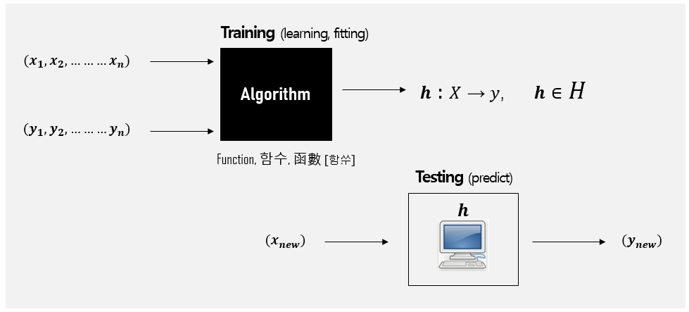
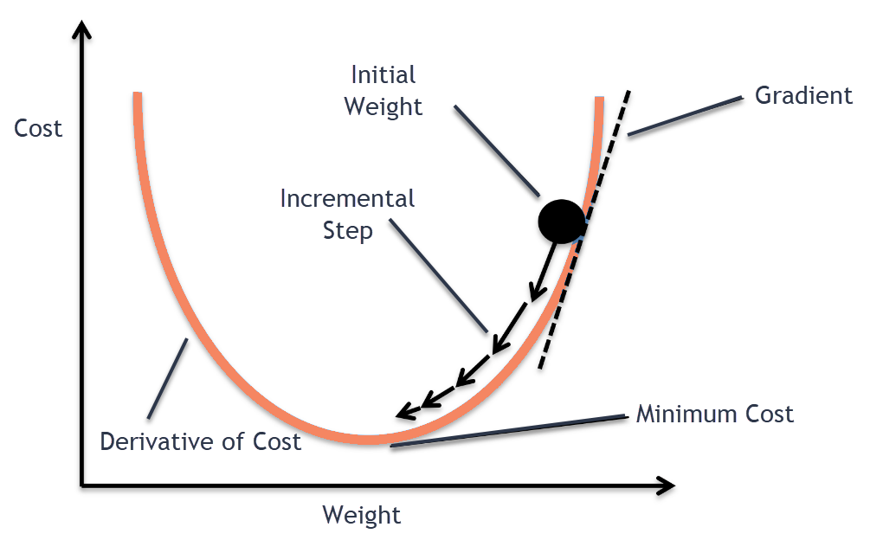
 | Data |  | model=algorithm(data), 일차방정식(y_hat = α + β) 모델 가정
instance | x | y | 절편 (α) | 기울기 (β) | y_hat | y_hat - y = error | square(error)
0 | 1 | 1
1 | 2 | 3
2 | 4 | 3
3 | 3 | 2
4 | 5 | 5

