theory
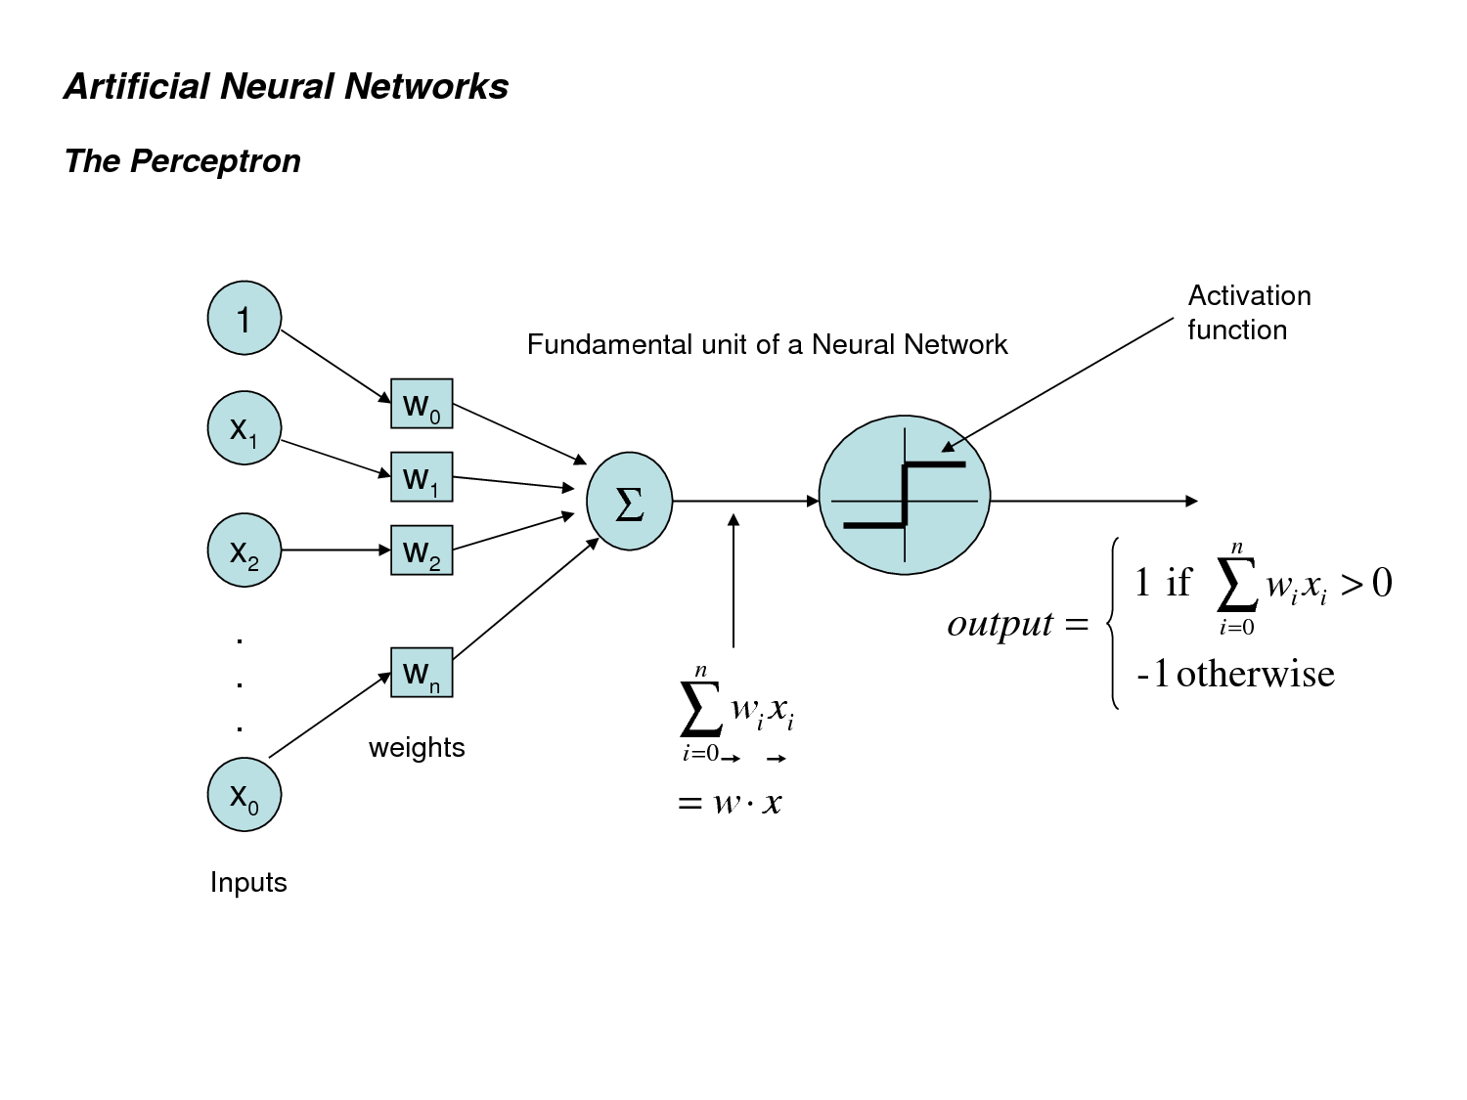

practice
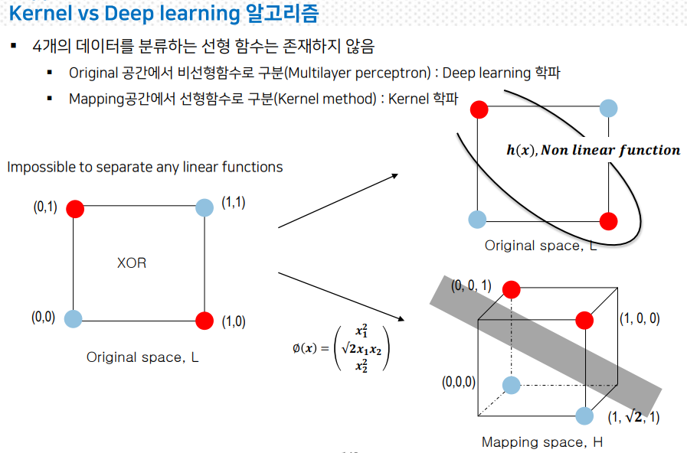
 | X0 | X1 | X2 | w0 | w1 | w2 | sum_product | Y(output) Activation Function | Y(Desired) Actual | error Actual - Output | Change_w0 | Change_w1 | Change_w2 | Learning_rate | https://www.youtube.com/watch?v=t3VBY9OisCo&t=11s
1.00 | 1.00 | 0.00 | 0.00 | 0.98 | 0.78 | 0.14 | 0.98 | 1.00 | 0.00 | (1.00) | (0.50) | 0.00 | 0.00 | 0.50
2.00 | 1.00 | 0.00 | 1.00 | 0.76 | 0.04 | 0.60 | 1.36 | 1.00 | 1.00 | 0.00 | 0.00 | 0.00 | 0.00
3.00 | 1.00 | 1.00 | 0.00 | 0.05 | 0.40 | 0.93 | 0.45 | 1.00 | 1.00 | 0.00 | 0.00 | 0.00 | 0.00
4.00 | 1.00 | 1.00 | 1.00 | 0.05 | 0.49 | 0.63 | 1.17 | 1.00 | 0.00 | (1.00) | (0.50) | (0.50) | (0.50)
1.00 | 1.00 | 0.00 | 0.00 | (0.50) | 0.00 | 0.00 | (0.50) | 0.00 | 0.00 | 0.00 | 0.00 | 0.00 | 0.00
2.00 | 1.00 | 0.00 | 1.00 | 0.00 | 0.00 | 0.00 | 0.00 | 1.00 | 1.00 | 0.00 | 0.00 | 0.00 | 0.00
3.00 | 1.00 | 1.00 | 0.00 | 0.00 | 0.00 | 0.00 | 0.00 | 1.00 | 1.00 | 0.00 | 0.00 | 0.00 | 0.00
4.00 | 1.00 | 1.00 | 1.00 | (0.50) | (0.50) | (0.50) | (1.50) | 0.00 | 0.00 | 0.00 | 0.00 | 0.00 | 0.00
1.00 | 1.00 | 0.00 | 0.00 | 0.00 | 0.00 | 0.00 | 0.00 | 1.00 | 0.00 | (1.00) | (0.50) | 0.00 | 0.00
2.00 | 1.00 | 0.00 | 1.00 | 0.00 | 0.00 | 0.00 | 0.00 | 1.00 | 1.00 | 0.00 | 0.00 | 0.00 | 0.00
3.00 | 1.00 | 1.00 | 0.00 | 0.00 | 0.00 | 0.00 | 0.00 | 1.00 | 1.00 | 0.00 | 0.00 | 0.00 | 0.00
4.00 | 1.00 | 1.00 | 1.00 | 0.00 | 0.00 | 0.00 | 0.00 | 1.00 | 0.00 | (1.00) | (0.50) | (0.50) | (0.50)
1.00 | 1.00 | 0.00 | 0.00 | (0.50) | 0.00 | 0.00 | (0.50) | 0.00 | 0.00 | 0.00 | 0.00 | 0.00 | 0.00
2.00 | 1.00 | 0.00 | 1.00 | 0.00 | 0.00 | 0.00 | 0.00 | 1.00 | 1.00 | 0.00 | 0.00 | 0.00 | 0.00
3.00 | 1.00 | 1.00 | 0.00 | 0.00 | 0.00 | 0.00 | 0.00 | 1.00 | 1.00 | 0.00 | 0.00 | 0.00 | 0.00
4.00 | 1.00 | 1.00 | 1.00 | (0.50) | (0.50) | (0.50) | (1.50) | 0.00 | 0.00 | 0.00 | 0.00 | 0.00 | 0.00

SVC
