crash course
Spreadsheet Crash Course

Arithmetic
Equals | 2.00

Sum
1.00 | 2.00 | 3.00
6.00

Count
3.00

Square | Log base 2 | Square Root
4.00 | 0.30 | 1.41

EXP | LN
7.39 | 2.00

PI
3.14

Statistical Summaries

Mean
4.00 | 5.00 | 8.00
5.67

Standard Deviation
1.00 | 2.00 | 3.00
1.00

Correlation
2.00 | 3.00 | 4.00
4.00 | 8.00 | -12.00
-0.76

Mode
2.00 | 3.00 | 3.00 | 3.00 | 3.00 | 2.00
3.00

Random Numbers

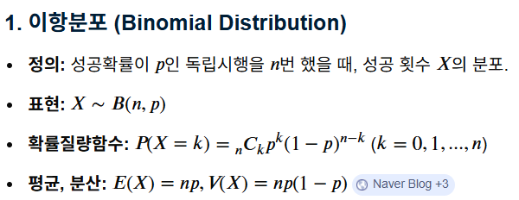
Uniform
0~1 구간 | 1~10 구간
0.03 | 7.22

 |  | Parameters
Bernoulli | trilas | success rate
 | 1.00 | 0.50
0

Binomial
 | 10,000,000 | 0.50 | 0.50
4,997,102


Gaussian | mean | std
 | 5,000,000 | 1581.14
5,000,842.21

Flow Control

IF, AND

random distributions
 | Uniform | Binomial | Gaussian | Uniform | Binomial | Gaussian
 | 0.24 | 500 | 2.02 | -0.75 | 0.40 | 2.26
 | 0.24 | 499 | 0.81 | -0.75 | 0.31 | 1.10 | Binomial Distribution by claude LLM
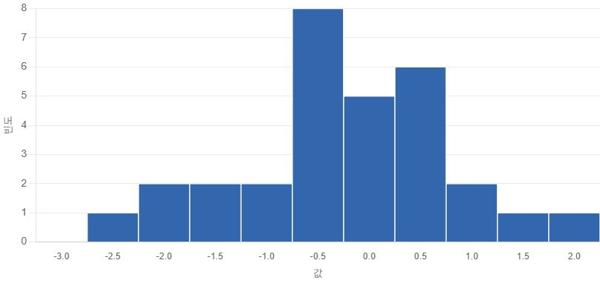
 | 0.84 | 515 | -0.46 | 1.17 | 1.70 | -0.11
 | 0.36 | 473 | -1.63 | -0.36 | -1.94 | -1.23
 | 0.96 | 508 | -1.65 | 1.56 | 1.09 | -1.25
 | 0.56 | 486 | -2.02 | 0.27 | -0.82 | -1.61
 | 0.22 | 482 | 0.02 | -0.80 | -1.16 | 0.35
 | 0.35 | 492 | 0.82 | -0.38 | -0.30 | 1.12
 | 0.17 | 488 | -0.07 | -0.98 | -0.64 | 0.26
 | 0.17 | 500 | -0.96 | -0.96 | 0.40 | -0.59
 | 0.66 | 489 | -0.68 | 0.61 | -0.56 | -0.33
 | 0.15 | 514 | 0.61 | -1.05 | 1.61 | 0.92
 | 0.89 | 479 | -2.48 | 1.33 | -1.42 | -2.05
 | 0.56 | 491 | -1.69 | 0.27 | -0.38 | -1.29
 | 0.69 | 502 | -1.12 | 0.70 | 0.57 | -0.75
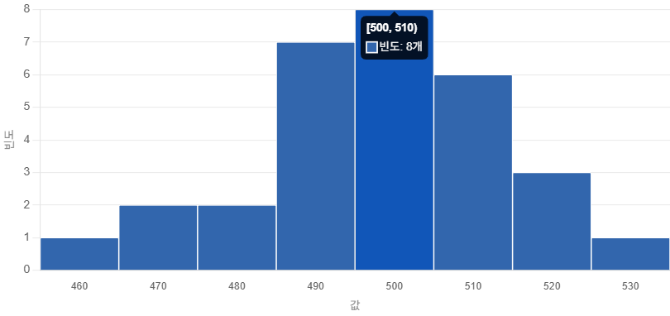
 | 0.46 | 524 | 0.82 | -0.03 | 2.48 | 1.12
 | 0.91 | 504 | 0.89 | 1.41 | 0.74 | 1.18
 | 0.01 | 499 | 0.24 | -1.47 | 0.31 | 0.56
 | 0.23 | 500 | 0.60 | -0.77 | 0.40 | 0.90
 | 0.78 | 496 | -1.01 | 0.99 | 0.05 | -0.64
 | 0.01 | 499 | -0.02 | -1.50 | 0.31 | 0.31
 | 0.86 | 499 | -0.91 | 1.23 | 0.31 | -0.54
 | 0.07 | 482 | -1.25 | -1.29 | -1.16 | -0.87
 | 0.29 | 496 | -0.64 | -0.58 | 0.05 | -0.29
 | 0.27 | 484 | 1.54 | -0.64 | -0.99 | 1.80
 | 0.70 | 500 | -0.36 | 0.73 | 0.40 | -0.02
 | 0.84 | 492 | -0.22 | 1.16 | -0.30 | 0.12
 | 0.81 | 504 | -0.70 | 1.06 | 0.74 | -0.34
 | 0.03 | 492 | -0.54 | -1.42 | -0.30 | -0.19
 | 0.85 | 474 | -0.27 | 1.22 | -1.86 | 0.07
mean | 0.47 | 495.43 | -0.34 | 0.00 | 0.00 | 0.00
std | 0.31 | 11.53 | 1.04 | 1.00 | 1.00 | 1.00

covarianc_correlation
Height (cm) | Weight (kg)
100 | 50.1 | covariance | 22038.91
391 | 55.1 | correlation | 0.98
613 | 60.1
893 | 65.1
1075 | 70.1
1250 | 75.1
1498 | 80.1
1651 | 85.1
1825 | 90.1
1975 | 95.1
2241 | 100.1
2535 | 105.1
2691 | 110.1
2872 | 115.1
3052 | 120.1
3343 | 125.1
977753.43 | 566.67

linear regression
Height vs Weight Example
 |  |  |  | https://www.youtube.com/watch?v=yZXNS5AxmIY
Height (cm) | Weight (kg) | Pearson correlation coefficient
Weight (kg) vs. Height (cm)
100 | 50.1 | 1
110 | 55.1
120 | 60.1
130 | 65.1
140 | 70.1
150 | 75.1
160 | 80.1
170 | 85.1
180 | 90.1
190 | 95.1
200 | 100.1
210 | 105.1
220 | 110.1
230 | 115.1
240 | 120.1
250 | 125.1
 |  |  |  | https://en.wikipedia.org/wiki/Linear_regression
B0 | B1 | Parameters
0.1 | 0.5 | Hyperparameter tuning manually

Height (cm) | Predicted Weight |  | Error | SQRE(Error)
100 | 50.1 |  | 0 | 0
110 | 55.1 |  | 0 | 0
120 | 60.1 |  | 0 | 0
130 | 65.1 |  | 0 | 0
140 | 70.1 |  | 0 | 0
150 | 75.1 |  | 0 | 0
160 | 80.1 |  | 0 | 0
170 | 85.1 |  | 0 | 0
180 | 90.1 |  | 0 | 0
190 | 95.1 |  | 0 | 0
200 | 100.1 |  | 0 | 0
210 | 105.1 |  | 0 | 0
220 | 110.1 |  | 0 | 0
230 | 115.1 |  | 0 | 0
240 | 120.1 |  | 0 | 0
250 | 125.1 |  | 0 | 0
 |  |  | Sum of SQRE(Error) | 0
 |  |  | Mean Sqare Erroe | 0 | Opimization

simple linear regression
 | Simple Linear Regression
 | Dataset |  | mean centering |  |  |  |  |  |  | ERROR |  | Root Meansquared error
 | x | y | x - mean(x) | sqare(x - mean(x)) | y - mean(y) | covarianc(x, y) | b1 | b0 | Predicted Y | Predicted Y - y | squared error | RMSE
 | 1 | 1 | -2 | 4 | -1.8 | 3.6 |  |  | 1.2 | 0.2 | 0.04 | 0.2
 | 2 | 3 | -1 | 1 | 0.2 | -0.2 | 0.8 | 0.4 | 2 | -1 | 1 | 1
 | 4 | 3 | 1 | 1 | 0.2 | 0.2 |  |  | 3.6 | 0.6 | 0.36 | 0.6
 | 3 | 2 | 0 | 0 | -0.8 | 0 |  |  | 2.8 | 0.8 | 0.64 | 0.8
 | 5 | 5 | 2 | 4 | 2.2 | 4.4 |  |  | 4.4 | -0.6 | 0.36 | 0.6
mean | 3 | 2.8 | 0 | 2 | 0 |  |  |  |  |  | RMSE | 0.64
sum |  |  | 0 | 10 | 0 | 8 |  |  |  |  | 2.4

y vs. x

logistic function
Logistic vs. Input
Derivative vs. Input
Logistic Function

Input | Logistic | Derivative
-5 | 0.0066929 | 0.0066481
-4 | 0.0179862 | 0.0176627
-3 | 0.0474259 | 0.0451767
-2 | 0.1192029 | 0.1049936
-1 | 0.2689414 | 0.1966119
0 | 0.5000000 | 0.2500000
1 | 0.7310586 | 0.1966119
2 | 0.8807971 | 0.1049936
3 | 0.9525741 | 0.0451767
4 | 0.9820138 | 0.0176627
5 | 0.9933071 | 0.0066481

logistic regression
Logistic Regression with Stochastic Gradient Descent

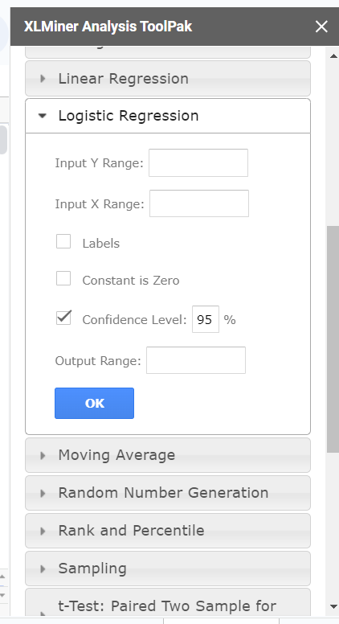
Dataset |  |  | B0 | B1 | B2 | Positive일 확률
X1 | X2 | Y | -29.5486 | 13.4393 | -10.8449 | P(Y=Positive) | Log Loss | Predcit Y | Accuracy
2.7811 | 2.5505 | 0.0000 | -29.5486 | 37.3760 | -27.6602 | 0.0000 | 0.0000 | 0.000 | 0.0000
1.4655 | 2.3621 | 0.0000 | -29.5486 | 19.6952 | -25.6169 | 0.0000 | 0.0000 | 0.000 | 0.0000
3.3966 | 4.4003 | 0.0000 | -29.5486 | 45.6476 | -47.7206 | 0.0000 | 0.0000 | 0.000 | 0.0000
1.3881 | 1.8502 | 0.0000 | -29.5486 | 18.6548 | -20.0654 | 0.0000 | 0.0000 | 0.000 | 0.0000
3.0641 | 3.0053 | 0.0000 | -29.5486 | 41.1791 | -32.5921 | 0.0000 | 0.0000 | 0.000 | 0.0000
7.6275 | 2.7593 | 1.0000 | -29.5486 | 102.5091 | -29.9238 | 1.0000 | 0.0000 | 1.000 | 0.0000
5.3324 | 2.0886 | 1.0000 | -29.5486 | 71.6645 | -22.6509 | 1.0000 | 0.0000 | 1.000 | 0.0000
6.9226 | 1.7711 | 1.0000 | -29.5486 | 93.0352 | -19.2070 | 1.0000 | 0.0000 | 1.000 | 0.0000
8.6754 | -0.2421 | 1.0000 | -29.5486 | 116.5920 | 2.6252 | 1.0000 | 0.0000 | 1.000 | 0.0000
7.6738 | 3.5086 | 1.0000 | -29.5486 | 103.1303 | -38.0499 | 1.0000 | 0.0000 | 1.000 | 0.0000
 |  |  |  |  |  |  | 0.0000 | Minimize

 | SUMMARY OUTPUT

 | Regression Statistics
 | Chi Square | 13.862943575
 | Residual Dev. | 3.6659335645E-08
 | # of iterations | 21
 | Observations | 10

 |  | Coefficients | Standard Error | P-value | Odd Ratio | Lower 95% | Upper 95% | Lower 95% | Upper 95%
 | Intercept | -29.548609218 | 159347.6438 | 0.99985204438 | 1.4696098993E-13 | 0 | infinity | 0 | infinity
 | X1 | 13.439349069 | 12195.419444 | 0.9991207316 | 686491.46342 | 0 | infinity | 0 | infinity
 | X2 | -10.844867723 | 47874.894454 | 0.99981925908 | 1.9504453712E-05 | 0 | infinity | 0 | infinity

log loss plot
ID | y | p | y*log(p) | (1-y)*log(1-p) | y | p | y*log(p) | (1-y)*log(1-p)
01 | 1 | 0.28 | 1.27 | - | - | 0.65 | - | 1.05
02 | 1 | 0.62 | 0.48 | - | - | 0.83 | - | 1.76
03 | 0 | 0.14 | - | 0.15 | - | 0.45 | - | 0.59
04 | 1 | 0.91 | 0.10 | - | - | 0.90 | - | 2.35
05 | 1 | 0.78 | 0.25 | - | - | 0.74 | - | 1.33
06 | 1 | 0.10 | 2.35 | - | - | 0.14 | - | 0.15
07 | 0 | 0.30 | - | 0.36 | - | 0.62 | - | 0.97
08 | 1 | 0.56 | 0.59 | - | - | 0.81 | - | 1.68
09 | 0 | 0.51 | - | 0.71 | - | 0.49 | - | 0.68
10 | 0 | 0.36 | - | 0.45 | - | 0.75 | - | 1.40
11 | 1 | 0.56 | 0.57 | - | - | 0.95 | - | 2.94
12 | 1 | 0.16 | 1.85 | - | - | 0.88 | - | 2.10
13 | 1 | 0.54 | 0.62 | - | 1.00 | 0.59 | 0.52 | -
14 | 1 | 0.30 | 1.22 | - | 1.00 | 0.40 | 0.92 | -
15 | 1 | 0.98 | 0.02 | - | 1.00 | 0.99 | 0.01 | -
16 | 0 | 0.12 | - | 0.13 | 1.00 | 0.09 | 2.43 | -
17 | 1 | 0.63 | 0.46 | - | 1.00 | 0.85 | 0.16 | -
18 | 1 | 0.78 | 0.25 | - | 1.00 | 0.13 | 2.07 | -
19 | 0 | 0.07 | - | 0.07 | 1.00 | 0.08 | 2.54 | -
20 | 1 | 0.59 | 0.53 | - | 1.00 | 0.58 | 0.54 | -

odds
P(A) vs. Odd ratio(A)
 | 0.00
 | 0.05
 | 0.11
 | 0.18
 | 0.25
 | 0.33
 | 0.43
 | 0.54
 | 0.67
 | 0.82
 | 1.00
 | 1.22
 | 1.50
 | 1.86
 | 2.33
 | 3.00
 | 4.00
 | 5.67
 | 9.00
 | 19.00
 | 999,999.00
P(A) | 1-P(A) | odds ratio(A) | odd ratio(B) | logit(A) | logit(B)
0.00 | 1.00 | 0.00 | 999,999.00 | -6.00 | 6.00
0.05 | 0.95 | 0.05 | 19.00 | -1.28 | 1.28
0.10 | 0.90 | 0.11 | 9.00 | -0.95 | 0.95
0.15 | 0.85 | 0.18 | 5.67 | -0.75 | 0.75
0.20 | 0.80 | 0.25 | 4.00 | -0.60 | 0.60
0.25 | 0.75 | 0.33 | 3.00 | -0.48 | 0.48
0.30 | 0.70 | 0.43 | 2.33 | -0.37 | 0.37
0.35 | 0.65 | 0.54 | 1.86 | -0.27 | 0.27
0.40 | 0.60 | 0.67 | 1.50 | -0.18 | 0.18
0.45 | 0.55 | 0.82 | 1.22 | -0.09 | 0.09
0.50 | 0.50 | 1.00 | 1.00 | 0.00 | -0.00
P(A) vs. logit(A)
0.55 | 0.45 | 1.22 | 0.82 | 0.09 | -0.09
0.60 | 0.40 | 1.50 | 0.67 | 0.18 | -0.18
0.65 | 0.35 | 1.86 | 0.54 | 0.27 | -0.27
0.70 | 0.30 | 2.33 | 0.43 | 0.37 | -0.37
0.75 | 0.25 | 3.00 | 0.33 | 0.48 | -0.48
0.80 | 0.20 | 4.00 | 0.25 | 0.60 | -0.60
0.85 | 0.15 | 5.67 | 0.18 | 0.75 | -0.75
0.90 | 0.10 | 9.00 | 0.11 | 0.95 | -0.95
0.95 | 0.05 | 19.00 | 0.05 | 1.28 | -1.28
1.00 | 0.00 | 999,999.00 | 0.00 | 6.00 | -6.00

