Problem_2
Waiting Time | Probability
0 | 0.2 | 0
1 | 0.18 | 0.18
2 | 0.16 | 0.32
3 | 0.12 | 0.36
4 | 0.1 | 0.4
5 | 0.09 | 0.45
6 | 0.08 | 0.48
7 | 0.04 | 0.28
8 | 0.03 | 0.24

Sample_Statistics
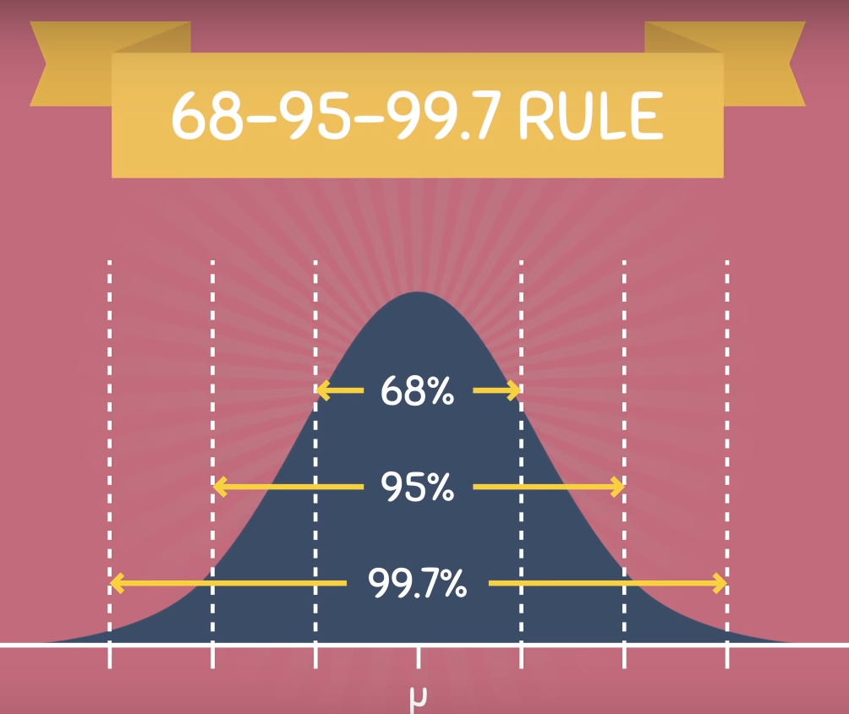
 | Parameter |  |  |  | Statistic
mu | Population mean |  | Sample mean | X bar | Sample Mean
sigma | population standard deviation |  | Sample Standard deviation | s | Sample standard deviation

Independent Events - | Occurance of an outcome does not depend on the previous outcome
Dependent Events - | Occurance of an outcome does depend on the previous outcome

Mutually Exclusive Events -

Difference between Mutually Exclusive and Independent Events - | 1) Independent events are based on multiple trials
 | 2) Exclusive Events are based on a single trial
 | 3) Mutliplicative rule | 1/2*1/2*1/2*1/2*1/2 | P(A) and P(B)
 | 4) Addition rule | 1/2 + 1/2 | Rolling a dice and expect 2 or 5 should come? | (1/6+1/6) * (1/6 + 1/6) | p(a) + p(b) - p(a and b)

Exhaustive Events - | The outcome of all events should be equal to one

Random Variable | Set of possible value in an experiment | Example: Tossing a coin: we could get Heads or Tails
 |  | Let's give them the values Heads=1 and Tails=0 and we have a Random Variable "X":

 | P(X =1) - head | X | 1 | Heads
 |  |  | 0 | Tails
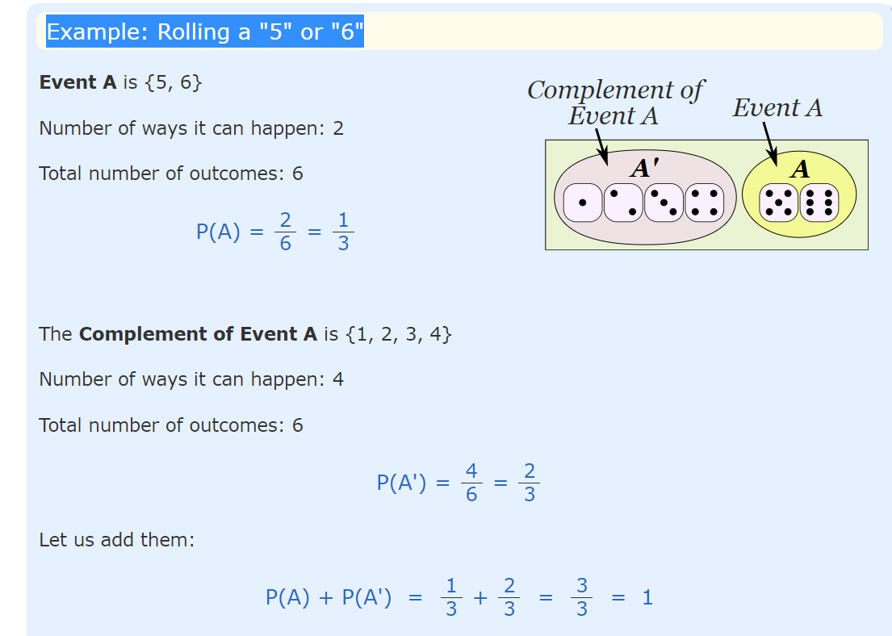
Sample Space - | Entire set of possible outcomes | (H,T)

Probability - | Total number of favourable outcomes | here faourable means - what we want | 1 | 1/2 | 50%
 | Total number of all possible outcomes |  | 2

Complement Rule - | When the event is Heads, the complement is Tails | 0.5 | 0.83333333333
 | A mutually exclusive pair of events are complements to each other. For example: If the desired outcome is heads on a flipped coin, the complement is tails. The Complement Rule states that the sum of the probabilities of an event and its complement must equal 1, or for the event A, P(A) + P(A') = 1 | When the event is {Monday, Wednesday} the complement is {Tuesday, Thursday, Friday, Saturday, Sunday}

Probabilities Examples | Flipping a coin - Single Trial | Sample Space?? | (H,T) | Example: You toss a coin and it comes up "Heads" three times ... what is the chance that the next toss will also be a "Head"?
 | A = Heads | P(A) | 0.5
 | B = Tails | P(B) | 0.5

 |  |  |  |  |  |  |  | Idependent Events
 | Flipping two coins | Sample Space?? | (HH,HT,TH,TT) |  |  |  |  | P(A and B) | P(A) * P(B)
 | A = both heads (two heads in a row) | P(A) | 0.25 | 1/2*1/2
 | B= both tails (two tails in a row) | P(B) | 0.25 | 1/2*1/2
 | C' = Heads T tail both | P(C') | 2/4 | 1/2*1/2 + 1/2*1/2 | H*T + T*H
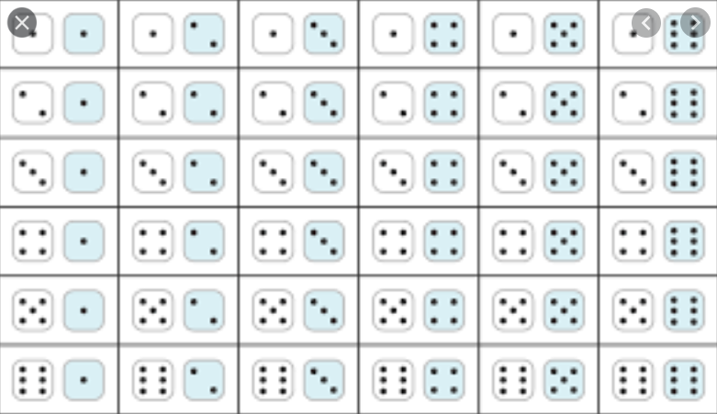

 | Rolling two Dice | Sample Space??
 | A = both Six (two Six in a row) | P(A)
 | B= 5 or 6 | P(B)

Conditinal Probability | P(A|B) | P(A and B) | P(A) * P(B) | P(A)
 |  | P(B) | P(B)
 | P(B|A) | P(A and B)
 |  | P(A)

 | In a group of 100 sports car buyers, 40 bought alarm systems, 30 purchased bucket seats, and 20 purchased an alarm system and bucket seats. If a car buyer chosen at random bought an alarm system, what is the probability they also bought bucket seats?
 | N | 100
 | Alarm sys | 40 | P(Alarm sys) | 0.4
 | Bucket seats | 30 | P(Bucket seats) | 0.3
 | Alarm and bucket together | 20 | P(Alarm and Bucket) | 0.2

 | P(A|B) |  |  | 50%
 | P(B|A) |  |  | ??

 | P(A|B) = | P(A and B) / | P(B) | Conditinal Probability of A given B | 0.2 | 0.4 | 0.5
 | P(B|A) = | P(A and B) / | P(A) | Conditinal Probability of B given A

 | P(A|B) * P(B) = | P(A and B)
 | P(B|A) * P(A) = | P(A and B)

 | P(A|B) * P(B) = | P(B|A) * P(A)

Bayes Theorem - Bayes' Theorem is a way of finding a probability when we know certain other probabilities | P(A|B) | P(B|A) * P(A) / | P(B)

 | 2 FC and 1 Biased Coin is tossed |  |  | In India, 5 out of 100 people are COVID-19 confirmed, Test are being conducted across the country and found that people who are confirmed the test gave 9 out of 10 times positive result and 1 out 10 times test gave positive result for people who are not-covid positive. Suppose 1 person is picked from the population and found that the test is +ve what are the chances that the person has COVID? Ans - N = 100 P(COVID) = 5/100 = 5% P(+|COVID) = 9/10 = 90% P(-|COVID) = 1/10 = 10% P(+|non - COVID) = 1/10 = 10% P(-|non - COVID) = 9/10 = 90% | P(COVID|+)??

Binomial Distribution | This probability distribution describes the probability of having exactly ‘k’ successes in ‘n’ independent trials with probability of success ‘p’
n | 1) fixed number of trials
p | 2) only two possible outcomes of the tirals - success or failure
n X p | 3) Trials are independent and random
 | 4) Prob of success of failure does not change during n trials
 | Note -

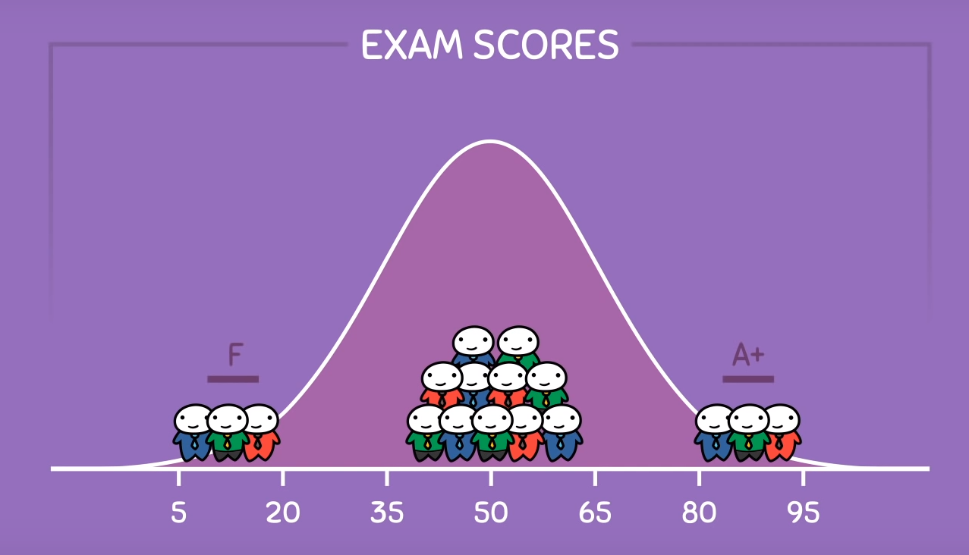

Normal or Gaussian Distribution | Parameters | mean
 |  | variance

Problem_1
Marginal Distribution
Education level | Job Satisfaction
 | Satisfied | Neutral | Dissatisfied | Highly Dissatisfied | Total
did not complete school | 10 | 20 | 30 | 40 | 100 | 15%
high school graduate | 20 | 30 | 25 | 50 | 125 | 19%
some college | 30 | 60 | 35 | 25 | 150 | 23%
college graduate | 120 | 40 | 30 | 10 | 200 | 31% | 75%
post-graduate | 60 | 15 | 0 | 0 | 75 | 12%
Total | 240 | 165 | 120 | 125 | 650
 | 37% | 25% | 18% | 19%

 |  |  |  | Marginal Distribution Plot
 |  |  |  | did not complete school | 15%
 |  |  |  | high school graduate | 19%
 |  |  |  | some college | 23%
 |  |  |  | college graduate | 31%
 |  |  |  | post-graduate | 12%

P(attrite|dissatisfied) | 0.4
P(Attirte and dissatisfied) | ?? | P(attrite and dissatisfied)
P(dissatisfied) | 0.37
 | 0.148

Q1 | college graduate | post-graduate | Total | P(Satisfaction|College Graduate or More) | P(Satisfaction|College Graduate) | P(Satisfaction|Post Graduate)
Satisfied | 120 | 60 | 180 | 65% | 60% | 80%
Neutral | 40 | 15 | 55 | 20% | #DIV/0! | 20%
Dissatisfied | 30 | 0 | 30 | 11% | #DIV/0! | 0%
Highly Dissatisfied | 10 | 0 | 10 | 4% | #DIV/0! | 0%
 | 200 | 75 | 275

Q2 | some college | college graduate | post-graduate | Total | P(not dissatisfied|Some College or college graduate or Post graduate)
Satisfied | 30 | 120 | 60 | 210
Neutral | 60 | 40 | 15 | 115 | 325
Dissatisfied | 35 | 30 | 0 | 65
Highly Dissatisfied | 25 | 10 | 0 | 35
 | 150 | 200 | 75 | 425

 | 35 | 30 | 0 |  | 76%
 | 25 | 10 | 0

Q3 | did not complete school | high school graduate | some college | college graduate | post-graduate
Neutral | 20 | 30 | 60 | 40 | 15 | 165
Dissatisfied | 30 | 25 | 35 | 30 | 0 | 120
Highly Dissatisfied | 40 | 50 | 25 | 10 | 0 | 125
 |  |  |  |  |  | 410
 |  |  |  | 95 |  | 23%

Q4 | Among the employees who have not had any college education, what proportion are not highly dissatisfied?
Education level | Highly Dissatisfied | Total
did not complete school | 40 | 100
high school graduate | 50 | 125
 | 90 | 225 | 40% | 60%

Sheet2
Head | 0.5 | 1
Tail | 0.5 | 1

 | ead | 0.5
 | tail | 0.5

 | 1 | 2020-01-06
 | 6 | 2020-01-06

 |  |  | 1 | 2

