Datasheet
Data
specifications
Country | Project | Type | FOAK/NOAK* | Scale | Capacity (gross) | Capacity (net MWe) | OCC (USD2020/kW) | planned Construction time (y) | Actual / total build time (y) | Lifetime (y) | Capacity factor (%) | WACC (real %) | OPEX fixed (USD2020/MW-yr) | OPEX variable (USD2020/MWh) | Fuel (USD2020/MWh) | Waste (USD2020/MWh) | Decom (% of CAPEX) | Source | Year
USA/JAPAN | BWRX-300 | BWR | noak | SMR | 300 | 300 | 2,250 | 3.0 | - | 60 | 90 | — | 144,365 | 2.33 | 29.55 | 1 | 15 | Weibezahn 2023 | 2020
UK | UK-SMR (RR) | PWR | foak | SMR | 470 | 443 | 5,216 | 4.0 | - | 60 | 90 | — | 518,242 | 2.33 | 6.23 | 1 | 15 | Weibezahn 2023 | 2020
USA | SMR-160 | PWR | NOAK | SMR | 160 | 160 | 6,313 | 3.0 | - | 80 | 90 | — | 146,645 | 2.33 | 6.23 | 1 | 15 | Weibezahn 2023 | 2020
KOR/SAUDI | SMART | PWR | foak | SMR | 107 | 107 | 8,000 | 3.0 | - | 60 | 90 | — | 65,025 | 2.33 | 5.31 | 1 | 15 | Weibezahn 2023 | 2020
USA | NuScale | PWR | noak | SMR | 77 | 77 | 3,600 | 3.0 | - | 60 | 90 | — | 179,595 | 2.33 | 7.15 | 1 | 15 | Weibezahn 2023 | 2020
RUS | RITM-200M | PWR | foak | SMR | 50 | 55 | 4,212 | 7.0 | - | 40 | 90 | — | 170,980 | 2.33 | 6.23 | 1 | 15 | Weibezahn 2023 | 2020
CHINA | ACPR-50S | PWR | foak | Micro | 50 | 40 | 8,532 | 3.0 | - | 40 | 90 | — | 146,645 | 2.33 | 6.23 | 1 | 15 | Weibezahn 2023 | 2020
RUS | KLT-40S | PWR | foak | Micro | 35 | 32 | 13,531 | 3.0 | 13.1 | 40 | 90 | — | 170,980 | 2.33 | 6.23 | 1 | 15 | Weibezahn 2023 | 2020
ARGENTINA | CAREM | PWR | foak | Micro | 29 | 25 | 23,188 | 3.5 |  | 60 | 90 | — | 146,645 | 2.33 | 6.23 | 1 | 15 | Weibezahn 2023 | 2020
USA | EM2 | HTR | foak | SMR | 265 | 265 | 4,373 | 3.5 |  | 60 | 90 | — | 104,340 | 2.33 | 19.29 | 1 | 15 | Weibezahn 2023 | 2020
CHINA | HTR-PM | HTR | foak | SMR | 210 | 200 | 3,270 | 4.9 | 11 | 60 | 90 | — | 168,920 | 2.33 | 13.96 | 1 | 15 | Weibezahn 2023 | 2020
Canada | ARC-100 | SFR | foak | SMR | 100 | 100 | 5,050 | 2.8 |  | 60 | 90 | — | 130,750 | 2.33 | 78.04 | 1 | 15 | Weibezahn 2023 | 2020
China | CEFR | SFR | foak | Micro | 20 | 20 | 19,350 | 3.0 | 12.4 | 30 | 90 | — | 130,750 | 2.33 | 113.05 | 1 | 15 | Weibezahn 2023 | 2020
JAPAN | 4S | SFR | foak | Micro | 10 | 10 | 6,900 | 3.0 |  | 30 | 90 | — | 130,750 | 2.33 | 23.86 | 1 | 15 | Weibezahn 2023 | 2020
Canada | IMSR (300) | MSR | NOAK | SMR | 200 | 195 | 4,054 | 4.0 |  | 60 | 90 | — | 180,512 | 2.33 | 8.94 | 1 | 15 | Weibezahn 2023 | 2020
canada | SSR-W | MSR | NOAK | SMR | 300 | 300 | 1,950 | 3.0 |  | 60 | 90 | — | 130,750 | 2.33 | 29.55 | 1 | 15 | Weibezahn 2023 | 2020
USA | e-Vinci | MR | NOAK | Micro | 5 | 5 | 5,771 | 3.0 |  | 60 | 90 | — | 130,750 | 2.33 | 29.55 | 1 | 15 | Weibezahn 2023 | 2020
Russia | Brest-OD-300 | LFR | NOAK | SMR | 300 | 300 | 4,160 | 3.0 |  | 30 | 90 | — | 130,750 | 2.33 | 29.55 | 1 | 15 | Weibezahn 2023 | 2020
USA | Clinton-1 | BWR | FOAK | Large |  | 935 | 9723 | 5.0 | 12.1 | 40 | 90 | — | 130,750 | 2.33 | 20 | 1 | 15 | Weibezahn / EIA | 2020
USA | Hope Creek | BWR | FOAK | Large |  | 1053 | 10608 | 5.0 | 16 | 40 | 90 | — | 130,750 | 2.33 | 20 | 1 | 15 | Weibezahn / EIA | 2020
USA | Riverbend-1 | BWR | FOAK | Large |  | 919 | 8974 | 5.0 | 9.3 | 40 | 90 | — | 130,750 | 2.33 | 20 | 1 | 15 | Weibezahn / EIA | 2020
FIN | Olkiluoto-3-wealer | PWR | FOAK | Large |  | 1600 | 7983 | 4.7 | 17 | 60 | 90 | — | 130,750 | 2.33 | 20 | 1 | 15 | Weibezahn | 2020
FIN | Olkiluoto-3-oecd | PWR | FOAK | Large |  | 1630 | 5733 | 4.7 | 17 | 60 | 90 | — | 130,750 | 2.33 | 20 | 1 | 15 | Weibezahn | 2020
FRA | Flamanville-3-wealer | PWR | FOAK | Large |  | 1600 | 9270 | 4.5 | 17.1 | 60 | 90 | — | 130,750 | 2.33 | 20 | 1 | 15 | Weibezahn | 2020
FRA | Flamanville-3-oecd | PWR | FOAK | Large |  | 1600 | 8620 | 4.5 | 17.1 | 60 | 90 | — | 130,750 | 2.33 | 20 | 1 | 15 | Weibezahn | 2020
UK | Hinkley Point C-1 | PWR | FOAK | Large |  | 1630 | 8549 | 9.0 |  | 60 | 90 | — | 130,750 | 2.33 | 20 | 1 | 15 | Weibezahn | 2020
UK | Hinkley Point C-2 | PWR | FOAK | Large |  | 1630 | 8549 | 9.0 |  | 60 | 90 | — | 130,750 | 2.33 | 20 | 1 | 15 | Weibezahn | 2020
USA | Vogtle-3-wealer | PWR | FOAK | Large |  | 1117 | 11330 | 7.0 | 14 | 60 | 90 | — | 130,750 | 2.33 | 20 | 1 | 15 | Weibezahn | 2020
USA | Vogtle-4-wealer | PWR | FOAK | Large |  | 1117 | 11330 | 7.0 | 15 | 60 | 90 | — | 130,750 | 2.33 | 20 | 1 | 15 | Weibezahn | 2020
USA | Vogtle-3-oecd | PWR | FOAK | Large |  | 1117 | 8600 | 7.0 | 14 | 60 | 90 | — | 130,750 | 2.33 | 20 | 1 | 15 | Weibezahn | 2020
USA | Vogtle-4-oecd | PWR | FOAK | Large |  | 1117 | 8600 | 7.0 | 15 | 60 | 90 | — | 130,750 | 2.33 | 20 | 1 | 15 | Weibezahn | 2020
KOR | Shin Kori-3|Saeul-1 | PWR | NOAK | Large |  | 1340 | 2410 | 4.3 | 8.18 | 60 | 90 | — | 130,750 | 2.33 | 20 | 1 | 15 | Weibezahn | 2020
KOR | Shin Kori-4|Saeul-2 | PWR | NOAK | Large |  | 1340 | 2410 | 4.3 | 10.03 | 60 | 90 | — | 130,750 | 2.33 | 20 | 1 | 15 | Weibezahn | 2020
CHN | Sanmen-1 | PWR | FOAK | Large |  | 1000 | 3154 | 4.6 | 9.43 | 60 | 90 | — | 130,750 | 2.33 | 20 | 1 | 15 | Weibezahn | 2020
CHN | Sanmen-2 | PWR | FOAK | Large |  | 1000 | 3154 | 4.7 | 8.89 | 60 | 90 | — | 130,750 | 2.33 | 20 | 1 | 15 | Weibezahn | 2020 | https://pris.iaea.org/pris/CountryStatistics/ReactorDetails.aspx?current=879&utm_source=chatgpt.com
CHN | Taishan-1 | PWR | FOAK | Large |  | 1660 | 3222 | 3.8 | 9.1 | 60 | 90 | — | 130,750 | 2.33 | 20 | 1 | 15 | Weibezahn | 2020 | https://www.researchgate.net/publication/267580777_Construction_of_Westinghouse_AP1000_Nuclear_Power_Plants_in_China
CHN | Taishan-2 | PWR | FOAK | Large |  | 1660 | 3222 | 3.8 | 9.4 | 60 | 90 | — | 130,750 | 2.33 | 20 | 1 | 15 | Weibezahn | 2020
RUS | Novovoronezh II-1 | PWR | NOAK | Large |  | 1144 | 2244 | 6.0 | 8.68 | 60 | 90 | — | 130,750 | 2.33 | 20 | 1 | 15 | Weibezahn | 2020
RUS | Novovoronezh II-2 | PWR | NOAK | Large |  | 1144 | 2244 | 7.0 | 10.31 | 60 | 90 | — | 130,750 | 2.33 | 20 | 1 | 15 | Weibezahn | 2020
USA | Fort St. Vrain-doe/eia | HTR | FOAK | SMR |  | 200 | 7195 | 5.0 | 10.83 | 40 | 90 | — | 130,750 | 2.33 | 20 | 1 | 15 | Weibezahn | 2020
USA | Fort St. Vrain | HTR | FOAK | SMR |  | 200 | 8108 | 5.0 | 10.83 | 40 | 90 | — | 130,750 | 2.33 | 20 | 1 | 15 | Weibezahn | 2020
USA | Peach Bottom-1 | HTR | FOAK | Micro |  | 46 | 1197 | 5.0 | 5.33 | 40 | 90 | — | 130,750 | 2.33 | 20 | 1 | 15 | Weibezahn | 2020
RUS | Beloyarsk-3 | SFR | NOAK | Large |  | 880 | 2501 | 8.0 |  | 60 | 90 | — | 130,750 | 2.33 | 20 | 1 | 15 | Weibezahn | 2020
FRA | Superphenix | SFR | FOAK | Large |  | 1250 | 27747 | 12.0 |  | 40 | 90 | — | 130,750 | 2.33 | 20 | 1 | 15 | Weibezahn | 2020
 |  |  |  |  |  |  | source for investment cost
 |  |  |  |  |  |  | Uncertainties in estimating production costs of future nuclear technologies: A model-based analysis of small modular reactors - ScienceDirect
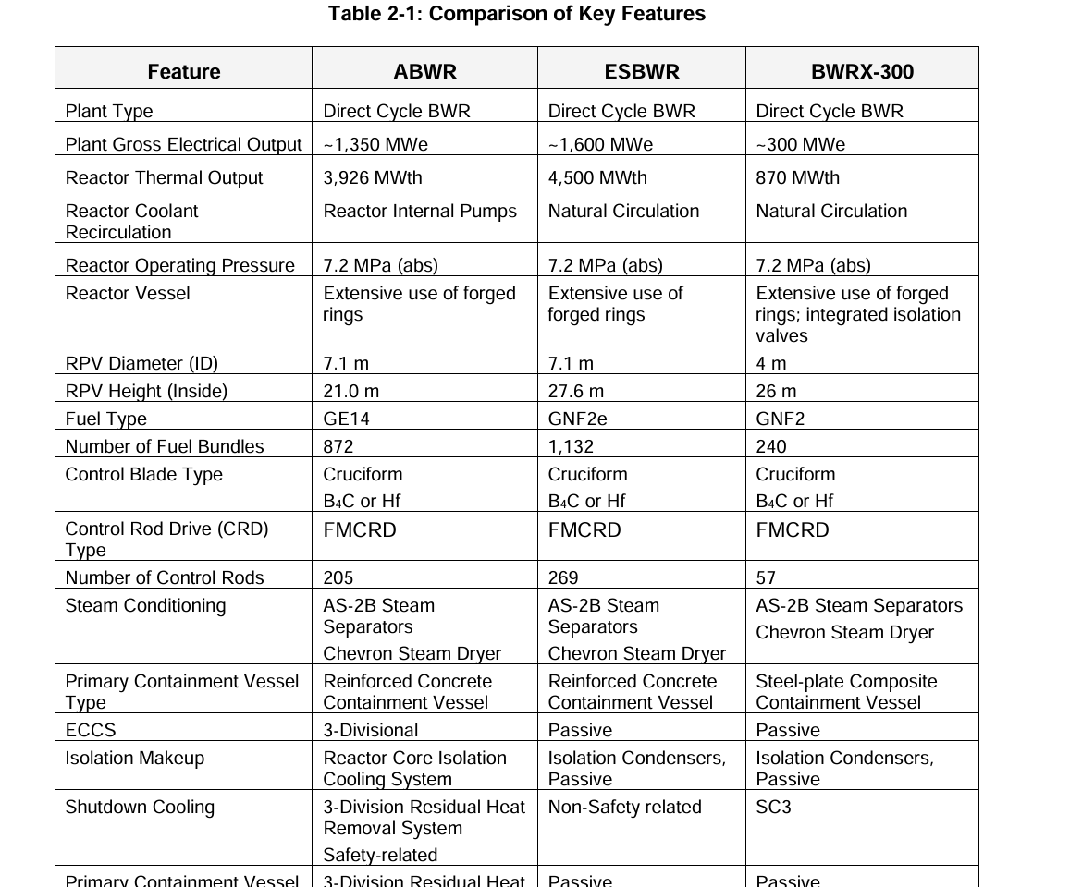
 |  | hentet fra uncertainties | ikke hentet |  |  |  | source til capacity
Country | Project | Type | Gross Capacity (MWe) | Net Capacity (Mwe) | Investment cost [USD2020/MWe] | Investment cost adjusted [USD2025/MWe] (occ) | ias smr module 2024 / 2022
USA/JAPAN | BWRX-300 | BWR | 300 | 300 | 2,250,000 | 2,587,500
UK | UK-SMR | PWR | 470 | 443 | 5,215,937 | 6,363,914
USA | SMR-160 | PWR | 160 | 160 | 6,312,500 | 7,259,375
KOR/SAUDI | SMART | PWR | 100 | 107 | 10,186,916 | 10,948,555
USA | NuScale | PWR | 77 | 77 | 3,466,000 | 3,985,900
RUS | RITM-200M | PWR | 50 | 55 | 4,212,000 | 4,403,455
CHINA | ACPR-50S | PWR | 50 | 40 | 8,532,000 | 12,264,750
RUS | KLT-40S | PWR | 35 | 32 | 13,531,429 | 17,020,001
ARGENTINA | CAREM | PWR | 29 | 25 | 23,187,500 | 30,932,125
USA | EM2 | HTR/GFR | 285 | 265 | 4,373,300 | 5,408,864
CHINA | HTR-PM | HTR | 210 | 200 | 5,400,000 | 6,520,500
SOUTH AFR | PBMR-400 | HTGR | 200 | 165 | 1,550,000 | 2,160,606
canada | ARC-100 | SFR | 100 | 100 | 5,050,000 | 5,807,500
China | CEFR | SFR | 20 | 20 | 23,034,536 | 26,489,716
JAPAN | 4S | SFR | 10 | 10 | 2,500,000 | 2,875,000
Canada | IMSR (300) | MSR | 195 | 195 | 4,054,266 | 4,662,406
UK | SSR-W | MSFR | 30 | 30 | 1,950,000 | 2,242,500
USA | e-Vinci | MR | 5 | 5 | 5,771,429 | 6,637,143
Russia | Brest-OD-300 | LFR | 300 | 300 | 4,160,000 | 4,784,000

 |  | store kraftverk

 | Country | Reactor | Type | Capacity (MWe) | Investment cost [USD2020/kW] | source | source for investment cost
 | USA | Clinton-1 | BWR | 935 | 9723 |  | Uncertainties in estimating production costs of future nuclear technologies: A model-based analysis of small modular reactors - ScienceDirect
 | USA | Hope-Creek | BWR | 1053 | 10608 |  | source til capacity
 | USA | Riverbend-1 | BWR | 919 | 8974 |  | ias smr module booklet 2024 / 2022 og uncertainties
 | FIN | Olkiluoto-3 | EPR (PWR) | 1600 | 7983 | 1
 | FIN | Olkiluoto-3 | EPR (PWR) | 1630 | 5733 | 2
 | FRZ | Flamanville-3 | EPR (PWR) | 1600 | 9270 | 1
 | FRZ | Flamanville-3 | EPR (PWR) | 1600 | 8620 | 2
 | UK | Hinkley Point C-1 | EPR-1750 | 1630 | 8549
 | UK | Hinkley Point C-2 | EPR-1750 | 1630 | 8549 |  | bytte ut new industrial building construction factor med norsk byggeindeks (ppi), er dette robust?
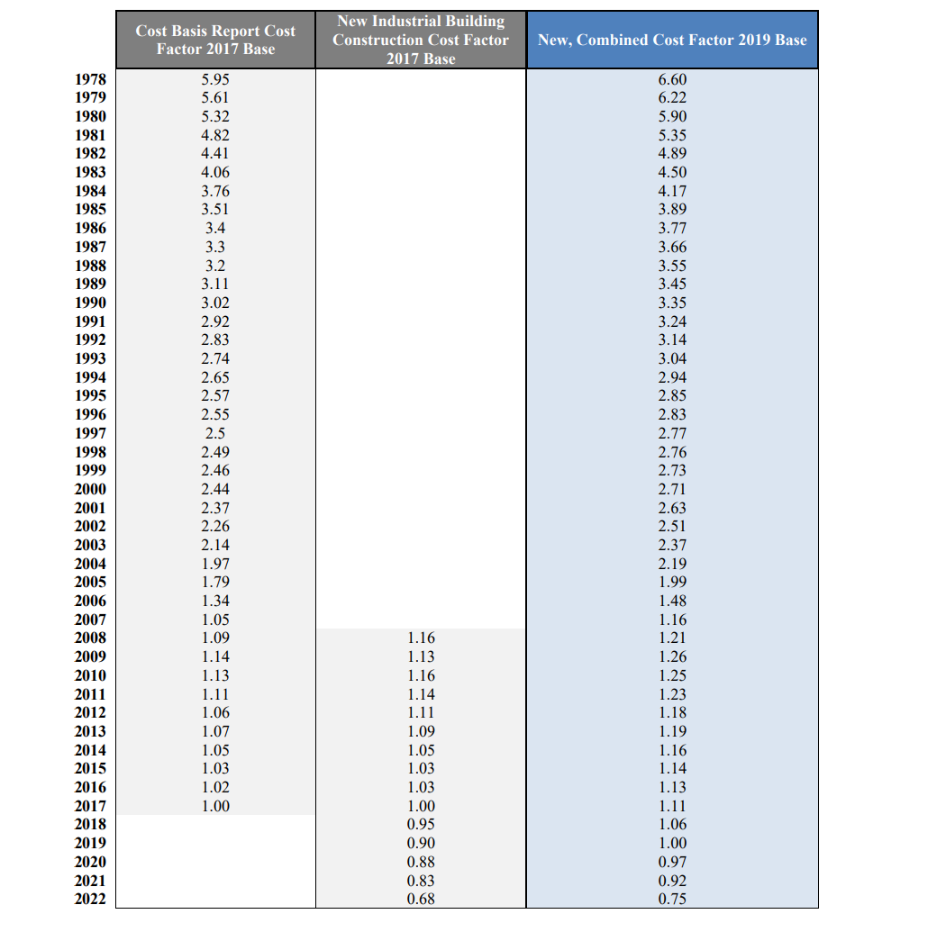
 | USA | Vogtle-3 | AP1000 | 1117 | 11330 | 1
 | USA | Vogtle-4 | AP1000 | 1117 | 11330 | 1
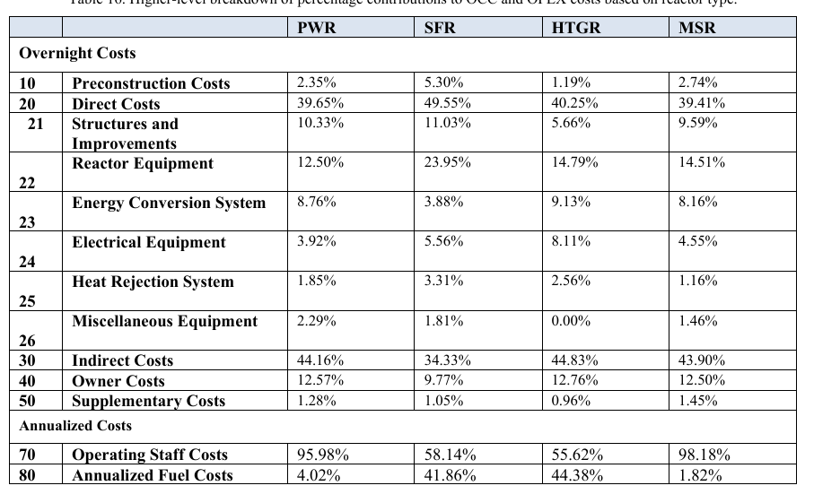
 | USA | Vogtle-3 | AP1000 | 1117 | 8600 | 2
 | USA | Vogtle-4 | AP1000 | 1117 | 8600 | 2
 | KOR | Shin Kori 3 | APR1400 | 1340 | 2410
 | KOR | Shin Kori 4 | APR1400 | 1340 | 2410
 | CHI | Sanmen-1 | AP1000 | 1000 | 3154
 | CHI | Sanmen-2 | AP1000 | 1000 | 3154
 | CHI | Taishan-1 | EPR (PWR) | 1660 | 3222
 | CHI | Taishan-2 | EPR (PWR) | 1660 | 3222
 | RUS | Novovoronezh II-1 | VVER1200 (PWR) | 1144 | 2244
 | RUS | Novovoronezh II-2 | VVER1200 (PWR) | 1144 | 2244
 | USA | Fort St. Vrain | HTGR | 200 | 7195 | 2
 | USA | Fort St. Vrain | HTGR | 200 | 8108 | 1
 | USA | Peach Bottom-1 | HTGR | 46 | 1197
 | RUS | Beloyarsk-3 | BN-800 (SFR) | 880 | 2501
 | FRZ | Superphénix | SFR | 1250 | 27747

 |  |  |  |  | occ
 |  |  |  | 2250 | 2250000
 |  |  |  | 5215.937 | 5215937
 |  |  |  | 6312.5 | 6312500
 |  |  |  | 8000 | 8000000
 |  |  |  | 3600 | 3600000
 |  |  |  | 4212 | 4212000
 |  |  |  | 8532 | 8532000
 |  |  |  | 13531.429 | 13531429
 |  |  |  | 23187.5 | 23187500
 |  |  |  | 4373.3 | 4373300
 |  |  |  | 3270 | 3270000
 |  |  |  | 5050 | 5050000
 |  |  |  | 19350 | 19350000
 |  |  |  | 6900 | 6900000
 |  |  |  | 4054.266 | 4054266
 |  |  |  | 1950 | 1950000
 |  |  |  | 5771.429 | 5771429
 |  |  |  | 4160 | 4160000

