Sheet1
Blue & "ABORT"
2+ Battery & "DETONATE"
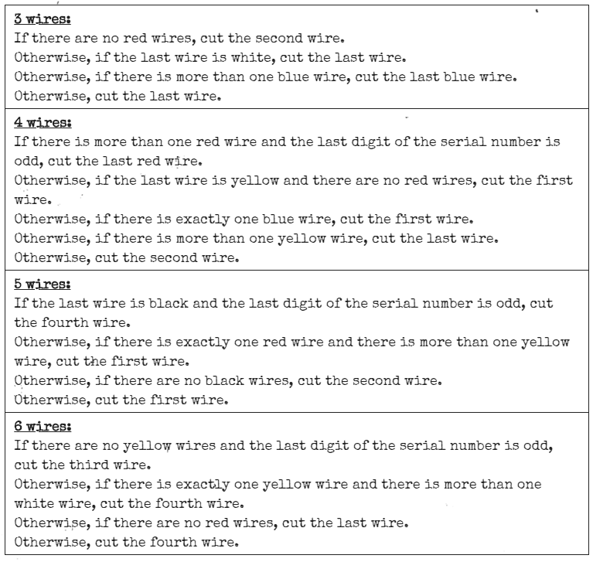
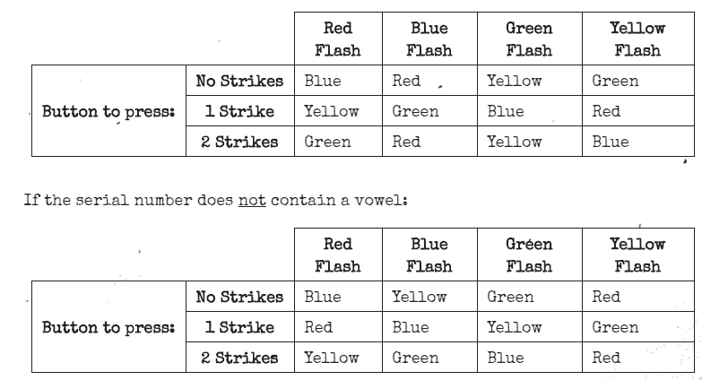
Complex wires |  |  |  |  |  |  | red | blue | ★ | LED | compare | letter | code | 241 | Buttons | Wires |  | Simon
Red | Blue | ★ | LED | RESULT |  | compare |  |  |  |  | ---- | C
 |  |  |  | C-Cut |  | ---- |  |  |  | X | ---L | D
 |  |  |  |  |  |  |  |  | X |  | --S- | C
Wire Sequence |  |  |  |  |  |  |  |  | X | X | --SL | B
White &
label CAR lit
Red | Action | Blue | Action | Black | Action |  |  | X |  |  | -B-- | S
a | PASS | b | CUT | b | CUT |  |  | X |  | X | -B-L | P
2+ Battery & label FRK lit
a | PASS | b | PASS | c | CUT |  |  | X | X |  | -BS- | D
b | PASS |  |  | c | PASS |  |  | X | X | X | -BSL | P
 |  |  |  | c | CUT |  | X |  |  |  | R--- | S
Yellow
 |  |  |  |  |  |  | X |  |  | X | R--L | B
 |  |  |  |  |  |  | X |  | X |  | R-S- | C
 |  |  |  |  |  |  | X |  | X | X | R-SL | B
Red &
"HOLD"
 |  |  |  |  |  |  | X | X |  |  | RB-- | S
 |  |  |  |  |  |  | X | X |  | X | RB-L | S |  |  |  |  |  | Mazes
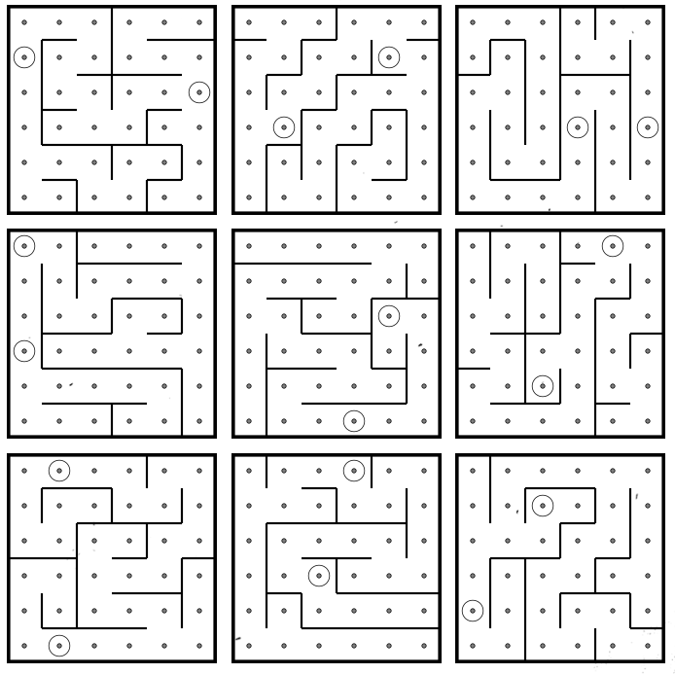
 |  |  |  |  |  |  | C | Cut
Memory |  |  |  |  |  |  | D | Don't Cut
Stage | display | position | number | Action |  |  | S | Cut if last serial # even
1 | 2 | 2 | 4 | Position 2 |  | pos2 | P | Cut if parallel port
Press & HOLD
Release on 4
2 | 1 | 2 | 4 | Labeled 4 |  | lbl4 | B | cut if 2+ batteries
3 | 4 | 2 | 4 | Labeled 4 |  | lbl4 |  | Occur | Red | Blue | Black
Release on 1
Press & RELEASE
4 | 2 | 1 | 1 | Position 1 |  | pos1 |  | 1 | C | B | ABC
Release on 5
5 | 1 | 2 | 4 | Labeled 4 |  | stl1 |  | 2 | B | AC | AC |  |  |  |  |  | Symbols
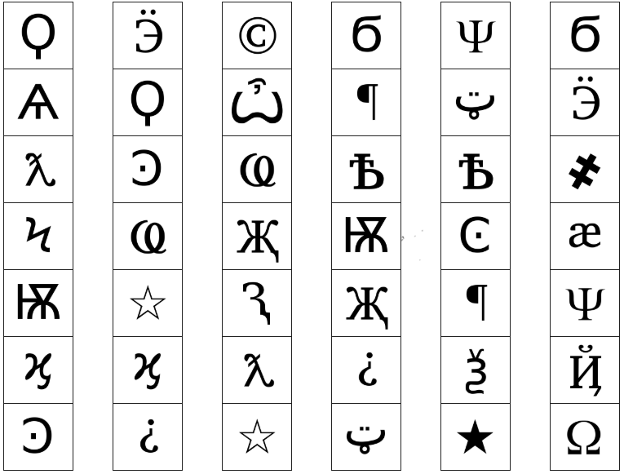
 | pos# | press position # |  |  |  |  |  | 3 | A | B | B
Release on 1
 | lbl# | press w/label # |  |  |  |  |  | 4 | AC | A | AC
 | stl# | press w/same label as stage # |  |  |  |  |  | 5 | B | B | B
 | stp# | press same position as stage # |  |  |  |  |  | 6 | AC | BC | BC |  |  | Morse Code
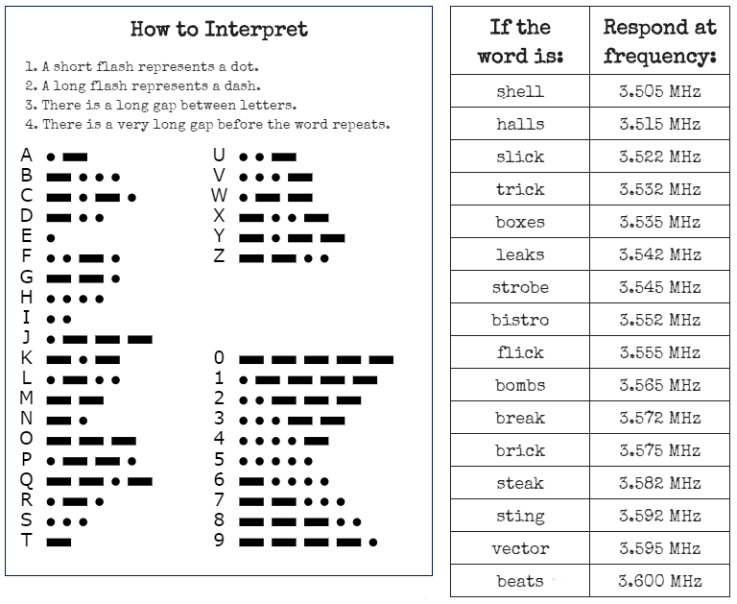
 |  |  |  |  |  |  |  | 7 | ABC | C | AB
Passwords |  |  |  |  |  |  |  | 8 | AB | AC | C
letter 1 | letter 2 | letter 3 | letter 4 | letter 5 | word |  |  | 9 | B | A | C
 |  |  |  |  |  |  |  | Display Stage | 1 | 2 | 3 | 4
 |  |  |  |  |  |  |  | 1 | pos2 | pos2 | pos3 | pos4
 |  |  |  |  |  |  |  | 2 | lbl4 | stp1 | pos1 | stp1
 |  |  |  |  |  |  |  | 3 | stl2 | stl1 | pos3 | lbl4
 |  |  |  |  |  |  |  | 4 | stp1 | pos1 | stp2 | stp2
 |  |  |  |  |  |  |  | 5 | stl1 | stl2 | stl4 | stl3

 |  |  |  |  |  | passwords | 1st ltrs | 2nd ltrs | 3rd ltrs
 |  |  |  |  |  | about | a | a | a
 |  |  |  |  |  | after | b | b | e
 |  |  |  |  |  | again | c | e | g
 |  |  |  |  |  | below | e | f | h
about | found | place | still | three |  | could | f | g | i
after | great | plant | study | water |  | every | g | h | l
again | house | point | their | where |  | first | h | i | o
below | large | right | there | which |  | found | l | l | r
could | learn | small | these | world |  | great | n | m | t
every | never | sound | thing | would |  | house | o | o | u
first | other | spell | think | write |  | large | p | p | v
Who's on First |  |  |  |  |  | learn | r | r
display | check btn | btn text | Read this |  |  | never | s | t
 | #N/A |  | #N/A |  |  | other | t | v
 |  |  |  |  |  | place | w
 |  |  |  |  |  | plant
 |  |  |  |  |  | point
 |  |  |  |  |  | right
 |  |  |  |  |  | small
 |  |  |  |  |  | sound
 |  |  |  |  |  | spell
 |  |  |  |  |  | still
 |  |  |  |  |  | study
 |  |  |  |  |  | their
 |  |  |  |  |  | there
 |  |  |  |  |  | these
 |  |  |  |  |  | thing
 |  |  |  |  |  | think
 |  |  |  |  |  | three
 |  |  |  |  |  | water
 |  |  |  |  |  | where
 |  |  |  |  |  | which
 |  |  |  |  |  | world
 |  |  |  |  |  | would
 |  |  |  |  |  | write

 |  |  |  |  |  | display | check | button | read
 |  |  |  |  |  | YES | ML | READY | YES, OKAY, WHAT, MIDDLE, LEFT, PRESS, RIGHT, BLANK, READY, NO, FIRST, UHHH, NOTHING, WAIT
 |  |  |  |  |  | FIRST | UR | FIRST | LEFT, OKAY, YES, MIDDLE, NO, RIGHT, NOTHING, UHHH, WAIT, READY, BLANK, WHAT, PRESS, FIRST
 |  |  |  |  |  | DISPLAY | BR | NO | BLANK, UHHH, WAIT, FIRST, WHAT, READY, RIGHT, YES, NOTHING, LEFT, PRESS, OKAY, NO, MIDDLE
 |  |  |  |  |  | OKAY | UR | BLANK | WAIT, RIGHT, OKAY, MIDDLE, BLANK, PRESS, READY, NOTHING, NO, WHAT, LEFT, UHHH, YES, FIRST
 |  |  |  |  |  | SAYS | BR | NOTHING | UHHH, RIGHT, OKAY, MIDDLE, YES, BLANK, NO, PRESS, LEFT, WHAT, WAIT, FIRST, NOTHING, READY
 |  |  |  |  |  | NOTHING | ML | YES | OKAY, RIGHT, UHHH, MIDDLE, FIRST, WHAT, PRESS, READY, NOTHING, YES, LEFT, BLANK, NO, WAIT
 |  |  |  |  |  |  | BL | WHAT | UHHH, WHAT, LEFT, NOTHING, READY, BLANK, MIDDLE, NO, OKAY, FIRST, WAIT, YES, PRESS, RIGHT
 |  |  |  |  |  | BLANK | MR | UHHH | READY, NOTHING, LEFT, WHAT, OKAY, YES, RIGHT, NO, PRESS, BLANK, UHHH, MIDDLE, WAIT, FIRST
 |  |  |  |  |  | NO | BR | LEFT | RIGHT, LEFT, FIRST, NO, MIDDLE, YES, BLANK, WHAT, UHHH, WAIT, PRESS, READY, OKAY, NOTHING
 |  |  |  |  |  | LED | ML | RIGHT | YES, NOTHING, READY, PRESS, NO, WAIT, WHAT, RIGHT, MIDDLE, LEFT, UHHH, BLANK, OKAY, FIRST
 |  |  |  |  |  | LEAD | BR | MIDDLE | BLANK, READY, OKAY, WHAT, NOTHING, PRESS, NO, WAIT, LEFT, MIDDLE, RIGHT, FIRST, UHHH, YES
 |  |  |  |  |  | READ | MR | OKAY | MIDDLE, NO, FIRST, YES, UHHH, NOTHING, WAIT, OKAY, LEFT, READY, BLANK, PRESS, WHAT, RIGHT
 |  |  |  |  |  | RED | FR | WAIT | UHHH, NO, BLANK, OKAY, YES, LEFT, FIRST, PRESS, WHAT, WAIT, NOTHING, READY, RIGHT, MIDDLE
 |  |  |  |  |  | REED | BL | PRESS | RIGHT, MIDDLE, YES, READY, PRESS, OKAY, NOTHING, UHHH, BLANK, LEFT, FIRST, WHAT, NO, WAIT
 |  |  |  |  |  | LEED | BL | YOU | SURE, YOU ARE, YOUR, YOU'RE, NEXT, UH HUH, UR, HOLD, WHAT?, YOU, UH UH, LIKE, DONE, U
 |  |  |  |  |  | HOLD ON | BR | YOU ARE | YOUR, NEXT, LIKE, UH HUH, WHAT?, DONE, UH UH, HOLD, YOU, U, YOU'RE, SURE, UR, YOU ARE
 |  |  |  |  |  | YOU | MR | YOUR | UH UH, YOU ARE, UH HUH, YOUR, NEXT, UR, SURE, U, YOU'RE, YOU, WHAT?, HOLD, LIKE, DONE
 |  |  |  |  |  | YOU ARE | BR | YOU'RE | YOU, YOU'RE, UR, NEXT, UH UH, YOU ARE, U, YOUR, WHAT?, UH HUH, SURE, DONE, LIKE, HOLD
 |  |  |  |  |  | YOUR | MR | UR | DONE, U, UR, UH HUH, WHAT?, SURE, YOUR, HOLD, YOU'RE, LIKE, NEXT, UH UH, YOU ARE, YOU
 |  |  |  |  |  | YOU'RE | MR | U | UH HUH, SURE, NEXT, WHAT?, YOU'RE, UR, UH UH, DONE, U, YOU, LIKE, HOLD, YOU ARE, YOUR
 |  |  |  |  |  | UR | UL | UH HUH | UH HUH, YOUR, YOU ARE, YOU, DONE, HOLD, UH UH, NEXT, SURE, LIKE, YOU'RE, UR, U, WHAT?
 |  |  |  |  |  | THERE | BR | UH UH | UR, U, YOU ARE, YOU'RE, NEXT, UH UH, DONE, YOU, UH HUH, LIKE, YOUR, SURE, HOLD, WHAT?
 |  |  |  |  |  | THEY'RE | BL | WHAT? | YOU, HOLD, YOU'RE, YOUR, U, DONE, UH UH, LIKE, YOU ARE, UH HUH, UR, NEXT, WHAT?, SURE
 |  |  |  |  |  | THEIR | MR | DONE | SURE, UH HUH, NEXT, WHAT?, YOUR, UR, YOU'RE, HOLD, LIKE, YOU, U, YOU ARE, UH UH, DONE
 |  |  |  |  |  | THEY ARE | ML | NEXT | WHAT?, UH HUH, UH UH, YOUR, HOLD, SURE, NEXT, LIKE, DONE, YOU ARE, UR, YOU'RE, U, YOU
 |  |  |  |  |  | SEE | BR | HOLD | YOU ARE, U, DONE, UH UH, YOU, UR, SURE, WHAT?, YOU'RE, NEXT, HOLD, UH HUH, YOUR, LIKE
 |  |  |  |  |  | C | UR | SURE | YOU ARE, DONE, LIKE, YOU'RE, YOU, HOLD, UH HUH, UR, SURE, U, WHAT?, NEXT, YOUR, UH UH
 |  |  |  |  |  | CEE | BR | LIKE | YOU'RE, NEXT, U, UR, HOLD, DONE, UH UH, WHAT?, UH HUH, YOU, LIKE, SURE, YOU ARE, YOUR

