work flow
Client
Mag inquire if -meeting (face to face or virtual)
-survey
-services need
Legend:
BOM: Bill of Materials
BOQ: Bill of Quatitites
P.O: Purchase Order

Services Offers:
Structured cabling System
Fire Pro
Fire detection and Alarm System
PABX
Ms. Janith
Check availability of the team
Anna
Check availability of the team
PA
Fire detection and Alarm System
Door Acess Control
Biometrics
Dashcam
Preventive Maintenance
Sir Julius
Senior Project Manager
Sir Anthony
Project Manager

Sir DOng
Services:
Fire detection and Alarm System
Door Acess Control
Biometrics
Dashcam/ Invehicle monitoring
Preventive Maintenance
Sir Gelo
Services:
Structured cabling System
Fire Pro
Fire detection and Alarm System
PABX
PA
Electrical
Sir Jerwin
Services:
Structured cabling System
Fire Pro
Fire detection and Alarm System
PABX
PA
Fire detection and Alarm System
Door Acess Control
Biometrics
Dashcam
Preventive Maintenance
Sir Ian
Services:
Electrical
Structured cabling System

After checking availabilty of the team and services client need.

if meeting: face to face or Virtual get the details like ( meeting link or meeting place)
Survey: address of the site contact person:
contact number:
Scope of work:
floor plan

Send to assign person details of the client send to client the assign person

Upon survey:
request floor plan if not yet provided
After survey assigned person provide Site survey report, SLD or HLD
assigned person will do BOQ: and send to Ms. Janith for pricing of Roughings and fittings or other materials

Ms. Janith send to Ms. Rowena for Final Pricing and checking/ SIr Julius

Ms. Rowena send back to assigned person who conducted the survey.

Assigned person send to client BOM, SLD Survey Report

Award or P.O ( Purchase Order)

If Yes
If No

Ms. Janith get PO reciept and BOM. and check the start of implemetation,
Ask client if awarded to other, status, or need discout. (negotitae)
Ms. Janith list all the equipments and tool, service will be using on implementation

Forward PO to Ms. Marivic to Bill the P.O defend of the Proposal or BOM. After billing for Downpayment. inform Ms. JAnith

Ms. Janith order the materilas based on the Gannt Chart

Ms. Mavic, issue billing based on the work progress, -

If Project Done,
Ms. Janith Issue COC
Ms. Mavic issue client last payment

Comments of Panelist
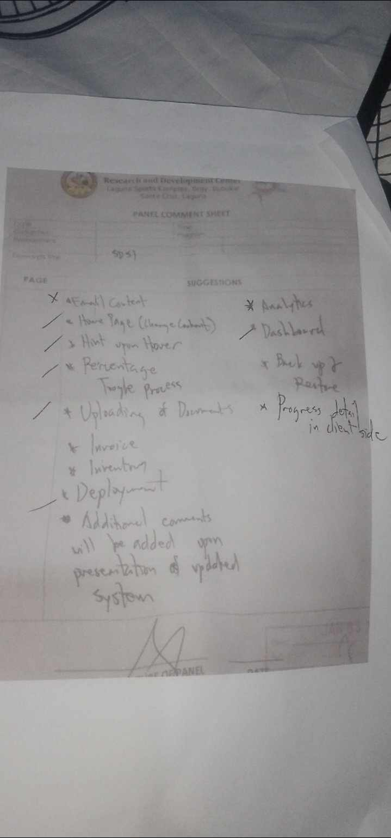
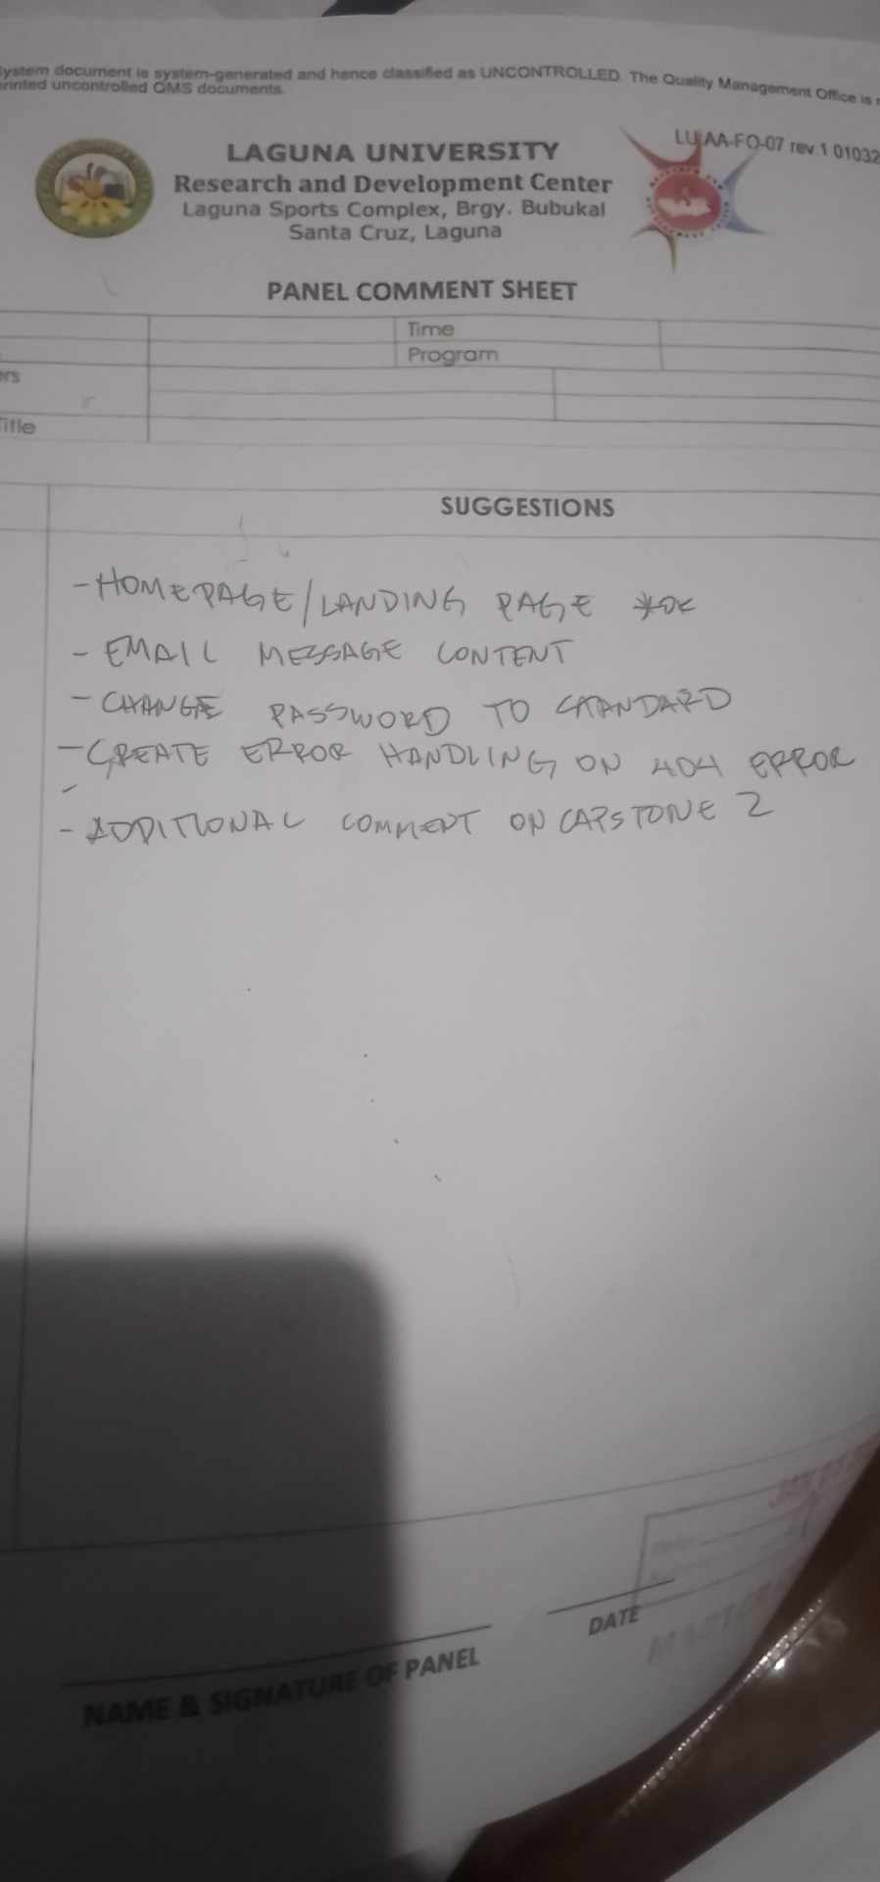

Comments:
Sign up
Edit button
Edit (wag x ang icon dapat pen)
Detailes (check spelling sa lahat)
Graphs (para sa analytics)
services
most used items
most in and out items
locations (san madalas may client "Heatmap") kung san madalas maraming projects
Change label sa "Facts"
Log in (dapat nagbabago pag naka log in na ex. Profile yung ipapalit nyo)
Viewable din dapat yung mga generic content na nakalagay din sa email (ano yung 30% na nagawa na)
on going / in progress
completed
pending
SDSI logo (sa Log in Page)
Ilan yung on going projects (dapat naka dashboard kung ilan)

