Requirements
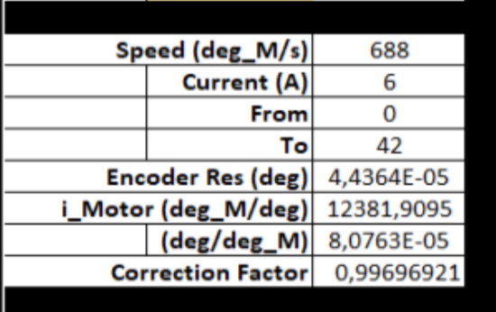
Requirements | Value
Positional accuracy | 0.1 degrees
Positional repeatability | 0.05 degrees
Resolution | 0.01 degrees
Motion range | Central axis to rotate from -4.5 degrees through to 45.5 degrees (0 degrees is perpendicular to the sample position)
Max speed | 0.1 deg/s
Travel time | The assembly shall travel through the range of motion within 15 minutes
Switching Positions | Switches S1 to S5 according to figure below
Switching Accuracy | 0.1 degrees

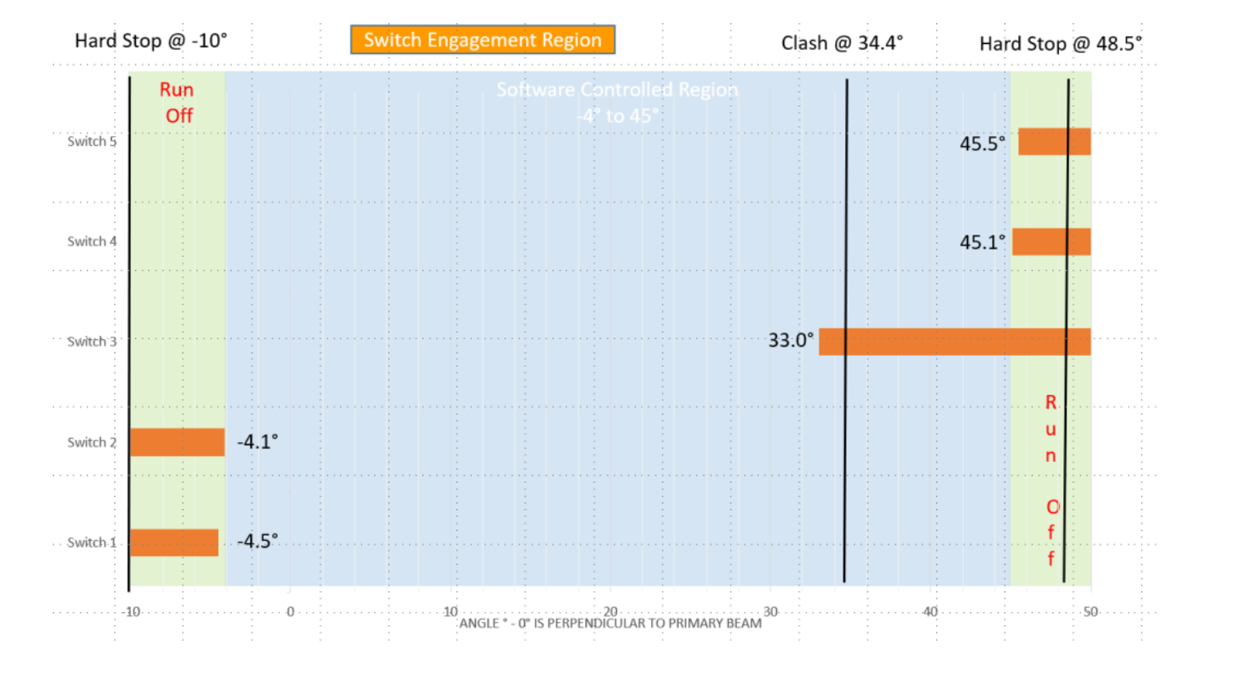

 |  | 50deg på 15minuter

