Sheet1
 | 0 | 1 | 2 | 3 | 4 | 5 | 6 | 7 | 8 | 9 | 10 | 11
0x1C32 C0 | 03 | 00 | 01 | 00 | 80 | 96 | 98 | 00 | 00 | 00 | 00 | 00
 |  |  | 0x1C32:01: 0x001 |  | 0x1C32:02: 0x00989680 |  |  |  | 0x0000
 |  |  | Sync mode |  | Cycle time |  |  |  | Shift time

0x1C33 C0 | 03 | 00 | 22 | 00 | 00 | 00 | 00 | 00 | 80 | 8D | 5B | 00
 |  |  | 0x1C33:01: 0x0022 |  | 0x1C33:02 : 0x00000000 |  |  |  | 0x005B8D80??? Dont match..???????
 |  |  | Sync mode |  | Cycle time |  |  |  | Shift time

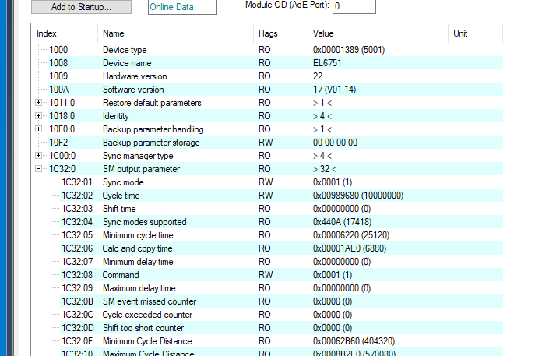

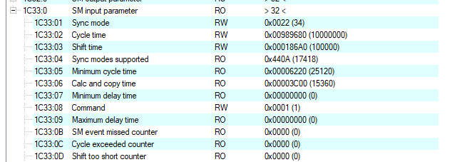

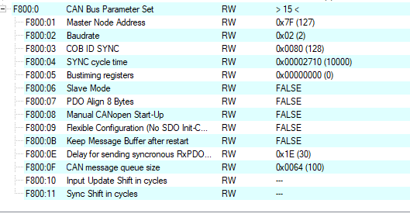

F800
 | 0A | 00 | 7F | 02 | 80 | 00 | 1E | 00 | 10 | 00 | 64 | 00
 |  |  | F800:01 | F800:02 | F800:03 |  | ? | ? | ? | ? | maybe F800:0F

