Sheet1
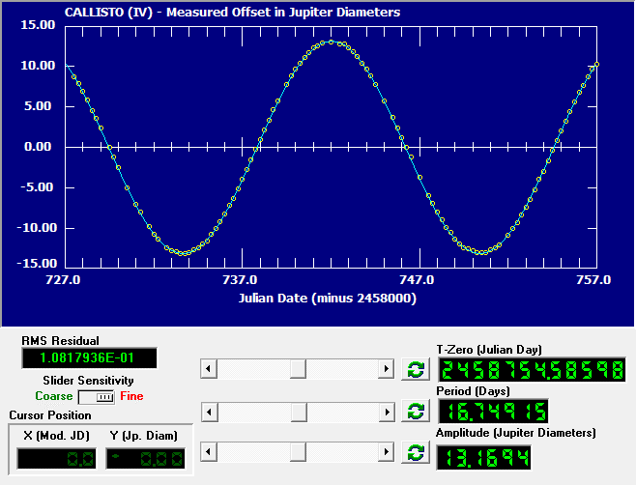
 | The Revolution of the Moons of Jupiter, part two.
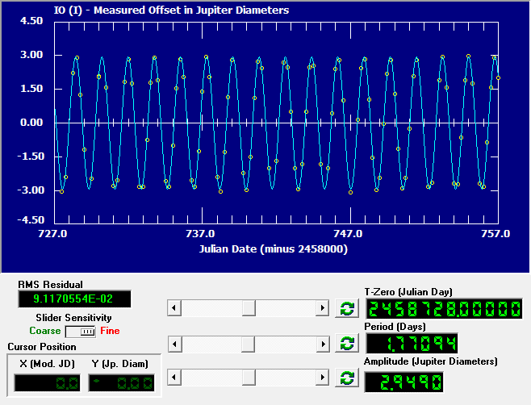
Name(s): Please list all names if partners were used.
Jacob Tuttle

Fill in the period and the semi-major axis values found from your data analysis into the table below (the cells highlighted in yellow).
Excel will do the calculations for you.
 | Period (days) | Period (years) | Semi-major axis (Jupiter Diameters) | Semi-major axis (A.U.s) | Mass of Jupiter from the given moon graph (solar masses)
Io | 1.77094 | 0.004848569473 | 2.949 | 0.002829951443 | 0.00096407252461
Europa | 3.55252 | 0.0097262696783 | 4.7492 | 0.0045574789396 | 0.0010006481512
Ganymede | 7.1708 | 0.019632580424 | 7.5165 | 0.007213065453 | 0.00097365444055
Callisto | 16.74915 | 0.045856673511 | 13.1694 | 0.012637762812 | 0.0009598547221
Average of the masses calculated: |  |  |  |  | 0.00097455745961

Questions and Discussion

1) Express the mass of Jupiter in earth units by dividing it by 3.00 x 10-6, which is the mass of Earth in solar mass units.

Average Mass of Jupiter = |  | 324 | earth masses

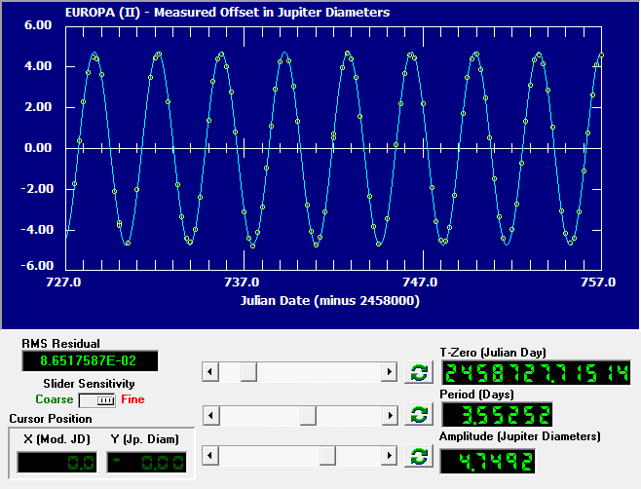
2. There are moons beyond the orbit of Callisto. Will they have larger or smaller periods than Callisto? Why?

They will have larger periods than Callisto. In accordance with Kepler's Third Law, as the distance from Jupiter increases, the orpital period will grow.

3. Which do you think would cause the larger error in computing mass: a ten percent error in "T" or a ten percent error in "a"? Why? You might try the calculations to test your answer.

A 10% error in 'a' will have a larger effect on the calculation than a 10% error in 't'. Since a is cubed and t is ony squared, that ten percent error will be compounded on itself thrice with a and only twice with t, leading to more of an effect on the final calculation.

4. The orbit of earth’s moon has a period of 27.3 days and a radius (semi-major axis) of 2.56 x 10-3 A.U. (= 3.84 x 105 km). What is the mass of Earth? What are the units? Show your work.

[(4 * pi^2) / (6.674*10^(-11))] * [(3.84*10^8)^3 / (2358720)^2] = 6.02 * 10^24 kg

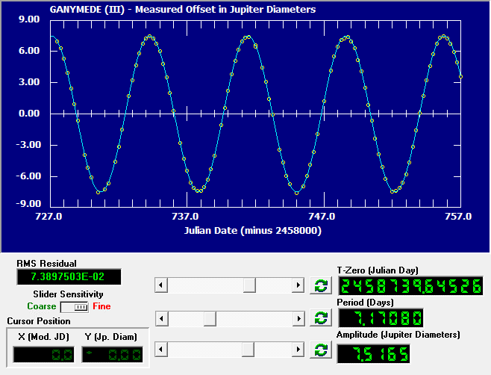

Conclusion:

This lab not only illustrated the power of Kepler's Third law for predicting and understanding the universe around us. Being able to understand the mass of various celestial bodies just through observation of orbiting bodies gives a lot of power to astronomers. As far as observations go, this lab has also illustrated the importance of taking very accurate data during the data collection phase. In regards to the line of best fit for Callisto, the fourth moon, after tinkering with the numbers for the sine curve for 20 minutes, I was only able to trim the RMS Residual to 0.0108. From looking at the data points, it appears to be slight deviations within the measurements during the data collection phase that caused this difficulty in fitting the line. Additionally, after the calculations, it is clear that the small deviations in the data collection phase led to each planet predicting slightly different sizes of Jupiter, and thus an average is a very useful way to approximate the true mass.

Paste one image for each moon's "Data Analysis" window below. You should have four images. Be sure your task bar is showing.

