Sheet1
 | smiles | decoys_code
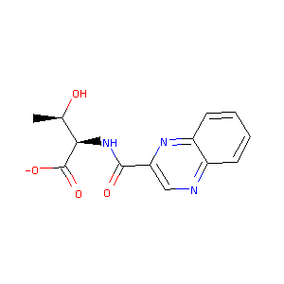 | C[C@H]([C@H](C(=O)[O-])NC(=O)c1cnc2ccccc2n1)O | C01615674
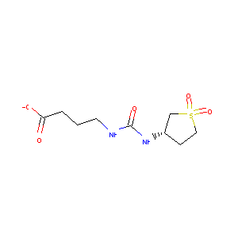 | C1CS(=O)(=O)C[C@H]1NC(=O)NCCCC(=O)[O-] | C05612944
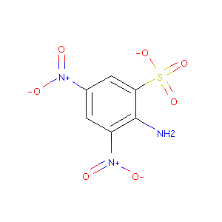 | c1c(cc(c(c1[N+](=O)[O-])N)S(=O)(=O)[O-])[N+](=O)[O-] | C04522678
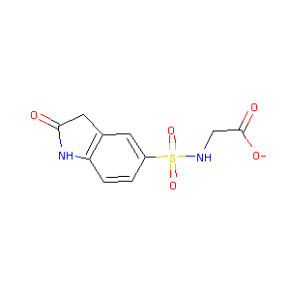 | c1cc2c(cc1S(=O)(=O)NCC(=O)[O-])CC(=O)N2 | C11888718
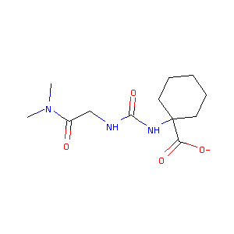 | CN(C)C(=O)CNC(=O)NC1(CCCCC1)C(=O)[O-] | C19261934
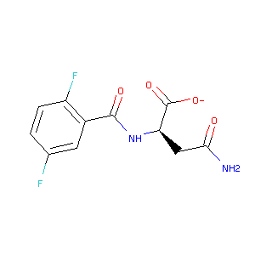 | c1cc(c(cc1F)C(=O)N[C@H](CC(=O)N)C(=O)[O-])F | C19427051
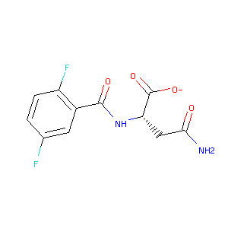 | c1cc(c(cc1F)C(=O)N[C@@H](CC(=O)N)C(=O)[O-])F | C19427053
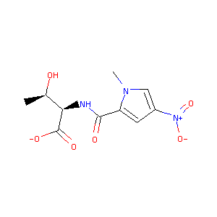 | C[C@H]([C@H](C(=O)[O-])NC(=O)c1cc(cn1C)[N+](=O)[O-])O | C20214058
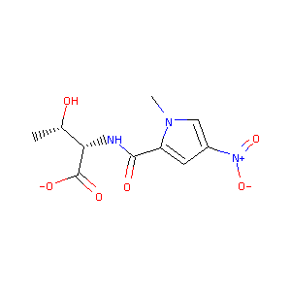 | C[C@@H]([C@@H](C(=O)[O-])NC(=O)c1cc(cn1C)[N+](=O)[O-])O | C20214069
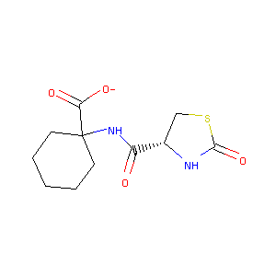 | C1CCC(CC1)(C(=O)[O-])NC(=O)[C@@H]2CSC(=O)N2 | C20259713
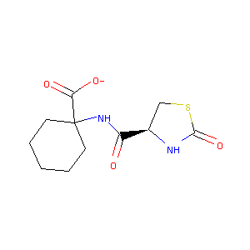 | C1CCC(CC1)(C(=O)[O-])NC(=O)[C@H]2CSC(=O)N2 | C20259714
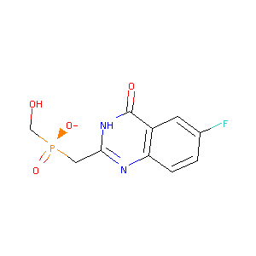 | c1cc2c(cc1F)c(=O)[nH]c(n2)C[P@](=O)(CO)[O-] | C20745385
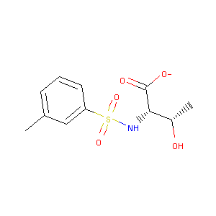 | Cc1cccc(c1)S(=O)(=O)N[C@@H]([C@H](C)O)C(=O)[O-] | C21954410
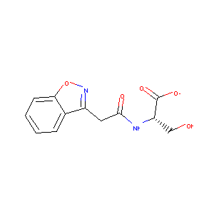 | c1ccc2c(c1)c(no2)CC(=O)N[C@@H](CO)C(=O)[O-] | C22164833
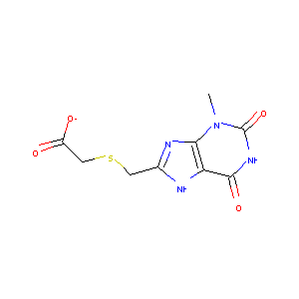 | Cn1c2c(c(=O)[nH]c1=O)[nH]c(n2)CSCC(=O)[O-] | C32221280
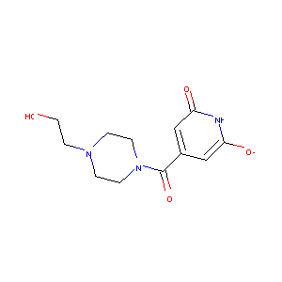 | c1c(cc(=O)[nH]c1[O-])C(=O)N2CCN(CC2)CCO | C35609673
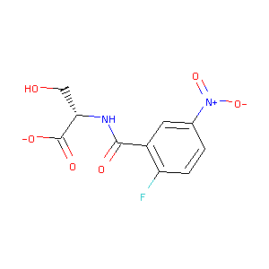 | c1cc(c(cc1[N+](=O)[O-])C(=O)N[C@@H](CO)C(=O)[O-])F | C37373449
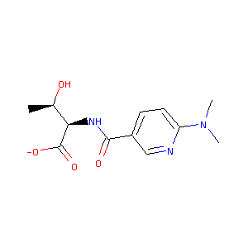 | C[C@H]([C@H](C(=O)[O-])NC(=O)c1ccc(nc1)N(C)C)O | C37431929
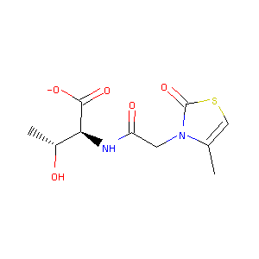 | Cc1csc(=O)n1CC(=O)N[C@@H]([C@@H](C)O)C(=O)[O-] | C37432178
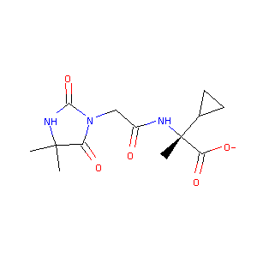 | CC1(C(=O)N(C(=O)N1)CC(=O)N[C@](C)(C2CC2)C(=O)[O-])C | C37456391
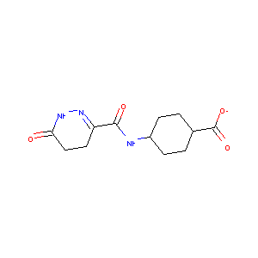 | C1CC(CCC1C(=O)[O-])NC(=O)C2=NNC(=O)CC2 | C37561484
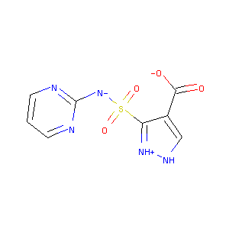 | c1cnc(nc1)[N-]S(=O)(=O)c2c(c[nH][nH+]2)C(=O)[O-] | C37731776
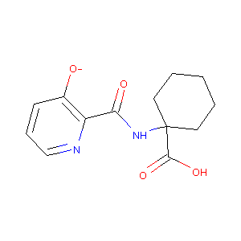 | c1cc(c(nc1)C(=O)NC2(CCCCC2)C(=O)O)[O-] | C37760215
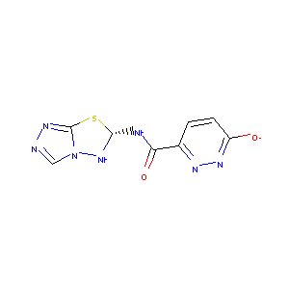 | c1cc(nnc1C(=O)N[C@@H]2Nn3cnnc3S2)[O-] | C39617576
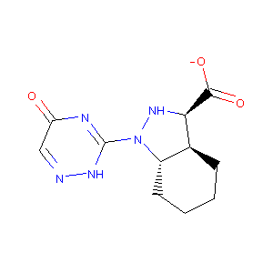 | c1c(=O)nc([nH]n1)N2[C@H]3CCCC[C@@H]3[C@@H](N2)C(=O)[O-] | C39783559
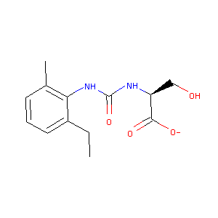 | CCc1cccc(c1NC(=O)N[C@@H](CO)C(=O)[O-])C | C40533176
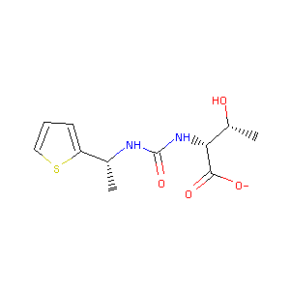 | C[C@H](c1cccs1)NC(=O)N[C@H]([C@@H](C)O)C(=O)[O-] | C40576628
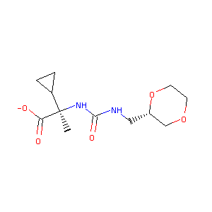 | C[C@@](C1CC1)(C(=O)[O-])NC(=O)NC[C@H]2COCCO2 | C40605000
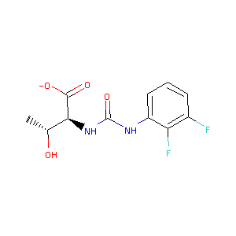 | C[C@H]([C@@H](C(=O)[O-])NC(=O)Nc1cccc(c1F)F)O | C40605148
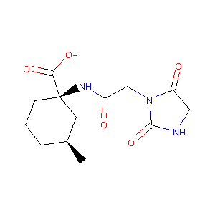 | C[C@H]1CCC[C@@](C1)(C(=O)[O-])NC(=O)CN2C(=O)CNC2=O | C41034549
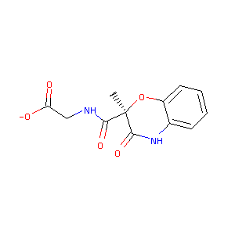 | C[C@]1(C(=O)Nc2ccccc2O1)C(=O)NCC(=O)[O-] | C41545265
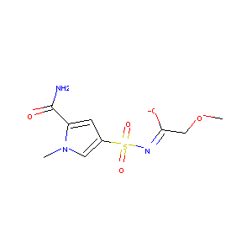 | Cn1cc(cc1C(=O)N)S(=O)(=O)/N=C(/COC)\[O-] | C42345931
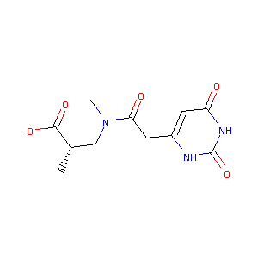 | C[C@@H](CN(C)C(=O)Cc1cc(=O)[nH]c(=O)[nH]1)C(=O)[O-] | C42696884
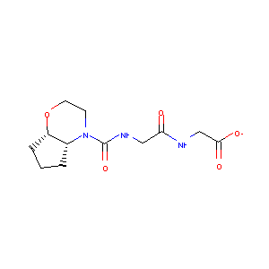 | C1C[C@@H]2[C@H](C1)OCCN2C(=O)NCC(=O)NCC(=O)[O-] | C43428508
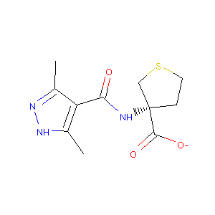 | Cc1c(c(n[nH]1)C)C(=O)N[C@]2(CCSC2)C(=O)[O-] | C43511007
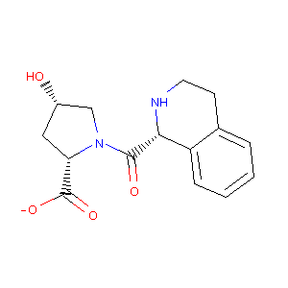 | c1ccc2c(c1)CCN[C@H]2C(=O)N3C[C@H](C[C@H]3C(=O)[O-])O | C43595733
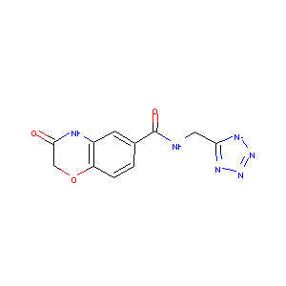 | c1cc2c(cc1C(=O)NCc3[n-]nnn3)NC(=O)CO2 | C44927538
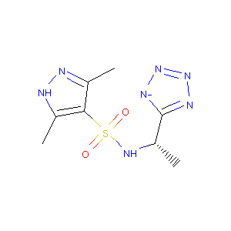 | Cc1c(c(n[nH]1)C)S(=O)(=O)N[C@@H](C)c2[n-]nnn2 | C44930369
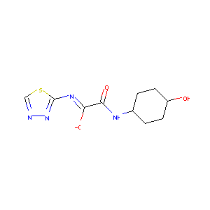 | c1nnc(s1)/N=C(/C(=O)NC2CCC(CC2)O)\[O-] | C48719222
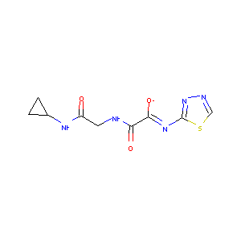 | c1nnc(s1)/N=C(/C(=O)NCC(=O)NC2CC2)\[O-] | C48720348
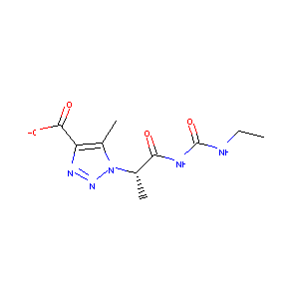 | CCNC(=O)NC(=O)[C@H](C)n1c(c(nn1)C(=O)[O-])C | C50215335
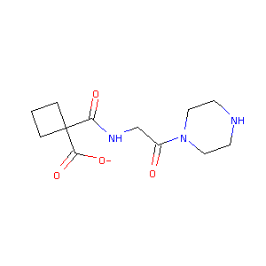 | C1CC(C1)(C(=O)NCC(=O)N2CCNCC2)C(=O)[O-] | C50291476
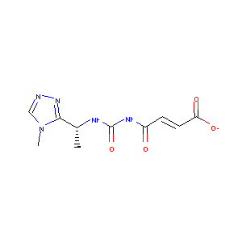 | C[C@H](c1nncn1C)NC(=O)NC(=O)/C=C/C(=O)[O-] | C50420841
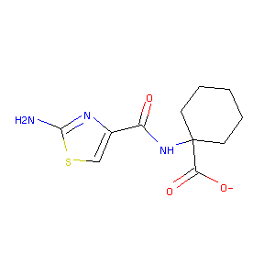 | c1c(nc(s1)N)C(=O)NC2(CCCCC2)C(=O)[O-] | C55188255
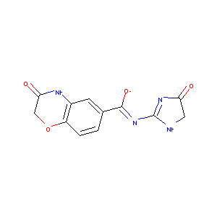 | c1cc2c(cc1/C(=N/C3=NC(=O)CN3)/[O-])NC(=O)CO2 | C56214104
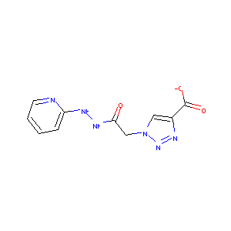 | c1ccnc(c1)NNC(=O)Cn2cc(nn2)C(=O)[O-] | C50213267
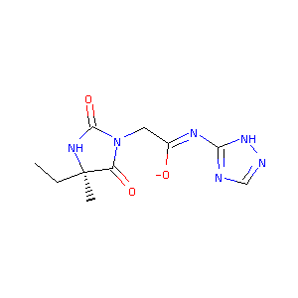 | CC[C@@]1(C(=O)N(C(=O)N1)C/C(=N/c2[nH]ncn2)/[O-])C | C61844677
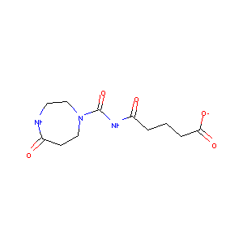 | C1CN(CCNC1=O)C(=O)NC(=O)CCCC(=O)[O-] | C62101727
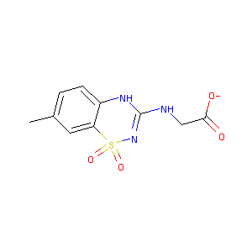 | Cc1ccc2c(c1)S(=O)(=O)N=C(N2)NCC(=O)[O-] | C62324716
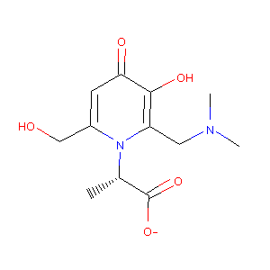 | C[C@@H](C(=O)[O-])n1c(cc(=O)c(c1CN(C)C)O)CO | C62383463
 | c1cc2c(cc1S(=O)(=O)NCC(=O)[O-])CCC(=O)N2 | C04716685
 | Cc1cc(c2ccccc2n1)C(=O)N[C@@H]([C@H](C)O)C(=O)[O-] | C19423897
 | C1CS(=O)(=O)C[C@H]1NC(=O)NC(=O)/C=C/C(=O)[O-] | C20218141
 | c1cc(oc1)C(=O)NCCNC(=O)c2ccc(nn2)[O-] | C23041549
 | c1cc2c(nc1)C(=O)N(C2=O)Nc3nnc(s3)S(=O)(=O)[NH-] | C27739774
 | C[C@@]1([C@@H]2[C@@H]([C@@H]([NH2+]1)c3ccc(cc3)C#N)C(=NC2=O)[O-])C(=O)[O-] | C33474721
 | c1cc(ccc1[C@@H]2[C@H]3[C@@H](C(=NC3=O)[O-])ON2CC(=O)N)F | C33633872
 | Cc1ccc(c(c1)[C@@H]2[C@H]3[C@@H](C(=NC3=O)[O-])[C@@]([NH2+]2)(C)C(=O)[O-])C | C34772311
 | Cc1c2c(=O)n(c(=O)n(c2sc1C(=O)[O-])C)CC(=O)N | C34779048
 | Cc1c(c(n[nH]1)C)C(=O)NC2(CCCCCC2)C(=O)[O-] | C36167276
 | Cc1cc2c(nc(nc2s1)Cl)N[C@H](CO)C(=O)[O-] | C36277628
 | Cc1c(c(n[nH]1)C)NS(=O)(=O)c2cnn(c2)CC(=O)[O-] | C36736444
 | c1cc2c(cc1F)cc(s2)C(=O)N[C@H](CC(=O)N)C(=O)[O-] | C37411597
 | C[C@@H](C(=O)[O-])NS(=O)(=O)c1cc(n(c1)C)C(=O)NC | C37418971
 | C[C@@H]([C@H](C(=O)[O-])NC(=O)c1cn(c2c1cccc2)C)O | C37432160
 | c1c(nc(s1)NC(=O)CN2C(=O)CNC2=O)CC(=O)[O-] | C37433678
 | c1c(c(n[nH]1)S(=O)(=O)N2CCC[C@@H](C2)CO)C(=O)[O-] | C37732094
 | c1c(c(n[nH]1)S(=O)(=O)NC[C@@H]2CCS(=O)(=O)C2)C(=O)[O-] | C38082999
 | c1c(c(=O)[nH]c(=O)[nH]1)S(=O)(=O)[N-]C2=NC3=CCC=CC3=N2 | C39162246
 | C1COCCN1[C@H]2N=C3C(=NC(=NC3=O)[NH-])N2COCCO | C39777119
 | Cn1cc(cn1)NC(=O)NC2(CCCCCC2)C(=O)[O-] | C40577096
 | Cc1cc(n2c(nnc2n1)CNC(=O)c3cc([nH]c(=O)c3)[O-])C | C40819054
 | Cc1c(c(n[nH]1)C)C(=O)N[C@]2(CCC[C@H](C2)C)C(=O)[O-] | C41034631
 | C[C@H]([C@@H](C(=O)[O-])NC(=O)c1ccc(cc1F)[N+](=O)[O-])O | C43570362
 | Cc1cc(ccc1C(=O)N[C@@H]([C@H](C)O)C(=O)[O-])[N+](=O)[O-] | C44747643
 | C[C@@]1(CCS(=O)(=O)C1)NC(=O)NC2(CCCC2)C(=O)[O-] | C44882251
 | C[C@]1(CCS(=O)(=O)C1)NC(=O)NC(=O)CCC(=O)[O-] | C44934073
 | C[C@@H](c1ccc(cc1)S(=O)(=O)NCc2[n-]nnn2)O | C44976875
 | c1cc(cc(c1)S(=O)(=O)NCc2[n-]nnn2)C#CCO | C44977337
 | c1cc(ccc1C#CCCO)S(=O)(=O)NCc2[n-]nnn2 | C44977358
 | Cc1cc([nH]n1)C(=O)Nc2nnc(s2)[N-]S(=O)(=O)C | C48818891
 | C[C@H](C(=O)[O-])S(=O)(=O)N1C(=O)c2cccc(c2C1=O)N | C49047949
 | C[C@H]1CCC[C@@](C1)(C(=O)[O-])NC(=O)NCCn2cccn2 | C49080555
 | Cc1ncc(s1)CNC(=O)NC2(CCCC2)C(=O)[O-] | C49539586
 | c1c(c(cc(c1F)F)[N+](=O)[O-])C(=O)N[C@@H](CO)C(=O)[O-] | C50016130
 | C1C[C@H](C(=O)NC1)NC(=O)NC2CCC(CC2)C(=O)[O-] | C50398374
 | CC(C)(C(=O)[O-])NC(=O)NC[C@@H]1CCS(=O)(=O)C1 | C50603908
 | C[C@H]1CCC[C@](C1)(C(=O)[O-])NC(=O)N[C@@H]2CCCC[C@@H]2O | C52012270
 | c1cc(ccc1C(=O)NCC(=O)/N=C/2\NCC(=N2)[O-])F | C50222802
 | c1nc(c2c3c(sc2n1)CCC3)N[C@H](CO)C(=O)[O-] | C16038902
 | CN(C)C(=O)CNC(=O)c1ccc2c(c1)nc(=S)[nH]c2[O-] | C60604325
 | CN1C(=O)C(=CNc2cccc3c2c(n[nH]c3=O)[O-])C(=O)N(C1=O)C | C60863173
 | c1ccc2c(c1)C(=O)/C(=C\N[C@H](CO)C(=O)[O-])/C(=O)O2 | C59171414
 | CC(=O)Nc1ccc(cc1)NC(=O)[C@H]2CC(=O)N=C3N2N=C[N-]3 | C13123861
 | C[C@@H]([C@@H](C(=O)[O-])NC(=O)N(C)c1ccc(cc1)C#N)O | C61984172
 | C[C@H]([C@H](C(=O)[O-])NC(=O)N(C)c1ccc(cc1)C#N)O | C61984175
 | C[C@@H]([C@H](C(=O)[O-])NC(=O)N(C)c1cccc(c1)C#N)O | C61984266
 | C[C@]1(CCCN(C1)C(=O)c2c[nH]c(=O)[nH]c2=O)C(=O)[O-] | C62868469
 | C[C@@]1(CCN(C1)S(=O)(=O)c2c[nH]c(=O)[nH]c2=O)C(=O)[O-] | C62924702
 | C1=C([C@@H]2C(=NC1=O)C(=C(S2)SCC(=O)N)C#N)[O-] | C12428266

