Sheet1
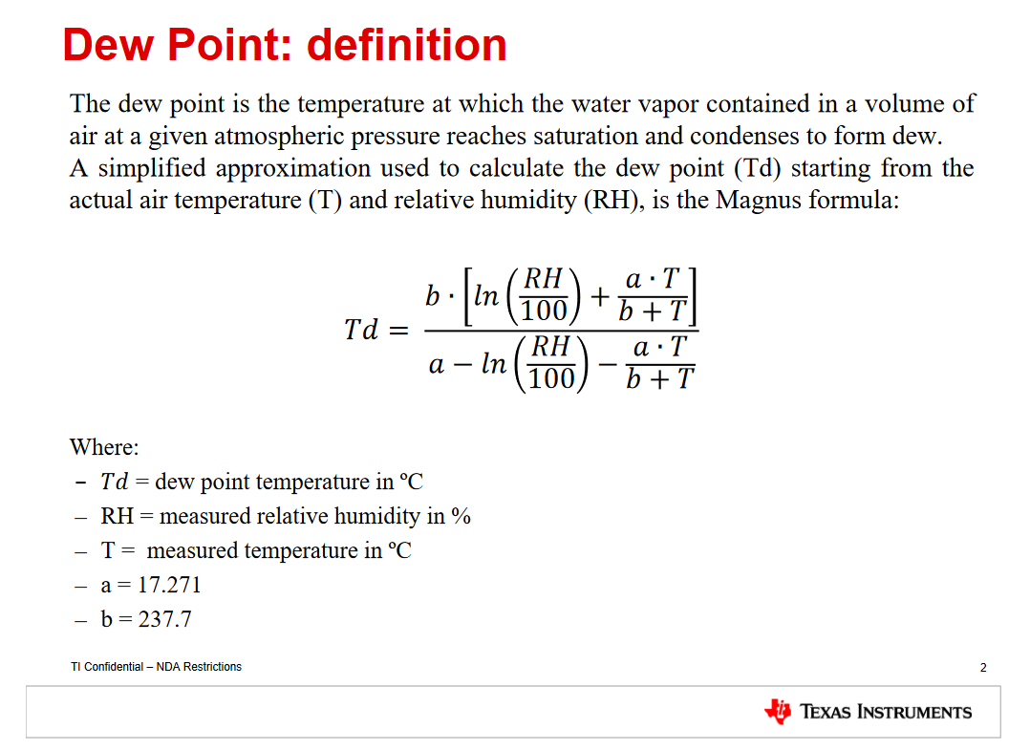
 |  |  |  |  |  |  |  |  |  |  |  |  |  |  |  |  |  |  |  |  |  |  |  |  |  |  |  |  |  |  |  | a (beta)= | 17.62 |  | use this value for large range of temperature and relatively small error: −45 °C ≤ T ≤ 60 °C (error ±0.35 °C)
 |  |  |  |  |  |  |  |  |  |  |  |  |  |  |  |  |  |  |  |  |  |  |  |  |  |  |  |  |  |  |  | b (lamda)= | 243.12

 |  |  |  |  | PM1.0 | PM2.5 | PM4.0 | PM10.0 | HUM | Temp | VOC | NOC |  |  | R HUM | R Temp | R VOC | R NOX |  |  | R HUM | R Temp | offset |  |  | PM2.5 | VOC | HUM | Temp |  | ln | rap | Dp | F Temp | e/e | F HUM

2023-06-25T17:47:09.348163 | 9979784 | 9285 | PRO | 8 | 52 | 54 | 54 | 54 | 4362 | 5250 | 650 | 32767 | RAW | 4 | 3274 | 6303 | 31907 | 65535 | MYS | 3 | 3274 | 6303 | 64476 | ZHA | 4 | 6 | 67 | 5200 | 2400 | MyCalc | -1.116572614 | 2.0219356601 | 13.168809131 | 23.565 | 0.52121779672 | 52.121779672
 |  |  |  |  | 5.2 | 5.4 | 5.4 | 5.4 | 43.62 | 26.25 | 65 | 3276.7 |  |  | 32.74 | 31.515 | 31907 | 65535 |  |  | 32.74 | 31.515 | -5.3 |  |  |  |  | 52 | 24

2023-06-25T17:47:10.368067 | 9980802 | 9286 | PRO | 8 | 51 | 54 | 54 | 54 | 4362 | 5250 | 650 | 32767 | RAW | 4 | 3270 | 6304 | 31901 | 65535 | MYS | 3 | 3270 | 6304 | 64473 | ZHA | 4 | 5 | 67 | 5200 | 2400 | MyCalc | -1.1177951081 | 2.022219633 | 13.154419411 | 23.5475 | 0.52127805987 | 52.127805987
 |  |  |  |  | 5.1 | 5.4 | 5.4 | 5.4 | 43.62 | 26.25 | 65 | 3276.7 |  |  | 32.7 | 31.52 | 31901 | 65535 |  |  | 32.7 | 31.52 | -5.315 |  |  |  |  | 52 | 24

2023-06-25T17:47:11.388047 | 9981818 | 9287 | PRO | 8 | 51 | 54 | 54 | 54 | 4362 | 5250 | 650 | 32767 | RAW | 4 | 3274 | 6304 | 31920 | 65535 | MYS | 3 | 3274 | 6304 | 64475 | ZHA | 4 | 5 | 67 | 5200 | 2400 | MyCalc | -1.116572614 | 2.022219633 | 13.173163418 | 23.5625 | 0.52144434377 | 52.144434377
 |  |  |  |  | 5.1 | 5.4 | 5.4 | 5.4 | 43.62 | 26.25 | 65 | 3276.7 |  |  | 32.74 | 31.52 | 31920 | 65535 |  |  | 32.74 | 31.52 | -5.305 |  |  |  |  | 52 | 24

2023-06-25T17:47:12.407920 | 9982836 | 9288 | PRO | 8 | 51 | 53 | 53 | 53 | 4362 | 5250 | 650 | 32767 | RAW | 4 | 3271 | 6301 | 31927 | 65535 | MYS | 3 | 3271 | 6301 | 64475 | ZHA | 4 | 5 | 67 | 5200 | 2400 | MyCalc | -1.1174893444 | 2.0213676832 | 13.146045846 | 23.5475 | 0.52099342277 | 52.099342277
 |  |  |  |  | 5.1 | 5.3 | 5.3 | 5.3 | 43.62 | 26.25 | 65 | 3276.7 |  |  | 32.71 | 31.505 | 31927 | 65535 |  |  | 32.71 | 31.505 | -5.305 |  |  |  |  | 52 | 24

2023-06-25T17:47:13.429023 | 9983854 | 9289 | PRO | 8 | 50 | 52 | 52 | 52 | 4362 | 5250 | 650 | 32767 | RAW | 4 | 3272 | 6302 | 31926 | 65535 | MYS | 3 | 3272 | 6302 | 64476 | ZHA | 4 | 5 | 67 | 5200 | 2400 | MyCalc | -1.1171836743 | 2.0216516768 | 13.155085989 | 23.56 | 0.5209083497 | 52.09083497
 |  |  |  |  | 5 | 5.2 | 5.2 | 5.2 | 43.62 | 26.25 | 65 | 3276.7 |  |  | 32.72 | 31.51 | 31926 | 65535 |  |  | 32.72 | 31.51 | -5.3 |  |  |  |  | 52 | 24

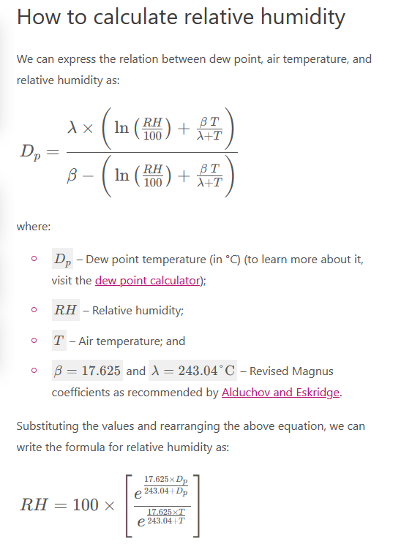

 |  |  |  |  |  |  |  |  |  |  |  |  |  |  |  |  |  |  |  |  |  |  |  |  |  |  |  |  |  |  |  |  |  |  |  |  | Steps:
 |  |  |  |  |  |  |  |  |  |  |  |  |  |  |  |  |  |  |  |  |  |  |  |  |  |  |  |  |  |  |  |  |  |  |  |  | 01. For RAW value RH and Temp calculate Dp (DewPoint)
 |  |  |  |  |  |  |  |  |  |  |  |  |  |  |  |  |  |  |  |  |  |  |  |  |  |  |  |  |  |  |  |  |  |  |  |  | Info: https://en.wikipedia.org/wiki/Dew_point
 |  |  |  |  |  |  |  |  |  |  |  |  |  |  |  |  |  |  |  |  |  |  |  |  |  |  |  |  |  |  |  |  |  |  |  |  | 02. I think Mystery Word It's an offset calculatet for Temp, an int 16 vith sign, when you apply this ofset to raw temp value you get value for process Temp, but for this process value you MUST apply another offset temp becouse you have all device inside a box and some electronic parts disipate heat
 |  |  |  |  |  |  |  |  |  |  |  |  |  |  |  |  |  |  |  |  |  |  |  |  |  |  |  |  |  |  |  |  |  |  |  |  | 03. In may case I conclude to apply another half of the offset so my Final Temp become F Temp = R Temp+(3/2)*offset
 |  |  |  |  |  |  |  |  |  |  |  |  |  |  |  |  |  |  |  |  |  |  |  |  |  |  |  |  |  |  |  |  |  |  |  |  | Info: some people use offset=-2.4 https://github.com/esphome/issues/issues/3742 Info: other people use offset=-2.78 https://github.com/esphome/issues/issues/3428 Info: I prefer to use half of reading offset ….
 |  |  |  |  |  |  |  |  |  |  |  |  |  |  |  |  |  |  |  |  |  |  |  |  |  |  |  |  |  |  |  |  |  |  |  |  | 04. for this new temp value (F Temp) with the help of Dp (calculatete in step 01) you can calculate the new RH (formula for RH in picture)

