Unconfined overpressure
 | GAS_MOLE_PCT
Project:
Project title
Subject:
Unconfined overpressure

 | Calculation performed using HYRAM+ models
 |  |  |  |  |  |  |  | PURE COMPONENTS | Mole percentage | Mole frac
 | Calculation set-up: |  |  |  |  |  |  | H2 | 90 | 0.9 | YuceilOtugen | H2 | BST
 | Nozzle model | YuceilOtugen |  |  |  |  |  | N2 | 5 | 0.05 | EwanMoodie | CH4 | TNT
 | Realease fluid | H2 |  |  |  |  |  | CH4 | 5 | 0.05 | Birch | C3H8 | Bauwens
 | Calculation method | BST |  |  |  |  |  | C2H6 |  | 0 | Birch2 | mixture
 | Mach flame speed (BST only) | 0.35 |  |  |  |  |  | C3H8 |  | 0.00 | Molkov
 |  |  |  |  |  |  |  | n-Butane |  | 0.00
 | Input parameters: |  |  | Results |  |  |  | IsoButane |  | 0.00
 | Stagnation temperature | 15.0 | (°C) | Mass flow | 1.435 | (kg/s) |  | n-Pentane |  | 0.00
 | Stagnation pressure | 300.0 | (bar) | Positional overpressure | 22.453 | (kPa) |  | IsoPentane |  | 0.00
 | Leak diameter | 10.0 | (mm) | Positional impulse | 0.370 | (kPa s) |  | n-Heaxane |  | 0.00
 | Realease angle (0° = horizontal) | 90.0 | (°) | Det./Flammable mass | 0.959 | (kg) |  | CarbonDioxide |  | 0.00
 | Discharge coefficient (Cd) | 1 | (--) |  |  |  |  | CarbonMonoxide |  | 0.00
 | Ambient temperature | 15.0 | (°C) |  |  |  | [bar] | SUM | 100 | 1
 | Ambient pressure | 1 | (bar)
 | x-position | 0.0
 | y-position | 0.0
 | z-position | 0.0

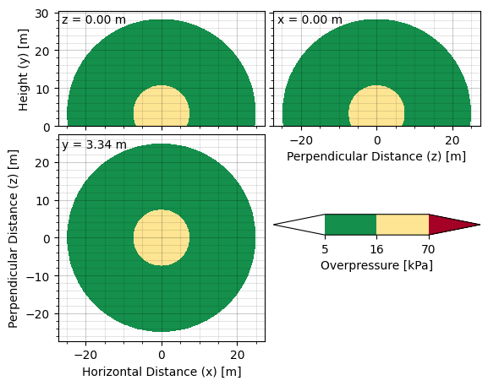

 | Input has changed, PSV must be sized again.

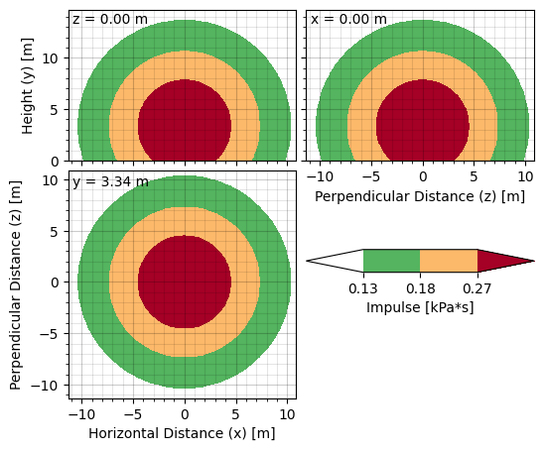
 |  |  |  |  |  |  |  | Input |  | 1
 |  |  |  |  |  |  |  | #NAME? | Gas Relief | #NAME?
 |  |  |  |  |  |  |  | H2 | Balanced Bellows | Error!
 |  |  |  |  |  |  |  | #REF! | No | #REF!

 |  |  |  |  |  |  |  | #NAME? | 50000 | #NAME?
 |  |  |  |  |  |  |  | #NAME? | 10 | #NAME?
 |  |  |  |  |  |  |  | #NAME? | 12.013525 | #NAME?
 |  |  |  |  |  |  |  | #NAME? | 10 | #NAME?
 |  |  |  |  |  |  |  | #NAME? | 1 | #NAME?
 |  |  |  |  |  |  |  | #NAME? | 0 | #NAME?
 |  |  |  |  |  |  |  | #NAME? | 100 | #NAME?
 |  |  |  |  |  |  |  | #REF! | 0.975 | #REF!
 |  |  |  |  |  |  |  | #REF! | 18.146447 | #REF!
 |  |  |  |  |  |  |  | #NAME? | 1.241503001 | #NAME?
 |  |  |  |  |  |  |  | #NAME? | 324.51548 | #NAME?
 |  |  |  |  |  |  |  | #NAME? | G | #NAME?
 |  |  |  |  |  |  |  | #NAME? | 0.98461520202 | #NAME?

 |  |  |  |  |  |  |  | Output | Output | 0
 |  |  |  |  |  |  |  | #NAME? | 1 | #NAME?
 |  |  |  |  |  |  |  | #NAME? | 1 | #NAME?
 |  |  |  |  |  |  |  | #NAME? | N/A | #NAME?
 |  |  |  |  |  |  |  | #NAME? | N/A | #NAME?
 |  |  |  |  |  |  |  | #NAME? | Critical flow | #NAME?
 |  |  |  |  |  |  |  | #NAME? | 7411.101834 | #NAME?
 |  |  |  |  |  |  |  | 0.026315789474 | 0.026315789474
 |  |  |  |  |  |  |  | #NAME? | 10322.56 | #NAME?
 |  |  |  |  |  |  |  | #NAME? | 69642.545948 | #NAME?
 |  |  |  |  |  |  |  | #NAME? | 2189.3875383 | #NAME?
 |  |  |  |  |  |  |  | #NAME? | 96.374646282 | #NAME?
 |  |  |  |  |  |  |  | #NAME? | V | #NAME?

Jet flame
 | GAS_MOLE_PCT
Project:
Project title
Subject:
Jet Flame

 | Calculation performed using HYRAM+ models
 |  |  |  |  |  |  |  |  | PURE COMPONENTS | Mole percentage | Mole frac
 | Calculation set-up: |  |  |  |  |  |  |  | H2 | 90 | 0.9 | YuceilOtugen | H2
 | Nozzle model | YuceilOtugen |  |  |  |  |  |  | N2 | 5 | 0.05 | EwanMoodie | CH4
 | Realease fluid | CH4 |  |  |  |  |  |  | CH4 | 5 | 0.05 | Birch | C3H8
 |  |  |  |  |  |  |  |  | C2H6 |  | 0 | Birch2 | mixture
 | Input parameters: |  |  | Results |  |  |  |  | C3H8 |  | 0.00 | Molkov
 | Stagnation temperature | 15.0 | (°C) | Mass flow |  | 3.490 | (kg/s) |  | n-Butane |  | 0.00
 | Stagnation pressure | 200.0 | (bar) | Positional flux |  | 511,592.1 | (W/m2) |  | IsoButane |  | 0.00
 | Leak diameter | 10.0 | (mm) | Total radiative power |  | 37,110.4 | (kW) |  | n-Pentane |  | 0.00
 | Realease angle (0° = horizontal) | 90.0 | (°) | Visible length |  | 27.8 | (m) |  | IsoPentane |  | 0.00
 | Discharge coefficient (Cd) | 1 | (--) | Radiant fraction |  | 0.213 | (--) |  | n-Heaxane |  | 0.00
 | Ambient temperature | 15.0 | (°C) |  |  |  |  |  | CarbonDioxide |  | 0.00
 | Ambient pressure | 1 | (bar) |  |  |  |  |  | CarbonMonoxide |  | 0.00
 | Ambient humidity | 0.9 | (rel.) |  |  |  |  | [bar] | SUM | 100 | 1
 | Wind speed | 0.0 | (m/s) |  | ΔP : Lead pipe
 | x-position for flux | 1.0 | (m)
 | y-positition for flux | 20.0 | (m)
 | z-position for flux | 0.0 | (m)

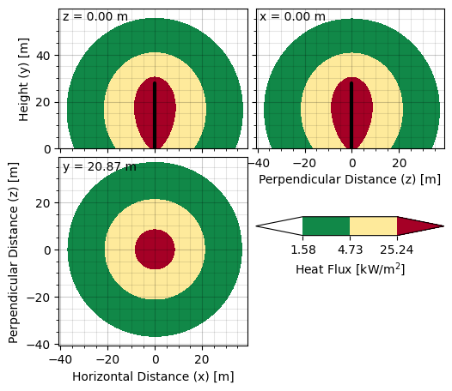

 | Input has changed, PSV must be sized again.

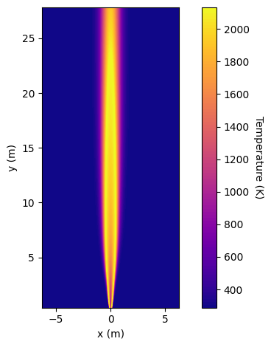
 |  |  |  |  |  |  |  |  | Input |  | 1
 |  |  |  |  |  |  |  |  | #NAME? | Gas Relief | #NAME?
 |  |  |  |  |  |  |  |  | CH4 | Balanced Bellows | Error!
 |  |  |  |  |  |  |  |  | #REF! | No | #REF!

 |  |  |  |  |  |  |  |  | #NAME? | 50000 | #NAME?
 |  |  |  |  |  |  |  |  | #NAME? | 10 | #NAME?
 |  |  |  |  |  |  |  |  | #NAME? | 12.013525 | #NAME?
 |  |  |  |  |  |  |  |  | #NAME? | 10 | #NAME?
 |  |  |  |  |  |  |  |  | #NAME? | 1 | #NAME?
 |  |  |  |  |  |  |  |  | #NAME? | 0 | #NAME?
 |  |  |  |  |  |  |  |  | #NAME? | 100 | #NAME?
 |  |  |  |  |  |  |  |  | #REF! | 0.975 | #REF!
 |  |  |  |  |  |  |  |  | #REF! | 18.146447 | #REF!
 |  |  |  |  |  |  |  |  | #NAME? | 1.241503001 | #NAME?
 |  |  |  |  |  |  |  |  | #NAME? | 324.51548 | #NAME?
 |  |  |  |  |  |  |  |  | #NAME? | G | #NAME?
 |  |  |  |  |  |  |  |  | #NAME? | 0.98461520202 | #NAME?

 |  |  |  |  |  |  |  |  | Output | Output | 0
 |  |  |  |  |  |  |  |  | #NAME? | 1 | #NAME?
 |  |  |  |  |  |  |  |  | #NAME? | 1 | #NAME?
 |  |  |  |  |  |  |  |  | #NAME? | N/A | #NAME?
 |  |  |  |  |  |  |  |  | #NAME? | N/A | #NAME?
 |  |  |  |  |  |  |  |  | #NAME? | Critical flow | #NAME?
 |  |  |  |  |  |  |  |  | #NAME? | 7411.101834 | #NAME?
 |  |  |  |  |  |  |  |  | 0.026315789474 | 0.026315789474
 |  |  |  |  |  |  |  |  | #NAME? | 10322.56 | #NAME?
 |  |  |  |  |  |  |  |  | #NAME? | 69642.545948 | #NAME?
 |  |  |  |  |  |  |  |  | #NAME? | 2189.3875383 | #NAME?
 |  |  |  |  |  |  |  |  | #NAME? | 96.374646282 | #NAME?
 |  |  |  |  |  |  |  |  | #NAME? | V | #NAME?

Jet plume
 | GAS_MOLE_PCT
Project:
Project title
Subject:
Jet Plume

 | Calculation performed using HYRAM+ models
 |  |  |  |  |  |  |  |  | PURE COMPONENTS | Mole percentage | Mole frac
 | Calculation set-up: |  |  |  |  |  |  |  | H2 | 90 | 0.9 | YuceilOtugen | H2
 | Nozzle model | YuceilOtugen |  |  |  |  |  |  | N2 | 5 | 0.05 | EwanMoodie | CH4
 | Realease fluid | H2 |  |  |  |  |  |  | CH4 | 5 | 0.05 | Birch | C3H8
 |  |  |  |  |  |  |  |  | C2H6 |  | 0 | Birch2 | mixture
 | Input parameters: |  |  | Results |  |  |  |  | C3H8 |  | 0.00 | Molkov
 | Stagnation temperature | 15.0 | (°C) | Mass flow |  | 0.490 | (kg/s) |  | n-Butane |  | 0.00
 | Stagnation pressure | 100.0 | (bar) | Stremline length |  | 23.202 | (m) |  | IsoButane |  | 0.00
 | Leak diameter | 10.0 | (mm) | Min. horizontal distance |  | 0.000 | (m) |  | n-Pentane |  | 0.00
 | Realease angle (0° = horizontal) | 0.0 | (°) | Max. horisontal distance |  | 23.765 | (m) |  | IsoPentane |  | 0.00
 | Discharge coefficient (Cd) | 1 | (--) | Min. vertical disance |  | -0.893 | (m) |  | n-Heaxane |  | 0.00
 | Ambient temperature | 15.0 | (°C) | Max. vertical distance |  | 1.085 | (m) |  | CarbonDioxide |  | 0.00
 | Ambient pressure | 1 | (bar) | LFL (mole fraction) |  | 0.04 | (--) |  | CarbonMonoxide |  | 0.00
 | Ambient humidity | N/A |  |  |  |  |  | [bar] | SUM | 100 | 1
 |  |  |  |  | ΔP : Lead pipe
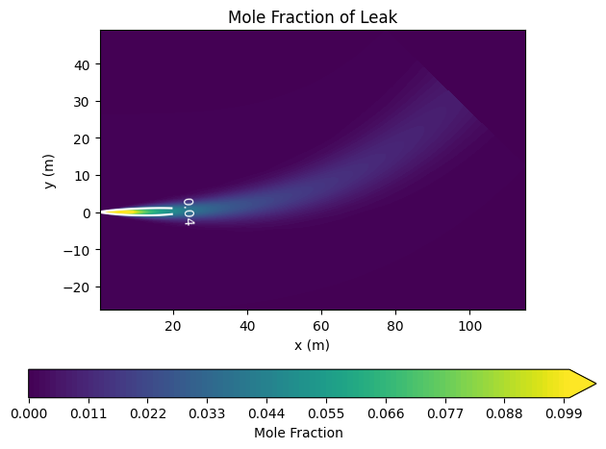

 | Input has changed, PSV must be sized again.

 |  |  |  |  |  |  |  |  | Input |  | 1
 |  |  |  |  |  |  |  |  | #NAME? | Gas Relief | #NAME?
 |  |  |  |  |  |  |  |  | H2 | Balanced Bellows | Error!
 |  |  |  |  |  |  |  |  | #REF! | No | #REF!

 |  |  |  |  |  |  |  |  | #NAME? | 50000 | #NAME?
 |  |  |  |  |  |  |  |  | #NAME? | 10 | #NAME?
 |  |  |  |  |  |  |  |  | #NAME? | 12.013525 | #NAME?
 |  |  |  |  |  |  |  |  | #NAME? | 10 | #NAME?
 |  |  |  |  |  |  |  |  | #NAME? | 1 | #NAME?
 |  |  |  |  |  |  |  |  | #NAME? | 0 | #NAME?
 |  |  |  |  |  |  |  |  | #NAME? | 100 | #NAME?
 |  |  |  |  |  |  |  |  | #REF! | 0.975 | #REF!
 |  |  |  |  |  |  |  |  | #REF! | 18.146447 | #REF!
 |  |  |  |  |  |  |  |  | #NAME? | 1.241503001 | #NAME?
 |  |  |  |  |  |  |  |  | #NAME? | 324.51548 | #NAME?
 |  |  |  |  |  |  |  |  | #NAME? | G | #NAME?
 |  |  |  |  |  |  |  |  | #NAME? | 0.98461520202 | #NAME?

 |  |  |  |  |  |  |  |  | Output | Output | 0
 |  |  |  |  |  |  |  |  | #NAME? | 1 | #NAME?
 |  |  |  |  |  |  |  |  | #NAME? | 1 | #NAME?
 |  |  |  |  |  |  |  |  | #NAME? | N/A | #NAME?
 |  |  |  |  |  |  |  |  | #NAME? | N/A | #NAME?
 |  |  |  |  |  |  |  |  | #NAME? | Critical flow | #NAME?
 |  |  |  |  |  |  |  |  | #NAME? | 7411.101834 | #NAME?
 |  |  |  |  |  |  |  |  | 0.026315789474 | 0.026315789474
 |  |  |  |  |  |  |  |  | #NAME? | 10322.56 | #NAME?
 |  |  |  |  |  |  |  |  | #NAME? | 69642.545948 | #NAME?
 |  |  |  |  |  |  |  |  | #NAME? | 2189.3875383 | #NAME?
 |  |  |  |  |  |  |  |  | #NAME? | 96.374646282 | #NAME?
 |  |  |  |  |  |  |  |  | #NAME? | V | #NAME?

ORS PSV calculation master DRAFT

Confined overpressure
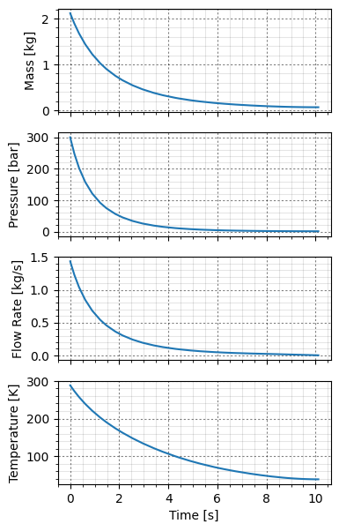
 | GAS_MOLE_PCT
Project:
Project title
Subject:
Unconfined overpressure

 | Calculation performed using HYRAM+ models
 |  |  |  |  |  |  |  | PURE COMPONENTS | Mole percentage | Mole frac
 | Calculation set-up: |  |  |  |  |  |  | H2 | 90 | 0.9 | YuceilOtugen | H2 | NO
 | Nozzle model | YuceilOtugen |  |  |  |  |  | N2 | 5 | 0.05 | EwanMoodie | CH4 | YES
 | Realease fluid | H2 |  |  |  |  |  | CH4 | 5 | 0.05 | Birch | C3H8
 | Include blowdown? | YES |  |  |  |  |  | C2H6 |  | 0 | Birch2 | mixture
 |  |  |  |  |  |  |  | C3H8 |  | 0.00 | Molkov
 | Input parameters: |  |  |  |  |  |  | n-Butane |  | 0.00
 | Stagnation temperature | 15.0 | (°C) | Enclosure height | 3.0 | (m) |  | IsoButane |  | 0.00
 | Stagnation pressure | 300.0 | (bar) | Floor/ceil area | 16.7 | (m2) |  | n-Pentane |  | 0.00
 | Leak diameter | 10.0 | (mm) | Ceiling vent area | 0.091 | (m2) |  | IsoPentane |  | 0.00
 | Realease angle (0° = horizontal) | 0.0 | (°) | Ceiling vent height | 2.420 | (m) |  | n-Heaxane |  | 0.00
 | Release height | 0 | (m) | Floor vent area | 0.008 | (m2) |  | CarbonDioxide |  | 0.00
 | Tank volume (blowdown) | 0.1 | (m3) | Floor vent height | 0.044 | (m) |  | CarbonMonoxide |  | 0.00
 | Discharge coefficient (Cd) | 1 | (--) | Vent rate | 0.000 | (m3/s) | [bar] | SUM | 100 | 1
 | Ambient temperature | 15.0 | (°C)
 | Ambient pressure | 1 | (bar) | Results
 | Distance from release to wall | 2.0 | (m)
 | x-position release | 0.0 | (m)
 | y-position release | 0.0 | (m)
 | Simulation time | 100.0 | (s)

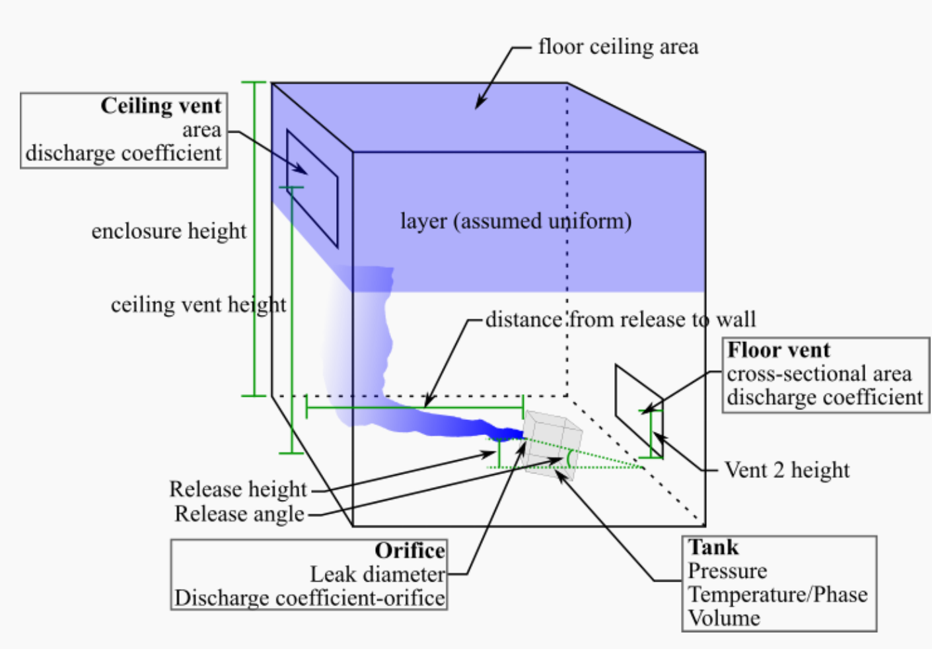

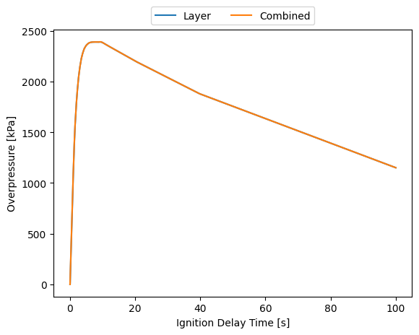
 |  |  |  |  |  |  |  | Input |  | 1
 |  |  |  |  |  |  |  | #NAME? | Gas Relief | #NAME?
 |  |  |  |  |  |  |  | H2 | Balanced Bellows | Error!
 |  |  |  |  |  |  |  | #REF! | No | #REF!

 |  |  |  |  |  |  |  | #NAME? | 50000 | #NAME?
 |  |  |  |  |  |  |  | #NAME? | 10 | #NAME?
 |  |  |  |  |  |  |  | #NAME? | 12.013525 | #NAME?
 |  |  |  |  |  |  |  | #NAME? | 10 | #NAME?
 |  |  |  |  |  |  |  | #NAME? | 1 | #NAME?
 |  |  |  |  |  |  |  | #NAME? | 0 | #NAME?
 |  |  |  |  |  |  |  | #NAME? | 100 | #NAME?
 |  |  |  |  |  |  |  | #REF! | 0.975 | #REF!
 |  |  |  |  |  |  |  | #REF! | 18.146447 | #REF!
 |  |  |  |  |  |  |  | #NAME? | 1.241503001 | #NAME?
 |  |  |  |  |  |  |  | #NAME? | 324.51548 | #NAME?
 |  |  |  |  |  |  |  | #NAME? | G | #NAME?
 |  |  |  |  |  |  |  | #NAME? | 0.98461520202 | #NAME?

 |  |  |  |  |  |  |  | Output | Output | 0
 |  |  |  |  |  |  |  | #NAME? | 1 | #NAME?
 |  |  |  |  |  |  |  | #NAME? | 1 | #NAME?
 |  |  |  |  |  |  |  | #NAME? | N/A | #NAME?
 |  |  |  |  |  |  |  | #NAME? | N/A | #NAME?
 |  |  |  |  |  |  |  | #NAME? | Critical flow | #NAME?
 |  |  |  |  |  |  |  | #NAME? | 7411.101834 | #NAME?
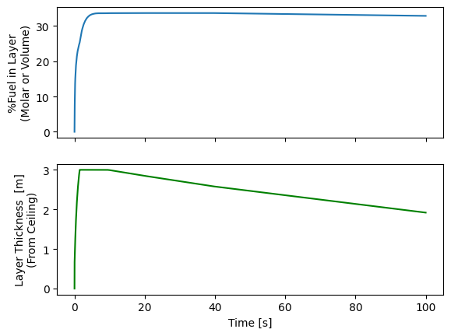
 |  |  |  |  |  |  |  | 0.026315789474 | 0.026315789474
 |  |  |  |  |  |  |  | #NAME? | 10322.56 | #NAME?
 |  |  |  |  |  |  |  | #NAME? | 69642.545948 | #NAME?
 |  |  |  |  |  |  |  | #NAME? | 2189.3875383 | #NAME?
 |  |  |  |  |  |  |  | #NAME? | 96.374646282 | #NAME?
 |  |  |  |  |  |  |  | #NAME? | V | #NAME?

