README
Background
This is an excel interface to physical models of the HYRAM+ tool made by Sandia Labs
The same calculations can be accessed via the HYRAM+ gui program available from
HyRAM+ – Energy
The HYRAM+ physical models are implemented in python
A fork of the official code has been made, correcting a few issues related to installation and dependencies
as well as adding code to connect the input/output from/to Excel and python.

The following models have been interfaced:
- Jet plume model
- Jet flame (radiation) model
- Unconfined overpressure
- Confined overpressure

Please note that this is NOT an endorsement/validation of the HYRAM+ physical models, although they appear to be sound and
of decent quality.

Installation
A python installation is requried. Install Python 3.11 via the Microsoft Software store.
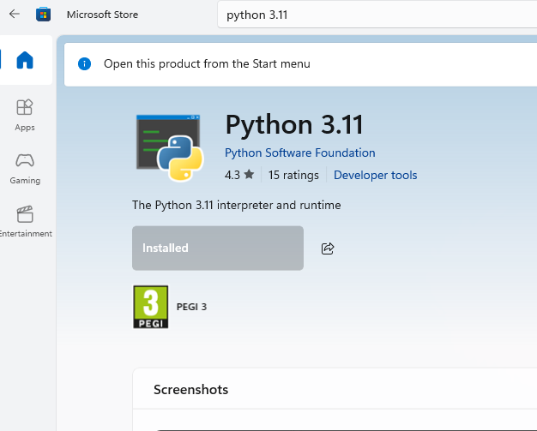

Install the ORS fork of HYRAM+ via a Terminal:
- Open a command prompt (pres Windows key + X, then choose “terminal” or just pres ”i”)
- in the open terminal copy the following command and pres return:
 | pip install git+https://github.com/andr1976/ORS-hyram.git
Then ORS HYRAM should ready for usage.

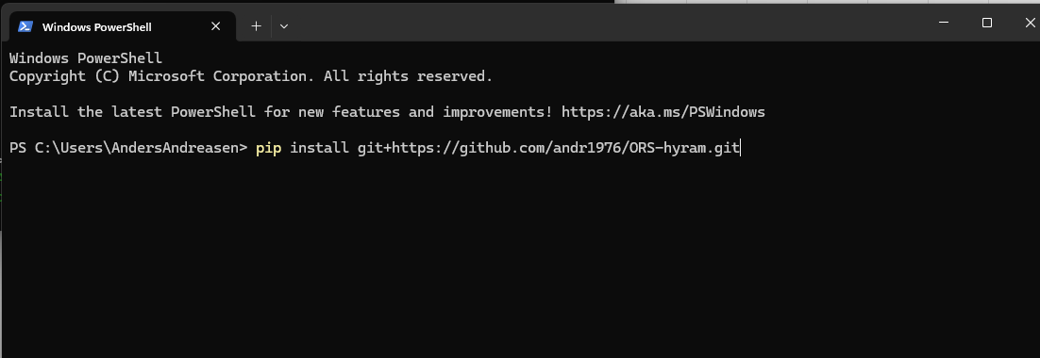

Instructions
Examples with necessary input for the different calculations have been made.
Different fluids can be analysed. While intended for hydrogen, other fluids such as methane, propane and mixtures
can be analysed.

More information on the interfaced models can be found at

- Model validation https://www.osti.gov/servlets/purl/2480221/
- Reference manual https://www.osti.gov/servlets/purl/2369637/
- User guide https://www.osti.gov/servlets/purl/2369638/

In order to ensure the latest revision of the code is used, the following command updates the code

 | pip install -U git+https://github.com/andr1976/ORS-hyram.git

Unconfined overpressure
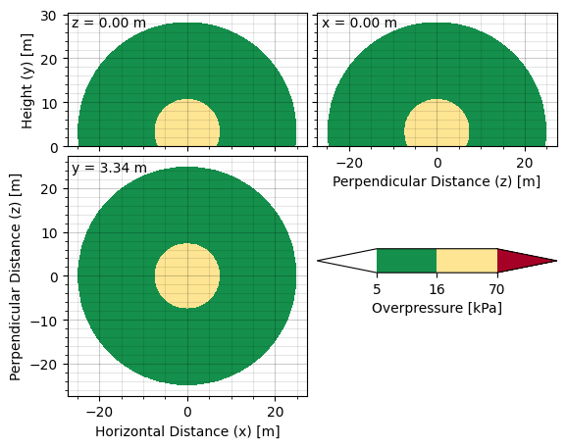
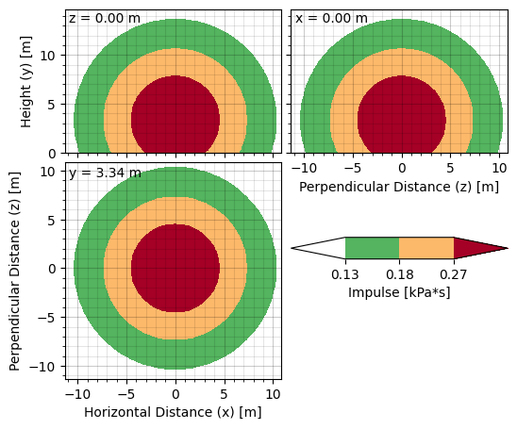
 | GAS_MOLE_PCT
Project:
Project:
Subject:
Unconfined overpressure

 | Calculation performed using HYRAM+ models
 |  |  |  |  |  |  |  | PURE COMPONENTS | Mole percentage | Mole frac
 | Calculation set-up: |  |  |  |  |  |  | H2 | 90 | 0.9 | YuceilOtugen | H2 | BST
 | Nozzle model | YuceilOtugen |  |  |  |  |  | N2 | 5 | 0.05 | EwanMoodie | CH4 | TNT
 | Realease fluid | H2 |  |  |  |  |  | CH4 | 5 | 0.05 | Birch | C3H8 | Bauwens
 | Calculation method | BST |  |  |  |  |  | C2H6 |  | 0 | Birch2 | mixture
 | Mach flame speed (BST only) | 0.35 |  |  |  |  |  | C3H8 |  | 0.00 | Molkov
 |  |  |  |  |  |  |  | n-Butane |  | 0.00
 | Input parameters: |  |  | Results |  |  |  | IsoButane |  | 0.00
 | Stagnation temperature | 15.0 | (°C) | Mass flow | 1.435 | (kg/s) |  | n-Pentane |  | 0.00
 | Stagnation pressure | 300.0 | (bar) | Positional overpressure | 22.453 | (kPa) |  | IsoPentane |  | 0.00
 | Leak diameter | 10.0 | (mm) | Positional impulse | 0.370 | (kPa s) |  | n-Heaxane |  | 0.00
 | Realease angle (0° = horizontal) | 90.0 | (°) | Det./Flammable mass | 0.959 | (kg) |  | CarbonDioxide |  | 0.00
 | Discharge coefficient (Cd) | 1 | (--) |  |  |  |  | CarbonMonoxide |  | 0.00
 | Ambient temperature | 15.0 | (°C) |  |  |  | [bar] | SUM | 100 | 1
 | Ambient pressure | 1 | (bar)
 | x-position | 0.0
 | y-position | 0.0
 | z-position | 0.0

Jet flame
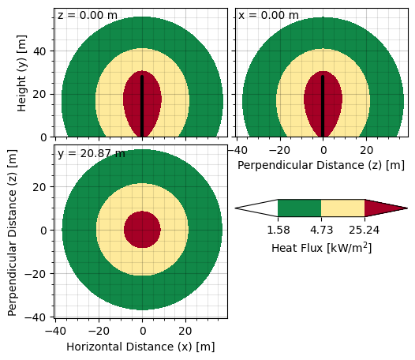
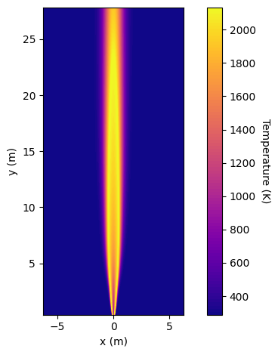
 | GAS_MOLE_PCT
Project:
Project:
Subject:
Jet Flame

 | Calculation performed using HYRAM+ models
 |  |  |  |  |  |  |  |  | PURE COMPONENTS | Mole percentage | Mole frac
 | Calculation set-up: |  |  |  |  |  |  |  | H2 | 90 | 0.9 | YuceilOtugen | H2
 | Nozzle model | YuceilOtugen |  |  |  |  |  |  | N2 | 5 | 0.05 | EwanMoodie | CH4
 | Realease fluid | CH4 |  |  |  |  |  |  | CH4 | 5 | 0.05 | Birch | C3H8
 |  |  |  |  |  |  |  |  | C2H6 |  | 0 | Birch2 | mixture
 | Input parameters: |  |  | Results |  |  |  |  | C3H8 |  | 0.00 | Molkov
 | Stagnation temperature | 15.0 | (°C) | Mass flow |  | 3.490 | (kg/s) |  | n-Butane |  | 0.00
 | Stagnation pressure | 200.0 | (bar) | Positional flux |  | 511,592.1 | (W/m2) |  | IsoButane |  | 0.00
 | Leak diameter | 10.0 | (mm) | Total radiative power |  | 37,110.4 | (kW) |  | n-Pentane |  | 0.00
 | Realease angle (0° = horizontal) | 90.0 | (°) | Visible length |  | 27.8 | (m) |  | IsoPentane |  | 0.00
 | Discharge coefficient (Cd) | 1 | (--) | Radiant fraction |  | 0.213 | (--) |  | n-Heaxane |  | 0.00
 | Ambient temperature | 15.0 | (°C) |  |  |  |  |  | CarbonDioxide |  | 0.00
 | Ambient pressure | 1 | (bar) |  |  |  |  |  | CarbonMonoxide |  | 0.00
 | Ambient humidity | 0.9 | (rel.) |  |  |  |  | [bar] | SUM | 100 | 1
 | Wind speed | 0.0 | (m/s) |  | ΔP : Lead pipe
 | x-position for flux | 1.0 | (m)
 | y-positition for flux | 20.0 | (m)
 | z-position for flux | 0.0 | (m)

Jet plume
 | GAS_MOLE_PCT
Project:
#NAME?
Subject:
Jet Plume

 | Calculation performed using HYRAM+ models
 |  |  |  |  |  |  |  |  | PURE COMPONENTS | Mole percentage | Mole frac
 | Calculation set-up: |  |  |  |  |  |  |  | H2 |  | 0 | YuceilOtugen | H2
 | Nozzle model | YuceilOtugen |  |  |  |  |  |  | N2 |  | 0 | EwanMoodie | CH4
 | Realease fluid | H2 |  |  |  |  |  |  | CH4 |  | 0 | Birch | C3H8
 |  |  |  |  |  |  |  |  | C2H6 |  | 0 | Birch2 | mixture
 | Input parameters: |  |  | Results |  |  |  |  | C3H8 |  | 0.00 | Molkov
 | Stagnation temperature | 15.0 | (°C) | Mass flow |  | 0.490 | (kg/s) |  | n-Butane |  | 0.00
 | Stagnation pressure | 100.0 | (bar) | Stremline length |  | 23.202 | (m) |  | IsoButane |  | 0.00
 | Leak diameter | 10.0 | (mm) | Min. horizontal distance |  | 0.000 | (m) |  | n-Pentane |  | 0.00
 | Realease angle (0° = horizontal) | 0.0 | (°) | Max. horisontal distance |  | 23.765 | (m) |  | IsoPentane |  | 0.00
 | Discharge coefficient (Cd) | 1 | (--) | Min. vertical disance |  | -0.893 | (m) |  | n-Heaxane |  | 0.00
 | Ambient temperature | 15.0 | (°C) | Max. vertical distance |  | 1.085 | (m) |  | CarbonDioxide | 100 | 1.00
 | Ambient pressure | 1 | (bar) | LFL (mole fraction) |  | 0.04 | (--) |  | CarbonMonoxide |  | 0.00
 | Ambient humidity | N/A |  |  |  |  |  | [bar] | SUM | 100 | 1
 |  |  |  |  | ΔP : Lead pipe
 | Mole fraction contout |  | (--) | Max mole fraction |  |  | (--)
 | Plot xmin |  | (m) | Plot ymin |  |  | (m)
 | Plot xmax |  | (m) | Plot ymax |  |  | (m)

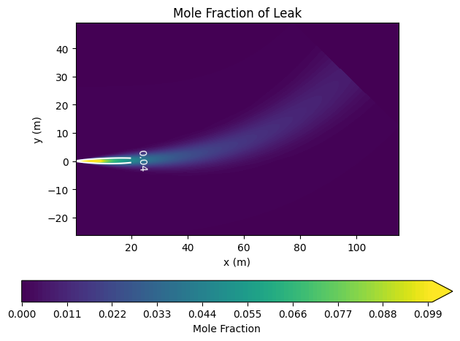

ORS PSV calculation master DRAFT

Confined overpressure
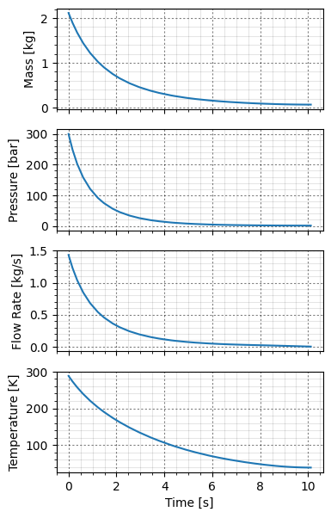
 | GAS_MOLE_PCT
Project:
#NAME?
Subject:
Unconfined overpressure

 | Calculation performed using HYRAM+ models
 |  |  |  |  |  |  |  | PURE COMPONENTS | Mole percentage | Mole frac
 | Calculation set-up: |  |  |  |  |  |  | H2 | 90 | 0.9 | YuceilOtugen | H2 | NO
 | Nozzle model | YuceilOtugen |  |  |  |  |  | N2 | 5 | 0.05 | EwanMoodie | CH4 | YES
 | Realease fluid | H2 |  |  |  |  |  | CH4 | 5 | 0.05 | Birch | C3H8
 | Include blowdown? | YES |  |  |  |  |  | C2H6 |  | 0 | Birch2 | mixture
 |  |  |  |  |  |  |  | C3H8 |  | 0.00 | Molkov
 | Input parameters: |  |  |  |  |  |  | n-Butane |  | 0.00
 | Stagnation temperature | 15.0 | (°C) | Enclosure height | 3.0 | (m) |  | IsoButane |  | 0.00
 | Stagnation pressure | 300.0 | (bar) | Floor/ceil area | 16.7 | (m2) |  | n-Pentane |  | 0.00
 | Leak diameter | 10.0 | (mm) | Ceiling vent area | 0.091 | (m2) |  | IsoPentane |  | 0.00
 | Realease angle (0° = horizontal) | 0.0 | (°) | Ceiling vent height | 2.420 | (m) |  | n-Heaxane |  | 0.00
 | Release height | 0 | (m) | Floor vent area | 0.008 | (m2) |  | CarbonDioxide |  | 0.00
 | Tank volume (blowdown) | 0.1 | (m3) | Floor vent height | 0.044 | (m) |  | CarbonMonoxide |  | 0.00
 | Discharge coefficient (Cd) | 1 | (--) | Vent rate | 0.000 | (m3/s) | [bar] | SUM | 100 | 1
 | Ambient temperature | 15.0 | (°C)
 | Ambient pressure | 1 | (bar) | Results
 | Distance from release to wall | 2.0 | (m) | Max. overpressure | 23.919 | bar
 | x-position release | 0.0 | (m)
 | y-position release | 0.0 | (m)
 | Simulation time | 100.0 | (s)

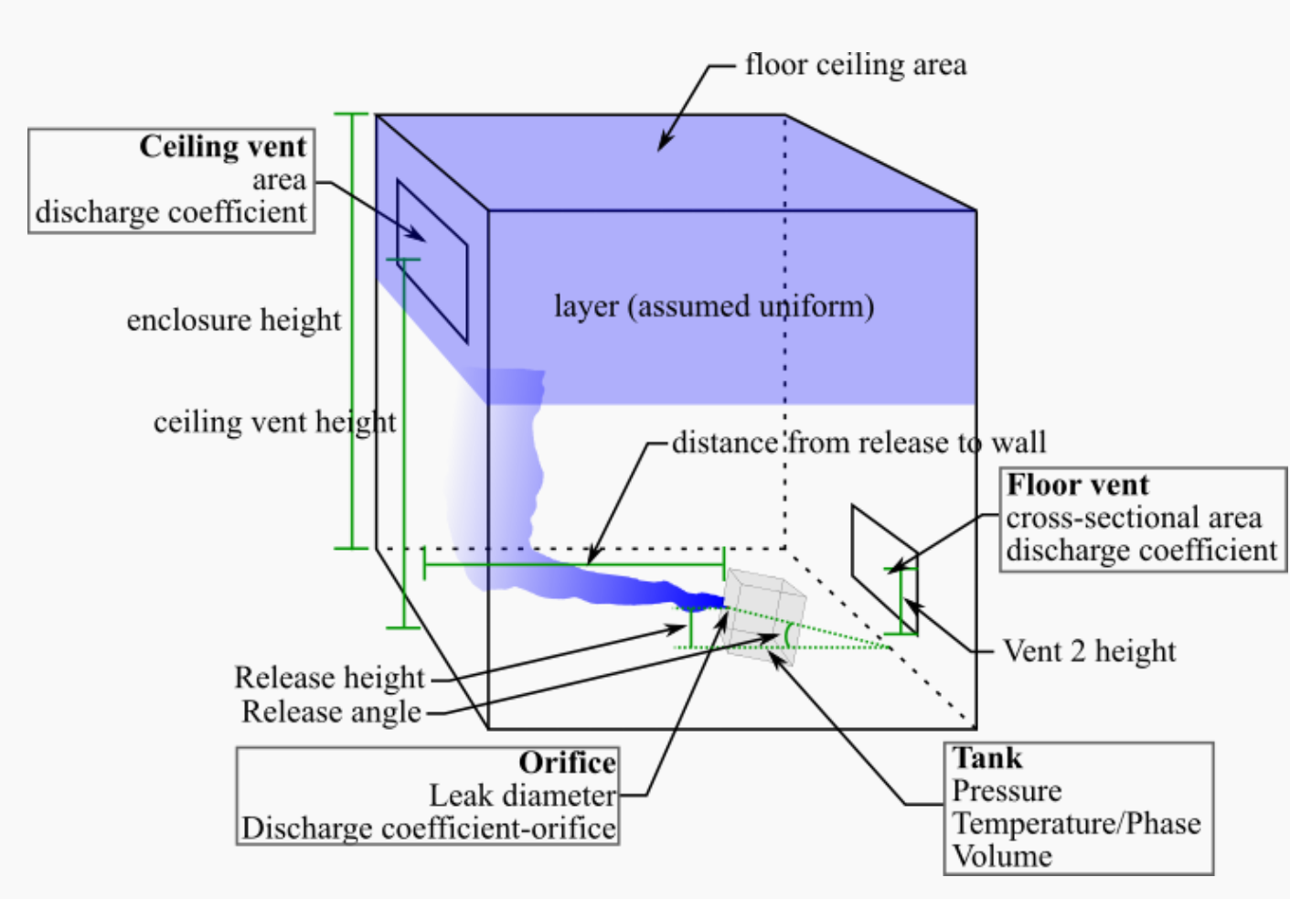

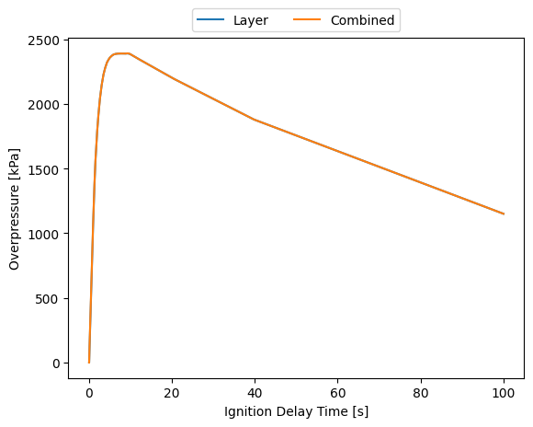

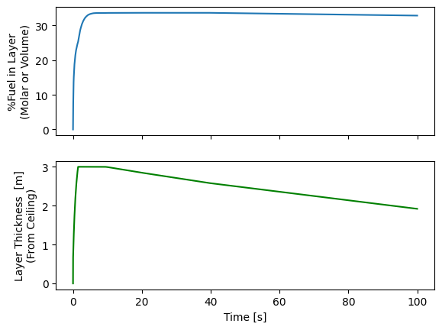

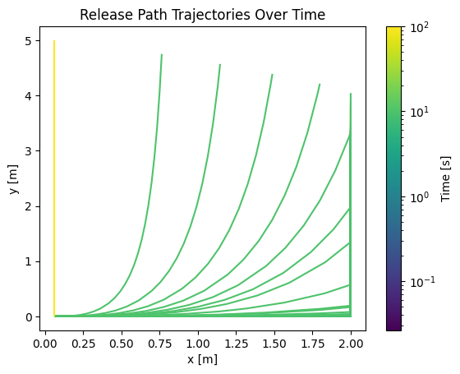

 |  |  |  |  |  |  |  | 7

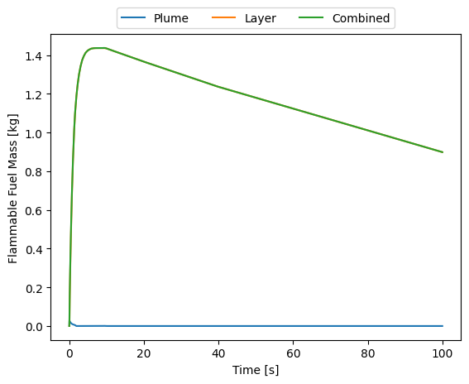

Blow-down results

