F02.CFG-Paths
F02. transformarea unui interval de timp de forma [dd day hh hours mm minutes ss seconds] din text in secunde

F02. Covered source code |  | F02. Control Flow Graph (CFG) | F02. Cyclomatic Complexity (CC)

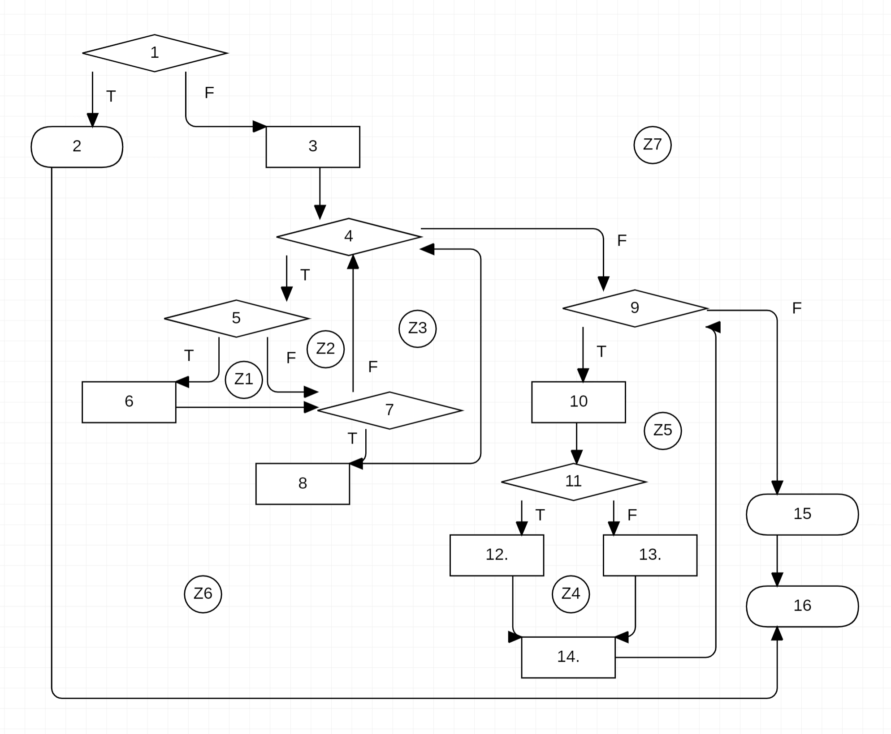
Line No. | Source code | Se va insera CFG asociat codului sursa testat (poza, diagrama, etc.). | CC1 = No. of regions = |  | 7
 | public static String getFormattedInterval(int interval){ |  | CC2 = Edges - Nodes + 2 = |  | 21-16+2=7
1. | if (interval <= 0) |  | CC3 = No. of Conditions + 1 = |  | 6+1=6
2. | throw new IllegalArgumentException("Interval <= 0");
3. | StringBuilder sb = new StringBuilder();
 | int days = interval/secondsInDay; |  | F02. Individual Paths
 | int hours = (interval - secondsInDay*days) / secondsInHour;
 | int minutes = (interval - (secondsInDay*days + secondsInHour*hours)) / secondsInMin; |  | Path No. | Path
 | int seconds = (interval - (secondsInDay*days + secondsInHour*hours + secondsInMin*minutes)); |  | F02_P01 | 1(T) - 2 - 16
 |  |  | F02_P02 | 1(F) - 3 - 4(T) - 5(F) - 7(T) - 8 - 9(T) - 10 - 11(F) - 13 - 14 - 9(F) - 15 - 16
 |  |  | F02_P03 | 1(F) - 3 - 4(T) - 5(T) - 6 - 7(T) - 8 - 4(T) - 5(F) - 7(T) - 8 - 4(F) - 9(T) - 10 - 11(T) - 12 - 14 - 9(F) - 15 - 16
 |  |  | F02_P04 | 1(F) - 3 - 4(T) - 5(T) - 6 - 7(T) - 8 - 4(T) - 5(T) - 6 - 7(F) - 4(T) - 5(T) - 6 - 7(F) - 4(F) - 9(T) - 10 - 11(T) - 12 - 14 - 9(F) - 15 - 16
 | int[] time = new int[]{days, hours, minutes, seconds}; |  | F02_P05 | 1(F) - 3 - 4(T) - 5(T) - 6 - 7(F) - 4(T) - 5(T) - 6 - 7(F) - 4(T) - 5(T) - 6 - 7(F) - 4(F) - 9(T) - 10 - 11(T) - 12 - 14 - 15 - 16
 | int i = 0; |  | F02_P06 | 1(F) - 3 - 4(T) - 5(F) - 7(F) - 4(F) - 9(T) - 10 - 11(F) - 13 - 14 - 9(T) - 10 - 11(T) - 12 - 14 - 9(T) - 10 - 11(T) - 12 - 14 - 9(T) - 10 - 11(T) - 12 - 14 - 9(F) - 15 - 16
 |  |  | F02_P07 | 1(F) - 3 - 4(T) - 5(F) - 7(F) - 4(F) - 9(T) - 10 - 11(F) - 13 - 14 - 9(T) - 10 - 11(T) - 12 - 14 - 9(T) - 10 - 11(T) - 12 - 14 - 9(F) - 15 - 16
 |  |  | F02_P08 | 1(F) - 3 - 4(T) - 5(F) - 7(F) - 4(F) - 9(T) - 10 - 11(F) - 13 - 14 - 9(T) - 10 - 11(F) - 13 - 14 - 9(T) - 10 - 11(F) - 13 - 14 - 9(T) - 10 - 11(T) - 12 - 14 - 9(F) - 15 - 16
 | int j = time.length-1; |  | F02_P09 | 1(F) - 3 - 4(T) - 5(F) - 7(F) - 4(T) - 5(T) - 6 - 7(T) - 8 - 4(F) - 9(T) - 10 - 11(F) - 13 - 14 - 9(T) - 10 - 11(F) - 13 - 14 - 9(F) - 15 - 16
 |  |  | F02_P10 | 1(F) - 3 - 4(T) - 5(F) - 7(F) - 4(T) - 5(T) - 6 - 7(F) - 4(F) - 9(T) - 10 - 11(F) - 13 - 14 - 9(T) - 10 - 11(F) - 13 - 14 - 9(T) - 10 - 11(T) - 12 - 14 - 9(F) - 15 - 16

4.
 | while (time[i] == 0 || time[j] == 0){
5. | if (time[i] == 0)
6. | i++;
7. | if (time[j] == 0)
8. | j--;
 | }
9. | for (int k = i; k <= j; k++){
10. | sb.append(time[k]);
11. | sb.append(time[k] > 1 ?
12. | TIME_ENTITY[k]+ "s" :
13. | TIME_ENTITY[k]);
14. | sb.append(" ");
 | }
15. | return sb.toString();
16. | }

