Pemodelan Anggaran
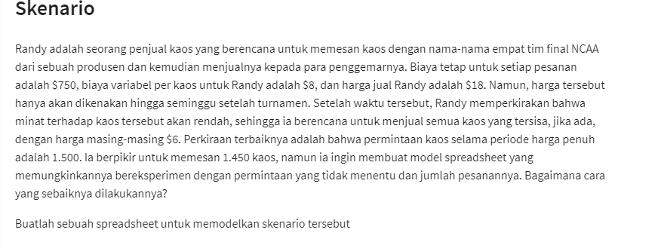
NCAA T-Shirt Vendor

Givens :
Fixed Cost : | $750
Variable : | $8

Revenue :
Full Price/Variable : | $18
Reduce Price/variable : | $6
 |  | <-- Pemodelan Skenario
Number Of Order : | 1450
demands during FP : | 1500

Number of Full Price (FP) | 1450
Order by Reduce Price (RP) | 0

Total Cost | $12,350
Total Revenue | $26,100
Total Profit | $13,750

Pemodelan & Tabel-grafik
Woodworks Bookshelf Co. Cost Projection
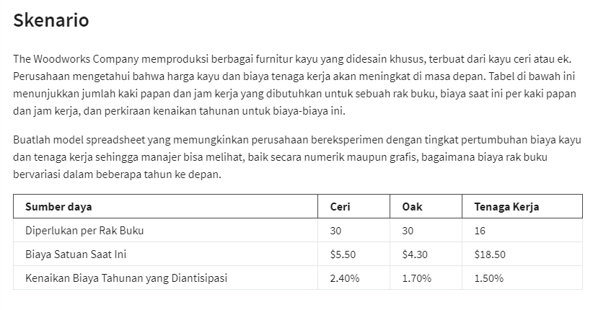
Woodworks Bookshelf Co.

Cost | Cerry | Oak
Unit Cost | $5.50 | $4.30
Board feet | 30 | 30
Materials Cost | $165.00 | $129.00

Labor Req'd | 16 | 16
Labor rate | $18.50 | $18.50
Labor Cost | $296.00 | $296.00

Total Cost | $461.00 | $425.00

Cost increase | 2.4% | 1.7% | 1.5%

Table Estimate
Year | Cerry | Oak | Labor | Total Cerry | Total Oak
0 | $165.0 | $129.0 | $296.0 | $461.0 | $425.0
1 | $169.0 | $131.2 | $300.4 | $469.4 | $431.6
2 | $173.0 | $133.4 | $304.9 | $478.0 | $438.4
3 | $177.2 | $135.7 | $309.5 | $486.7 | $445.2
4 | $181.4 | $138.0 | $314.2 | $495.6 | $452.2
5 | $185.8 | $140.3 | $318.9 | $504.6 | $459.2

